Template
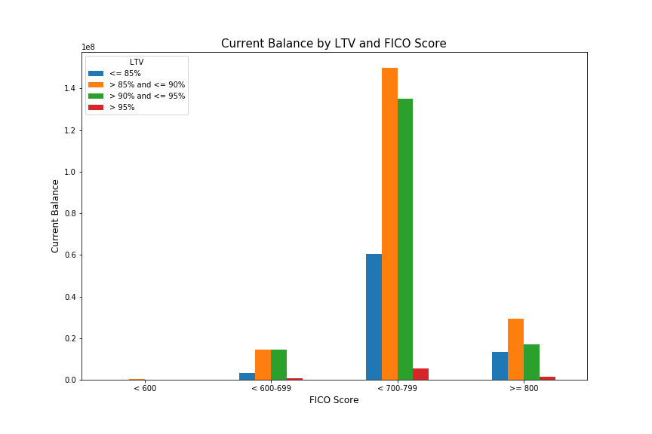
RiskSpan New Hire Skills Assessment

Enter Full Name | Soomin Park
Enter Test Begin Date | 2019-01-02

REPORT 1: Data by Lender Institution Type
Institution Types | Loan Count | Average Current Balance | Max Current Balance | Min Current Balance
Bank Owned Mortgage Company - National | 187 | $242,900 | $720,000 | $43,225
Community Banks | 499 | $211,840 | $729,750 | $28,500
Credit Unions | 374 | $175,150 | $578,250 | $22,500
Mortgage Banker - (Large) | 279 | $260,374 | $729,750 | $59,000
Mortgage Banker - Bank Owned | 661 | $236,263 | $625,500 | $25,018
Total | 2000

REPORT 2: Data by LTV (Loan to Value) Cohorts
Loan to Value Cohorts | Loan Count | Average Current Balance | Max Current Balance | Min Current Balance
<= 85% | 344 | $223,986 | $729,750 | $43,300
>85% and <= 90% | 823 | $235,966 | $729,750 | $22,500
>90% and <= 95% | 796 | $209,504 | $561,700 | $28,500
> 95% | 37 | $200,910 | $371,510 | $65,475
Total | 2000

REPORT 3: Data by Loan Age Cohort (Loan Age = 6/1/2013 minus LOAN_ORIG_DATE in months)
Loan Age Cohorts | Loan Count | Average Current Balance | Max Current Balance | Min Current Balance
Unknown | 16 | $256,425 | $404,700 | $88,065
0 - 9 Months | 242 | $233,616 | $562,500 | $45,000
10 - 19 Months | 724 | $229,612 | $720,000 | $25,018
20 - 29 Months | 564 | $216,681 | $729,750 | $22,500
30 - 39 Months | 268 | $204,076 | $546,376 | $41,705
>= 40 Months | 186 | $224,050 | $729,750 | $35,000
Total | 2000

REPORT 4: Create a Crosstab Report- SUM of CURRENT_UPB by LTV Cohorts and FICO Cohorts
 | <= 85% | >85% and <= 90% | >90% and <= 95% | > 95%
< 600 | $- | $247,050 | $- | $-
600 - 699 | $3,260,490 | $14,606,019 | $14,598,016 | $629,990
700 - 799 | $60,413,630 | $149,979,009 | $135,188,314 | $5,359,114
>= 800 | $13,377,034 | $29,368,087 | $16,979,121 | $1,444,573

REPORT 5: Create a bar graph in your statistical program of Report 4: SUM of CURRENT_UPB by LTV Cohorts and FICO Cohorts and paste an image below.

