Sheet1
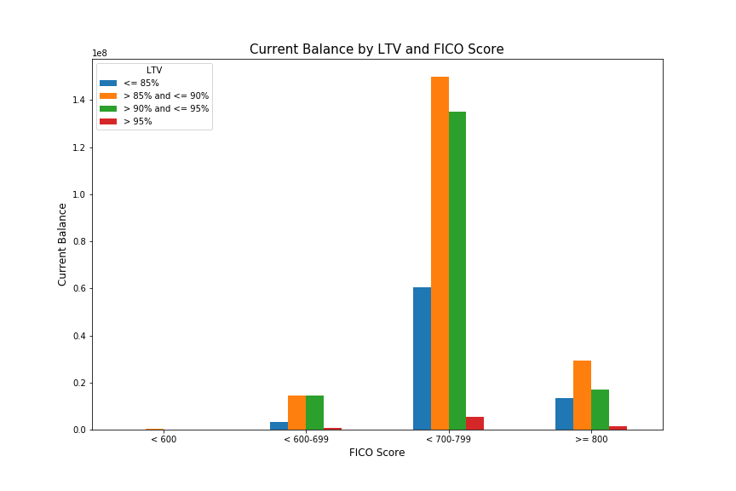
LENDER_INST_TYPE_DESCRIPTION | Loan Count | Average Current Balance | Max Current Balance | Min Current Balance
Bank Owned Mortgage Company - National | 187 | 242899.80214 | 720000 | 43225
Community Banks | 499 | 211839.96393 | 729750 | 28500
Credit Unions | 374 | 175149.6016 | 578250 | 22500
Mortgage Banker - (Large) | 279 | 260374.38351 | 729750 | 59000
Mortgage Banker - Bank Owned | 661 | 236262.68986 | 625500 | 25018

LTV_BIN | Loan Count | Average Current Balance | Max Current Balance | Min Current Balance
<= 85% | 344 | 223985.91279 | 729750 | 43300
> 85% and <= 90% | 823 | 235966.17861 | 729750 | 22500
> 90% and <= 95% | 796 | 209504.33543 | 561700 | 28500
> 95% | 37 | 200910.18919 | 371510 | 65475

LOAN_AGE_BIN | Loan Count | Average Current Balance | Max Current Balance | Min Current Balance
0 - 9 Months | 242 | 233615.67355 | 562500 | 45000
10 - 19 Months | 724 | 229611.94751 | 720000 | 25018
20 - 29 Months | 564 | 216680.78546 | 729750 | 22500
30 - 39 Months | 268 | 204076.17164 | 546376 | 41705
>= 40 Months | 186 | 224049.58065 | 729750 | 35000
Unknown | 16 | 256425.3125 | 404700 | 88065

FICO_SCORE_BIN | <= 85% | > 85% and <= 90% | > 90% and <= 95% | > 95%
< 600 | 0 | 247050 | 0 | 0
< 600-699 | 3260490 | 14606019 | 14598016 | 629990
< 700-799 | 60413630 | 149979009 | 135188314 | 5359114
>= 800 | 13377034 | 29368087 | 16979121 | 1444573

