Лист1
Время поиска
One book | 386302 |  |  |  |  |  | Words = 1000 |  | Words = 10

 | N | Words | Seconds | power of 2 - 1 | N = 2^( -1) | Seconds | N | Seconds | N | Seconds
1 | 1 | 0 | 0 | 1 | 1 | 0 | 10 | 2 | 10 | 2
2 | 1 | 100 | 1 | 2 | 2 | 1 | 20 | 4 | 20 | 4
3 | 1 | 200 | 0 | 3 | 4 | 1 | 30 | 5 | 30 | 6
4 | 1 | 300 | 0 | 4 | 8 | 2 | 40 | 7 | 40 | 9
5 | 1 | 400 | 0 | 5 | 16 | 3 | 50 | 9 | 50 | 12
6 | 1 | 500 | 1 | 6 | 32 | 6 | 60 | 10 | 60 | 15
7 | 1 | 600 | 0 | 7 | 64 | 12 | 70 | 13 | 70 | 14
8 | 1 | 700 | 0 | 8 | 128 | 24 | 80 | 13 | 80 | 21
9 | 1 | 800 | 0 | 9 | 256 | 48 | 90 | 16 | 90 | 19
10 | 1 | 900 | 0 | 10 | 512 | 95 | 100 | 17 | 100 | 21
11 | 1 | 1000 | 0 | 11 | 1024 | 189 | 110 | 19 | 110 | 23
1 | 2 | 0 | 1 |  |  |  | 120 | 21 | 120 | 25
2 | 2 | 100 | 0 |  |  |  | 130 | 22 | 130 | 28
3 | 2 | 200 | 1 |  |  |  | 140 | 23 | 140 | 28
4 | 2 | 300 | 0 |  |  |  | 150 | 26 | 150 | 31
5 | 2 | 400 | 0
6 | 2 | 500 | 1
7 | 2 | 600 | 0
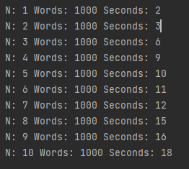
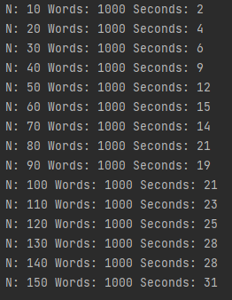
Время поиска
8 | 2 | 700 | 1
9 | 2 | 800 | 0
10 | 2 | 900 | 0 |  |  |  | N = 10
11 | 2 | 1000 | 1
1 | 3 | 0 | 1 |  |  |  | Words | Seconds
2 | 3 | 100 | 0 |  |  |  | 0 | 2
3 | 3 | 200 | 1 |  |  |  | 100 | 2
4 | 3 | 300 | 1 |  |  |  | 200 | 2
5 | 3 | 400 | 1 |  |  |  | 300 | 2
6 | 3 | 500 | 0 |  |  |  | 400 | 2
7 | 3 | 600 | 1 |  |  |  | 500 | 2
8 | 3 | 700 | 1 |  |  |  | 600 | 2
9 | 3 | 800 | 1 |  |  |  | 700 | 1
10 | 3 | 900 | 0 |  |  |  | 800 | 2
11 | 3 | 1000 | 1 |  |  |  | 900 | 2
1 | 4 | 0 | 2 |  |  |  | 1000 | 2
2 | 4 | 100 | 1
3 | 4 | 200 | 2
4 | 4 | 300 | 1
5 | 4 | 400 | 2
6 | 4 | 500 | 1
7 | 4 | 600 | 2
8 | 4 | 700 | 1
9 | 4 | 800 | 2
10 | 4 | 900 | 1
11 | 4 | 1000 | 2
1 | 5 | 0 | 3
2 | 5 | 100 | 3
3 | 5 | 200 | 3
4 | 5 | 300 | 3
5 | 5 | 400 | 3
6 | 5 | 500 | 3
7 | 5 | 600 | 3
8 | 5 | 700 | 3
9 | 5 | 800 | 3
10 | 5 | 900 | 3
11 | 5 | 1000 | 3
1 | 6 | 0 | 6
2 | 6 | 100 | 6
3 | 6 | 200 | 6
4 | 6 | 300 | 6
5 | 6 | 400 | 8
6 | 6 | 500 | 6
7 | 6 | 600 | 6
8 | 6 | 700 | 6
9 | 6 | 800 | 6
10 | 6 | 900 | 6
11 | 6 | 1000 | 6

