Dehaze
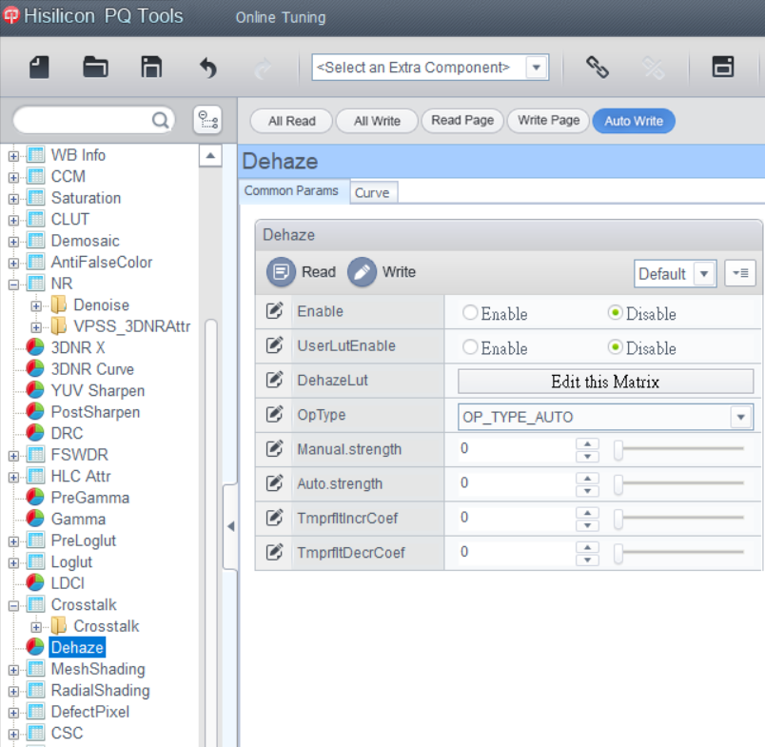
Function section | API name | API parameter | UI Level | Calibration | low value | high value | default value | parameter description | auto | register | dynamic | low value | high value | default value | description
Common | BM_MPI_ISP_SetDehazeAttr | Enable | 0 |  | 0 | 1 | 0 | Dehaze功能使能。 0: 關閉。 1: 始能。 | 0 | reg_dehaze_enable | 1 | 0 | 1 | 0 | Dehaze enable
 |  | Strength | 0 |  | 0 | 100 | 60 | 用來控制Dehaze的強度。值越大，去霧強度越強。 | 1 | reg_dehaze_w | 1 | 0 | 100 | 60 | Strength of dehaze
 |  | CumulativeThr | 0 |  | 0 | 16383 | 512 | 計算霧濃度的統計閾值。 | 1 | reg_dehaze_cum_th | 1 | 0 | 16383 | 512 | Cumulative threshold
 |  | HistThr | 0 |  | 0 | 16383 | 1024 | 計算大氣光的統計閾值。 | 1 | reg_dehaze_hist_th | 1 | 0 | 16383 | 1024 | Histogram threshold
 |  | MinTransMapValue | 1 |  | 0 | 8191 | 819 | 透射係數允許之最小值。 | 1 | reg_dehaze_tmap_min | 1 | 0 | 8191 | 819 | Mininum transmission map value allowed
 |  | MaxTransMapValue | 1 |  | 0 | 8191 | 8191 | 透射係數允許之最大值。 | 1 | reg_dehaze_tmap_max | 1 | 0 | 8191 | 8191 | Maximum transmission value allowed
 |  | VarThr | 1 |  | 0 | 1023 | 200 | 用來邊緣偵測的閾值。 | 1 | reg_dehaze_th_smooth | 1 | 0 | 1023 | 200 | Threshold for edge classification

API parameter 藍色標記的參數: 代表預設顯示在UI上。
API parameter 黑色標記的參數: 代表預設不顯示在UI，開啟工程模式才會在UI上顯示。

CAC
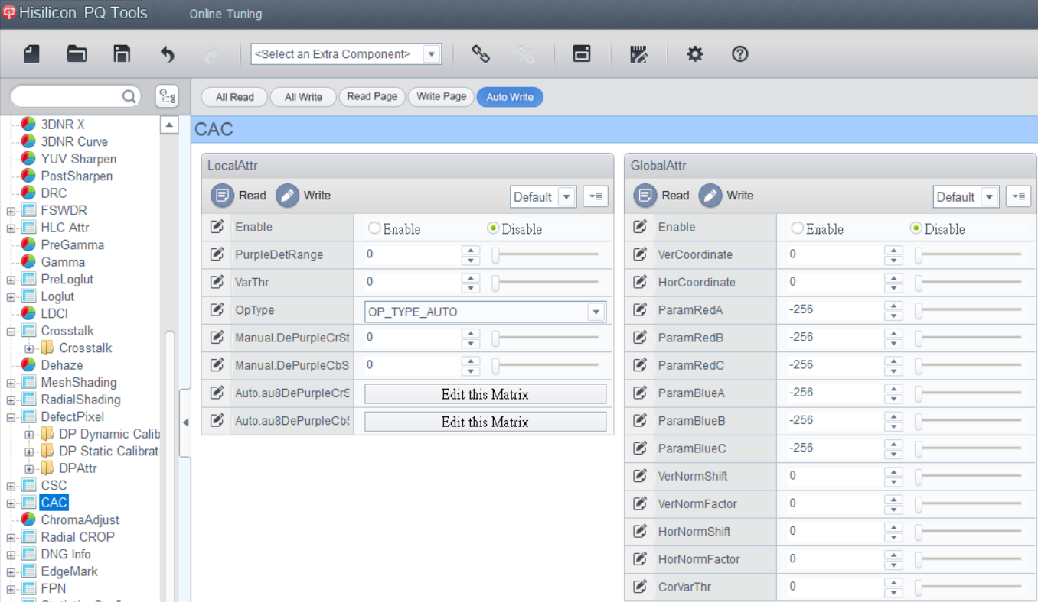
Function section | API name | API parameter | UI Level | Calibration | low value | high value | default value | parameter description | auto | register | dynamic | low value | high value | default value | description
Common | BM_MPI_ISP_SetLocalCacAttr | Enable | 0 |  | 0 | 1 | 0 | CAC模塊使能。 0: 關閉。 1: 使能。 | 0 | reg_pfc_enable | 1 | 0 | 1 | 0 | CAC enable
 |  | VarThr | 0 |  | 0 | 511 | 256 | 邊緣偵測的閾值。值越小，越多區域被判斷為邊緣。 | 1 | reg_cnr_var_th | 1 | 0 | 511 | 256 | Edge detection threshold
 |  | PurpleDetRange | 0 |  | 0 | 128 | 45 | 紫邊偵測的閾值。值越大，越多區域被判斷為紫邊。 | 1 | reg_cnr_purple_th | 1 | 0 | 128 | 45 | Purple fring detection scope
 |  | DePurpleStr | 0 |  | 0 | 255 | 128 | 去紫邊強度。值越大，紫邊現象越少。 | 1 | reg_cnr_correct_strength | 1 | 0 | 255 | 128 | Strenght of purple fringe correction
 |  | PurpleCb | 0 |  | 0 | 255 | 232 | 紫色在Cb domain的座標。 | 1 | reg_cnr_purple_cb | 1 | 0 | 255 | 232 | Purple in Cb value
 |  | PurpleCr | 0 |  | 0 | 255 | 177 | 紫色在Cr domain的座標。 | 1 | reg_cnr_purple_cr | 1 | 0 | 255 | 177 | Purple in Cr value
 |  | GreenCb | 0 |  | 0 | 255 | 43 | 綠色在Cb domain的座標。 | 1 | reg_cnr_green_cb | 1 | 0 | 255 | 43 | Green in Cb value
 |  | GreenCr | 0 |  | 0 | 255 | 21 | 綠色在Cr domain的座標。 | 1 | reg_cnr_green_cr | 1 | 0 | 255 | 21 | Green in Cr value
 |  | TuningMode | 0 |  | 0 | 2 | 0 | 輸出中繼檔案，輔助調節參數。 0: CAC圖像結果。 1: 邊緣偵測圖像結果。 2: 紫邊偵測圖像結果。 | 0 | reg_cnr_out_sel | 1 | 0 | 2 | 0 | Tuning mode

API parameter 藍色標記的參數: 代表預設顯示在UI上。
API parameter 黑色標記的參數: 代表預設不顯示在UI，開啟工程模式才會在UI上顯示。

DCI
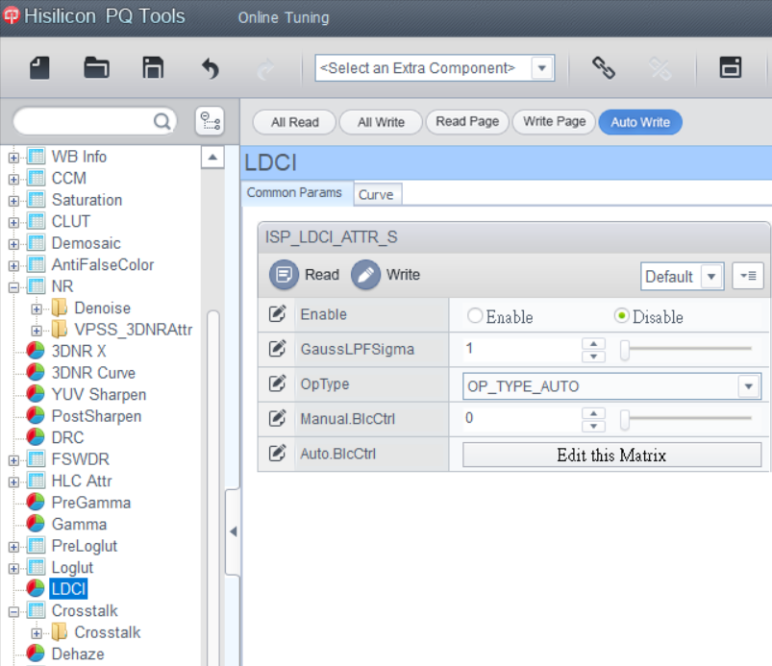
Function section | API name | API parameter | UI Level | Calibration | low value | high value | default value | parameter description | auto | register | dynamic | low value | high value | default value | description | isp_param_def.h | dvi_vip_tun_cfg.h | ISP_API | Note
Common | CVI_MPI_ISP_SetLDCIAttr | Enable | 0 |  | 0 | 1 | 0 | DCI模塊使能。 0: 關閉。 1: 使能。 | 0 | reg_dci_enable | 1 | 0 | 1 | 0 | DCI enable | ISP_DCI_ENABLE | enable |  | ISP_DCI_ENOPTYPE
 |  | MapEnable | 0 |  | 0 | 1 | 1 | DCI mapping功能使能。 0: 關閉。 1: 使能。 | 1 | reg_dci_map_enable | 1 | 0 | 1 | 1 | DCI mapping enable
 |  | DitherEnable | 9 |  | 0 | 1 | 1 | Dither功能使能。 0: 關閉。 1: 始能。 | 1 | reg_dci_dither_enable | 1 | 0 | 1 | 1 | Enable of dither | ISP_DCI_MANUAL_DITHERENABLE | dither_enable |  | always 1
 |  | RoiEnable | 9 |  | 0 | 1 | 0 | ROI裁剪功能使能。 0: 關閉。 1: 始能。 | 1 | reg_dci_roi_enable | 1 | 0 | 1 | 0 | ROI enable
 |  | RoiStartX | 9 |  | 0 | 4095 | 0 | 定義 ROI 左上角的 X 座標。 | 1 | reg_dci_roi_start_x | 1 | 0 | 4095 | 0 | ROI X coordinate
 |  | RoiStartY | 9 |  | 0 | 2159 | 0 | 定義 ROI 左上角的 Y 座標。 | 1 | reg_dci_roi_start_y | 1 | 0 | 2159 | 0 | ROI Y coordinate
 |  | RoiWidth | 9 |  | 0 | 4095 | 0 | 定義 ROI 的寬度。 | 1 | reg_dci_roi_widthm1 | 1 | 0 | 4095 | 0 | ROI width
 |  | RoiHeight | 9 |  | 0 | 2159 | 0 | 定義 ROI 的高度。 | 1 | reg_dci_roi_heightm1 | 1 | 0 | 2159 | 0 | ROI height
 |  | TuningMode | 0 |  | 0 | 1 | 1 | 在同一畫面同時顯示原始圖像和結果圖像，輔助調節參數。 0: CAC圖像結果。 1: 在同一畫面同時顯示原始圖像和結果圖像。 | 0 | reg_dci_demo_mode | 1 | 0 | 0 | 0 | Tuning mode | ISP_DCI_MANUAL_TUNINGMODE | demo_mode
 |  | DelayFrmNum | 9 |  | 0 | 2048 | 0 | 延遲的帧數。 |  | algo_dci_history_nframes | 1 | 0 | 2048 | 0 | Number of frames to delay
 |  | ContrastGain | 0 |  | 0 | 1023 | 100 | 用來控制DCI的強度，值越大，對比度越大。 | 1 | algo_dci_cliplimit_sel | 1 | 0 | 1023 | 100 | Strength of DCI | ISP_DCI_MANUAL_CONTRASTGAIN | N/A
 |  | BlcThr | 0 |  | 0 | 255 | 60 | 用來決定暗區範圍的門檻值。值越大，包含的暗區範圍越大。 | 1 | algo_dci_bw_strecth_th_0 | 1 | 0 | 255 | 60 | Black stretching threshold | ISP_DCI_MANUAL_BLCTHR | N/A
 |  | WhtThr | 0 |  | 0 | 255 | 200 | 用來決定亮區範圍的門檻值。值越小，包含的亮區範圍越大。 | 1 | algo_dci_bw_strecth_th_1 | 1 | 0 | 255 | 200 | White stretching threshold | ISP_DCI_MANUAL_WHTTHR | N/A
 |  | BlcCtrl | 0 |  | 0 | 512 | 256 | 用來決定暗區的對比度。以256為中心，值越大，對比度越大；值越小，對比度越小。 | 1 | algo_dci_bw_strecth_strength_0 | 1 | 0 | 512 | 256 | Black stretching strength | ISP_DCI_MANUAL_BLCCTRL | N/A
 |  | WhtCtrl | 0 |  | 0 | 512 | 256 | 用來決定亮區的對比度。以256為中心，值越大，對比度越大；值越小，對比度越小。 | 1 | algo_dci_bw_strecth_strength_1 | 1 | 0 | 512 | 256 | White stretching strength | ISP_DCI_MANUAL_WHTCTRL | N/A
 |  |  |  |  |  |  |  |  |  | reg_dci_map_lut[256] |  |  |  |  | DCI mapping LUT | ? | __u16 *map_lut |  | alvin will provide mapping function
 |  |  |  |  |  |  |  |  |  | ? |  |  |  |  | ? | ? | ? |  | //@TODO alvin will add some register

API parameter 藍色標記的參數: 代表預設顯示在UI上。
API parameter 黑色標記的參數: 代表預設不顯示在UI，開啟工程模式才會在UI上顯示。

BNR
Function section | API name | API parameter | UI Level | Calibration | low value | high value | default value | parameter description | auto | register | dynamic | low value | high value | default value | description | isp_param_def.h | cvi_vip_tun_cfg.h | ISP_API | Note
Common | CVI_MPI_ISP_SetNRAttr | Enable | 0 |  | 0 | 1 | 0 | BNR模塊使能。 0: 關閉。 1: 使能。 | 0 | reg_bnr_enable | 1 | 0 | 1 | 0 | BNR Enable | ISP_NR_ENABLE | /*@todo ? see out_sel */
 |  | WindowType | 0 |  | 0 | 11 | 11 | 去噪濾波局域程度。其值越小，作用越局域。 | 1 | reg_bnr_weight_intra_0 | 1 | 0 | 6 | 6 | Window type for noise reudction | ISP_NR_MANUAL_WINDOWTYPE | weight_intra_0 | BNR_Kernel_API()
 |  |  |  |  |  |  |  |  |  | reg_bnr_weight_intra_1 | 1 | 0 | 6 | 6 |  |  | weight_intra_1
 |  |  |  |  |  |  |  |  |  | reg_bnr_weight_intra_2 | 1 | 0 | 6 | 6 |  |  | weight_intra_2
 |  |  |  |  |  |  |  |  |  | reg_bnr_weight_norm_intra1 | 1 | 0 | 127 |  |  |  | weight_norm_1
 |  |  |  |  |  |  |  |  |  | reg_bnr_weight_norm_intra2 | 1 | 0 | 255 |  |  |  | weight_norm_2
 |  | DetailSmoothMode | 0 |  | 0 | 1 | 1 | 去噪細節平滑功能使能。 0: 關閉。 1: 使能。 | 1 | reg_bnr_flag_neighbor_max_weight | 1 | 0 | 1 | 1 | Detail smooth mode | ISP_NR_MANUAL_DETAILSMOOTHMODE | bnr_2_cfg.NEIGHBOR_MAX
 |  | NoiseSupressStr | 0 |  | 0 | 255 | 0 | 噪聲抑制強度。值越大，亮噪去除強度越大。 | 1 | reg_bnr_ns_gain | 1 | 0 | 255 | 0 | Noise suppression strength | ISP_NR_MANUAL_NOISESUPPRESSSTR | bnr_1_cfg.NS_GAIN
 |  | FilterType | 0 |  | 0 | 255 | 0 | 去噪濾波器強度。值越大，亮噪去除強度越大。 | 1 | reg_bnr_weight_lut_h[256] | 1 | 0 | 31 | NA | Strength of luma noise reduction filter | ISP_NR_MANUAL_FILTERTYPE | weight_lut[256] | BNR_LUT_H_API()
 |  | NoiseSupressStrMode | 1 |  | 0 | 255 | 0 | 亮噪去噪強度。值越大，亮噪去除強度越大。 | 1 | reg_bnr_strength_mode | 1 | 0 | 255 | 0 | Noise suppression strength mode | ISP_NR_MANUAL_NOISESUPPRESSSTRMODE | bnr_1_cfg.STRENGTH_MODE
Filter | CVI_MPI_ISP_SetNRFilterAttr | NrLscRatio | 0 |  | 0 | 31 | 0 | 參考LSC增益調節去噪強度。值越大，參考LSC增益的比例越多。 | 1 | reg_bnr_lsc_ratio | 1 | 0 | 31 | 0 | Strength of removing the random noise according to luma | ISP_NR_MANUAL_NRLSCRATIO | bnr_2_cfg.LSC_RATIO
 |  | TuningMode | 0 |  | 0 | 15 | 8 | 輸出中繼檔案，輔助調節參數。 8: BNR圖像結果。 11: 平坦/邊緣偵測圖像結果。 12: 垂直邊緣偵測圖像結果。 13: 水平邊緣偵測圖像結果。 14: 反對角線邊緣偵測圖像結果。 15: 對角線邊緣偵測圖像結果。 | 0 | reg_bnr_out_sel | 1 | 0 | 15 | 8 | Tuning mode | ISP_NR_MANUAL_TUNINGMODE | out_sel
 |  | LumaStr[8] | 1 |  | 0 | 31 | 0 | 參考圖像亮度從暗到亮分別調節去噪強度。值越大，亮噪去除強度越大。 | 1 | reg_bnr_intensity_sel_0 | 1 | 0 | 31 | 0 | Strength of noise reduction for luma node 0 | ISP_NR_MANUAL_LUMASTR0 | intensity_sel[8] |  | 這八個參數是專家模式，分別調整亮度從暗到亮的NR強度。根據經驗，調八個節點是不難調整。不過，後來新增了 noise profile的calibration的功能，所以原則上這八個參數是不需要使用的。目前保留，當作專家模式。
 |  |  |  |  |  |  |  |  |  | reg_bnr_intensity_sel_1 | 1 | 0 | 31 | 0 | Strength of noise reduction for luma node 1 | ISP_NR_MANUAL_LUMASTR1
 |  |  |  |  |  |  |  |  |  | reg_bnr_intensity_sel_2 | 1 | 0 | 31 | 0 | Strength of noise reduction for luma node 2 | ISP_NR_MANUAL_LUMASTR2
 |  |  |  |  |  |  |  |  |  | reg_bnr_intensity_sel_3 | 1 | 0 | 31 | 0 | Strength of noise reduction for luma node 3 | ISP_NR_MANUAL_LUMASTR3
 |  |  |  |  |  |  |  |  |  | reg_bnr_intensity_sel_4 | 1 | 0 | 31 | 0 | Strength of noise reduction for luma node 4 | ISP_NR_MANUAL_LUMASTR4
 |  |  |  |  |  |  |  |  |  | reg_bnr_intensity_sel_5 | 1 | 0 | 31 | 0 | Strength of noise reduction for luma node 5 | ISP_NR_MANUAL_LUMASTR5
 |  |  |  |  |  |  |  |  |  | reg_bnr_intensity_sel_6 | 1 | 0 | 31 | 0 | Strength of noise reduction for luma node 6 | ISP_NR_MANUAL_LUMASTR6
 |  |  |  |  |  |  |  |  |  | reg_bnr_intensity_sel_7 | 1 | 0 | 31 | 0 | Strength of noise reduction for luma node 7 | ISP_NR_MANUAL_LUMASTR7
 |  | VarThr | 0 |  | 0 | 1023 | 512 | 偵測邊緣的閾值。值越大，判斷為邊緣的數量越少。 | 1 | reg_bnr_var_th | 1 | 0 | 1023 | 512 | Threshold for edge detection | ISP_NR_MANUAL_VARTHR | bnr_2_cfg.VAR_TH
 |  | CoringWgtLF | 0 |  | 0 | 256 | 0 | 調節在低頻區域的隨機噪聲強度。值越大，在低頻區域保留的噪聲越多。 | 1 | reg_bnr_res_ratio_k_smooth | 1 | 0 | 256 | 0 | Strength of reserving random noise for low-frequency region | ISP_NR_MANUAL_CORINGWGTLF | k_smooth
 |  | CoringWgtHF | 0 |  | 0 | 256 | 0 | 調節在高頻區域的隨機噪聲強度。值越大，在高頻區域的保留的噪聲越多。 | 1 | reg_bnr_res_ratio_k_texture | 1 | 0 | 256 | 0 | Strength of reserving random noise for high-frequency region | ISP_NR_MANUAL_CORINGWGTHF | k_texture
 |  | NonDirFiltStr | 0 |  | 0 | 31 | 0 | 調節在低頻區的去噪強度。值越大，在低頻區域去除的噪聲越多。 | 1 | reg_bnr_weight_smooth | 1 | 0 | 31 | 0 | Strength of low-frequency noise reduction | ISP_NR_MANUAL_NONDIRFILTSTR | bnr_2_cfg.WEIGHT_SM
 |  | VhDirFiltStr | 0 |  | 0 | 31 | 0 | 調節在水平和垂直區的去噪強度。值越大，在水平和垂直邊緣去除的噪聲越多。 | 1 | reg_bnr_weight_v | 1 | 0 | 31 | 0 | Strength of vertical spatial frequency noise reduction | ISP_NR_MANUAL_VHDIRFILTSTR | bnr_2_cfg.WEIGHT_V
 |  |  |  |  |  |  |  |  |  | reg_bnr_weight_h | 1 | 0 | 31 | 0 | Strength of horizontal spatial frequency noise reduction | ISP_NR_MANUAL_VHDIRFILTSTR | bnr_2_cfg.WEIGHT_H
 |  | AaDirFiltStr | 0 |  | 0 | 31 | 0 | 調節在對角線邊緣的去噪強度。值越大，在對角線邊緣去除的噪聲越多。 | 1 | reg_bnr_weight_d45 | 1 | 0 | 31 | 0 | Strength of 45-degree diagonal spatial frequency noise reduction | ISP_NR_MANUAL_AADIRFILTSTR | bnr_2_cfg.WEIGHT_D45
 |  |  |  |  |  |  |  |  |  | reg_bnr_weight_d135 | 1 | 0 | 31 | 0 | Strength of 135-degree diagonal spatial frequency noise reduction | ISP_NR_MANUAL_AADIRFILTSTR | bnr_2_cfg.WEIGHT_D135
Noise Profile | CVI_MPI_ISP_SetNRNoiseModelAttr | NpSlopeB | 1 | 1 | 0 | 1023 | 0 | Noise profile 在B通道的斜率。 | 1 | reg_bnr_ns_slope_b | 1 | 0 | 1023 | 0 | Noise profile slope of B channel | ISP_NR_MANUAL_NPSLOPEB | bnr_1_cfg.NS_SLOPE_B | ? | Noise Profile 移掉 manual, opType，固定為 AUTO
 |  | NpSlopeGb | 1 | 1 | 0 | 1023 | 0 | Noise profile 在Gb通道的斜率。 | 1 | reg_bnr_ns_slope_gb | 1 | 0 | 1023 | 0 | Noise profile slope of Gb channel | ISP_NR_MANUAL_NPSLOPEGB | bnr_1_cfg.NS_SLOPE_GB
 |  | NpSlopeGr | 1 | 1 | 0 | 1023 | 0 | Noise profile 在Gr通道的斜率。 | 1 | reg_bnr_ns_slope_gr | 1 | 0 | 1023 | 0 | Noise profile slope of Gr channel | ISP_NR_MANUAL_NPSLOPEGR | bnr_1_cfg.NS_SLOPE_GR
 |  | NpSlopeR | 1 | 1 | 0 | 1023 | 0 | Noise profile 在R通道的斜率。 | 1 | reg_bnr_ns_slope_r | 1 | 0 | 1023 | 0 | Noise profile slope of R channel | ISP_NR_MANUAL_NPSLOPER | bnr_1_cfg.NS_SLOPE_R
 |  | NpLumaThrB | 1 | 1 | 0 | 1023 | 0 | Noise profile 在B通道的亮度閾值。 | 1 | reg_bnr_ns_luma_th_b | 1 | 0 | 1023 | 0 | Noise profile luma threshold of B channel | ISP_NR_MANUAL_NPLUMATHRB | bnr_1_cfg.NS_LUMA_TH_B
 |  | NpLumaThrGb | 1 | 1 | 0 | 1023 | 0 | Noise profile 在Gb通道的亮度閾值。 | 1 | reg_bnr_ns_luma_th_gb | 1 | 0 | 1023 | 0 | Noise profile luma threshold of Gb channel | ISP_NR_MANUAL_NPLUMATHRGB | bnr_1_cfg.NS_LUMA_TH_GB
 |  | NpLumaThrGr | 1 | 1 | 0 | 1023 | 0 | Noise profile 在Gr通道的亮度閾值。 | 1 | reg_bnr_ns_luma_th_gr | 1 | 0 | 1023 | 0 | Noise profile luma threshold of Gr channel | ISP_NR_MANUAL_NPLUMATHRGR | bnr_1_cfg.NS_LUMA_TH_GR
 |  | NpLumaThrR | 1 | 1 | 0 | 1023 | 0 | Noise profile 在R通道的亮度閾值。 | 1 | reg_bnr_ns_luma_th_r | 1 | 0 | 1023 | 0 | Noise profile luma threshold of R channel | ISP_NR_MANUAL_NPLUMATHRR | bnr_1_cfg.NS_LUMA_TH_R
 |  | NpLowOffsetB | 1 | 1 | 0 | 1023 | 0 | Noise profile 在B通道可允許的最小 noise level。 | 1 | reg_bnr_ns_low_offset_b | 1 | 0 | 1023 | 0 | Noise profile low offset of B channel | ISP_NR_MANUAL_NPLOWOFFSETB | bnr_1_cfg.NS_OFFSET0_B
 |  | NpLowOffsetGb | 1 | 1 | 0 | 1023 | 0 | Noise profile 在Gb通道可允許的最小 noise level。 | 1 | reg_bnr_ns_low_offset_gb | 1 | 0 | 1023 | 0 | Noise profile low offset of Gb channel | ISP_NR_MANUAL_NPLOWOFFSETGB | bnr_1_cfg.NS_OFFSET0_GB
 |  | NpLowOffsetGr | 1 | 1 | 0 | 1023 | 0 | Noise profile 在Gr通道可允許的最小 noise level。 | 1 | reg_bnr_ns_low_offset_gr | 1 | 0 | 1023 | 0 | Noise profile low offset of Gr channel | ISP_NR_MANUAL_NPLOWOFFSETGR | bnr_1_cfg.NS_OFFSET0_GR
 |  | NpLowOffsetR | 1 | 1 | 0 | 1023 | 0 | Noise profile 在R通道可允許的最小 noise level。 | 1 | reg_bnr_ns_low_offset_r | 1 | 0 | 1023 | 0 | Noise profile low offset of R channel | ISP_NR_MANUAL_NPLOWOFFSETR | bnr_1_cfg.NS_OFFSET0_R
 |  | NpHighOffsetB | 1 | 1 | 0 | 1023 | 0 | Noise profile 在B通道可允許的最大 noise level。 | 1 | reg_bnr_ns_high_offset_b | 1 | 0 | 1023 | 0 | Noise profile high offset of B channel | ISP_NR_MANUAL_NPHIGHOFFSETB | bnr_1_cfg.NS_OFFSET1_B
 |  | NpHighOffsetGb | 1 | 1 | 0 | 1023 | 0 | Noise profile 在Gb通道可允許的最大 noise level。 | 1 | reg_bnr_ns_high_offset_gb | 1 | 0 | 1023 | 0 | Noise profile high offset of Gb channel | ISP_NR_MANUAL_NPHIGHOFFSETGB | bnr_1_cfg.NS_OFFSET1_GB
RLSC |  | NpHighOffsetGr | 1 | 1 | 0 | 1023 | 0 | Noise profile 在Gr通道可允許的最大 noise level。 | 1 | reg_bnr_ns_high_offset_gr | 1 | 0 | 1023 | 0 | Noise profile high offset of Gr channel | ISP_NR_MANUAL_NPHIGHOFFSETGR | bnr_1_cfg.NS_OFFSET1_GR
 |  | NpHighOffsetR | 1 | 1 | 0 | 1023 | 0 | Noise profile 在R通道可允許的最大 noise level。 | 1 | reg_bnr_ns_high_offset_r | 1 | 0 | 1023 | 0 | Noise profile high offset of R channel | ISP_NR_MANUAL_NPHIGHOFFSETR | bnr_1_cfg.NS_OFFSET1_R
 | CVI_MPI_ISP_SetRLSCAttr | RlscEnable | 0 |  | 0 | 1 | 0 | RLSC功能使能。 0: 關閉。 1: 使能。 | 0 | reg_cbns_enable | 1 | 0 | 1 | 0 | RLSC enable | ISP_NR_RLSCENABLE | lsc_en
 |  | RadialStr | 0 |  | 0 | 4095 | 128 | 用來調整RLSC標定後的強度。值越大，越接近標定後的強度。 | 1 | reg_cbns_strnth | 1 | 0 | 4095 | 128 | Strength of removing the random noise according to luma | ISP_NR_MANUAL_RADIALSTR | lsc_strenth
 |  | RlscCenterX | 1 | 1 | 0 | 4095 | 0 |  | 0 | reg_cbns_centerx | 1 | 0 | 4095 | 0 | Center coordinate X for RLSC | ISP_NR_RLSCCENTERX | lsc_centerx
 |  | RlscCenterY | 1 | 1 | 0 | 2047 | 0 |  | 0 | reg_cbns_centery | 1 | 0 | 2047 | 0 | Center coordinate Y for RLSC | ISP_NR_RLSCCENTERY | lsc_centery
 |  | RlscNorm | 9 | 1 | 0 | 32767 | 0 |  | 0 | reg_cbns_norm | 1 | 0 | 32767 | 0 | Normalization for RLSC | ISP_NR_RLSCNORM | lsc_norm
 |  | RlscGainTable[32] | 9 | 1 | 0 | 255 | {32, 32, 32, 32, 32, 32, 32, 33, 33, 34, 34, 35, 36, 37, 38, 39, 40, 41, 43, 44, 45, 47, 49, 51, 53, 55, 57, 59, 61, 64, 66, 69} |  | 1 | reg_cbns_gain_lut[32] | 1 | 0 | 0 | 255 | RLSC gain table | ISP_NR_MANUAL_RLSCGAINTABLE_0 | lsc_gain_lut[32]
API parameter 藍色標記的參數: 代表預設顯示在UI上。 |  |  |  |  |  |  |  |  |  |  |  |  |  |  |  |  |  |  | 1. data length 怎麼決定，會不會跟 driver 不一致？
API parameter 黑色標記的參數: 代表預設不顯示在UI，開啟工程模式才會在UI上顯示。 |  |  |  |  |  |  |  |  |  |  |  |  |  |  |  |  |  |  | 2. mpi 拆成多隻的理由，是否會造成什麼影響？
 |  |  |  |  |  |  |  |  |  |  |  |  |  |  |  |  |  |  | 3. LumaStr 改成一個 array, parser 的影響

備註:
FilterType 等於 algo_bnr_weight_intra_sel
CoarseStr 等於 algo_bnr_weight_h_sel

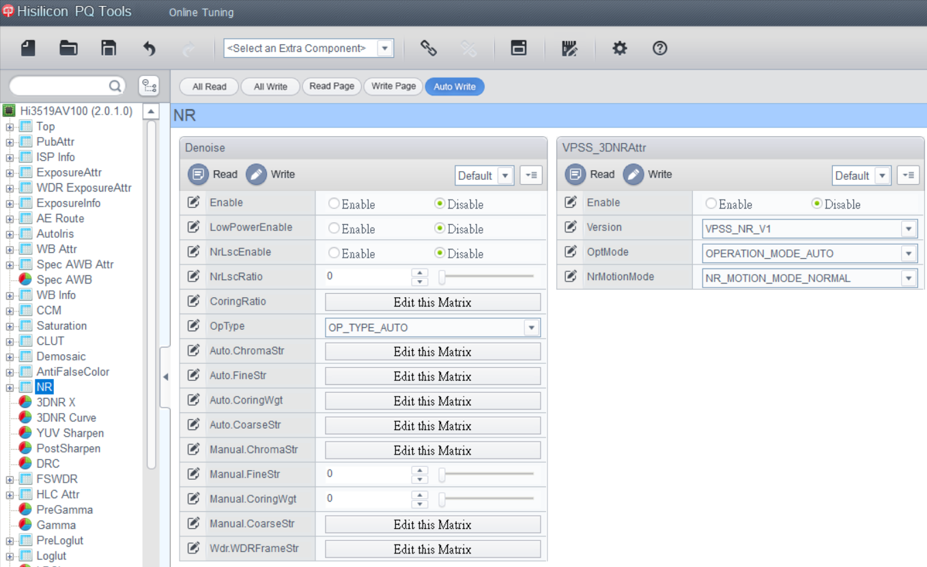

 |  |  |  |  |  |  |  |  |  |  |  |  |  |  |  |  |  | ISP_NR_MANUAL_RADIALSTR
 |  |  |  |  |  |  |  |  |  |  |  |  |  |  |  |  |  | ISP_NR_MANUAL_RLSCGAINTABLE_0

