Table 1
Table 1. Population and Components of Population Change for Oregon: 1960 to 2015
 | July 1 Population Estimates and April 1 Census Counts
Prepared by Population Research Center, PSU, April 2015.

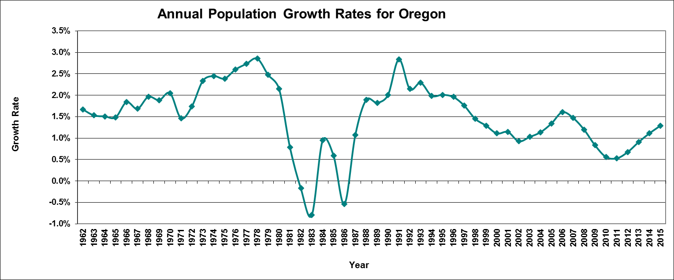
Date | Population | Population Change | Births | Deaths | Natural Increase | Net Migration
1960-04-01 | 1,768,687
1961-07-01 | 1,798,000 | 29,313 | 31,660 | 14,060 | 17,600 | 11,713
1962-07-01 | 1,828,000 | 30,000 | 36,535 | 16,735 | 19,800 | 10,200
1963-07-01 | 1,856,000 | 28,000 | 32,971 | 16,171 | 16,800 | 11,200
1964-07-01 | 1,884,000 | 28,000 | 32,687 | 17,287 | 15,400 | 12,600
1965-07-01 | 1,912,000 | 28,000 | 32,585 | 17,785 | 14,800 | 13,200
1966-07-01 | 1,947,200 | 35,200 | 31,210 | 17,710 | 13,500 | 21,700
1967-07-01 | 1,980,000 | 32,800 | 30,711 | 18,211 | 12,500 | 20,300
1968-07-01 | 2,018,900 | 38,900 | 32,464 | 19,364 | 13,100 | 25,800
1969-07-01 | 2,057,000 | 38,100 | 34,423 | 20,123 | 14,300 | 23,800
1970-04-01 | 2,091,533 | 34,533 | 25,755 | 14,657 | 11,099 | 23,434
1970-07-01 | 2,099,150 | 7,617 | 8,838 | 4,883 | 3,956 | 3,661
1971-07-01 | 2,129,900 | 30,750 | 34,349 | 19,809 | 14,540 | 16,210
1972-07-01 | 2,167,000 | 37,100 | 31,332 | 19,532 | 11,800 | 25,300
1973-07-01 | 2,217,600 | 50,600 | 30,939 | 20,439 | 10,500 | 40,100
1974-07-01 | 2,271,900 | 54,300 | 31,123 | 20,223 | 10,900 | 43,400
1975-07-01 | 2,326,200 | 54,300 | 32,934 | 20,234 | 12,700 | 41,600
1976-07-01 | 2,386,700 | 60,500 | 33,613 | 20,013 | 13,600 | 46,900
1977-07-01 | 2,451,900 | 65,200 | 37,546 | 21,246 | 16,300 | 48,900
1978-07-01 | 2,521,900 | 70,000 | 37,231 | 20,131 | 17,100 | 52,900
1979-07-01 | 2,584,300 | 62,400 | 41,271 | 21,471 | 19,800 | 42,600
1980-04-01 | 2,633,156 | 48,856 | 31,555 | 15,951 | 15,604 | 33,252
1980-07-01 | 2,639,915 | 6,759 | 10,773 | 5,439 | 5,334 | 1,425
1981-07-01 | 2,660,735 | 20,820 | 42,052 | 21,675 | 20,377 | 444
1982-07-01 | 2,656,185 | -4,550 | 42,261 | 21,548 | 20,713 | -25,263
1983-07-01 | 2,635,000 | -21,185 | 40,378 | 22,039 | 18,339 | -39,524
1984-07-01 | 2,660,000 | 25,000 | 39,611 | 22,702 | 16,909 | 8,091
1985-07-01 | 2,675,800 | 15,800 | 39,296 | 23,531 | 15,765 | 35
1986-07-01 | 2,661,500 | -14,300 | 39,332 | 23,403 | 15,929 | -30,229
1987-07-01 | 2,690,000 | 28,500 | 38,702 | 23,695 | 15,007 | 13,493
1988-07-01 | 2,741,000 | 51,000 | 39,120 | 24,752 | 14,368 | 36,632
1989-07-01 | 2,791,000 | 50,000 | 40,648 | 24,705 | 15,943 | 34,057
1990-04-01 | 2,842,321 | 51,321 | 31,319 | 18,608 | 12,711 | 38,610
1990-07-01 | 2,847,000 | 4,679 | 10,708 | 6,268 | 4,439 | 240
1991-07-01 | 2,927,800 | 80,800 | 42,644 | 25,004 | 17,640 | 63,160
1992-07-01 | 2,990,610 | 62,810 | 42,427 | 25,166 | 17,261 | 45,549
1993-07-01 | 3,059,110 | 68,500 | 41,442 | 26,543 | 14,899 | 53,601
1994-07-01 | 3,119,940 | 60,830 | 41,487 | 27,564 | 13,923 | 46,907
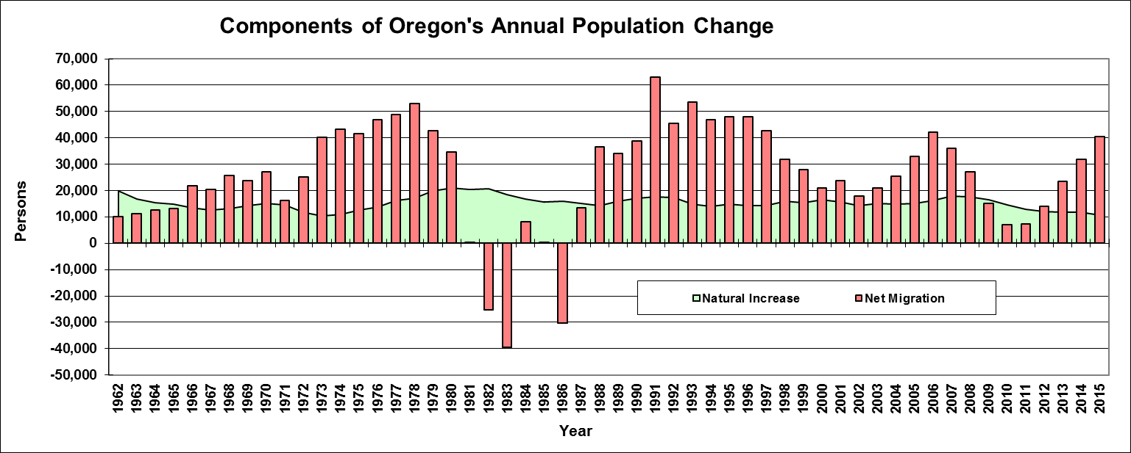
1995-07-01 | 3,182,690 | 62,750 | 42,426 | 27,552 | 14,874 | 47,876
1996-07-01 | 3,245,100 | 62,410 | 43,196 | 28,768 | 14,428 | 47,982
1997-07-01 | 3,302,140 | 57,040 | 43,625 | 29,201 | 14,424 | 42,616
1998-07-01 | 3,350,080 | 47,940 | 44,696 | 28,705 | 15,991 | 31,949
1999-07-01 | 3,393,410 | 43,330 | 45,188 | 29,848 | 15,340 | 27,990
2000-04-01 | 3,421,436 | 28,026 | 33,805 | 21,827 | 11,978 | 16,048
2000-07-01 | 3,431,085 | 9,649 | 11,729 | 7,082 | 4,647 | 5,002
2001-07-01 | 3,470,385 | 39,300 | 45,536 | 29,934 | 15,602 | 23,698
2002-07-01 | 3,502,588 | 32,203 | 44,995 | 30,828 | 14,167 | 18,036
2003-07-01 | 3,538,591 | 36,003 | 45,686 | 30,604 | 15,082 | 20,921
2004-07-01 | 3,578,895 | 40,303 | 45,599 | 30,721 | 14,878 | 25,425
July 1, 2005 | 3,626,938 | 48,043 | 45,892 | 30,717 | 15,175 | 32,868
July 1, 2006 | 3,685,206 | 58,268 | 46,946 | 30,771 | 16,175 | 42,093
2007-07-01 | 3,739,359 | 54,153 | 49,404 | 31,394 | 18,010 | 36,143
2008-07-01 | 3,784,182 | 44,823 | 49,658 | 32,008 | 17,650 | 27,173
2009-07-01 | 3,815,775 | 31,593 | 47,958 | 31,382 | 16,576 | 15,017
2010-04-01 | 3,831,074 | 15,299 | 34,364 | 23,879 | 10,485 | 4,814
July 1, 2010rev | 3,837,300 | 6,226 | 11,892 | 7,814 | 4,078 | 2,148
2011-07-01 | 3,857,625 | 20,325 | 45,381 | 32,437 | 12,944 | 7,381
July 1, 2012* | 3,883,735 | 26,110 | 44,897 | 32,804 | 12,093 | 14,017
July 1, 2013* | 3,919,020 | 35,285 | 44,969 | 33,168 | 11,801 | 23,484
July 1, 2014* | 3,962,710 | 43,690 | 45,447 | 33,731 | 11,716 | 31,974
2015-07-01 | 4,013,845 | 51,135 | 45,997 | 35,455 | 10,541 | 40,594

* Births and/or Deaths, Natural Increase, and Net Migration are revised from last year's report.

Additional Notes:
Estimates for July 1, 2000-July 1, 2009 are revised estimates that incorporate Census 2010 (they
represent the pattern of migration in the originally certified estimates during the decade adjusted
to Census 2010).
For full year July to July population change in a year that includes a decennial Census, add together
population change reported for April and in July of the same year.

