Load Calculations
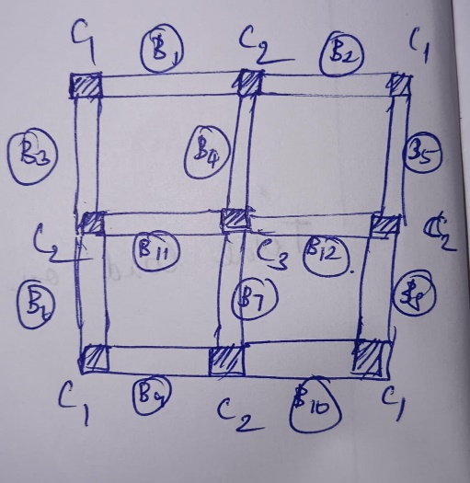
 | LOAD CALCULATIONS FOR (G+2) RESIDENTIAL BUILDING

 | Span Distance | 3 | m
 | Floor to Floor Height | 3 | m
i) | Parapet wall load
 | Thickness of wall | 0.23 | m
 | U.W of Brick | 20 | kN/m3
 | Height of parapet wall | 1.2 | m
 | Total Wall Load | 5.52 | kN/m

ii) | Slab Load
A) | Dead Load
 | U.W of Concrete | 25 | kN/m3
 | Thickness of slab | 0.125 | m
 | Self Weight of Slab | 3.125 | kN/m2
 | Floor Finish load on slab | 1.5 | kN/m2
 | Total Dead Load on Slab | 4.625 | kN/m2

B) | Live Load
 | As per IS:875 - Part 2
 | Live Load on slab | 2 | kN/m2
 | (DL+LL) | 6.625 | kN/m2
 | No.of. Storeys | 3
 | Total Load on Slab | 19.875 | kN/m2
 | Total Factored Load on Slab | 29.8125 | kN/m2

iii) | Beam load
A) | Self Weight of Beam
 | Size of Beam | 0.23 | 0.3 | m
 | U.W of Concrete | 25 | kN/m3
 | No.of. Storeys | 3
 | Self Weight of Beam | 5.175 | kN/m

B) | Wall Load on Beam
 | Thickness of wall | 0.23 | m
 | U.W of Brick | 20 | kN/m3
 | Height of wall | 2.7 | m
 | Total Wall Load | 12.42 | kN/m
 | Total Load on Beam | 52.93 | kN/m
 | Total Factored Load on Beam | 79.391 | kN/m

iv) | Column load
A) | Self Weight of Column
 | Size of Column | 0.23 | 0.3 | m
 | U.W of Concrete | 25 | kN/m3
 | Height(Floor to Floor) | 3 | m
 | No.of. Storeys | 3
 | Self Weight of Column | 15.525 | kN

 | Load on Beam (B1+B2) | 238.174 | Half load from(B1+B2)
 | Load on Beam (B1+B2+B4) | 357.261 | Half load from(B1+B2+B4)
 | Load on Beam (B11+B12+B4+B7) | 476.347 | Half load from(B4+B7+B11+B12)
B) | Total Load on Column
 | Load on Column(C1) | 253.70 | kN
 | Load on Column(C2) | 372.79 | kN
 | Load on Column(C3) | 491.87 | kN

V) | Plinth Beam load
A) | Self Weight of Plinth Beam
 | Size of Plinth Beam | 0.23 | 0.3 | m
 | U.W of Concrete | 25 | kN/m3
 | Self Weight of Beam | 1.725 | kN/m

B) | Wall Load on Plinth Beam
 | Thickness of wall | 0.23 | m
 | U.W of Brick | 20 | kN/m3
 | Height of wall | 2.7 | m
 | Total Wall Load | 12.42 | kN/m
 | Total Load on Plinth Beam | 14.15 | kN/m
 | Total Factored Load on Plinth Beam | 21.218 | kN/m

