Location
จุดติดตั้ง |  |  | _groupName |  | เบรกเกอร์ | ชื่อจุดติดตั้ง |  | สัญญาณเน็ต
0 | => | ' | 1FLC01AIR | ', |  |  | 1FLC01AIR
1 | => | ' | 1FLC01HEATER | ', |  |  | 1FLC01HEATER
2 | => | ' | 1FLC01Lighting | ', |  |  | 1FLC01Lighting
3 | => | ' | 1FLC05Conveyor678 | ', |  |  |  | NET SIM
4 | => | ' | 1FLC05Conveyor910 | ', |  |  |  | NET SIM
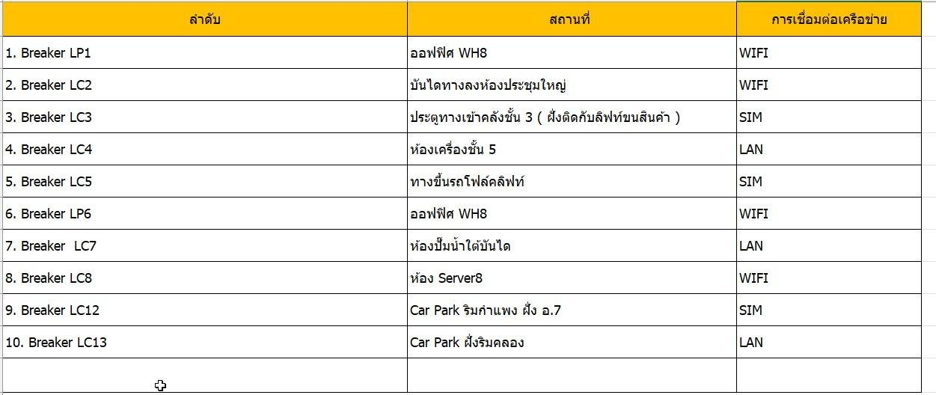
5 | => | ' | 1FLC05Lighting | ', |  |  |  | NET SIM
6 | => | ' | 1FLC05Plug | ', |  |  |  | NET SIM
7 | => | ' | 1FLC06Lighting1 | ', |  |  | 1FLC06Lighting1
8 | => | ' | 1FLC06Lighting2 | ', |  |  | 1FLC06Lighting2
9 | => | ' | 1FLC07Pump1 | ', |  |  | 1FLC07Pump1
10 | => | ' | 1FLC07Pump2 | ', |  |  | 1FLC07Pump2
11 | => | ' | 2FLC02AIR | ', |  |  | 2FLC02AIR
12 | => | ' | 2FLC02Lighting | ', |  |  | 2FLC02Lighting
13 | => | ' | 2FLC02Plug | ', |  |  | 2FLC02Plug
14 | => | ' | 3FLC03Heater | ', |  |  | 3FLC03Heater
15 | => | ' | 3FLC03Lighting | ', |  |  | 3FLC03Lighting
16 | => | ' | 4FMDBAIRVRV | ', |  |  | 4FMDBAIRVRV
17 | => | ' | 4FMDBASRS2 | ', |  |  | 4FMDBASRS2
18 | => | ' | 4FMDBASRS31 | ', |  |  | 4FMDBASRS31
19 | => | ' | 4FMDBMaintenance | ', |  |  | 4FMDBMaintenance
20 | => | ' | 5FLC04Air | ', |  |  | 5FLC04Air
21 | => | ' | 5FLC04Heater | ', |  |  | 5FLC04Heater
22 | => | ' | 5FLC04Lighting | ', |  |  | 5FLC04Lighting
23 | => | ' | 5FLC04Plug | ', |  |  | 5FLC04Plug
24 | => | ' | Building9Plug | ', |  |  |  | NET SIM
25 | => | ' | Parking1LC13Plug | ', |  |  | Parking1LC13Plug
26 | => | ' | Parking7LC12Lighting | ', |  |  | Parking7LC12Lighting
27 | => | ' | ServerRoomLC08AIR | ', |  | เบรกเกอร์แอร์เซิฟเวอร์ อ.8 | ServerRoomLC08AIR
28 | => | ' | ServerRoomLC08Plug | ', |  | เบรกเกอร์ปลั๊กห้องเซิฟเวอร์ อ.8 | ServerRoomLC08Plug

Sheet4
/*SET sql_mode=(SELECT REPLACE(@@sql_mode,'ONLY_FULL_GROUP_BY',''));*/SELECT mqtteioc.data_eioc.id, mqtteioc.data_eioc._groupName, MAX(mqtteioc.data_eioc._terminalTime) AS maxTime,mqtteioc.tb_pf.PowerFactorFROM mqtteioc.data_eiocINNER JOIN mqtteioc.data_eioc AS tb_pf ON (tb_pf.id=mqtteioc.data_eioc.id)WHERE mqtteioc.data_eioc._groupName='ServerRoomLC08AIR' AND DATE_FORMAT(mqtteioc.data_eioc._terminalTime, "%Y-%m-%d")>='2023-02-20' AND DATE_FORMAT(mqtteioc.data_eioc._terminalTime, "%Y-%m-%d")<='2023-02-28'GROUP BY LEFT(mqtteioc.data_eioc._terminalTime,10);

SET sql_mode=(SELECT REPLACE(@@sql_mode,'ONLY_FULL_GROUP_BY',''));SELECT MAX(_terminalTime), _groupName, PowerFactor, Watt_Sum, Today_KWH, Yesterday_KWH, ThisMonth_KWH, LastMonth_KWH, KWH_Sum FROM mqtteioc.data_eioc WHERE DATE_FORMAT(_terminalTime, "%Y-%m-%d")='2023-03-01' GROUP BY mqtteioc.data_eioc._groupName ORDER BY mqtteioc.data_eioc._groupName ASC;

