Pentominos
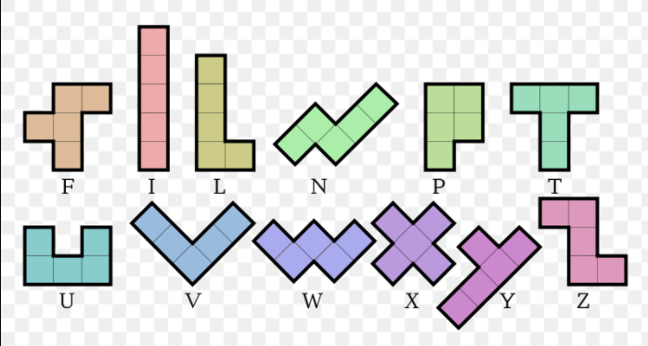

CLEAR

SOLVE

CLEAR
no | no
no | no
SOLVE

CLEAR

SOLVE

CLEAR

SOLVE

sgiq
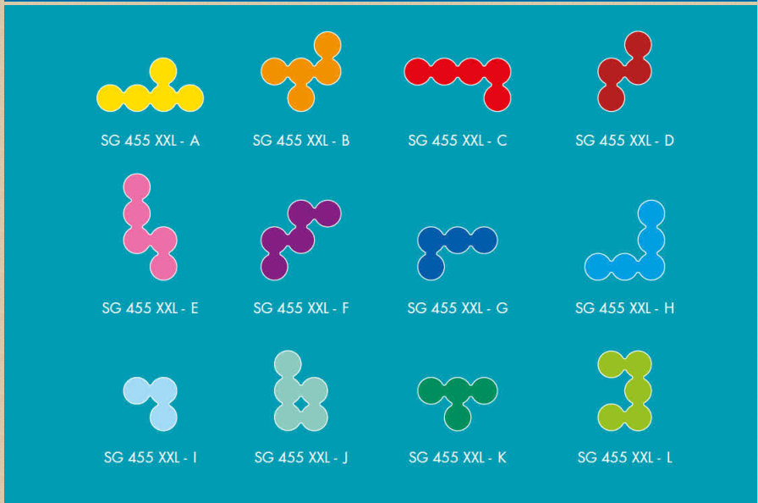

CLEAR

SOLVE

CLEAR

no |  |  |  | no | no | no | no
 |  |  |  | no | no | no | no
 |  |  |  |  |  | no | no
 |  |  |  |  |  | no | no
SOLVE
no | no
no | no
no | no | no | no
no | no | no | no |  |  |  | no

CLEAR
CLEAR

