Author
JAMES SILVA GARCIA
sosdar2025@outlook.com
https://github.com/sosdar2025/StatsInExcel/blob/main/www/sosdar-StatsInExcel-BinomialTestPowerSimulation.xlsm
https://youtu.be/4C4vdQESdpM

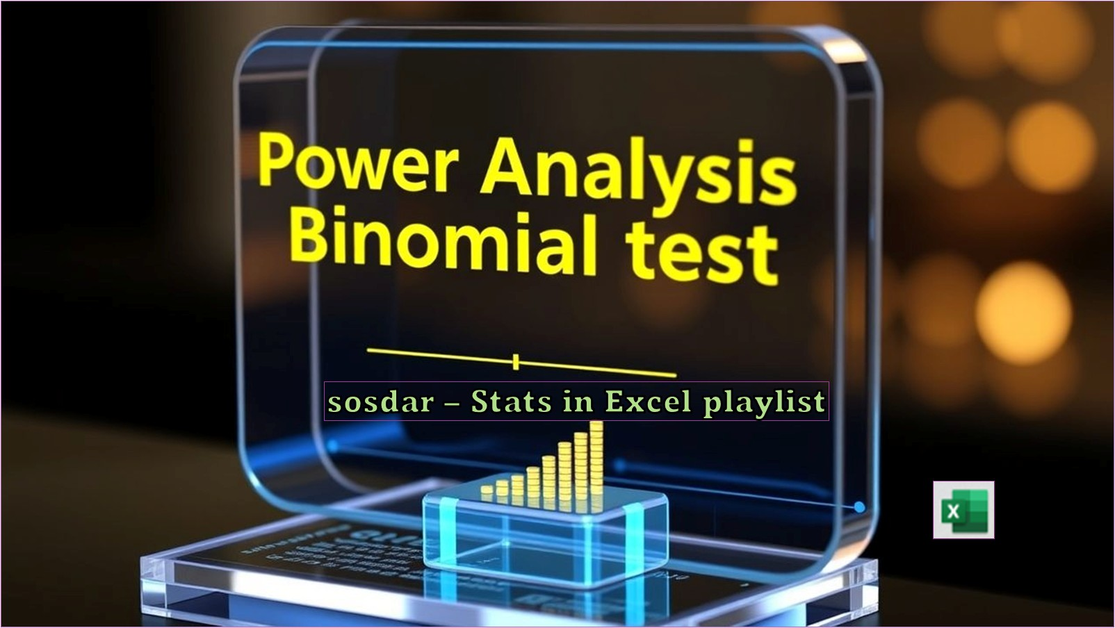

btps

Rcode
sosdarFxBinomialTestPowerSim = function(NSIM=10000, SAMPLESIZE=1000, ALPHA=0.05, PROPORTION=0.50, EFFECTSIZE=0.05, SEED=4642) {
set.seed(SEED)
pValue = replicate(NSIM, {
Outcome = rbinom(1, size=SAMPLESIZE, prob=PROPORTION+EFFECTSIZE)
binom.test(Outcome, n=SAMPLESIZE, p=PROPORTION)$p.value
})
SimulatedPower = mean(pValue < ALPHA)
message("Number of simulations: ", NSIM, "\n",
"Sample size: ", SAMPLESIZE, "\n",
"Significance level: ", ALPHA, "\n",
"Hypothetical proportion: ", round(PROPORTION,4), "\n",
"Effect size: ", EFFECTSIZE, "% (or ", round(PROPORTION,4), " vs ", round(PROPORTION+EFFECTSIZE,4), ")\n",
"Random numbers seed: ", SEED, "\n",
"Simulated power: ", SimulatedPower)
return(SimulatedPower)
}
# Rolling a 6
sosdarFxBinomialTestPowerSim(SAMPLESIZE=200, EFFECTSIZE=-0.03, PROPORTION=1/6)
sosdarFxBinomialTestPowerSim(SAMPLESIZE=200, EFFECTSIZE=0.03, PROPORTION=1/6)
# Not rolling a 6
sosdarFxBinomialTestPowerSim(SAMPLESIZE=200, EFFECTSIZE=-0.03, PROPORTION=5/6)
sosdarFxBinomialTestPowerSim(SAMPLESIZE=200, EFFECTSIZE=0.03, PROPORTION=5/6)
# Rolling a pair
sosdarFxBinomialTestPowerSim(SAMPLESIZE=200, EFFECTSIZE=-0.03, PROPORTION=0.5)
sosdarFxBinomialTestPowerSim(SAMPLESIZE=200, EFFECTSIZE=0.03, PROPORTION=0.5)

