Author
JAMES SILVA GARCIA
sosdar2025@outlook.com
https://github.com/sosdar2025/StatsInExcel/blob/main/www/sosdar-StatsInExcel-DELsTAndardization.xls
https://youtu.be/o6-8Fpar9os


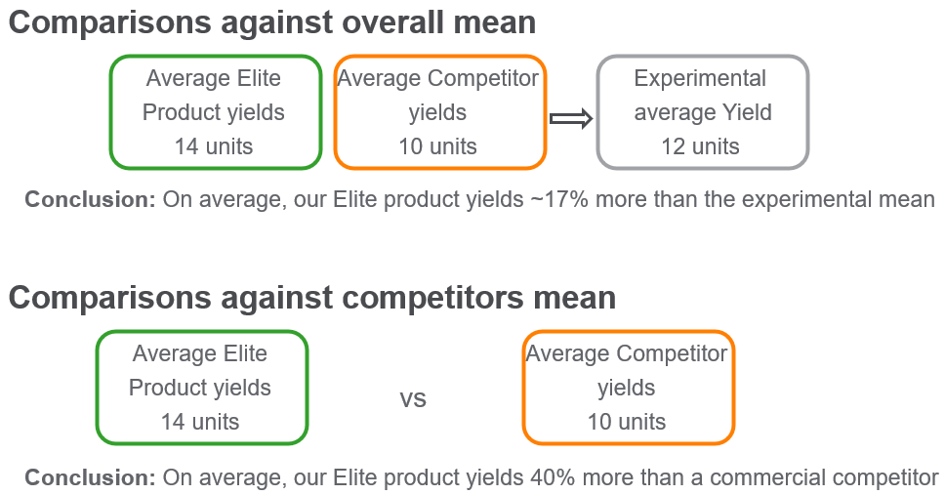

D

IntroductoryIdeas
$$d_{i,n}=\frac{y_{i}−{\overline{y}}_{[−i]}}{{\overline{y}}_{[−i]}} for i=1, 2, …, n$$
$$d_{n} \underset{→}{𝒟} Normal\left(0, \frac{σ^{2}}{μ^{2}}\right) as n→∞$$
Men's height data simulation
Mean = | 178 | ← | https://www.cdc.gov/brfss/annual_data/annual_2022.html
Std. Dev = | 8.06
N = | 2
$${\overline{y}}_{[−i]}:estimated mean value, after excluding entry i$$
CV: σ/µ = | 0.045
$$d_{i}=\frac{y_{i}}{{\overline{y}}_{[−i]}}−1= \frac{n^{∗}}{Y_{•}^{∗}}y_{i}−1$$
$$n^{∗}:sample size, after exclusion of entry i$$
$$Y_{•}^{∗}:total sum, after exclusion of entry i$$
Mean → | 182.345 | 182.345 | 0.000 | 182.383 | 0.000 | 0.000
Std.Dev→ | 2.648 | 2.648 | 0.029 | 5.297 | 1.000 | 1.000
$${\overline{y}}_{[−i]}$$
ID | Ht |  | d | adjHt | dZscore | HtZscore
1 | 180.47 | 184.22 | -0.020 | 178.64 | -0.707 | -0.707
2 | 184.22 | 180.47 | 0.021 | 186.13 | 0.707 | 0.707
...

IrisData
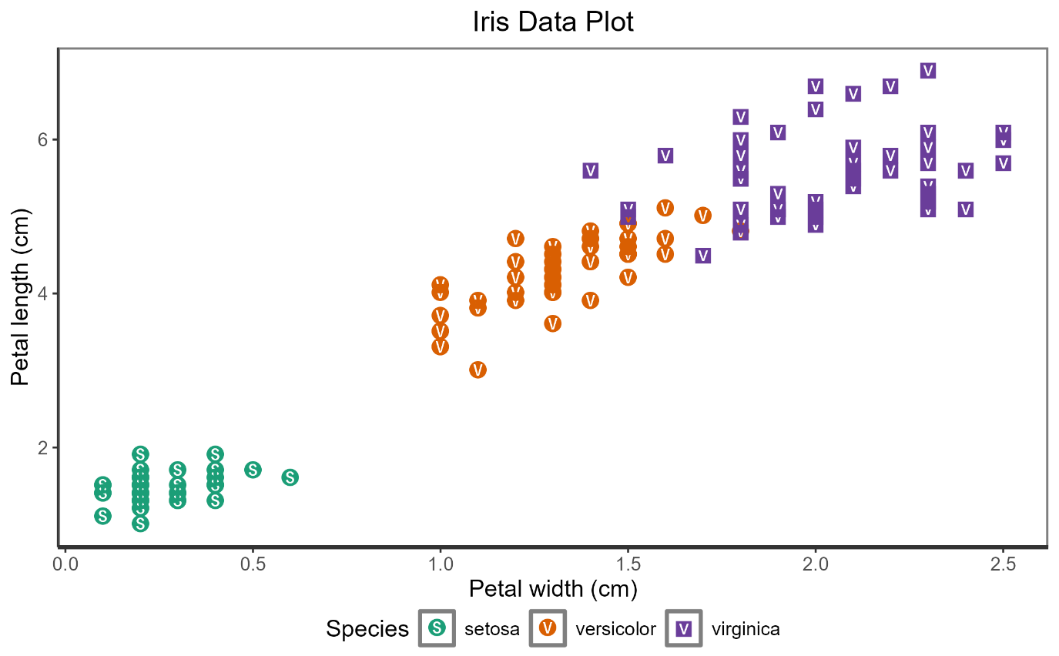

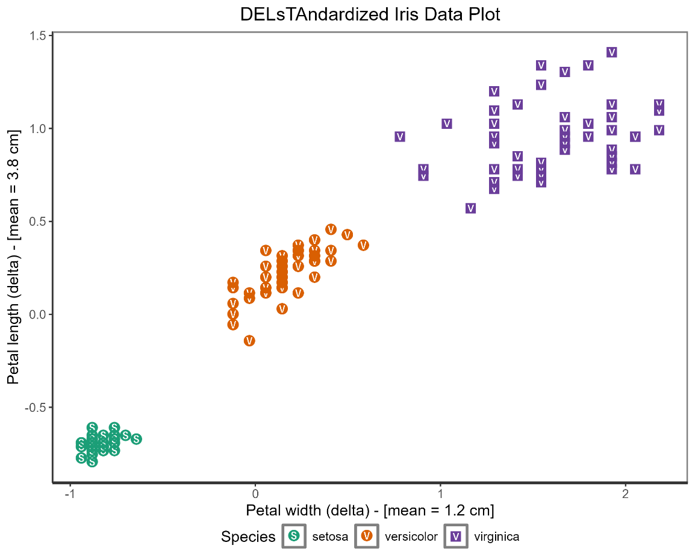

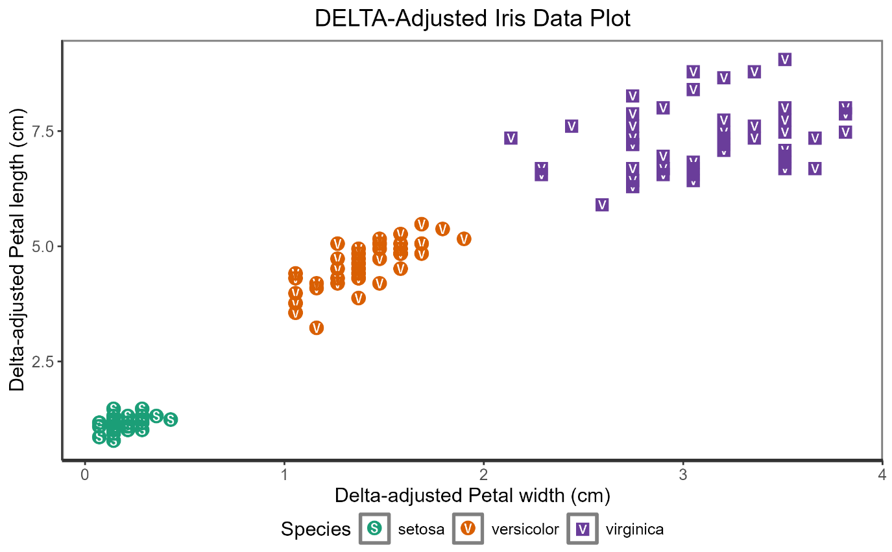

library(dplyr)
library(purrr)
#####-sosdarFxDELsTAndardize---------------------------------------------------------------------------------------------------#####
#----------------------------------------------------------------------------------------------------------------------------------#
sosdarFxDELsTAndardize = function(YARRAY, IDARRAY){
sapply(-1:-length(YARRAY), function(x) {
currentY = YARRAY[-x]
currentID = IDARRAY[-x]
idkept = IDARRAY[IDARRAY!=currentID]
keptY = YARRAY[IDARRAY %in% idkept]
keptYmean = mean(keptY,na.rm=T)
(currentY - keptYmean)/keptYmean
})
}
#----------------------------------------------------------------------------------------------------------------------------------#
#####-sosdarFxGetDeltaColumn---------------------------------------------------------------------------------------------------#####
#----------------------------------------------------------------------------------------------------------------------------------#
# Use GROUPBY = "GroupVar" for single variable grouping
# or GROUPBY = c("GroupVar1", "GroupVar2", ..., "GroupVarN") for more than one grouping variable
sosdarFxGetDeltaColumn = function(DATA, ADDCOLUMN, GROUPBY=NULL, YVALUES, IDVALUES){
# IDVALUES = "Species"
newColName = paste(ADDCOLUMN, round(mean(DATA[[YVALUES]], na.rm=T),1), sep="_")
if (is.null(GROUPBY)) {
DATA[[newColName]] = sosdarFxDELsTAndardize(YARRAY = DATA[[YVALUES]], IDARRAY = DATA[[IDVALUES]])
} else {
DATA[[newColName]] = DATA %>%
group_by(across(all_of(GROUPBY))) %>%
group_map(~ sosdarFxDELsTAndardize(YARRAY = .x[[YVALUES]], IDARRAY = .x[[IDVALUES]])) %>%
unlist()
}
return(DATA)
}
#----------------------------------------------------------------------------------------------------------------------------------#
pdIris = sosdarFxGetDeltaColumn(DATA = iris,
ADDCOLUMN = "PetalLengthPD",
GROUPBY = NULL,
YVALUES = "Petal.Length",
IDVALUES = "Species")
pdIris = sosdarFxGetDeltaColumn(DATA = pdIris,
ADDCOLUMN = "PetalWidthPD",
GROUPBY = NULL,
YVALUES = "Petal.Width",
IDVALUES = "Species")
my_theme = theme_classic() +
theme(axis.line.x=element_line(color="gray20", linewidth=1.0),
axis.line.y=element_line(color="gray20", linewidth=0.5),
panel.grid.major.x=element_blank(),
panel.grid.minor=element_blank(),
panel.border=element_rect(colour="gray50",fill=NA,linewidth=1.0),
panel.background = element_rect(colour = "gray50", linewidth=1.0),
text=element_text(size=12),
plot.title=element_text(hjust=0.5),
plot.subtitle=element_text(hjust=0.5),
legend.box.spacing=unit(0, "pt"),
legend.margin=margin(5,0,0,0),
legend.spacing.x = unit(0.025,"cm"),
legend.box="vertical",
legend.spacing.y = unit(0,"cm"),
legend.position="bottom")
irisPlot = ggplot(data=pdIris, aes(y=Petal.Length, x=Petal.Width)) +
geom_point(aes(color=Species, shape=Species), size=3) +
scale_color_manual(values=c("#1B9E77","#D95F02","#6A3D9A")) +
scale_shape_manual(values=-c(127330,127333,127365)) +
labs(title = "Iris Data Plot",
y = "Petal length (cm)",
x = "Petal width (cm)") +
my_theme
ggsave("irisPlot.png", irisPlot, width=7.5, height=7.5/1.618, units="in")
# colnames(pdIris)
irisPlotPD = ggplot(data=pdIris, aes(y=PetalLengthPD_3.8, x=PetalWidthPD_1.2)) +
geom_point(aes(color=Species, shape=Species), size=3) +
scale_color_manual(values=c("#1B9E77","#D95F02","#6A3D9A")) +
scale_shape_manual(values=-c(127330,127333,127365)) +
labs(title = "DELsTAndardized Iris Data Plot",
y = "Petal length (delta) - [mean = 3.8 cm]",
x = "Petal width (delta) - [mean = 1.2 cm]") +
my_theme +
coord_fixed(ratio=1)
ggsave("irisPlotPD.png", irisPlotPD, width=7.5, height=7.5, units="in")
plMean = mean(pdIris$Petal.Length)
pwMean = mean(pdIris$Petal.Width)
pdIris = pdIris %>%
mutate(adjPetalLength = plMean*(1+PetalLengthPD_3.8),
adjPetalWidth = pwMean*(1+PetalWidthPD_1.2))
adjIrisPlot = ggplot(data=pdIris, aes(y=adjPetalLength, x=adjPetalWidth)) +
geom_point(aes(color=Species, shape=Species), size=3) +
scale_color_manual(values=c("#1B9E77","#D95F02","#6A3D9A")) +
scale_shape_manual(values=-c(127330,127333,127365)) +
labs(title = "DELTA-Adjusted Iris Data Plot",
y = "Delta-adjusted Petal length (cm)",
x = "Delta-adjusted Petal width (cm)") +
my_theme
ggsave("adjIrisPlot.png", adjIrisPlot, width=7.5, height=7.5/1.618, units="in")

