C01 Mapping
C-01 — Concern-to-Label Mapping
C-01 interprets Privacy, Data Protection & Confidentiality as rights, controls and safeguards governing personal or sensitive information, including secrecy, anonymity, collection and lawful processing. Practical implementation is consolidated. |  |  |  | Relevance / Semantic fit and Clarity

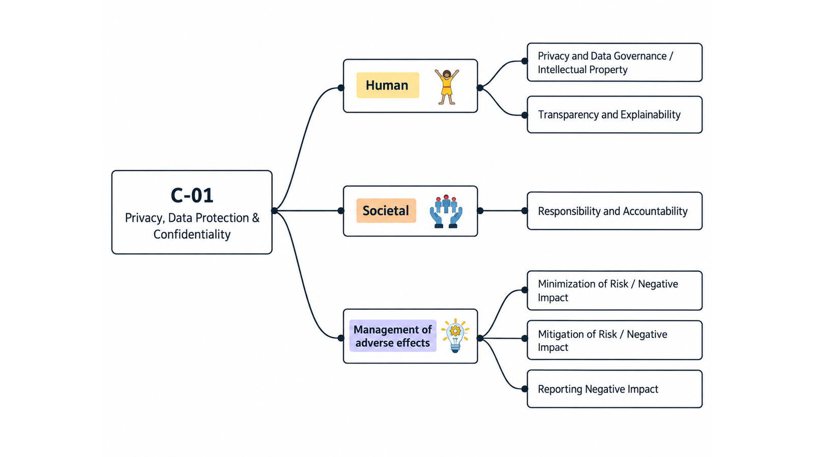
ID | Concern Class | Definition / Scope | Primary Concerns | Question ID | Question | Validation Status | Expert additional comments
C-01 | Privacy, Data Protection & Confidentiality | Rights, controls and safeguards governing personal or sensitive information, including secrecy, anonymity, collection and lawful processing. | Privacy; Data Protection; Anonymity; Confidentiality; User Data Collection | QC1 | The definition and scope appropriately delimit this concern cluster. | Pending expert validation
 |  |  |  | QC2 | The mapping to the selected ethics-label card(s) and characteristic(s) is semantically appropriate. | Pending expert validation
 |  |  |  | QC3 | Using the ethics-label cards and characteristics as a classification mechanism provides a coherent way to organize the concern clusters. | Pending expert validation
 |  |  |  | QC4 | The concerns included in this cluster are conceptually coherent and appropriately grouped together. | Pending expert validation

C-01 — Simplified Operational Catalogue
It is presented six minimum necessary and sufficient recommendation actions. Each action states the outcome to achieve; artifacts are possible evidence, not mandatory formats. Likewise, the SDLC phases and roles are merely suggestions; nothing is set in stone—they serve simply as a guide to be adapted to the company's context.
Know → Protect → Inform → Assess → Verify → Respond |  |  |  |  |  |  | Practical Applicability

Action ID | Cycle | Practical Action | Concerns Covered | Possible Evidence / Artifact | SDLC Phase(s) | Possible Responsible Role(s) | Question ID | Question | Validation Status | Expert observations
C01-A1 | Know | Identify and document the personal data processed by the system, its purpose, source, use, sharing and retention, and assign responsibility for its handling. | Privacy; Data Protection; User Data Collection | Personal-data inventory or data-flow map; privacy requirements or processing record | Requirements; Design | Product/Service Owner; Privacy or Data Owner; Architecture/Engineering | QC5 | Taken together, the proposed actions adequately cover the main concerns represented by this cluster. | Pending expert validation
C01-A2 | Protect | Apply privacy by design and proportionate safeguards: minimise data collection and retention, restrict access, protect sensitive data, and use de-identification where identity is unnecessary. | Privacy; Data Protection; Anonymity; Confidentiality | Privacy/security control record or annotated architecture/data-flow; configuration or test evidence | Design; Implementation | Architecture/Engineering; Security/Privacy; Data Engineering | QC6 | The proposed possible evidence/artifacts are plausible and sufficiently flexible for use across different organizations. | Pending expert validation
C01-A3 | Inform | Clearly inform users about relevant data practices and provide applicable privacy choices and rights through understandable and accessible controls. | Privacy; User Data Collection | Privacy notice; implemented consent/preferences/rights interface or workflow where applicable | Requirements; Design; Implementation | Product/Privacy; UX/Content; Engineering | QC7 | The proposed possible SDLC phases are plausible and sufficiently flexible for use across different organizations. | Pending expert validation
C01-A4 | Assess | Assess material privacy risks—including data sharing and third parties—and define appropriate treatment before release and when processing materially changes. Use a DPIA where required or appropriate for high-risk processing. | Privacy; Data Protection | Privacy risk assessment; DPIA (Data Protection Impact Assessment - a process definied in the GDPR) where applicable; third-party or risk-treatment record where relevant | Requirements; Design; Pre-release; Change Management | Product/Privacy; Architecture/Security; Legal/Compliance where applicable | QC8 | The proposed possible responsible roles are plausible and sufficiently flexible for use across different organizations. | Pending expert validation
C01-A5 | Verify | Before release and after material changes, verify that privacy controls work and that user-facing disclosures match the system's actual data practices. | Privacy; Data Protection; Confidentiality; User Data Collection | Privacy verification checklist or test record; disclosure-to-data-flow verification record | Verification; Release; Change Management | QA/Engineering; Privacy/Security; Product or Data Owner
C01-A6 | Respond | Monitor for relevant privacy incidents and maintain a process to contain, remediate, document and, where required, report them and learn from them. | Privacy; Data Protection; Confidentiality | Privacy incident-response procedure; monitoring or incident record when applicable; post-incident review when an incident occurs | Operations; Maintenance; Incident Response; Recovery | Operations/Security; Privacy/Legal where applicable; Product/Support

C02 Mapping
C-02 — Concern-to-Label Mapping
C-02 interprets Speech Issues as freedom-of-expression and content-governance concerns, not speech-recognition or accessibility. Practical implementation is consolidated. |  |  |  | Relevance / Semantic fit and Clarity

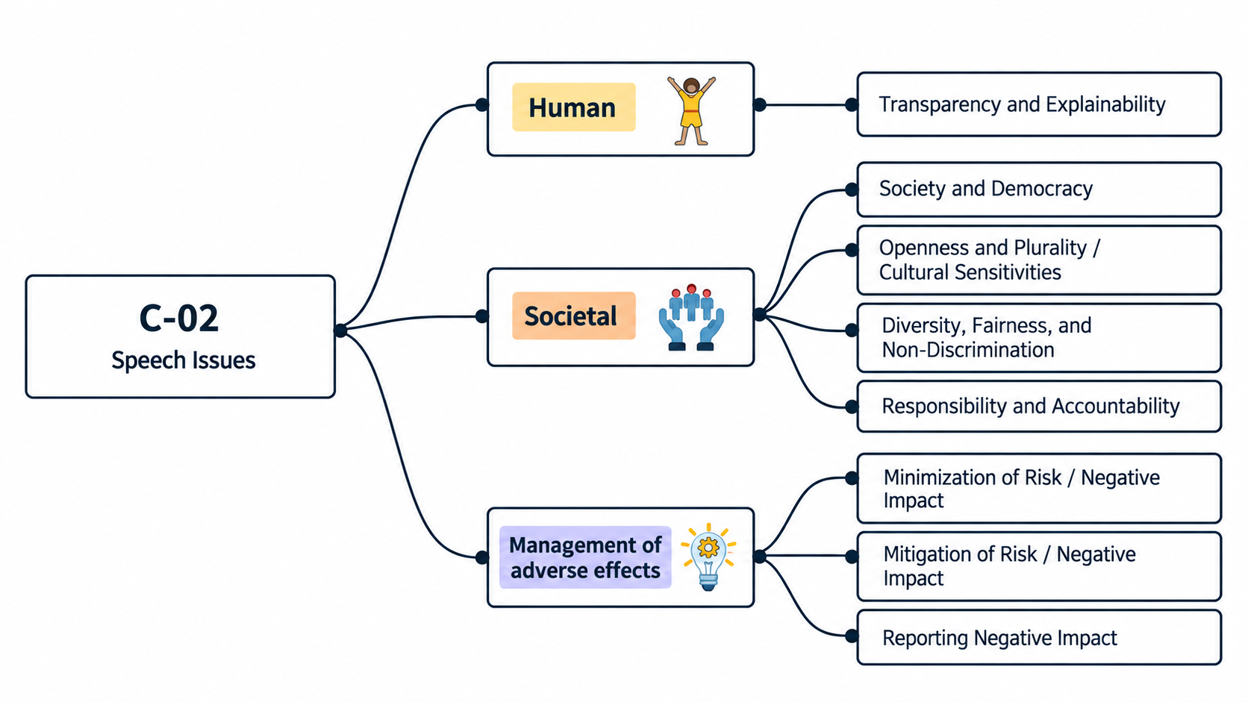
ID | Concern Class | Definition / Scope | Primary Concerns | Question ID | Question | Validation Status | Expert additional comments
C-02 | Speech Issues | Concerns about how digital systems enable, restrict, rank, moderate, suppress, amplify, or otherwise shape the ability to seek, receive, and impart information and ideas, including effects on freedom of expression, civic discourse, media plurality, and culturally/language-sensitive expression. | Speech Issues | QC1 | The definition and scope appropriately delimit this concern cluster. | Pending expert validation
 |  |  |  | QC2 | The mapping to the selected ethics-label card(s) and characteristic(s) is semantically appropriate. | Pending expert validation
 |  |  |  | QC3 | Using the ethics-label cards and characteristics as a classification mechanism provides a coherent way to organize the concern clusters. | Pending expert validation
 |  |  |  | QC4 | The concerns included in this cluster are conceptually coherent and appropriately grouped together. | Pending expert validation

C-02 — Simplified Operational Catalogue
It is presented six minimum necessary and sufficient recommendation actions. Each action states the outcome to achieve; artifacts are possible evidence, not mandatory formats. Likewise, the SDLC phases and roles are merely suggestions; nothing is set in stone—they serve simply as a guide to be adapted to the company's context.
Know → Protect → Inform → Assess → Verify → Respond |  |  |  |  |  |  | Practical Applicability

Action ID | Cycle | Practical Action | Concerns Covered | Possible Evidence / Artifact | SDLC Phase(s) | Possible Responsible Role(s) | Question ID | Question | Validation Status | Expert observations
C02-A1 | Know | Identify and document how the system may enable, rank, amplify, restrict or remove expression; establish the applicable content rules, legitimate grounds and proportionality criteria for interventions, and assign decision ownership. | Speech Issues | Speech-governance requirements or product-mechanism inventory; content-policy record | Discovery; Requirements; Governance | Product/Service Owner; Trust & Safety or Policy; Legal/Human Rights; Architecture/Engineering | QC5 | Taken together, the proposed actions adequately cover the main concerns represented by this cluster. | Pending expert validation
C02-A2 | Protect | Implement proportionate and context-appropriate content-governance controls, favouring the least intrusive effective intervention and providing qualified human review or safe rollback where automated or high-impact decisions require it. | Speech Issues | Content-governance control record or annotated system/policy design; implemented review or rollback control where applicable | Design; Implementation | Trust & Safety/Policy; Engineering or ML; UX/Localization; Legal/Human Rights where applicable | QC6 | The proposed possible evidence/artifacts are plausible and sufficiently flexible for use across different organizations. | Pending expert validation
C02-A3 | Inform | Clearly communicate content rules and, when content or accounts are restricted or materially downranked, provide an understandable reason, the relevant rule or legal basis, the material role of automation and available appeal or redress. | Speech Issues | Published content rules; implemented decision notice and appeal/redress interface or workflow | Requirements; Design; Implementation; Operations | Product/Policy; UX/Content; Engineering; Trust & Safety or User Support | QC7 | The proposed possible SDLC phases are plausible and sufficiently flexible for use across different organizations. | Pending expert validation
C02-A4 | Assess | Before release and after material changes, assess reasonably foreseeable impacts on freedom of expression, access to information and pluralism, including over-restriction, under-enforcement or amplification and relevant civic, linguistic, cultural or group-specific risks. | Speech Issues | Speech/content-governance risk assessment; human-rights or systemic-risk assessment where applicable | Requirements; Design; Pre-release; Change Management | Product/Policy/Risk; Legal/Human Rights; Engineering or ML; QA/Responsible AI | QC8 | The proposed possible responsible roles are plausible and sufficiently flexible for use across different organizations. | Pending expert validation
C02-A5 | Verify | Before release and in operation, test and monitor moderation and ranking outcomes for accuracy, over- and under-enforcement and material disparities across relevant languages, regions or groups; investigate significant deviations and reverify after changes. | Speech Issues | Speech-governance evaluation or monitoring record; appeal/reversal and error analysis where relevant | Verification; Release; Operations; Change Management | QA/Data/Responsible AI; Trust & Safety; Engineering or ML; Localization where relevant
C02-A6 | Respond | Provide accessible appeal and escalation mechanisms; correct or restore erroneous restrictions, roll back harmful changes, document outcomes, report material or systemic impacts where applicable, and use lessons learned to improve policies, models and tests. | Speech Issues | Appeal/remediation record; incident or corrective-action record; transparency or impact report where applicable | Operations; Maintenance; Appeals/Redress; Incident Response; Continuous Improvement | Trust & Safety/User Support; Legal/Human Rights; Engineering/Operations; Product/Policy

C03 Mapping
C-03 — Concern-to-Label Mapping
C-03 interprets Axiology as a meta-level ethical concern about how values are identified, prioritized and balanced in software and system design decisions. Practical implementation is consolidated. |  |  |  | Relevance / Semantic fit and Clarity

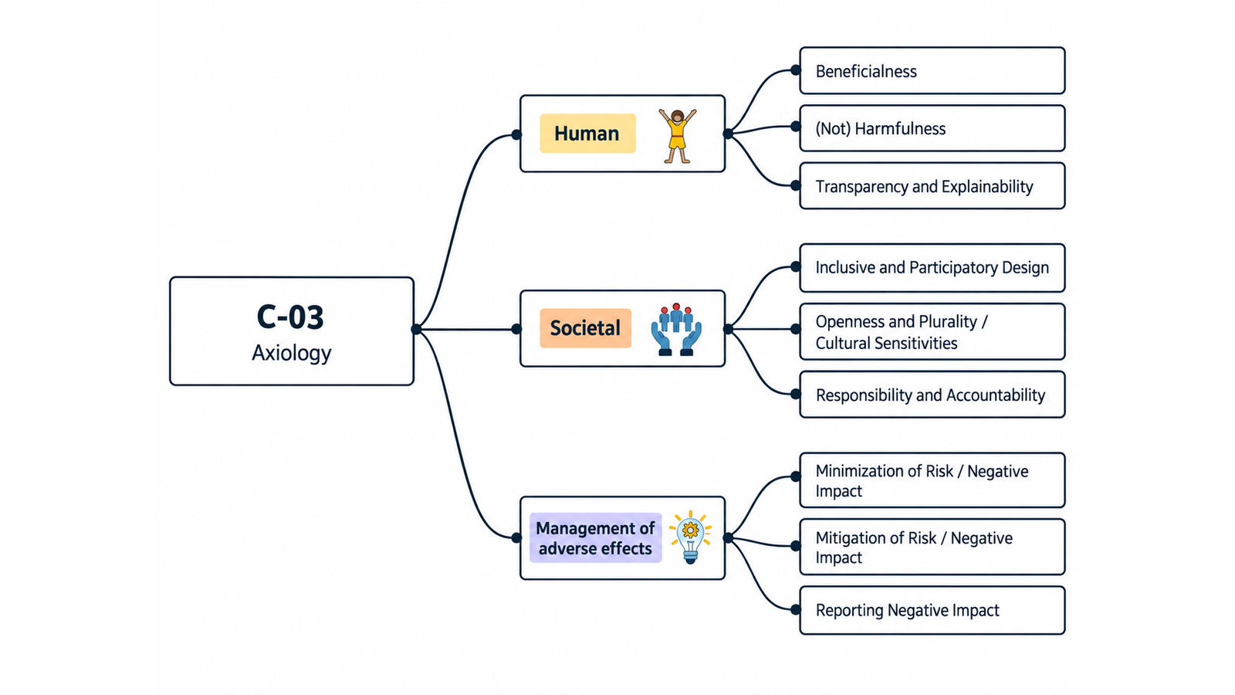
ID | Concern Class | Definition / Scope | Primary Concerns | Question ID | Question | Validation Status | Expert additional comments
C-03 | Axiology | A meta-level ethical concern concerned with what is valuable, good, bad, better or worse, how values should be identified and prioritized, and how competing or incommensurable values should inform software and system design decisions. | Axiology | QC1 | The definition and scope appropriately delimit this concern cluster. | Pending expert validation
 |  |  |  | QC2 | The mapping to the selected ethics-label card(s) and characteristic(s) is semantically appropriate. | Pending expert validation
 |  |  |  | QC3 | Using the ethics-label cards and characteristics as a classification mechanism provides a coherent way to organize the concern clusters. | Pending expert validation
 |  |  |  | QC4 | The concerns included in this cluster are conceptually coherent and appropriately grouped together. | Pending expert validation

C-03 — Simplified Operational Catalogue
It is presented six minimum necessary and sufficient recommendation actions. Each action states the outcome to achieve; artifacts are possible evidence, not mandatory formats. Likewise, the SDLC phases and roles are merely suggestions; nothing is set in stone—they serve simply as a guide to be adapted to the company's context.
Know → Protect → Inform → Assess → Verify → Respond |  |  |  |  |  |  | Practical Applicability

Action ID | Cycle | Practical Action | Concerns Covered | Possible Evidence / Artifact | SDLC Phase(s) | Possible Responsible Role(s) | Question ID | Question | Validation Status | Expert observations
C03-A1 | Know | Identify affected stakeholders, the values at stake, claimed benefits and harms, and material value tensions for the intended context. | Axiology | Stakeholder/value register or annotated requirements | Discovery; Requirements | Product; UX/Research; Ethics/Responsible Technology | QC5 | Taken together, the proposed actions adequately cover the main concerns represented by this cluster. | Pending expert validation
C03-A2 | Protect | Translate prioritized values and accepted trade-offs into implementable requirements, safeguards and accountable design decisions. | Axiology | Value-based requirements and decision record | Requirements; Design; Implementation | Product; Architecture; Engineering; Ethics/Responsible Technology | QC6 | The proposed possible evidence/artifacts are plausible and sufficiently flexible for use across different organizations. | Pending expert validation
C03-A3 | Inform | Communicate material value assumptions, intended beneficiaries, limitations and unresolved trade-offs to relevant stakeholders. | Axiology | Value/trade-off disclosure in product or project documentation | Design; Release | Product; UX/Content; Governance | QC7 | The proposed possible SDLC phases are plausible and sufficiently flexible for use across different organizations. | Pending expert validation
C03-A4 | Assess | Before release and after material changes, assess whether expected benefits, harms and value conflicts are acceptable, involving affected groups where their perspectives may alter the decision. | Axiology | Ethical/value impact assessment | Requirements; Design; Change | Product; Risk; UX/Research; Ethics/Responsible Technology | QC8 | The proposed possible responsible roles are plausible and sufficiently flexible for use across different organizations. | Pending expert validation
C03-A5 | Verify | Verify that implemented behavior and available evidence satisfy the prioritized value requirements and do not contradict the stated value claims. | Axiology | Value-requirement verification record | Verification; Release | QA/Assurance; Product; Ethics/Responsible Technology
C03-A6 | Respond | Monitor material value outcomes and stakeholder feedback, and revise requirements, safeguards or claims when new harms or value tensions emerge. | Axiology | Feedback/issue record and remediation decision | Operations; Maintenance | Product; Support; Risk; Ethics/Responsible Technology

