C04 Mapping
C-04 — Concern-to-Label Mapping
C-04 interprets Reliability, Dependability & Resilience as concerns about dependable service, operation under adverse conditions, fault tolerance, recovery and adaptation. Practical implementation is consolidated. |  |  |  | Relevance / Semantic fit and Clarity

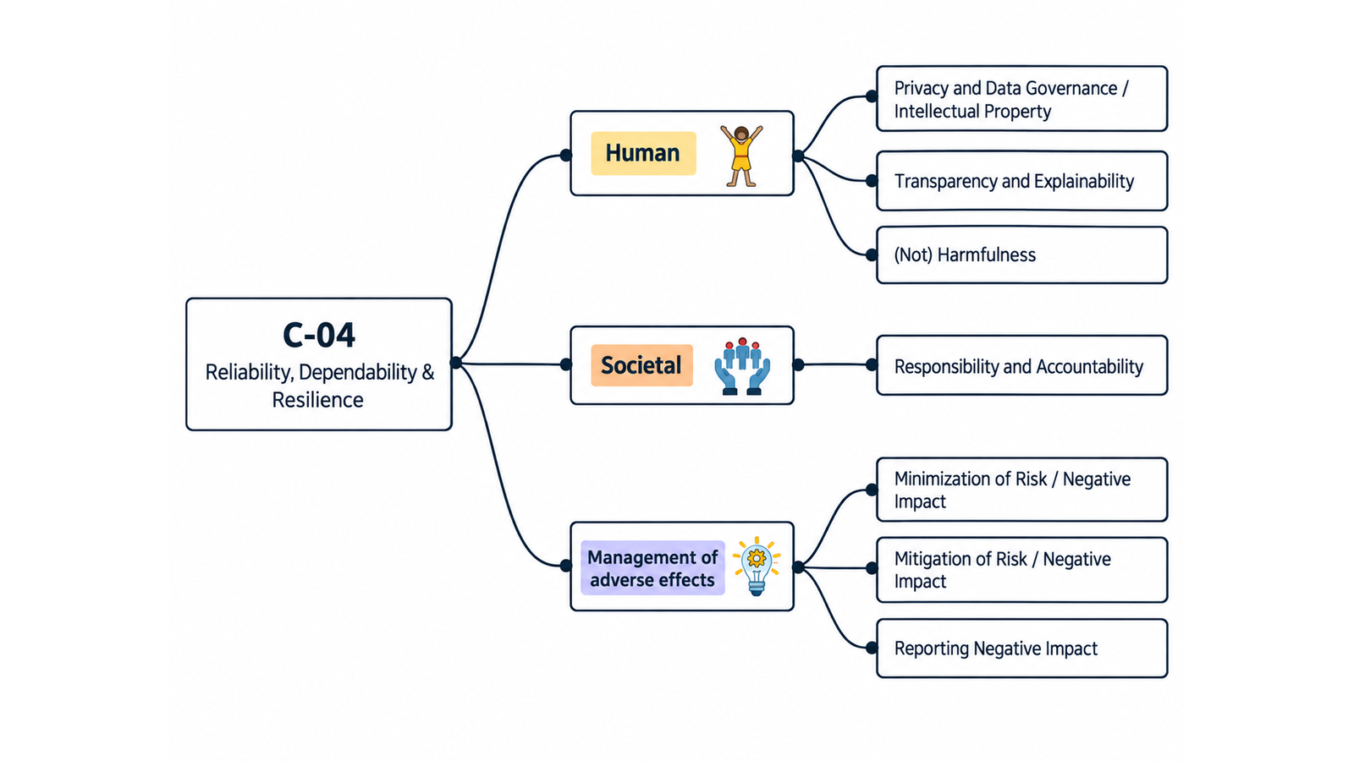
ID | Concern Class | Definition / Scope | Primary Concerns | Question ID | Question | Validation Status | Expert additional comments
C-04 | Reliability, Dependability & Resilience | The ability of a digital system to deliver correct and dependable service over time, maintain acceptable operation under expected and adverse conditions, tolerate or contain faults, and recover or adapt after disruptions. The class covers reliability as continuity of correct service, dependability as the broader umbrella that includes attributes such as reliability/availability/safety/integrity/maintainability, and resilience as the ability to withstand, recover from, and adapt to adverse conditions. | Reliability; Dependability; Resilience | QC1 | The definition and scope appropriately delimit this concern cluster. | Pending expert validation
 |  |  |  | QC2 | The mapping to the selected ethics-label card(s) and characteristic(s) is semantically appropriate. | Pending expert validation
 |  |  |  | QC3 | Using the ethics-label cards and characteristics as a classification mechanism provides a coherent way to organize the concern clusters. | Pending expert validation
 |  |  |  | QC4 | The concerns included in this cluster are conceptually coherent and appropriately grouped together. | Pending expert validation

C-04 — Simplified Operational Catalogue
It is presented six minimum necessary and sufficient recommendation actions. Each action states the outcome to achieve; artifacts are possible evidence, not mandatory formats. Likewise, the SDLC phases and roles are merely suggestions; nothing is set in stone—they serve simply as a guide to be adapted to the company's context.
Know → Protect → Inform → Assess → Verify → Respond |  |  |  |  |  |  | Practical Applicability

Action ID | Cycle | Practical Action | Concerns Covered | Possible Evidence / Artifact | SDLC Phase(s) | Possible Responsible Role(s) | Question ID | Question | Validation Status | Expert observations
C04-A1 | Know | Identify critical services, dependencies, operating conditions, reliability objectives and foreseeable failure modes. | Reliability; Dependability; Resilience | Service/dependency map with reliability objectives | Requirements; Architecture | Product; Architecture; Operations/SRE | QC5 | Taken together, the proposed actions adequately cover the main concerns represented by this cluster. | Pending expert validation
C04-A2 | Protect | Implement proportionate fault prevention, containment, graceful degradation, recovery and redundancy controls for critical functions. | Reliability; Dependability; Resilience | Resilience architecture/control record | Design; Implementation | Architecture; Engineering; Operations/SRE | QC6 | The proposed possible evidence/artifacts are plausible and sufficiently flexible for use across different organizations. | Pending expert validation
C04-A3 | Inform | Communicate service expectations, material limitations, degraded modes and available fallback or recovery options to users and operators. | Reliability; Dependability; Resilience | Service expectations and incident/degradation communication | Design; Release; Operations | Product; Operations/SRE; Support | QC7 | The proposed possible SDLC phases are plausible and sufficiently flexible for use across different organizations. | Pending expert validation
C04-A4 | Assess | Assess reliability and resilience risks under intended, adverse and foreseeable use before release and after material architectural or workload changes. | Reliability; Dependability; Resilience | Reliability/resilience risk assessment | Architecture; Pre-release; Change | Architecture; Risk; Operations/SRE; QA | QC8 | The proposed possible responsible roles are plausible and sufficiently flexible for use across different organizations. | Pending expert validation
C04-A5 | Verify | Test critical failure and recovery behavior, monitor agreed reliability indicators, and confirm releases do not exceed accepted reliability risk. | Reliability; Dependability; Resilience | Reliability test/monitoring record | Verification; Release; Operations | QA; Operations/SRE; Engineering
C04-A6 | Respond | Detect and contain service failures, restore acceptable operation, document material incidents and use post-incident learning to prevent recurrence. | Reliability; Dependability; Resilience | Incident record and corrective-action/postmortem record | Operations; Maintenance | Operations/SRE; Engineering; Support

C05 Mapping
C-05 — Concern-to-Label Mapping
C-05 interprets Context, Individual Differences & Conflict of Interest as concerns about differences among people, the conditions in which systems are used, and competing interests that may affect decisions. Practical implementation is consolidated. |  |  |  | Relevance / Semantic fit and Clarity

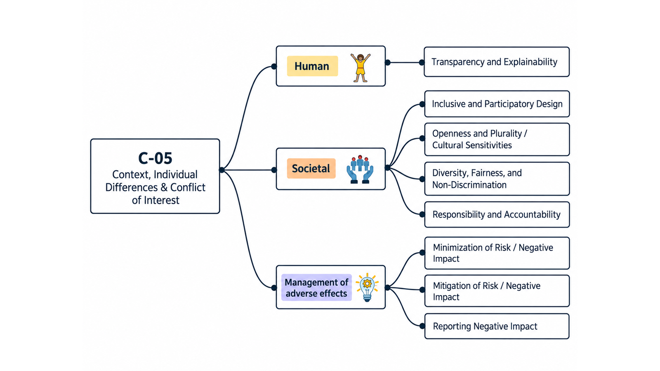
ID | Concern Class | Definition / Scope | Primary Concerns | Question ID | Question | Validation Status | Expert additional comments
C-05 | Context, Individual Differences & Conflict of Interest | A heterogeneous ethical-concern class covering (i) differences among individuals that may change how a digital system is experienced, understood, accessed, or affected; (ii) the technical, physical, social, cultural, organizational, and task context in which the system is designed and used; and (iii) real or perceived conflicts of interest that can compromise independent professional judgment, stakeholder representation, prioritization, evaluation, or governance decisions. | Individual Differences; Conflict of Interest; Context | QC1 | The definition and scope appropriately delimit this concern cluster. | Pending expert validation
 |  |  |  | QC2 | The mapping to the selected ethics-label card(s) and characteristic(s) is semantically appropriate. | Pending expert validation
 |  |  |  | QC3 | Using the ethics-label cards and characteristics as a classification mechanism provides a coherent way to organize the concern clusters. | Pending expert validation
 |  |  |  | QC4 | The concerns included in this cluster are conceptually coherent and appropriately grouped together. | Pending expert validation

C-05 — Simplified Operational Catalogue
It is presented six minimum necessary and sufficient recommendation actions. Each action states the outcome to achieve; artifacts are possible evidence, not mandatory formats. Likewise, the SDLC phases and roles are merely suggestions; nothing is set in stone—they serve simply as a guide to be adapted to the company's context.
Know → Protect → Inform → Assess → Verify → Respond |  |  |  |  |  |  | Practical Applicability

Action ID | Cycle | Practical Action | Concerns Covered | Possible Evidence / Artifact | SDLC Phase(s) | Possible Responsible Role(s) | Question ID | Question | Validation Status | Expert observations
C05-A1 | Know | Document intended contexts of use, relevant user differences, affected stakeholders and actual or perceived conflicts of interest. | Context; Individual Differences; Conflict of Interest | Context/stakeholder and conflict-of-interest record and requirements | Discovery; Requirements | Product; UX/Research; Governance | QC5 | Taken together, the proposed actions adequately cover the main concerns represented by this cluster. | Pending expert validation
C05-A2 | Protect | Design for material contextual and individual differences and establish safeguards that preserve independent judgment when conflicts of interest exist. | Context; Individual Differences; Conflict of Interest | Context adaptations and conflict safeguard/decision record | Requirements; Design; Implementation | Product; UX; Engineering; Governance | QC6 | The proposed possible evidence/artifacts are plausible and sufficiently flexible for use across different organizations. | Pending expert validation
C05-A3 | Inform | Communicate material context assumptions, user limitations and conflicts of interest to the stakeholders who rely on the system or its evaluation. | Context; Individual Differences; Conflict of Interest | Context/limitation and conflict disclosure | Design; Release | Product; UX/Content; Governance | QC7 | The proposed possible SDLC phases are plausible and sufficiently flexible for use across different organizations. | Pending expert validation
C05-A4 | Assess | Assess whether the system remains acceptable across intended contexts and relevant user differences, using affected-stakeholder input where it may change requirements or trade-offs. | Context; Individual Differences; Conflict of Interest | Context-of-use and stakeholder impact assessment | Requirements; Design; Change | UX/Research; Product; Risk; Domain Experts | QC8 | The proposed possible responsible roles are plausible and sufficiently flexible for use across different organizations. | Pending expert validation
C05-A5 | Verify | Verify key tasks and outcomes in representative contexts and confirm that declared conflict safeguards operate as intended. | Context; Individual Differences; Conflict of Interest | Contextual evaluation and conflict-control check | Verification; Release | QA; UX/Research; Governance
C05-A6 | Respond | Monitor context-related failures, exclusion and conflict concerns, and update assumptions, controls or responsibilities when conditions change. | Context; Individual Differences; Conflict of Interest | Feedback/complaint and remediation record | Operations; Maintenance | Product; Support; Governance; UX/Research

C06 Mapping
C-06 — Concern-to-Label Mapping
C-06 interprets Fairness, Equality, Bias, Justice, Non-Discrimination, Inequality & Equity as concerns about how digital systems distribute benefits, burdens, opportunities, treatment and outcomes. Practical implementation is consolidated. |  |  |  | Relevance / Semantic fit and Clarity

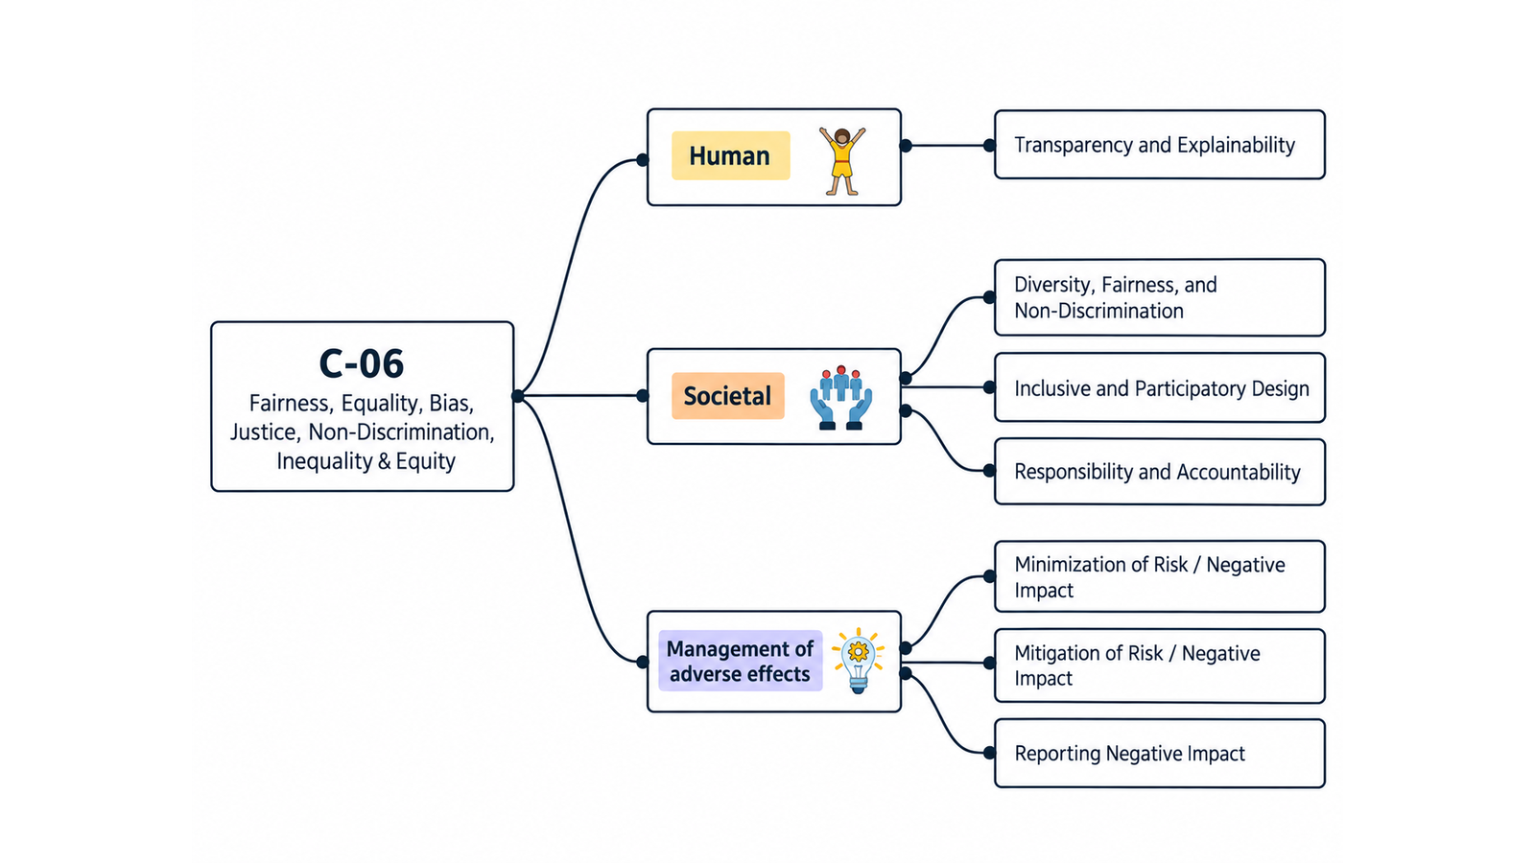
ID | Concern Class | Definition / Scope | Primary Concerns | Question ID | Question | Validation Status | Expert additional comments
C-06 | Fairness & Equality | Concerns about whether digital systems distribute benefits, burdens, opportunities, access, treatment, and outcomes fairly; whether they create, reproduce, amplify, or reduce unjustified disparities; whether decisions rely on inappropriate or biased assumptions, data, models, processes, proxies, or institutional practices; and whether systems support equality of opportunity, equity, justice, and non-discrimination for affected individuals and groups. | Fairness; Equality; Bias; Justice; Non-Discrimination; Inequality; Equity | QC1 | The definition and scope appropriately delimit this concern cluster. | Pending expert validation
 |  |  |  | QC2 | The mapping to the selected ethics-label card(s) and characteristic(s) is semantically appropriate. | Pending expert validation
 |  |  |  | QC3 | Using the ethics-label cards and characteristics as a classification mechanism provides a coherent way to organize the concern clusters. | Pending expert validation
 |  |  |  | QC4 | The concerns included in this cluster are conceptually coherent and appropriately grouped together. | Pending expert validation

C-06 — Simplified Operational Catalogue
It is presented six minimum necessary and sufficient recommendation actions. Each action states the outcome to achieve; artifacts are possible evidence, not mandatory formats. Likewise, the SDLC phases and roles are merely suggestions; nothing is set in stone—they serve simply as a guide to be adapted to the company's context.
Know → Protect → Inform → Assess → Verify → Respond |  |  |  |  |  |  | Practical Applicability

Action ID | Cycle | Practical Action | Concerns Covered | Possible Evidence / Artifact | SDLC Phase(s) | Possible Responsible Role(s) | Question ID | Question | Validation Status | Expert observations
C06-A1 | Know | Identify affected groups, protected or vulnerable characteristics, pre-existing inequalities, decision pathways, data/proxies, and the relevant equality, equity, justice and non-discrimination objectives. | Fairness; Equality; Bias; Justice; Non-Discrimination; Inequality; Equity | Affected-group and distributional context map | Discovery; Requirements | Product; Domain Experts; Data/ML; Responsible AI | QC5 | Taken together, the proposed actions adequately cover the main concerns represented by this cluster. | Pending expert validation
C06-A2 | Protect | Implement safeguards against bias, unjustified disparities, discriminatory treatment, and reinforcement of structural disadvantage. | Fairness; Equality; Bias; Non-Discrimination; Equity | Fairness, bias, discrimination and equity controls in data/model/process documentation | Design; Implementation | Data/ML; Engineering; Product; Responsible AI | QC6 | The proposed possible evidence/artifacts are plausible and sufficiently flexible for use across different organizations. | Pending expert validation
C06-A3 | Inform | Communicate material fairness objectives, affected groups, known limitations and available recourse to relevant users, operators and decision makers. | Fairness; Justice; Non-Discrimination; Equity | Impact, limitations and recourse disclosure | Design; Release | Product; UX/Content; Governance | QC7 | The proposed possible SDLC phases are plausible and sufficiently flexible for use across different organizations. | Pending expert validation
C06-A4 | Assess | Before release and after material changes, assess distributional impacts, likely bias sources and fairness trade-offs with input from affected groups where feasible. | Fairness; Equality; Bias; Justice; Inequality; Equity | Distributional and non-discrimination impact assessment | Requirements; Design; Change | Responsible AI; Risk; Domain Experts; UX/Research | QC8 | The proposed possible responsible roles are plausible and sufficiently flexible for use across different organizations. | Pending expert validation
C06-A5 | Verify | Test relevant outcomes across affected groups using context-appropriate qualitative and quantitative evidence, documented thresholds and known metric trade-offs. | Fairness; Equality; Bias; Non-Discrimination; Equity | Disparity, non-discrimination, and fairness evaluation/test record | Verification; Release; Monitoring | QA; Data/ML; Responsible AI
C06-A6 | Respond | Monitor disparities and complaints, provide proportionate correction or contest routes, and remediate data, model or process causes when unfair outcomes emerge. | Fairness; Bias; Justice; Non-Discrimination; Inequality; Equity | Disparity, discrimination and remediation record | Operations; Maintenance | Product; Support; Data/ML; Governance

