C07 Mapping
C-07 — Concern-to-Label Mapping
C-07 interprets Commerce & Monetization as ethical concerns arising from commercial mechanisms, pricing, advertising, paid ranking, subscriptions and other monetization practices in digital systems. Practical implementation is consolidated. |  |  |  | Relevance / Semantic fit and Clarity

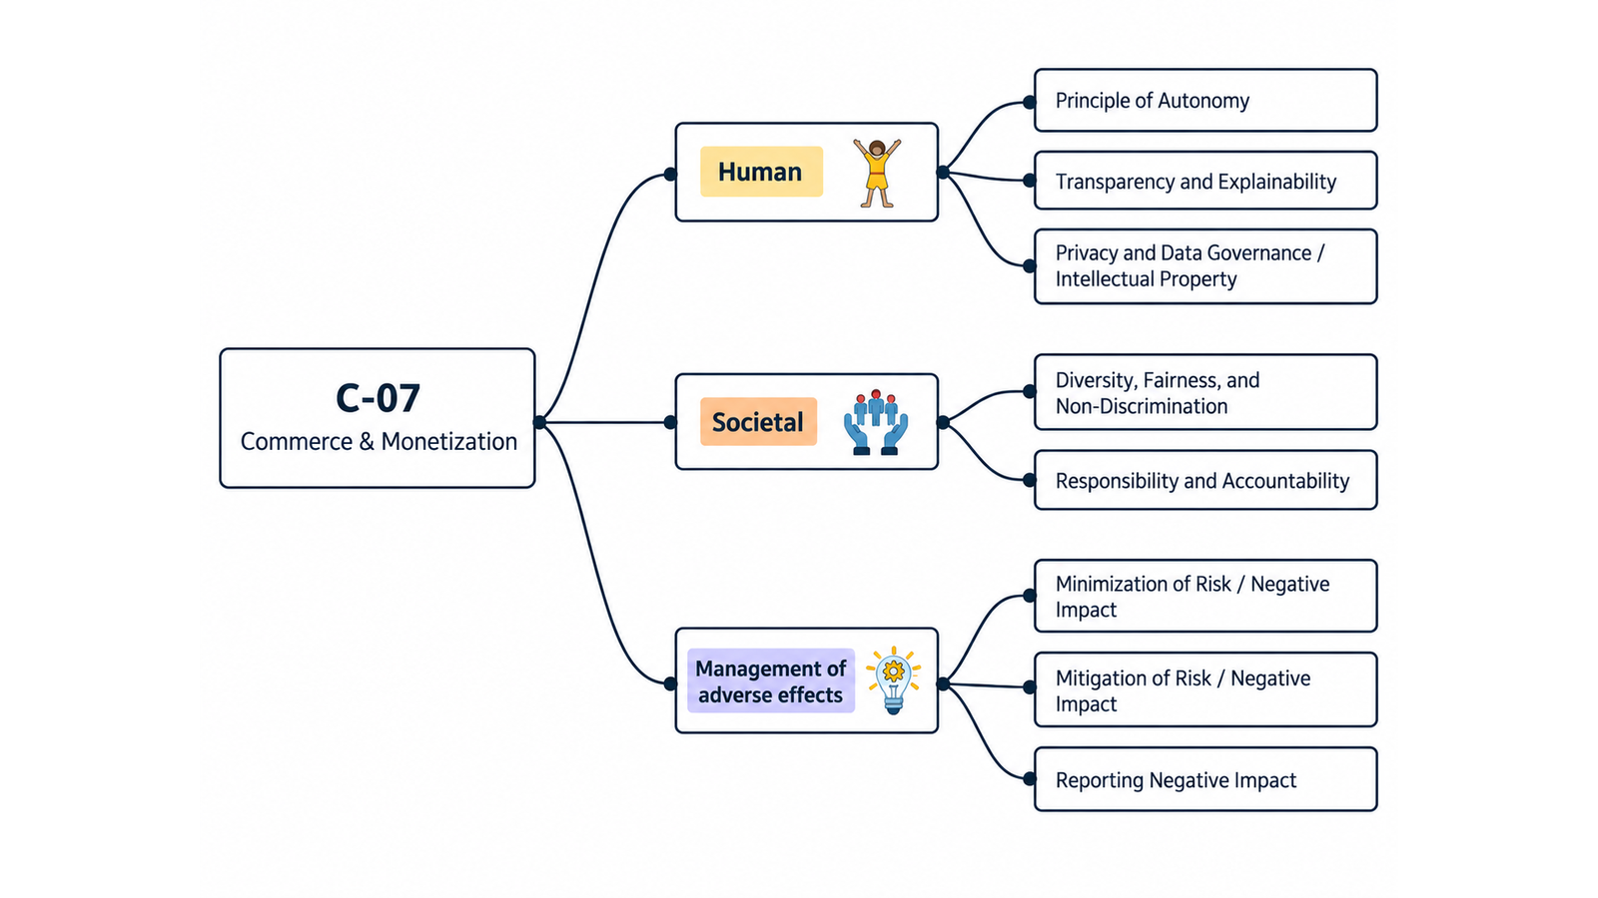
ID | Concern Class | Definition / Scope | Primary Concerns | Question ID | Question | Validation Status | Expert additional comments
C-07 | Commerce & Monetization | Ethical concerns arising from the design and operation of commercial and monetization mechanisms in digital systems, including pricing, subscriptions, trials, recurring charges, add-ons, in-app purchases, advertising, sponsored content, paid ranking, recommendation-driven commerce, personalized offers or prices, and monetization of personal data or attention. The concern is not commerce itself, but whether revenue mechanisms preserve informed choice, transparency, privacy, fairness, accountability, and proportionate consumer protection. | Commerce; Monetization | QC1 | The definition and scope appropriately delimit this concern cluster. | Pending expert validation
 |  |  |  | QC2 | The mapping to the selected ethics-label card(s) and characteristic(s) is semantically appropriate. | Pending expert validation
 |  |  |  | QC3 | Using the ethics-label cards and characteristics as a classification mechanism provides a coherent way to organize the concern clusters. | Pending expert validation
 |  |  |  | QC4 | The concerns included in this cluster are conceptually coherent and appropriately grouped together. | Pending expert validation

C-07 — Simplified Operational Catalogue
It is presented six minimum necessary and sufficient recommendation actions. Each action states the outcome to achieve; artifacts are possible evidence, not mandatory formats. Likewise, the SDLC phases and roles are merely suggestions; nothing is set in stone—they serve simply as a guide to be adapted to the company's context.
Know → Protect → Inform → Assess → Verify → Respond |  |  |  |  |  |  | Practical Applicability

Action ID | Cycle | Practical Action | Concerns Covered | Possible Evidence / Artifact | SDLC Phase(s) | Possible Responsible Role(s) | Question ID | Question | Validation Status | Expert observations
C07-A1 | Know | Document each material revenue mechanism, price or recurring charge, commercial influence, use of personal data/attention and affected consumer groups. | Commerce; Monetization | Monetization and consumer-impact inventory | Discovery; Requirements | Product; Commercial; Legal/Compliance; Privacy | QC5 | Taken together, the proposed actions adequately cover the main concerns represented by this cluster. | Pending expert validation
C07-A2 | Protect | Design commercial flows to prevent deceptive or coercive choices, hidden costs, unfair targeting and disproportionate exploitation of user data or attention. | Commerce; Monetization | Commercial-flow safeguards or annotated design | Requirements; Design; Implementation | Product; UX; Engineering; Legal/Compliance | QC6 | The proposed possible evidence/artifacts are plausible and sufficiently flexible for use across different organizations. | Pending expert validation
C07-A3 | Inform | Clearly disclose price, recurrence, cancellation, sponsorship, ranking influence, personalization and material data use before the user commits. | Commerce; Monetization | User-facing commercial disclosure and cancellation/choice interface | Design; Implementation; Release | Product; UX/Content; Legal/Compliance | QC7 | The proposed possible SDLC phases are plausible and sufficiently flexible for use across different organizations. | Pending expert validation
C07-A4 | Assess | Assess material consumer, fairness, privacy and wider social or environmental impacts of the monetization model before release and after significant changes. | Commerce; Monetization | Monetization impact/risk assessment | Requirements; Pre-release; Change | Product; Risk; Legal/Compliance; Responsible Technology | QC8 | The proposed possible responsible roles are plausible and sufficiently flexible for use across different organizations. | Pending expert validation
C07-A5 | Verify | Before release and after material changes, verify that commercial disclosures match actual charging, ranking, targeting and cancellation behavior and that ethical claims have supporting evidence. | Commerce; Monetization | Commercial-flow/disclosure verification record | Verification; Release; Change | QA; Product; Legal/Compliance
C07-A6 | Respond | Monitor complaints, charge disputes and harmful commercial patterns, provide effective correction/refund routes, and remediate recurrent design or governance causes. | Commerce; Monetization | Complaint/refund and corrective-action record | Operations; Maintenance | Support; Product; Finance; Legal/Compliance

C08 Mapping
C-08 — Concern-to-Label Mapping
C-08 interprets Transparency, Traceability, Understandability, Observability, Openness, Lack of Data & Communication as concerns about whether relevant system information is available, intelligible, traceable, observable and properly communicated. Practical implementation is consolidated. |  |  |  | Relevance / Semantic fit and Clarity

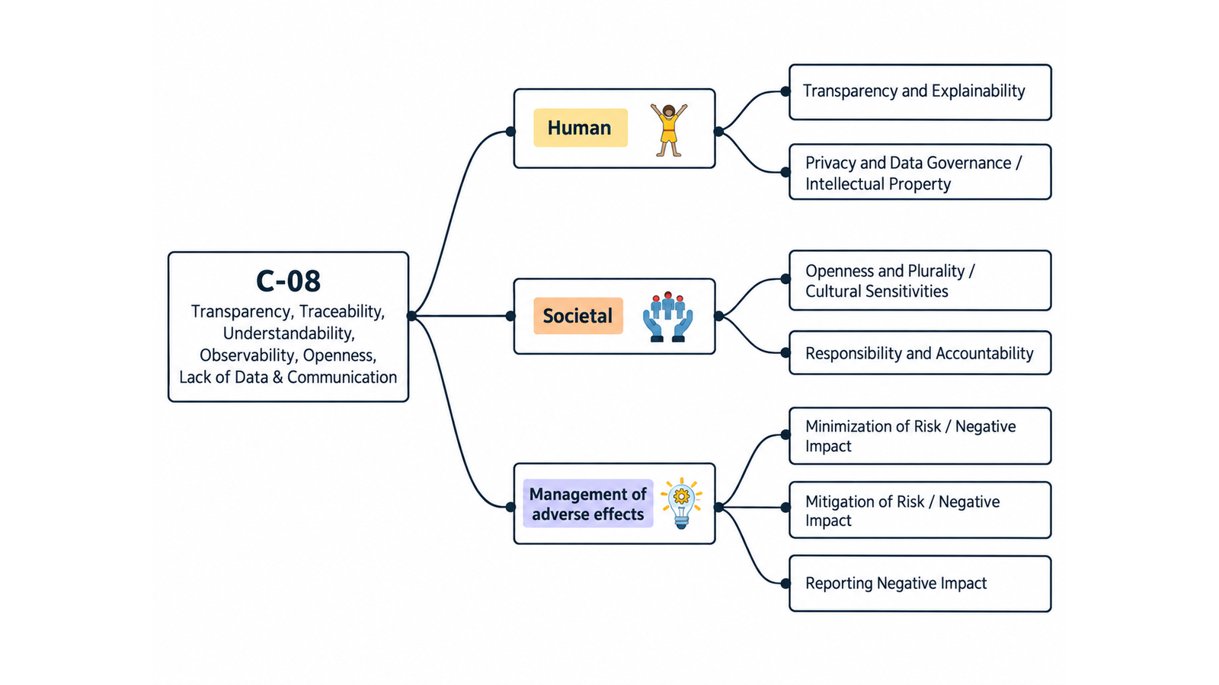
ID | Concern Class | Definition / Scope | Primary Concerns | Question ID | Question | Validation Status | Expert additional comments
C-08 | Transparency & Traceability | Concerns about whether relevant information about a digital system, its data, decisions, behavior, limitations, provenance, operations, and impacts is available, intelligible, traceable, observable, and communicated to the appropriate stakeholders. The class also covers openness where this means open development/collaboration or disclosure of openness status, and lack of data where missing or incomplete information/evidence prevents understanding, verification, monitoring, or responsible decision-making. | Transparency; Traceability; Understandability; Observability; Openness; Lack of Data; Communication | QC1 | The definition and scope appropriately delimit this concern cluster. | Pending expert validation
 |  |  |  | QC2 | The mapping to the selected ethics-label card(s) and characteristic(s) is semantically appropriate. | Pending expert validation
 |  |  |  | QC3 | Using the ethics-label cards and characteristics as a classification mechanism provides a coherent way to organize the concern clusters. | Pending expert validation
 |  |  |  | QC4 | The concerns included in this cluster are conceptually coherent and appropriately grouped together. | Pending expert validation

C-08 — Simplified Operational Catalogue
It is presented six minimum necessary and sufficient recommendation actions. Each action states the outcome to achieve; artifacts are possible evidence, not mandatory formats. Likewise, the SDLC phases and roles are merely suggestions; nothing is set in stone—they serve simply as a guide to be adapted to the company's context.
Know → Protect → Inform → Assess → Verify → Respond |  |  |  |  |  |  | Practical Applicability

Action ID | Cycle | Practical Action | Concerns Covered | Possible Evidence / Artifact | SDLC Phase(s) | Possible Responsible Role(s) | Question ID | Question | Validation Status | Expert observations
C08-A1 | Know | Identify the system information, data provenance, decisions, limitations and evidence that each relevant stakeholder needs to understand or oversee the system. | Transparency; Traceability; Understandability; Openness; Lack of Data; Communication | Transparency and information-needs register | Discovery; Requirements | Product; Data/ML; UX/Content; Governance | QC5 | Taken together, the proposed actions adequately cover the main concerns represented by this cluster. | Pending expert validation
C08-A2 | Protect | Implement traceability, provenance, documentation and observability controls that preserve material evidence across data, model/software and operational changes. | Traceability; Observability; Lack of Data | Traceability/provenance and observability record | Design; Implementation; Operations | Architecture; Engineering; Data/ML; Operations | QC6 | The proposed possible evidence/artifacts are plausible and sufficiently flexible for use across different organizations. | Pending expert validation
C08-A3 | Inform | Provide clear, audience-appropriate information about purpose, operation, data, limitations, changes and responsible parties, including the system's openness status where relevant. | Transparency; Understandability; Openness; Communication | User/operator disclosure or model/system card | Design; Release; Change | Product; UX/Content; Data/ML; Governance | QC7 | The proposed possible SDLC phases are plausible and sufficiently flexible for use across different organizations. | Pending expert validation
C08-A4 | Assess | Assess whether missing, incomplete or inaccessible information prevents meaningful understanding, oversight or risk evaluation before release and after material changes. | Transparency; Traceability; Understandability; Lack of Data; Communication | Transparency/evidence gap assessment | Requirements; Pre-release; Change | Risk; Product; QA/Assurance; Governance | QC8 | The proposed possible responsible roles are plausible and sufficiently flexible for use across different organizations. | Pending expert validation
C08-A5 | Verify | Verify that disclosures and documentation are accurate, understandable and consistent with current system, data and operational behavior. | Transparency; Traceability; Understandability; Observability; Communication | Disclosure-to-system verification record | Verification; Release; Change | QA; Product; Data/ML; Operations
C08-A6 | Respond | Detect material evidence gaps or misleading/outdated information, correct affected records and communications, and notify relevant stakeholders when the change matters to them. | Transparency; Traceability; Observability; Lack of Data; Communication | Transparency issue and correction/change record | Operations; Maintenance | Product; Operations; Support; Governance

C09 Mapping
C-09 — Concern-to-Label Mapping
C-09 interprets Diversity, Inclusion, Plurality, Inclusiveness, Accessibility, Access & Cultural Sensitivity as concerns about equitable access, participation and benefit across diverse abilities, identities, backgrounds, languages and cultures. Practical implementation is consolidated. |  |  |  | Relevance / Semantic fit and Clarity

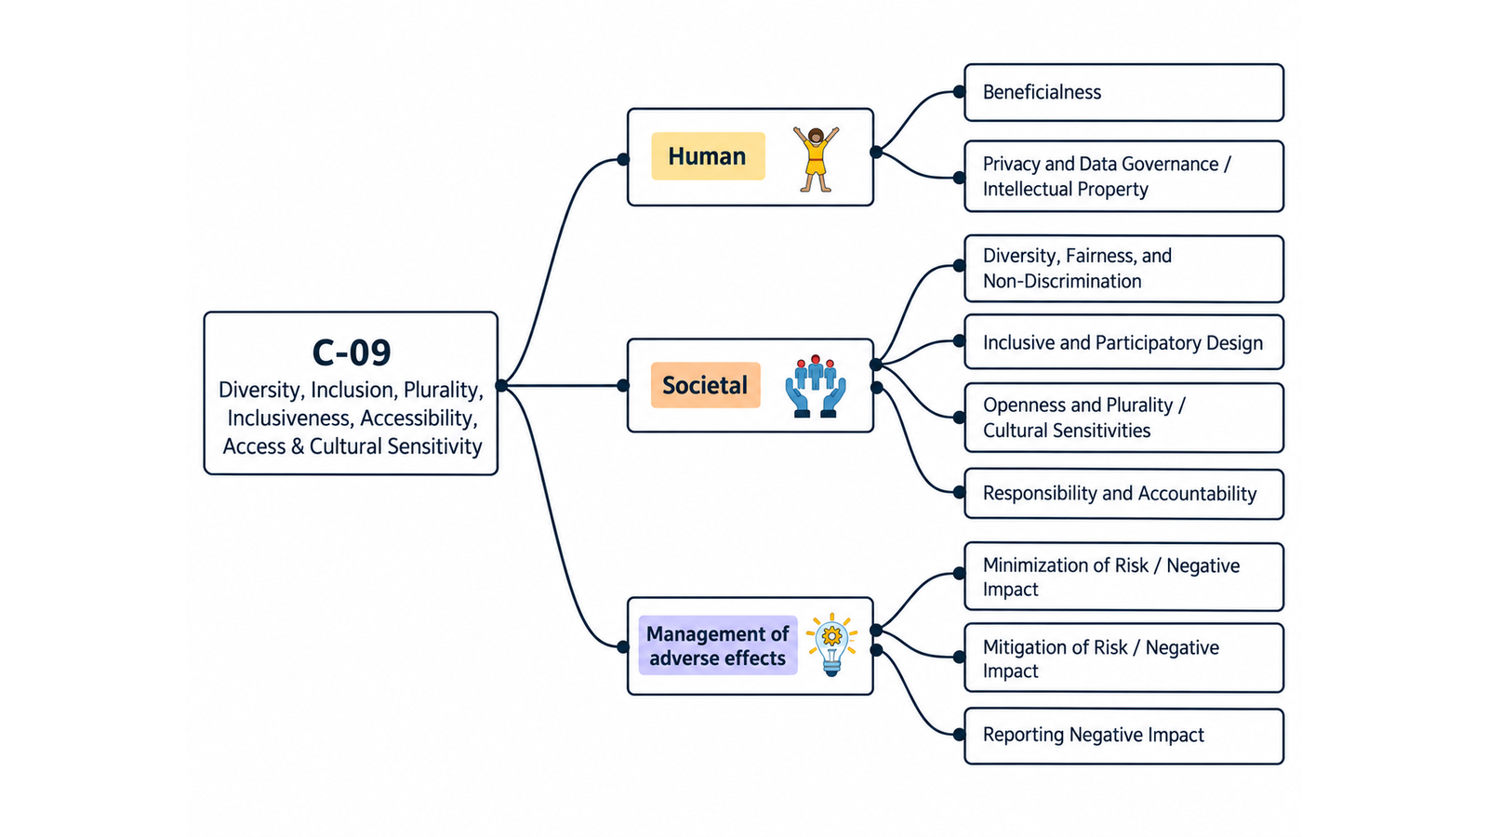
ID | Concern Class | Definition / Scope | Primary Concerns | Question ID | Question | Validation Status | Expert additional comments
C-09 | Diversity, Inclusion, Plurality, Inclusiveness, Accessibility, Access & Cultural Sensitivity | Concerns about whether digital systems can be accessed, used, understood, and benefited from by people with diverse abilities, backgrounds, identities, languages, cultures, circumstances, and access conditions; whether development and governance include relevant stakeholders and multiple perspectives; whether systems avoid exclusionary barriers; and whether local knowledge, cultural differences, plurality of actors, and accessibility needs are incorporated throughout design, implementation, evaluation, deployment, and operation. | Diversity; Inclusion; Plurality; Inclusiveness; Accessibility; Access; Cultural Sensitivity | QC1 | The definition and scope appropriately delimit this concern cluster. | Pending expert validation
 |  |  |  | QC2 | The mapping to the selected ethics-label card(s) and characteristic(s) is semantically appropriate. | Pending expert validation
 |  |  |  | QC3 | Using the ethics-label cards and characteristics as a classification mechanism provides a coherent way to organize the concern clusters. | Pending expert validation
 |  |  |  | QC4 | The concerns included in this cluster are conceptually coherent and appropriately grouped together. | Pending expert validation

C-09 — Simplified Operational Catalogue
It is presented six minimum necessary and sufficient recommendation actions. Each action states the outcome to achieve; artifacts are possible evidence, not mandatory formats. Likewise, the SDLC phases and roles are merely suggestions; nothing is set in stone—they serve simply as a guide to be adapted to the company's context.
Know → Protect → Inform → Assess → Verify → Respond |  |  |  |  |  |  | Practical Applicability

Action ID | Cycle | Practical Action | Concerns Covered | Possible Evidence / Artifact | SDLC Phase(s) | Possible Responsible Role(s) | Question ID | Question | Validation Status | Expert observations
C09-A1 | Know | Identify relevant abilities, languages, cultures, access conditions and affected groups, including people likely to be excluded from design or use. | Diversity; Inclusion; Plurality; Accessibility; Access; Cultural Sensitivity | Inclusion/accessibility stakeholder and barrier map | Discovery; Requirements | Product; UX/Research; Accessibility; Domain Experts | QC5 | Taken together, the proposed actions adequately cover the main concerns represented by this cluster. | Pending expert validation
C09-A2 | Protect | Implement proportionate accessibility, inclusive interaction, localization and access safeguards for material barriers identified in the intended context. | Inclusion; Inclusiveness; Accessibility; Access; Cultural Sensitivity | Accessible/inclusive design and implementation record | Design; Implementation | UX; Accessibility; Engineering; Localization | QC6 | The proposed possible evidence/artifacts are plausible and sufficiently flexible for use across different organizations. | Pending expert validation
C09-A3 | Inform | Provide accessible and culturally appropriate information about system use, limitations, assistance and alternative access routes. | Inclusion; Accessibility; Access; Cultural Sensitivity | Accessible user information and support route | Design; Release | UX/Content; Accessibility; Support; Localization | QC7 | The proposed possible SDLC phases are plausible and sufficiently flexible for use across different organizations. | Pending expert validation
C09-A4 | Assess | Assess exclusion, accessibility and cultural risks with diverse affected stakeholders before release and when audience, context or functionality materially changes. | Diversity; Inclusion; Plurality; Accessibility; Access; Cultural Sensitivity | Inclusion/accessibility impact assessment | Requirements; Design; Change | UX/Research; Accessibility; Product; Responsible Technology | QC8 | The proposed possible responsible roles are plausible and sufficiently flexible for use across different organizations. | Pending expert validation
C09-A5 | Verify | Test priority user journeys and content with relevant accessibility criteria and representative users or equivalent evidence, and document remaining barriers. | Inclusion; Accessibility; Access; Cultural Sensitivity | Accessibility/inclusion evaluation record | Verification; Release | QA; Accessibility; UX/Research
C09-A6 | Respond | Provide a route to report access or inclusion barriers, prioritize remediation by impact, and update designs as affected populations or contexts change. | Inclusion; Accessibility; Access; Cultural Sensitivity | Accessibility/inclusion issue and remediation record | Operations; Maintenance | Support; Accessibility; Product; Engineering

