C10 Mapping
C-10 — Concern-to-Label Mapping
C-10 interprets Security, Encryption, User Data Collection, Malicious Use & Computer Abuse as concerns about protecting systems and information against unauthorized access, manipulation, disruption, misuse and abuse. Practical implementation is consolidated. |  |  |  | Relevance / Semantic fit and Clarity

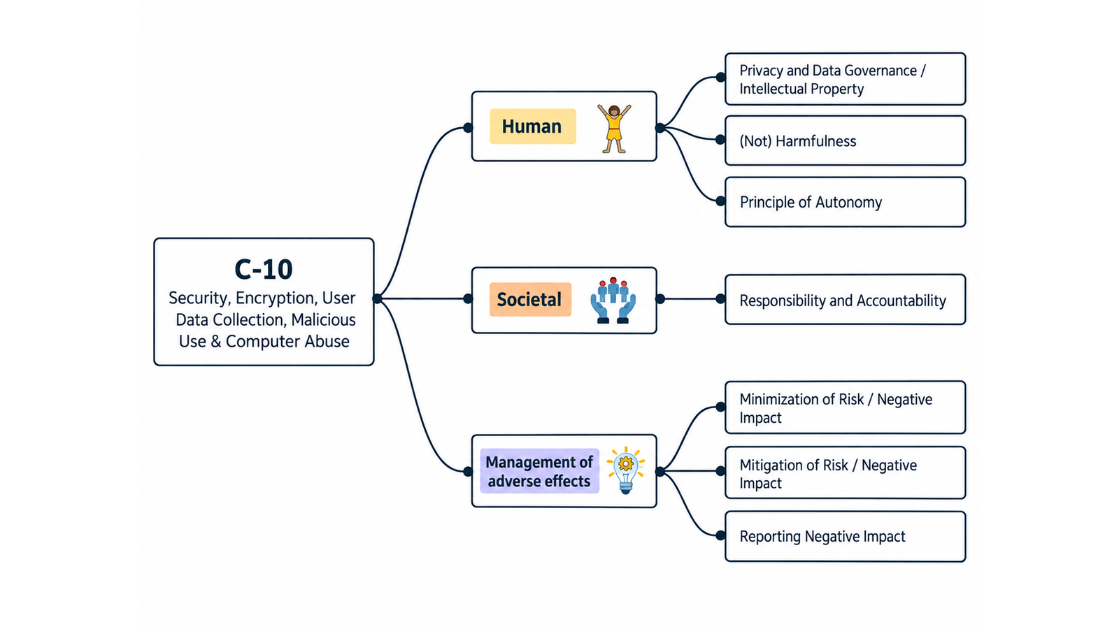
ID | Concern Class | Definition / Scope | Primary Concerns | Question ID | Question | Validation Status | Expert additional comments
C-10 | Security & Malicious Use | A heterogeneous security-and-misuse concern class covering protection of systems and information against unauthorized access, disclosure, manipulation, disruption and abuse; cryptographic protection and key management; security implications of collecting user data; and intentional malicious or abusive use of system functions, accounts, APIs, data or infrastructure. | Security; Encryption; User Data Collection; Malicious Use; Computer Abuse | QC1 | The definition and scope appropriately delimit this concern cluster. | Pending expert validation
 |  |  |  | QC2 | The mapping to the selected ethics-label card(s) and characteristic(s) is semantically appropriate. | Pending expert validation
 |  |  |  | QC3 | Using the ethics-label cards and characteristics as a classification mechanism provides a coherent way to organize the concern clusters. | Pending expert validation
 |  |  |  | QC4 | The concerns included in this cluster are conceptually coherent and appropriately grouped together. | Pending expert validation

C-10 — Simplified Operational Catalogue
It is presented six minimum necessary and sufficient recommendation actions. Each action states the outcome to achieve; artifacts are possible evidence, not mandatory formats. Likewise, the SDLC phases and roles are merely suggestions; nothing is set in stone—they serve simply as a guide to be adapted to the company's context.
Know → Protect → Inform → Assess → Verify → Respond |  |  |  |  |  |  | Practical Applicability

Action ID | Cycle | Practical Action | Concerns Covered | Possible Evidence / Artifact | SDLC Phase(s) | Possible Responsible Role(s) | Question ID | Question | Validation Status | Expert observations
C10-A1 | Know | Identify protected assets, collected user data, trust boundaries, threat actors, abuse cases and applicable security requirements. | Security; Encryption; User Data Collection; Malicious Use; Computer Abuse | Asset/data inventory and threat/abuse model | Requirements; Architecture | Security; Architecture; Product; Privacy | QC5 | Taken together, the proposed actions adequately cover the main concerns represented by this cluster. | Pending expert validation
C10-A2 | Protect | Implement proportionate secure-development, access-control, cryptographic, data-protection and abuse-prevention controls throughout the system. | Security; Encryption; User Data Collection; Malicious Use; Computer Abuse | Security controls and architecture record | Design; Implementation | Security; Engineering; Architecture; Privacy | QC6 | The proposed possible evidence/artifacts are plausible and sufficiently flexible for use across different organizations. | Pending expert validation
C10-A3 | Inform | Provide users and operators with clear security-relevant guidance, material limitations, reporting routes and required labeling of synthetic content where applicable. | Security; Malicious Use; Computer Abuse | Security guidance/disclosure and reporting channel | Design; Release; Operations | Security; Product; UX/Content; Support | QC7 | The proposed possible SDLC phases are plausible and sufficiently flexible for use across different organizations. | Pending expert validation
C10-A4 | Assess | Assess security, privacy and misuse risks before release and after material changes, including foreseeable abuse and relevant third-party dependencies. | Security; User Data Collection; Malicious Use; Computer Abuse | Security and misuse risk assessment | Architecture; Pre-release; Change | Security; Risk; Privacy; Product | QC8 | The proposed possible responsible roles are plausible and sufficiently flexible for use across different organizations. | Pending expert validation
C10-A5 | Verify | Test priority security and abuse controls before release, resolve unacceptable findings and continuously monitor relevant threats and control effectiveness. | Security; Encryption; Malicious Use; Computer Abuse | Security verification and monitoring record | Verification; Release; Operations | Security Testing; QA; Operations
C10-A6 | Respond | Detect, contain, investigate and remediate security or abuse incidents, preserve necessary evidence, communicate as required and learn from recurrence. | Security; User Data Collection; Malicious Use; Computer Abuse | Security incident procedure and incident record | Operations; Maintenance | Security Operations; Engineering; Privacy/Legal; Support

C11 Mapping
C-11 — Concern-to-Label Mapping
C-11 interprets Trust & Trustworthiness as concerns about whether stakeholders can justifiably rely on a digital system and whether claims of trustworthiness are supported by sufficient and relevant evidence. Practical implementation is consolidated. |  |  |  | Relevance / Semantic fit and Clarity

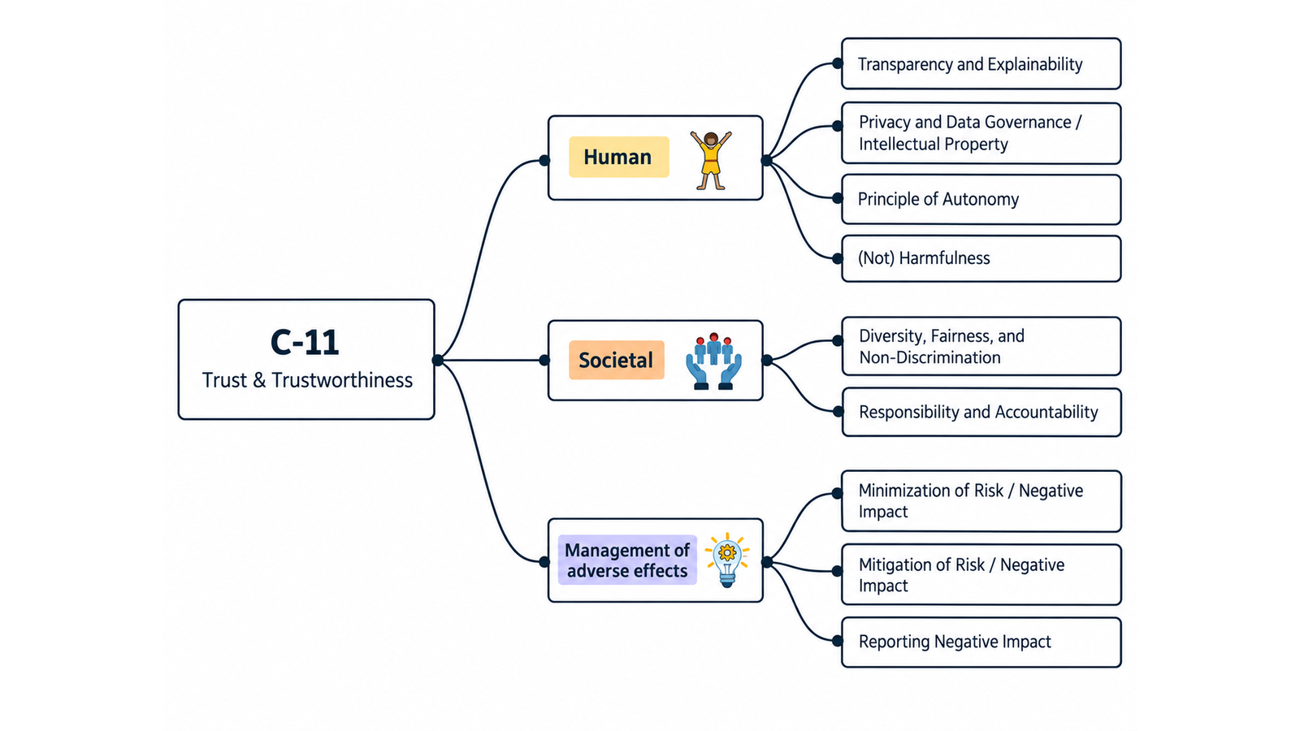
ID | Concern Class | Definition / Scope | Primary Concerns | Question ID | Question | Validation Status | Expert additional comments
C-11 | Trust & Trustworthiness | Concerns about whether stakeholders can justifiably rely on a digital system and whether claims that the system is worthy of trust are supported by sufficient, current and context-relevant evidence. Trust is treated as a stakeholder belief or decision; trustworthiness is treated as a property/judgment that must be demonstrated through requirements, engineering controls, verification, validation, transparency, accountability and risk evidence. | Trust; Trustworthiness | QC1 | The definition and scope appropriately delimit this concern cluster. | Pending expert validation
 |  |  |  | QC2 | The mapping to the selected ethics-label card(s) and characteristic(s) is semantically appropriate. | Pending expert validation
 |  |  |  | QC3 | Using the ethics-label cards and characteristics as a classification mechanism provides a coherent way to organize the concern clusters. | Pending expert validation
 |  |  |  | QC4 | The concerns included in this cluster are conceptually coherent and appropriately grouped together. | Pending expert validation

C-11 — Simplified Operational Catalogue
It is presented six minimum necessary and sufficient recommendation actions. Each action states the outcome to achieve; artifacts are possible evidence, not mandatory formats. Likewise, the SDLC phases and roles are merely suggestions; nothing is set in stone—they serve simply as a guide to be adapted to the company's context.
Know → Protect → Inform → Assess → Verify → Respond |  |  |  |  |  |  | Practical Applicability

Action ID | Cycle | Practical Action | Concerns Covered | Possible Evidence / Artifact | SDLC Phase(s) | Possible Responsible Role(s) | Question ID | Question | Validation Status | Expert observations
C11-A1 | Know | Identify who must rely on the system, for which decisions and conditions, and which capabilities and evidence would make that reliance justified. | Trust; Trustworthiness | Trust stakeholder/claim and evidence register | Discovery; Requirements | Product; Risk; Domain Experts; Responsible Technology | QC5 | Taken together, the proposed actions adequately cover the main concerns represented by this cluster. | Pending expert validation
C11-A2 | Protect | Implement the technical and governance controls needed to meet the system's stated trustworthiness requirements and accepted risk limits. | Trustworthiness | Trustworthiness requirements/control record | Requirements; Design; Implementation | Architecture; Engineering; Security; Governance | QC6 | The proposed possible evidence/artifacts are plausible and sufficiently flexible for use across different organizations. | Pending expert validation
C11-A3 | Inform | Communicate capabilities, evidence, responsible parties, limitations and conditions of use honestly, avoiding unsupported trust or ethics claims. | Trust; Trustworthiness | System/model capability and limitation disclosure | Design; Release | Product; UX/Content; Governance; Data/ML | QC7 | The proposed possible SDLC phases are plausible and sufficiently flexible for use across different organizations. | Pending expert validation
C11-A4 | Assess | Assess whether the available evidence is sufficient for the intended reliance and whether organizational incentives or context could make trust claims misleading. | Trust; Trustworthiness | Trustworthiness/risk and claim assessment | Requirements; Pre-release; Change | Risk; Governance; Product; Domain Experts | QC8 | The proposed possible responsible roles are plausible and sufficiently flexible for use across different organizations. | Pending expert validation
C11-A5 | Verify | Verify material trustworthiness requirements and substantiate each public or internal trust claim with current, context-relevant evidence. | Trustworthiness | Trustworthiness verification/claim-evidence record | Verification; Release; Change | QA/Assurance; Risk; Product
C11-A6 | Respond | Monitor failures, misplaced reliance and stakeholder feedback, correct unsupported claims and remediate controls when evidence no longer supports intended use. | Trust; Trustworthiness | Trustworthiness issue and corrective-action record | Operations; Maintenance | Product; Support; Risk; Engineering

C12 Mapping
C-12 — Concern-to-Label Mapping
C-12 interprets Intellectual Properties, Authorship & Software Freedom as concerns about ownership, authorship, attribution, provenance, permitted use, modification, redistribution and software licensing. Practical implementation is consolidated. |  |  |  | Relevance / Semantic fit and Clarity

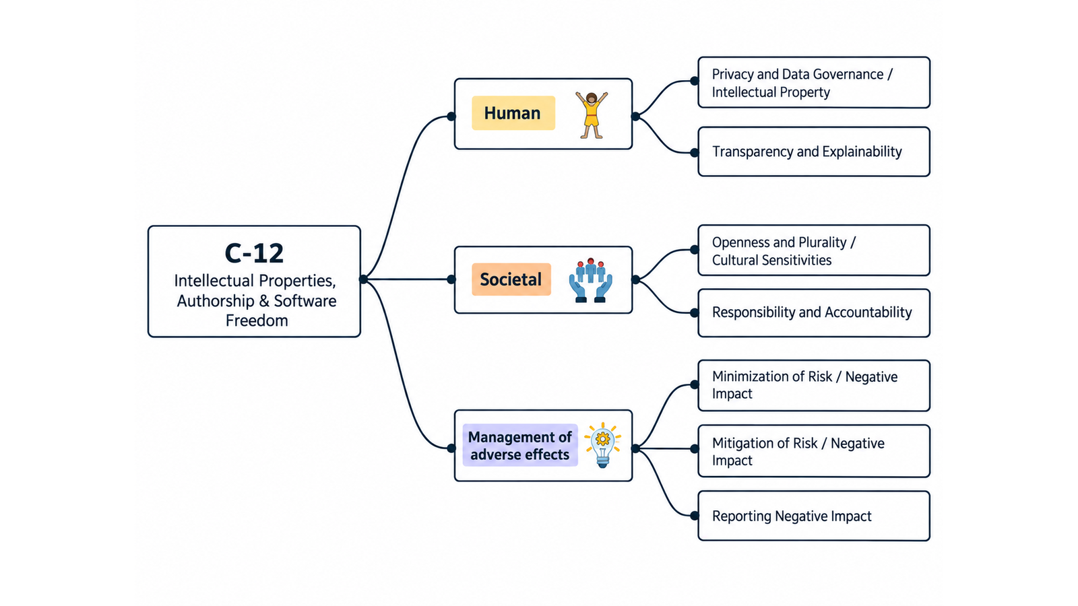
ID | Concern Class | Definition / Scope | Primary Concerns | Question ID | Question | Validation Status | Expert additional comments
C-12 | Intellectual Properties, Authorship & Software Freedom | Concerns about ownership, authorship, attribution, provenance, permitted use, modification and redistribution of software and related artifacts, including the freedoms or restrictions created by software licences. | Intellectual Properties; Authorship; Software Freedom | QC1 | The definition and scope appropriately delimit this concern cluster. | Pending expert validation
 |  |  |  | QC2 | The mapping to the selected ethics-label card(s) and characteristic(s) is semantically appropriate. | Pending expert validation
 |  |  |  | QC3 | Using the ethics-label cards and characteristics as a classification mechanism provides a coherent way to organize the concern clusters. | Pending expert validation
 |  |  |  | QC4 | The concerns included in this cluster are conceptually coherent and appropriately grouped together. | Pending expert validation

C-12 — Simplified Operational Catalogue
It is presented six minimum necessary and sufficient recommendation actions. Each action states the outcome to achieve; artifacts are possible evidence, not mandatory formats. Likewise, the SDLC phases and roles are merely suggestions; nothing is set in stone—they serve simply as a guide to be adapted to the company's context.
Know → Protect → Inform → Assess → Verify → Respond |  |  |  |  |  |  | Practical Applicability

Action ID | Cycle | Practical Action | Concerns Covered | Possible Evidence / Artifact | SDLC Phase(s) | Possible Responsible Role(s) | Question ID | Question | Validation Status | Expert observations
C12-A1 | Know | Inventory material software, data, models, content and dependencies, recording provenance, authorship, ownership, licences and permitted uses. | Intellectual Properties; Authorship; Software Freedom | IP/provenance inventory or SBOM with licence data | Discovery; Requirements; Acquisition | Engineering; Legal/IP; Data/ML; Procurement | QC5 | Taken together, the proposed actions adequately cover the main concerns represented by this cluster. | Pending expert validation
C12-A2 | Protect | Apply licence, attribution, access and provenance controls that prevent unauthorized use and preserve the freedoms or restrictions selected for the product. | Intellectual Properties; Authorship; Software Freedom | Licence/provenance controls and approval record | Design; Implementation; Build | Engineering; Legal/IP; Release Management | QC6 | The proposed possible evidence/artifacts are plausible and sufficiently flexible for use across different organizations. | Pending expert validation
C12-A3 | Inform | Provide accurate notices about authorship, licences, third-party components, permitted reuse and relevant AI-generated or synthetic content where applicable. | Intellectual Properties; Authorship; Software Freedom | Licence/attribution notice and provenance disclosure | Release; Distribution | Legal/IP; Product; Release Management | QC7 | The proposed possible SDLC phases are plausible and sufficiently flexible for use across different organizations. | Pending expert validation
C12-A4 | Assess | Review material IP, authorship and licence risks before using or releasing assets and after significant changes to sources, models, datasets or distribution. | Intellectual Properties; Authorship; Software Freedom | IP/licence review record | Requirements; Pre-release; Change | Legal/IP; Engineering; Procurement; Data/ML | QC8 | The proposed possible responsible roles are plausible and sufficiently flexible for use across different organizations. | Pending expert validation
C12-A5 | Verify | Before release, verify that included assets and generated outputs comply with documented permissions, attribution and distribution obligations. | Intellectual Properties; Authorship; Software Freedom | Release licence/provenance verification record | Verification; Release | Release Management; Legal/IP; QA
C12-A6 | Respond | Provide a route for rights or attribution claims, investigate disputed provenance, remove or correct unauthorized material and update notices and dependencies. | Intellectual Properties; Authorship; Software Freedom | IP claim and remediation record | Operations; Maintenance | Legal/IP; Support; Engineering; Product

