C13 Mapping
C-13 — Concern-to-Label Mapping
C-13 interprets Unemployment & Social Justice Issues as societal concerns about job displacement, transformation of work, worker vulnerability, skills transitions and the distribution of technology benefits and burdens. Practical implementation is consolidated. |  |  |  | Relevance / Semantic fit and Clarity

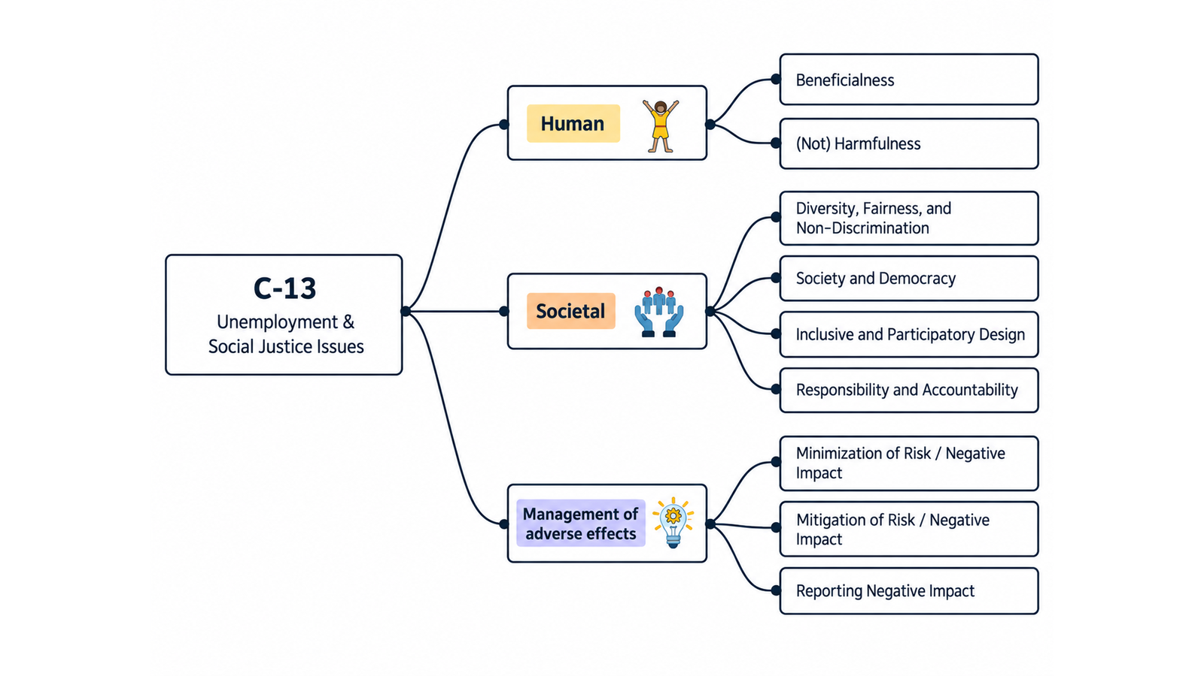
ID | Concern Class | Definition / Scope | Primary Concerns | Question ID | Question | Validation Status | Expert additional comments
C-13 | Unemployment & Social Justice Issues | Societal concerns about job displacement, transformation of work, unequal distribution of technology benefits and burdens, worker vulnerability, decent work, skills transitions, social protection and justice when digital systems automate, augment, manage or reshape work. | Unemployment; Social Justice Issues | QC1 | The definition and scope appropriately delimit this concern cluster. | Pending expert validation
 |  |  |  | QC2 | The mapping to the selected ethics-label card(s) and characteristic(s) is semantically appropriate. | Pending expert validation
 |  |  |  | QC3 | Using the ethics-label cards and characteristics as a classification mechanism provides a coherent way to organize the concern clusters. | Pending expert validation
 |  |  |  | QC4 | The concerns included in this cluster are conceptually coherent and appropriately grouped together. | Pending expert validation

C-13 — Simplified Operational Catalogue
It is presented six minimum necessary and sufficient recommendation actions. Each action states the outcome to achieve; artifacts are possible evidence, not mandatory formats. Likewise, the SDLC phases and roles are merely suggestions; nothing is set in stone—they serve simply as a guide to be adapted to the company's context.
Know → Protect → Inform → Assess → Verify → Respond |  |  |  |  |  |  | Practical Applicability

Action ID | Cycle | Practical Action | Concerns Covered | Possible Evidence / Artifact | SDLC Phase(s) | Possible Responsible Role(s) | Question ID | Question | Validation Status | Expert observations
C13-A1 | Know | Identify affected workers and communities, tasks changed or displaced, new skill demands, working conditions and how benefits and burdens may be distributed. | Unemployment; Social Justice Issues | Workforce and distributional impact map | Discovery; Requirements | Product; HR/People; Domain Experts; Responsible Technology | QC5 | Taken together, the proposed actions adequately cover the main concerns represented by this cluster. | Pending expert validation
C13-A2 | Protect | Design proportionate safeguards for worker agency, fair treatment, safe work and transition support when the system automates, augments or manages work. | Unemployment; Social Justice Issues | Worker safeguard and transition plan | Requirements; Design; Deployment Planning | Product; HR/People; Operations; Worker Representatives | QC6 | The proposed possible evidence/artifacts are plausible and sufficiently flexible for use across different organizations. | Pending expert validation
C13-A3 | Inform | Clearly communicate material changes to work, system limitations, monitoring or evaluation uses, decision responsibilities and available support or recourse. | Unemployment; Social Justice Issues | Worker/stakeholder communication and recourse information | Design; Deployment | Management; HR/People; Product; Worker Representatives | QC7 | The proposed possible SDLC phases are plausible and sufficiently flexible for use across different organizations. | Pending expert validation
C13-A4 | Assess | Before deployment and major expansion, assess job, working-condition and distributional impacts with affected workers or representatives and consider alternatives. | Unemployment; Social Justice Issues | Workforce/social impact assessment | Requirements; Pre-deployment; Change | HR/People; Risk; Product; Worker Representatives | QC8 | The proposed possible responsible roles are plausible and sufficiently flexible for use across different organizations. | Pending expert validation
C13-A5 | Verify | Verify whether deployed work changes, productivity benefits, burdens and safeguards match the approved assessment using workforce and operational evidence. | Unemployment; Social Justice Issues | Workforce impact monitoring/review record | Verification; Operations Review | HR/People; Operations; Risk; Product
C13-A6 | Respond | Monitor worker feedback and adverse social outcomes, provide escalation and remedy routes, and adjust deployment, work design or transition support when harms emerge. | Unemployment; Social Justice Issues | Worker concern and remediation record | Operations; Maintenance | HR/People; Management; Support; Product

C14 Mapping
C-14 — Concern-to-Label Mapping
C-14 interprets Well-Being, Beneficence and related welfare concerns as whether digital systems support human flourishing, care, quality of life and common goods while avoiding harmful or manipulative engagement. Practical implementation is consolidated. |  |  |  | Relevance / Semantic fit and Clarity

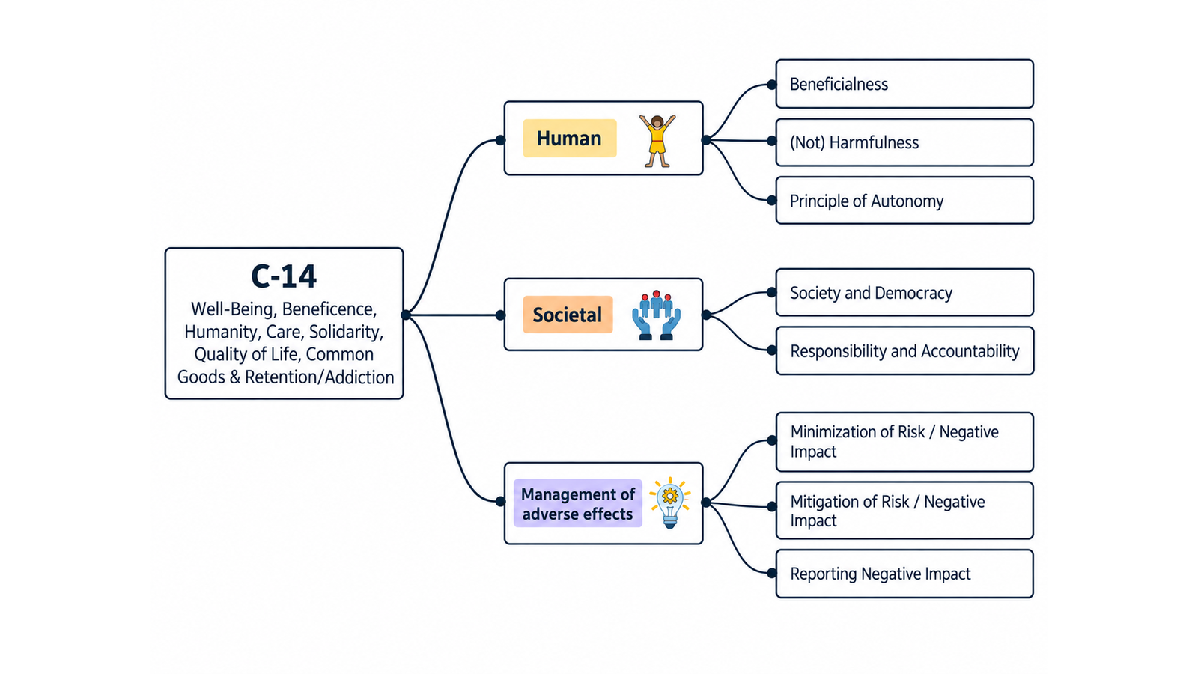
ID | Concern Class | Definition / Scope | Primary Concerns | Question ID | Question | Validation Status | Expert additional comments
C-14 | Well-Being, Beneficence, Humanity, Care, Solidarity, Quality of Life, Common Goods & Retention/Addiction | Positive and negative welfare concerns about whether digital systems contribute to human flourishing, care, quality of life, solidarity and common goods, while avoiding engagement or retention mechanisms that degrade well-being or create compulsive/manipulative use. | Well-Being/Welfare; Beneficence; Humanity; Care; Solidarity; Quality of Life; Common goods; Retention and Addiction | QC1 | The definition and scope appropriately delimit this concern cluster. | Pending expert validation
 |  |  |  | QC2 | The mapping to the selected ethics-label card(s) and characteristic(s) is semantically appropriate. | Pending expert validation
 |  |  |  | QC3 | Using the ethics-label cards and characteristics as a classification mechanism provides a coherent way to organize the concern clusters. | Pending expert validation
 |  |  |  | QC4 | The concerns included in this cluster are conceptually coherent and appropriately grouped together. | Pending expert validation

C-14 — Simplified Operational Catalogue
It is presented six minimum necessary and sufficient recommendation actions. Each action states the outcome to achieve; artifacts are possible evidence, not mandatory formats. Likewise, the SDLC phases and roles are merely suggestions; nothing is set in stone—they serve simply as a guide to be adapted to the company's context.
Know → Protect → Inform → Assess → Verify → Respond |  |  |  |  |  |  | Practical Applicability

Action ID | Cycle | Practical Action | Concerns Covered | Possible Evidence / Artifact | SDLC Phase(s) | Possible Responsible Role(s) | Question ID | Question | Validation Status | Expert observations
C14-A1 | Know | Identify affected people, intended well-being benefits, possible welfare harms, vulnerable users and engagement or retention mechanisms that may undermine healthy use. | Well-Being; Beneficence; Humanity; Care; Solidarity; Quality of Life; Common Goods; Retention/Addiction | Well-being benefit/harm and engagement map | Discovery; Requirements | Product; UX/Research; Domain/Care Experts; Responsible Technology | QC5 | Taken together, the proposed actions adequately cover the main concerns represented by this cluster. | Pending expert validation
C14-A2 | Protect | Implement proportionate safeguards that support beneficial use and prevent manipulative, compulsive or harmful engagement, especially for vulnerable users. | Well-Being; Beneficence; Care; Quality of Life; Retention/Addiction | Well-being and healthy-engagement safeguards | Design; Implementation | Product; UX; Engineering; Domain/Care Experts | QC6 | The proposed possible evidence/artifacts are plausible and sufficiently flexible for use across different organizations. | Pending expert validation
C14-A3 | Inform | Communicate intended benefits, material limitations, engagement effects and available well-being or usage controls in understandable terms. | Well-Being; Beneficence; Quality of Life; Retention/Addiction | Well-being/usage disclosure and controls | Design; Release | Product; UX/Content; Support | QC7 | The proposed possible SDLC phases are plausible and sufficiently flexible for use across different organizations. | Pending expert validation
C14-A4 | Assess | Before release and after material changes, assess likely effects on well-being, care, dignity, justice and common goods with affected users where impact is significant. | Well-Being; Humanity; Care; Solidarity; Quality of Life; Common Goods | Well-being/ethical impact assessment | Requirements; Design; Change | Risk; Domain/Care Experts; UX/Research; Product | QC8 | The proposed possible responsible roles are plausible and sufficiently flexible for use across different organizations. | Pending expert validation
C14-A5 | Verify | Verify claimed benefits and priority safeguards with appropriate user, quality-in-use and safety evidence before release and monitor material outcomes after deployment. | Well-Being; Beneficence; Quality of Life; Retention/Addiction | Well-being effectiveness and safeguard verification record | Verification; Release; Operations | QA; UX/Research; Domain Experts; Data/Analytics
C14-A6 | Respond | Detect harmful engagement or welfare outcomes, provide support and correction routes, and modify or withdraw features when harms exceed accepted limits. | Well-Being; Care; Quality of Life; Retention/Addiction | Well-being incident/complaint and remediation record | Operations; Maintenance | Product; Support; Risk; Domain Experts

C15 Mapping
C-15 — Concern-to-Label Mapping
C-15 interprets Safety, Protection, Prevention of Harm & Non-Maleficence as concerns about preventing unacceptable harm, controlling hazardous behaviour and limiting disproportionate risk under failure, misuse or degraded conditions. Practical implementation is consolidated. |  |  |  | Relevance / Semantic fit and Clarity

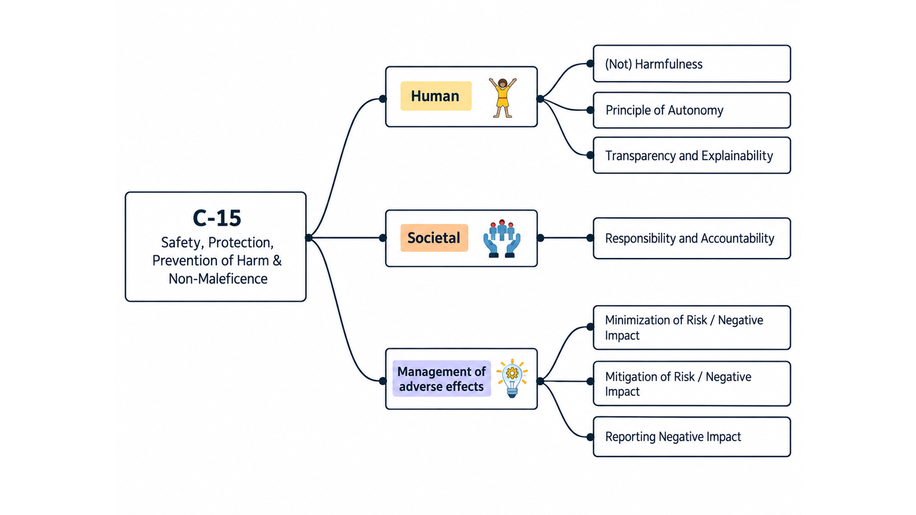
ID | Concern Class | Definition / Scope | Primary Concerns | Question ID | Question | Validation Status | Expert additional comments
C-15 | Safety & Protection | Concerns about preventing unacceptable harm to people, property, organizations or society; protecting users from foreseeable hazardous system behaviour; and designing, verifying and operating systems so failures, misuse and degraded conditions do not create disproportionate risk. | Safety; Protection; Prevention of Harm/Do no Harm; Non-Maleficence | QC1 | The definition and scope appropriately delimit this concern cluster. | Pending expert validation
 |  |  |  | QC2 | The mapping to the selected ethics-label card(s) and characteristic(s) is semantically appropriate. | Pending expert validation
 |  |  |  | QC3 | Using the ethics-label cards and characteristics as a classification mechanism provides a coherent way to organize the concern clusters. | Pending expert validation
 |  |  |  | QC4 | The concerns included in this cluster are conceptually coherent and appropriately grouped together. | Pending expert validation

C-15 — Simplified Operational Catalogue
It is presented six minimum necessary and sufficient recommendation actions. Each action states the outcome to achieve; artifacts are possible evidence, not mandatory formats. Likewise, the SDLC phases and roles are merely suggestions; nothing is set in stone—they serve simply as a guide to be adapted to the company's context.
Know → Protect → Inform → Assess → Verify → Respond |  |  |  |  |  |  | Practical Applicability

Action ID | Cycle | Practical Action | Concerns Covered | Possible Evidence / Artifact | SDLC Phase(s) | Possible Responsible Role(s) | Question ID | Question | Validation Status | Expert observations
C15-A1 | Know | Identify people and assets that could be harmed, intended and foreseeable uses, hazards, unsafe states and the severity and likelihood of potential harm. | Safety; Protection; Prevention of Harm; Non-Maleficence | Hazard and affected-party register | Discovery; Requirements | Safety/Risk; Product; Domain Experts; Architecture | QC5 | Taken together, the proposed actions adequately cover the main concerns represented by this cluster. | Pending expert validation
C15-A2 | Protect | Implement proportionate preventive, protective, fail-safe and human-intervention controls for unacceptable hazards and foreseeable misuse. | Safety; Protection; Prevention of Harm; Non-Maleficence | Safety requirements and control record | Requirements; Design; Implementation | Safety/Risk; Architecture; Engineering; Human Factors | QC6 | The proposed possible evidence/artifacts are plausible and sufficiently flexible for use across different organizations. | Pending expert validation
C15-A3 | Inform | Communicate safe operating conditions, material hazards and limitations, required human oversight and available emergency or fallback actions. | Safety; Protection; Prevention of Harm | Safety information and operating instructions | Design; Release; Operations | Product; Safety/Risk; UX/Content; Operations | QC7 | The proposed possible SDLC phases are plausible and sufficiently flexible for use across different organizations. | Pending expert validation
C15-A4 | Assess | Assess and accept residual safety risk before release and after material changes, considering intended, adverse and foreseeable use and affected-user perspectives. | Safety; Protection; Prevention of Harm; Non-Maleficence | Safety risk/impact assessment | Requirements; Pre-release; Change | Safety/Risk; Domain Experts; Product; Governance | QC8 | The proposed possible responsible roles are plausible and sufficiently flexible for use across different organizations. | Pending expert validation
C15-A5 | Verify | Test safety controls and failure behavior against priority hazards and defined acceptance criteria before deployment, then monitor effectiveness in operation. | Safety; Protection; Prevention of Harm; Non-Maleficence | Safety verification and monitoring record | Verification; Release; Operations | QA/Safety Assurance; Engineering; Operations
C15-A6 | Respond | Detect and contain unsafe behavior, provide timely intervention or withdrawal, investigate harm, communicate as required and implement corrective actions. | Safety; Protection; Prevention of Harm; Non-Maleficence | Safety incident and corrective-action record | Operations; Maintenance | Operations; Safety/Risk; Engineering; Legal/Compliance

