C16 Mapping
C-16 — Concern-to-Label Mapping
C-16 interprets Technical Robustness and Data Quality as concerns about predictable behaviour under faults, uncertainty, load, change and attack, controlled failure and recovery, and sufficiently accurate, complete, consistent and integral data. Practical implementation is consolidated. |  |  |  | Relevance / Semantic fit and Clarity

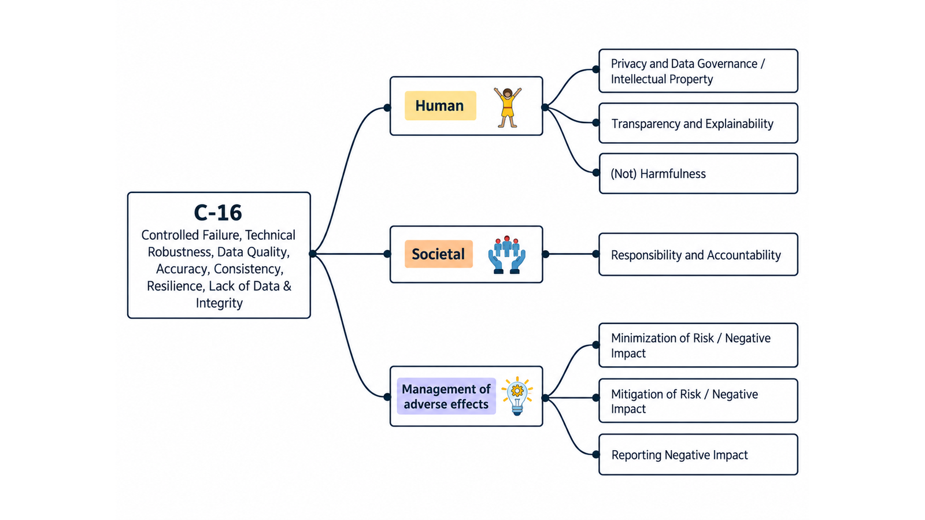
ID | Concern Class | Definition / Scope | Primary Concerns | Question ID | Question | Validation Status | Expert additional comments
C-16 | Technical Robustness & Data Quality | Technical and data-quality concerns about whether systems continue to behave predictably under faults, uncertainty, load, change and attack; fail in controlled ways; recover from disruption; and base outputs on data sufficiently accurate, complete, consistent and integral for the intended context. | Controlled Failure; Technical Robustness; Data Quality; Accuracy; Consistency; Resilience; Lack of Data; Integrity | QC1 | The definition and scope appropriately delimit this concern cluster. | Pending expert validation
 |  |  |  | QC2 | The mapping to the selected ethics-label card(s) and characteristic(s) is semantically appropriate. | Pending expert validation
 |  |  |  | QC3 | Using the ethics-label cards and characteristics as a classification mechanism provides a coherent way to organize the concern clusters. | Pending expert validation
 |  |  |  | QC4 | The concerns included in this cluster are conceptually coherent and appropriately grouped together. | Pending expert validation

C-16 — Simplified Operational Catalogue
It is presented six minimum necessary and sufficient recommendation actions. Each action states the outcome to achieve; artifacts are possible evidence, not mandatory formats. Likewise, the SDLC phases and roles are merely suggestions; nothing is set in stone—they serve simply as a guide to be adapted to the company's context.
Know → Protect → Inform → Assess → Verify → Respond |  |  |  |  |  |  | Practical Applicability

Action ID | Cycle | Practical Action | Concerns Covered | Possible Evidence / Artifact | SDLC Phase(s) | Possible Responsible Role(s) | Question ID | Question | Validation Status | Expert observations
C16-A1 | Know | Define critical functions, operating conditions, failure modes and context-specific data-quality, accuracy, consistency and integrity requirements. | Controlled Failure; Technical Robustness; Data Quality; Accuracy; Consistency; Resilience; Lack of Data; Integrity | Technical/data quality requirements and dependency map | Requirements; Architecture; Data Planning | Product; Architecture; Data/ML; QA | QC5 | Taken together, the proposed actions adequately cover the main concerns represented by this cluster. | Pending expert validation
C16-A2 | Protect | Implement proportionate validation, integrity, robustness, graceful-failure, recovery and resilience controls across data and system components. | Controlled Failure; Technical Robustness; Data Quality; Accuracy; Consistency; Resilience; Integrity | Technical/data control and architecture record | Design; Implementation; Data Engineering | Architecture; Engineering; Data/ML; Operations | QC6 | The proposed possible evidence/artifacts are plausible and sufficiently flexible for use across different organizations. | Pending expert validation
C16-A3 | Inform | Communicate material data gaps, quality limitations, uncertainty, failure behavior and recovery expectations to users and operators. | Controlled Failure; Data Quality; Accuracy; Lack of Data; Integrity | Data/system quality and limitation disclosure | Design; Release | Product; Data/ML; UX/Content; Operations | QC7 | The proposed possible SDLC phases are plausible and sufficiently flexible for use across different organizations. | Pending expert validation
C16-A4 | Assess | Assess technical and data-quality risks before release and after material changes in data, models, dependencies, workload or operating context. | Controlled Failure; Technical Robustness; Data Quality; Accuracy; Consistency; Resilience; Lack of Data; Integrity | Technical/data quality risk assessment | Architecture; Pre-release; Change | Risk; Architecture; Data/ML; QA | QC8 | The proposed possible responsible roles are plausible and sufficiently flexible for use across different organizations. | Pending expert validation
C16-A5 | Verify | Test robustness, controlled failure, recovery and defined data-quality characteristics with repeatable metrics or qualitative evidence, recording exceptions. | Controlled Failure; Technical Robustness; Data Quality; Accuracy; Consistency; Resilience; Integrity | Robustness/data-quality verification record | Verification; Release; Operations | QA; Data/ML; Engineering; Operations
C16-A6 | Respond | Monitor quality degradation and technical failures, contain unreliable outputs, restore acceptable operation and correct data, controls or requirements after incidents. | Controlled Failure; Technical Robustness; Data Quality; Accuracy; Consistency; Resilience; Lack of Data; Integrity | Quality/failure incident and remediation record | Operations; Maintenance | Operations; Data/ML; Engineering; Product

C17 Mapping
C-17 — Concern-to-Label Mapping
C-17 interprets Explainability, Explicability, Communication & Interpretability as concerns about whether relevant stakeholders can understand system behaviour and outputs, reconstruct reasons or provenance, and communicate or contest consequential results. Practical implementation is consolidated. |  |  |  | Relevance / Semantic fit and Clarity

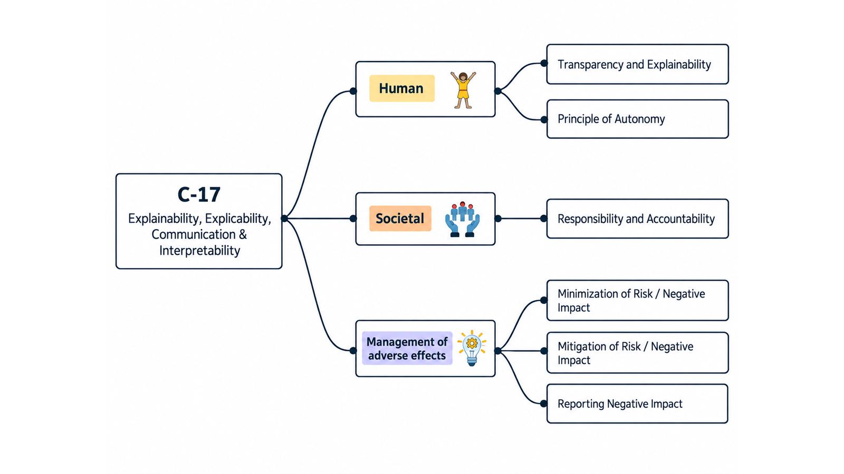
ID | Concern Class | Definition / Scope | Primary Concerns | Question ID | Question | Validation Status | Expert additional comments
C-17 | Explainability & Explicability | Concerns about whether stakeholders can understand system behaviour and outputs at the level needed for their role, reconstruct relevant reasons/provenance, receive clear explanations and limitations, and communicate or contest consequential results. | Explainability; Explicability; Communication; Interpretability | QC1 | The definition and scope appropriately delimit this concern cluster. | Pending expert validation
 |  |  |  | QC2 | The mapping to the selected ethics-label card(s) and characteristic(s) is semantically appropriate. | Pending expert validation
 |  |  |  | QC3 | Using the ethics-label cards and characteristics as a classification mechanism provides a coherent way to organize the concern clusters. | Pending expert validation
 |  |  |  | QC4 | The concerns included in this cluster are conceptually coherent and appropriately grouped together. | Pending expert validation

C-17 — Simplified Operational Catalogue
It is presented six minimum necessary and sufficient recommendation actions. Each action states the outcome to achieve; artifacts are possible evidence, not mandatory formats. Likewise, the SDLC phases and roles are merely suggestions; nothing is set in stone—they serve simply as a guide to be adapted to the company's context.
Know → Protect → Inform → Assess → Verify → Respond |  |  |  |  |  |  | Practical Applicability

Action ID | Cycle | Practical Action | Concerns Covered | Possible Evidence / Artifact | SDLC Phase(s) | Possible Responsible Role(s) | Question ID | Question | Validation Status | Expert observations
C17-A1 | Know | Identify which stakeholders need explanations, for which decisions and actions, and define the required content, timing, level of detail and limitations. | Explainability; Explicability; Communication; Interpretability | Explanation requirements and audience map | Discovery; Requirements | Product; UX/Research; Domain Experts; Data/ML | QC5 | Taken together, the proposed actions adequately cover the main concerns represented by this cluster. | Pending expert validation
C17-A2 | Protect | Implement explanation and interpretability mechanisms that are faithful enough for their intended purpose and connected to relevant system evidence. | Explainability; Explicability; Interpretability | Explanation design and technical evidence record | Design; Implementation | Data/ML; Engineering; UX; Domain Experts | QC6 | The proposed possible evidence/artifacts are plausible and sufficiently flexible for use across different organizations. | Pending expert validation
C17-A3 | Inform | Provide timely, understandable explanations of the system's role, material factors, limitations, responsible party and available recourse when outcomes matter to stakeholders. | Explainability; Communication; Interpretability | User/operator explanation and limitation disclosure | Design; Release; Operation | Product; UX/Content; Data/ML; Support | QC7 | The proposed possible SDLC phases are plausible and sufficiently flexible for use across different organizations. | Pending expert validation
C17-A4 | Assess | Assess explanation risks and trade-offs, including misleading simplification, privacy, security, gaming and whether the selected approach supports the intended decision context. | Explainability; Explicability; Communication; Interpretability | Explanation suitability/risk assessment | Requirements; Design; Change | Risk; Data/ML; Security/Privacy; Domain Experts | QC8 | The proposed possible responsible roles are plausible and sufficiently flexible for use across different organizations. | Pending expert validation
C17-A5 | Verify | Verify explanation fidelity, consistency, comprehensibility and usefulness with representative scenarios and audience-appropriate evidence before release and after material changes. | Explainability; Explicability; Communication; Interpretability | Explanation verification record | Verification; Release; Change | QA; UX/Research; Data/ML; Domain Experts
C17-A6 | Respond | Provide routes to question or contest explanations, correct misleading or outdated explanations and update mechanisms when models, rules or contexts change. | Explainability; Explicability; Communication; Interpretability | Explanation issue/contest and correction record | Operations; Maintenance | Support; Product; Data/ML; Governance

C18 Mapping
C-18 — Concern-to-Label Mapping
C-18 interprets Compliance, Data Governance & Regulatory Approaches as concerns about identifying and satisfying applicable obligations, governing data throughout its lifecycle, documenting compliance decisions and maintaining auditable governance. Practical implementation is consolidated. |  |  |  | Relevance / Semantic fit and Clarity

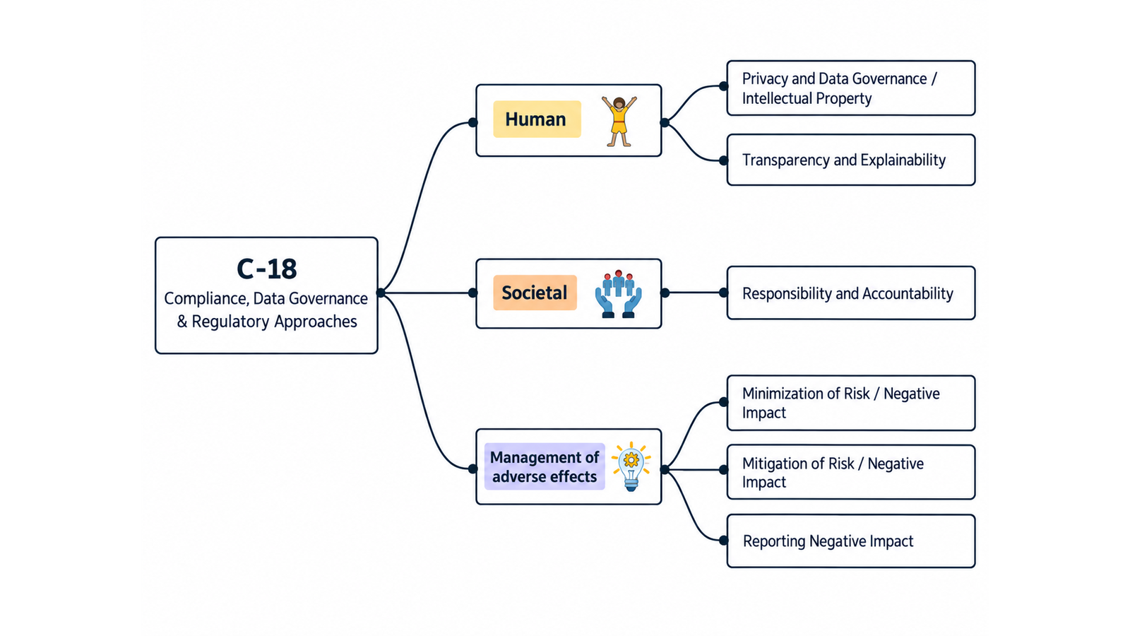
ID | Concern Class | Definition / Scope | Primary Concerns | Question ID | Question | Validation Status | Expert additional comments
C-18 | Compliance, Data Governance & Regulatory Approaches | Concerns about identifying and satisfying applicable legal, regulatory, policy and organizational obligations; governing data responsibly throughout its lifecycle; documenting compliance decisions; and choosing regulatory/governance approaches that remain auditable and responsive to change. | Compliance; Data Governance; Regulatory Approaches | QC1 | The definition and scope appropriately delimit this concern cluster. | Pending expert validation
 |  |  |  | QC2 | The mapping to the selected ethics-label card(s) and characteristic(s) is semantically appropriate. | Pending expert validation
 |  |  |  | QC3 | Using the ethics-label cards and characteristics as a classification mechanism provides a coherent way to organize the concern clusters. | Pending expert validation
 |  |  |  | QC4 | The concerns included in this cluster are conceptually coherent and appropriately grouped together. | Pending expert validation

C-18 — Simplified Operational Catalogue
It is presented six minimum necessary and sufficient recommendation actions. Each action states the outcome to achieve; artifacts are possible evidence, not mandatory formats. Likewise, the SDLC phases and roles are merely suggestions; nothing is set in stone—they serve simply as a guide to be adapted to the company's context.
Know → Protect → Inform → Assess → Verify → Respond |  |  |  |  |  |  | Practical Applicability

Action ID | Cycle | Practical Action | Concerns Covered | Possible Evidence / Artifact | SDLC Phase(s) | Possible Responsible Role(s) | Question ID | Question | Validation Status | Expert observations
C18-A1 | Know | Identify applicable laws, regulations, standards, policies and data-governance obligations, their scope, owners and required evidence. | Compliance; Data Governance; Regulatory Approaches | Obligation and data-governance register | Discovery; Requirements | Legal/Compliance; Data Governance; Product; Risk | QC5 | Taken together, the proposed actions adequately cover the main concerns represented by this cluster. | Pending expert validation
C18-A2 | Protect | Translate applicable obligations into proportionate requirements, data-lifecycle controls, approvals and accountable ownership within development and operation. | Compliance; Data Governance; Regulatory Approaches | Compliance/data controls and ownership record | Requirements; Design; Implementation | Legal/Compliance; Data Governance; Architecture; Engineering | QC6 | The proposed possible evidence/artifacts are plausible and sufficiently flexible for use across different organizations. | Pending expert validation
C18-A3 | Inform | Provide required and ethically material notices, records and disclosures to users, operators, auditors and authorities, supported by current evidence. | Compliance; Data Governance; Regulatory Approaches | Compliance/ethics evidence and disclosure package | Design; Release; Operations | Legal/Compliance; Product; Data Governance; UX/Content | QC7 | The proposed possible SDLC phases are plausible and sufficiently flexible for use across different organizations. | Pending expert validation
C18-A4 | Assess | Before release and after material changes, assess compliance and data-governance risks, including high-impact automated decisions and available recourse where applicable. | Compliance; Data Governance; Regulatory Approaches | Compliance/data impact assessment | Requirements; Pre-release; Change | Legal/Compliance; Risk; Data Governance; Product | QC8 | The proposed possible responsible roles are plausible and sufficiently flexible for use across different organizations. | Pending expert validation
C18-A5 | Verify | Verify that implemented controls and records satisfy mapped obligations and that public ethical, responsible or trustworthy claims have sufficient supporting evidence. | Compliance; Data Governance; Regulatory Approaches | Compliance verification and claim-evidence record | Verification; Release; Audit | Compliance Assurance; QA; Data Governance; Internal Audit
C18-A6 | Respond | Monitor regulatory and processing changes, investigate nonconformities, preserve required records, report where required and implement corrective actions. | Compliance; Data Governance; Regulatory Approaches | Nonconformity/regulatory-change and corrective-action record | Operations; Maintenance | Legal/Compliance; Data Governance; Product; Internal Audit

