C19 Mapping
C-19 — Concern-to-Label Mapping
C-19 interprets Professional Ethics, Work Ethics, Business Ethics & Competence as concerns about professional conduct, integrity, independent judgment, duties to stakeholders and ensuring that people undertaking software responsibilities are appropriately qualified. Practical implementation is consolidated. |  |  |  | Relevance / Semantic fit and Clarity

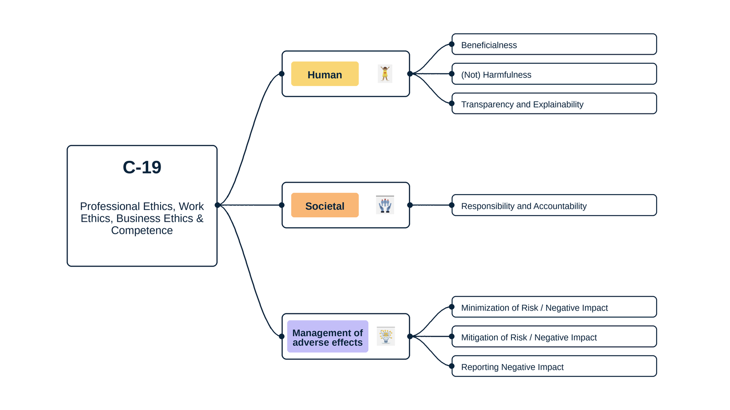
ID | Concern Class | Definition / Scope | Primary Concerns | Question ID | Question | Validation Status | Expert additional comments
C-19 | Professional Ethics & Competence | Concerns about professional conduct, competence, integrity, independent judgment, duties to the public, employers/clients and colleagues, ethical business decision-making, and ensuring that people performing or approving software work are qualified for the responsibilities they assume. | Professional Ethics; Work Ethics; Business Ethics; Competence | QC1 | The definition and scope appropriately delimit this concern cluster. | Pending expert validation
 |  |  |  | QC2 | The mapping to the selected ethics-label card(s) and characteristic(s) is semantically appropriate. | Pending expert validation
 |  |  |  | QC3 | Using the ethics-label cards and characteristics as a classification mechanism provides a coherent way to organize the concern clusters. | Pending expert validation
 |  |  |  | QC4 | The concerns included in this cluster are conceptually coherent and appropriately grouped together. | Pending expert validation

C-19 — Simplified Operational Catalogue
It is presented six minimum necessary and sufficient recommendation actions. Each action states the outcome to achieve; artifacts are possible evidence, not mandatory formats. Likewise, the SDLC phases and roles are merely suggestions; nothing is set in stone—they serve simply as a guide to be adapted to the company's context.
Know → Protect → Inform → Assess → Verify → Respond |  |  |  |  |  |  | Practical Applicability

Action ID | Cycle | Practical Action | Concerns Covered | Possible Evidence / Artifact | SDLC Phase(s) | Possible Responsible Role(s) | Question ID | Question | Validation Status | Expert observations
C19-A1 | Know | Identify ethical duties, required competencies, decision authority, incentives and conflicts relevant to each material system responsibility. | Professional Ethics; Work Ethics; Business Ethics; Competence | Ethics/competence and responsibility register | Planning; Requirements | Management; HR/People; Product; Ethics/Compliance | QC5 | Taken together, the proposed actions adequately cover the main concerns represented by this cluster. | Pending expert validation
C19-A2 | Protect | Assign qualified people, provide necessary ethics methods and training, and establish independence, escalation and refusal safeguards for material ethical decisions. | Professional Ethics; Work Ethics; Business Ethics; Competence | Role/competence and ethical decision controls | Planning; Development | Management; HR/People; Ethics/Compliance; Technical Leads | QC6 | The proposed possible evidence/artifacts are plausible and sufficiently flexible for use across different organizations. | Pending expert validation
C19-A3 | Inform | Communicate professional obligations, decision ownership, unresolved ethical trade-offs and evidence limits to relevant team members and stakeholders. | Professional Ethics; Work Ethics; Business Ethics; Competence | Ethical decision and escalation communication | Requirements; Design; Release | Management; Product; Ethics/Compliance | QC7 | The proposed possible SDLC phases are plausible and sufficiently flexible for use across different organizations. | Pending expert validation
C19-A4 | Assess | Assess whether the team has sufficient competence, independence and ethical governance for the system's risks before major decisions and release. | Professional Ethics; Work Ethics; Business Ethics; Competence | Competence/ethics governance assessment | Planning; Pre-release; Change | Management; HR/People; Risk; Ethics/Compliance | QC8 | The proposed possible responsible roles are plausible and sufficiently flexible for use across different organizations. | Pending expert validation
C19-A5 | Verify | Verify that material ethics commitments are connected to implemented controls, evidence and accountable owners, and that required competencies remain current. | Professional Ethics; Work Ethics; Business Ethics; Competence | Ethics commitment/control and competence verification record | Verification; Audit | Internal Audit; Ethics/Compliance; Management
C19-A6 | Respond | Provide protected routes to raise concerns, escalate unresolved trade-offs, correct misconduct or competence gaps and learn from ethical failures. | Professional Ethics; Work Ethics; Business Ethics; Competence | Ethics concern and corrective-action record | Operations; Maintenance | Management; HR/People; Ethics/Compliance; Legal

C20 Mapping
C-20 — Concern-to-Label Mapping
C-20 interprets Utility, Usefulness & Usability as concerns about whether a system is fit for purpose, produces useful outcomes and can be used effectively, efficiently and satisfactorily in its intended context. Practical implementation is consolidated. |  |  |  | Relevance / Semantic fit and Clarity

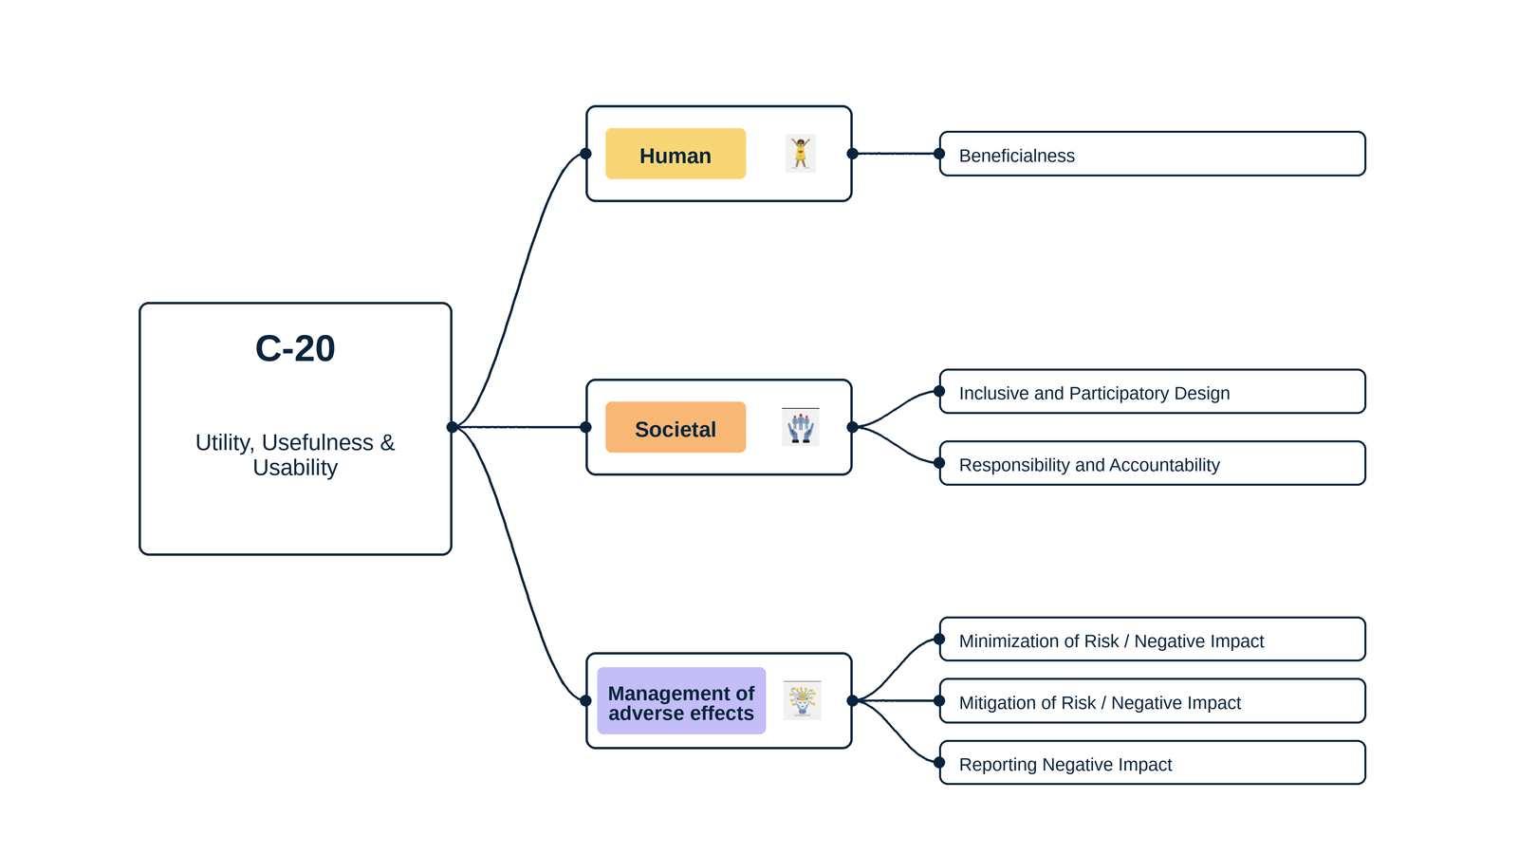
ID | Concern Class | Definition / Scope | Primary Concerns | Question ID | Question | Validation Status | Expert additional comments
C-20 | Utility, Usefulness & Usability | Concerns about whether a system is fit for its intended purpose, provides useful outcomes, and can be used effectively, efficiently and satisfactorily by intended users in the specified context of use. | Utility; Usefulness; Usability | QC1 | The definition and scope appropriately delimit this concern cluster. | Pending expert validation
 |  |  |  | QC2 | The mapping to the selected ethics-label card(s) and characteristic(s) is semantically appropriate. | Pending expert validation
 |  |  |  | QC3 | Using the ethics-label cards and characteristics as a classification mechanism provides a coherent way to organize the concern clusters. | Pending expert validation
 |  |  |  | QC4 | The concerns included in this cluster are conceptually coherent and appropriately grouped together. | Pending expert validation

C-20 — Simplified Operational Catalogue
It is presented six minimum necessary and sufficient recommendation actions. Each action states the outcome to achieve; artifacts are possible evidence, not mandatory formats. Likewise, the SDLC phases and roles are merely suggestions; nothing is set in stone—they serve simply as a guide to be adapted to the company's context.
Know → Protect → Inform → Assess → Verify → Respond |  |  |  |  |  |  | Practical Applicability

Action ID | Cycle | Practical Action | Concerns Covered | Possible Evidence / Artifact | SDLC Phase(s) | Possible Responsible Role(s) | Question ID | Question | Validation Status | Expert observations
C20-A1 | Know | Define intended users, contexts, goals and priority tasks, and specify what useful, effective, efficient and satisfactory use means for them. | Utility; Usefulness; Usability | Context-of-use and usability requirements | Discovery; Requirements | Product; UX/Research; Domain Experts | QC5 | Taken together, the proposed actions adequately cover the main concerns represented by this cluster. | Pending expert validation
C20-A2 | Protect | Design and implement interaction, content and assistance that enable intended users to complete priority tasks without avoidable error or burden. | Utility; Usefulness; Usability | Usability design and implemented interface | Design; Implementation | UX; Engineering; Product; Accessibility | QC6 | The proposed possible evidence/artifacts are plausible and sufficiently flexible for use across different organizations. | Pending expert validation
C20-A3 | Inform | Provide timely and understandable instructions, feedback, limitations and controls at the points where users need them to act successfully. | Utility; Usefulness; Usability | User guidance and in-product feedback | Design; Implementation; Release | UX/Content; Product; Support | QC7 | The proposed possible SDLC phases are plausible and sufficiently flexible for use across different organizations. | Pending expert validation
C20-A4 | Assess | Assess whether the proposed system and interactions are fit for intended users and contexts, including foreseeable barriers and consequences of use errors. | Utility; Usefulness; Usability | Usability/usefulness risk and design assessment | Requirements; Design; Change | UX/Research; Product; Risk; Domain Experts | QC8 | The proposed possible responsible roles are plausible and sufficiently flexible for use across different organizations. | Pending expert validation
C20-A5 | Verify | Test priority tasks with representative users or equivalent evidence and confirm defined effectiveness, efficiency, satisfaction and comprehension criteria before release. | Utility; Usefulness; Usability | Usability/task-based verification record | Verification; Release | UX/Research; QA; Product
C20-A6 | Respond | Monitor task failures, abandonment, support requests and user feedback, then correct material usability or usefulness problems and revalidate affected journeys. | Utility; Usefulness; Usability | Usability issue and remediation record | Operations; Maintenance | Product; Support; UX; Engineering

C21 Mapping
C-21 — Concern-to-Label Mapping
C-21 interprets Freedom, Human Agency, Autonomy & Dignity as concerns about preserving self-determination, meaningful choice, freedom from unjustified constraint or manipulation, the ability to intervene, and respect for human dignity. Practical implementation is consolidated. |  |  |  | Relevance / Semantic fit and Clarity

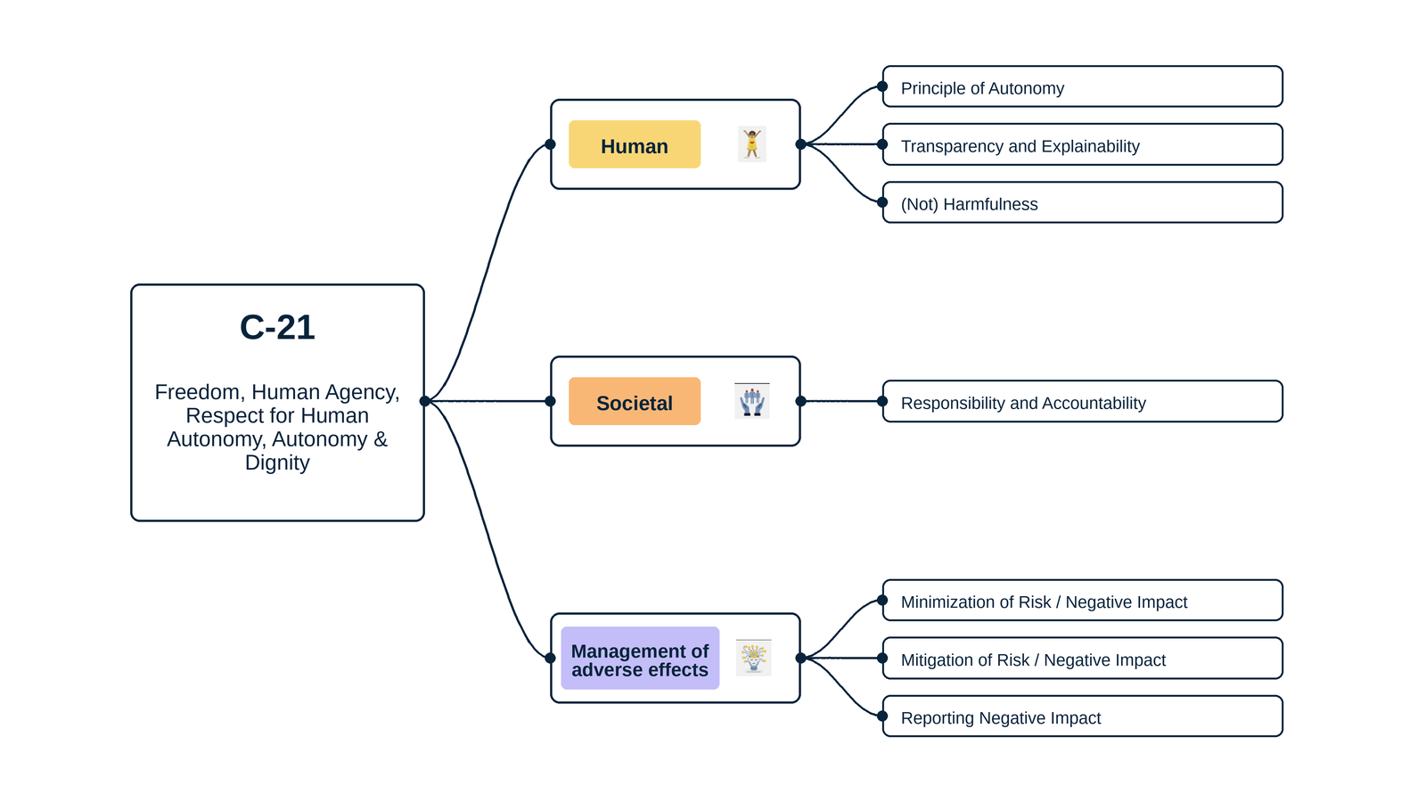
ID | Concern Class | Definition / Scope | Primary Concerns | Question ID | Question | Validation Status | Expert additional comments
C-21 | Freedom & Autonomy | Concerns about preserving human self-determination, meaningful choice, freedom from unjustified constraint/manipulation, the ability to act and intervene, and respect for the inherent dignity and agency of persons affected by digital systems. | Freedom; Human Agency; Respect for Human Autonomy; Autonomy; Dignity | QC1 | The definition and scope appropriately delimit this concern cluster. | Pending expert validation
 |  |  |  | QC2 | The mapping to the selected ethics-label card(s) and characteristic(s) is semantically appropriate. | Pending expert validation
 |  |  |  | QC3 | Using the ethics-label cards and characteristics as a classification mechanism provides a coherent way to organize the concern clusters. | Pending expert validation
 |  |  |  | QC4 | The concerns included in this cluster are conceptually coherent and appropriately grouped together. | Pending expert validation

C-21 — Simplified Operational Catalogue
It is presented six minimum necessary and sufficient recommendation actions. Each action states the outcome to achieve; artifacts are possible evidence, not mandatory formats. Likewise, the SDLC phases and roles are merely suggestions; nothing is set in stone—they serve simply as a guide to be adapted to the company's context.
Know → Protect → Inform → Assess → Verify → Respond |  |  |  |  |  |  | Practical Applicability

Action ID | Cycle | Practical Action | Concerns Covered | Possible Evidence / Artifact | SDLC Phase(s) | Possible Responsible Role(s) | Question ID | Question | Validation Status | Expert observations
C21-A1 | Know | Identify decisions and interactions that may constrain choice, manipulate behavior, affect dignity or reduce meaningful human agency, especially for vulnerable users. | Freedom; Human Agency; Respect for Human Autonomy; Autonomy; Dignity | Autonomy/agency impact map | Discovery; Requirements | Product; UX/Research; Domain Experts; Responsible Technology | QC5 | Taken together, the proposed actions adequately cover the main concerns represented by this cluster. | Pending expert validation
C21-A2 | Protect | Implement proportionate choice, refusal, override, human-review and fallback safeguards that preserve agency and dignity in consequential interactions. | Freedom; Human Agency; Respect for Human Autonomy; Autonomy; Dignity | Autonomy safeguards and human-intervention design | Requirements; Design; Implementation | Product; UX; Engineering; Human Oversight | QC6 | The proposed possible evidence/artifacts are plausible and sufficiently flexible for use across different organizations. | Pending expert validation
C21-A3 | Inform | Clearly explain when automation is used, its effect on the person, available choices, responsible party and how to obtain human assistance or review. | Freedom; Human Agency; Autonomy; Dignity | Automation/choice and human-review information | Design; Release; Operation | Product; UX/Content; Support; Governance | QC7 | The proposed possible SDLC phases are plausible and sufficiently flexible for use across different organizations. | Pending expert validation
C21-A4 | Assess | Assess autonomy, manipulation, dependency and dignity risks with affected users before release and after material changes to consequential automation. | Freedom; Human Agency; Respect for Human Autonomy; Autonomy; Dignity | Autonomy/dignity impact assessment | Requirements; Design; Change | Risk; UX/Research; Domain Experts; Responsible Technology | QC8 | The proposed possible responsible roles are plausible and sufficiently flexible for use across different organizations. | Pending expert validation
C21-A5 | Verify | Test whether people can understand and exercise choices, refusal, override and human-review routes, and whether those routes produce effective intervention. | Freedom; Human Agency; Autonomy; Dignity | Autonomy/control and human-review verification record | Verification; Release; Operations | QA; UX/Research; Human Oversight; Support
C21-A6 | Respond | Provide routes to challenge autonomy or dignity harms, intervene in consequential outcomes and modify or suspend features when safeguards fail. | Freedom; Human Agency; Respect for Human Autonomy; Autonomy; Dignity | Autonomy concern/appeal and remediation record | Operations; Maintenance | Support; Human Oversight; Product; Governance

