C22 Mapping
C-22 — Concern-to-Label Mapping
C-22 interprets Accountability, Liability, Responsibility, Contestability & Oversight as governance concerns about answerability, allocation of responsibility or liability, mechanisms for challenge, and human or institutional review and intervention. Practical implementation is consolidated. |  |  |  | Relevance / Semantic fit and Clarity

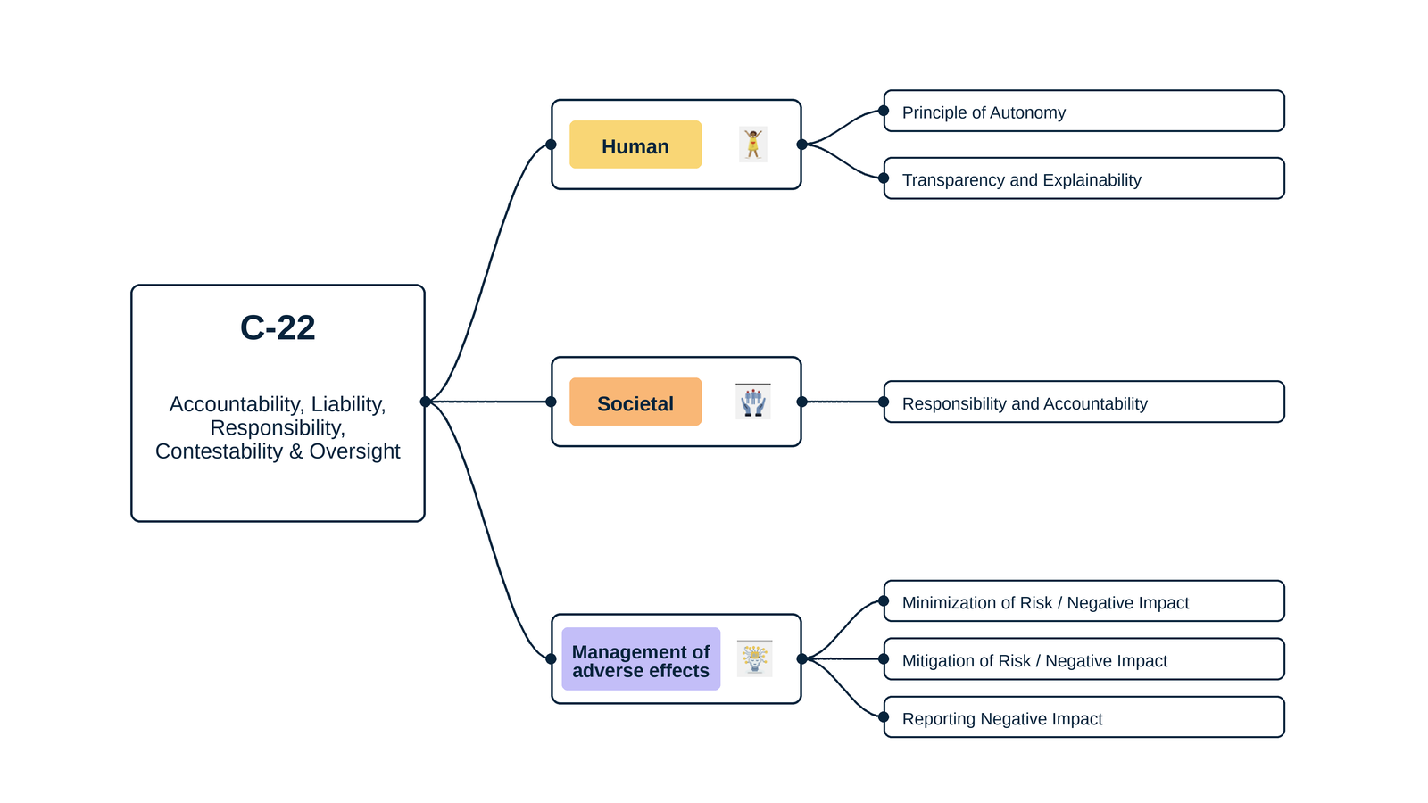
ID | Concern Class | Definition / Scope | Primary Concerns | Question ID | Question | Validation Status | Expert additional comments
C-22 | Accountability & Responsibility | Governance concerns about who is answerable for system decisions and harms, who bears legal or organizational liability, how decisions can be challenged, and what human or institutional oversight is required to review, intervene, correct and learn. | Accountability; Liability; Responsibility; Contestability; Oversight | QC1 | The definition and scope appropriately delimit this concern cluster. | Pending expert validation
 |  |  |  | QC2 | The mapping to the selected ethics-label card(s) and characteristic(s) is semantically appropriate. | Pending expert validation
 |  |  |  | QC3 | Using the ethics-label cards and characteristics as a classification mechanism provides a coherent way to organize the concern clusters. | Pending expert validation
 |  |  |  | QC4 | The concerns included in this cluster are conceptually coherent and appropriately grouped together. | Pending expert validation

C-22 — Simplified Operational Catalogue
It is presented six minimum necessary and sufficient recommendation actions. Each action states the outcome to achieve; artifacts are possible evidence, not mandatory formats. Likewise, the SDLC phases and roles are merely suggestions; nothing is set in stone—they serve simply as a guide to be adapted to the company's context.
Know → Protect → Inform → Assess → Verify → Respond |  |  |  |  |  |  | Practical Applicability

Action ID | Cycle | Practical Action | Concerns Covered | Possible Evidence / Artifact | SDLC Phase(s) | Possible Responsible Role(s) | Question ID | Question | Validation Status | Expert observations
C22-A1 | Know | Identify accountable owners, decision authority, oversight responsibilities, applicable liability, affected stakeholders and decisions requiring contest or review. | Accountability; Liability; Responsibility; Contestability; Oversight | Accountability/decision and recourse map | Planning; Requirements | Management; Product; Legal/Compliance; Risk | QC5 | Taken together, the proposed actions adequately cover the main concerns represented by this cluster. | Pending expert validation
C22-A2 | Protect | Implement governance, logging, human-oversight and recourse controls that enable responsible decisions, intervention, correction and evidence preservation. | Accountability; Responsibility; Contestability; Oversight | Accountability/oversight and recourse controls | Design; Implementation | Product; Engineering; Human Oversight; Governance | QC6 | The proposed possible evidence/artifacts are plausible and sufficiently flexible for use across different organizations. | Pending expert validation
C22-A3 | Inform | Communicate responsible parties, material decision criteria, oversight arrangements and how affected people can question, contest or seek correction. | Accountability; Responsibility; Contestability; Oversight | Accountability and contestability notice/process | Design; Release; Operation | Product; UX/Content; Support; Legal/Compliance | QC7 | The proposed possible SDLC phases are plausible and sufficiently flexible for use across different organizations. | Pending expert validation
C22-A4 | Assess | Assess accountability gaps, oversight capacity, liability exposure and effectiveness of recourse before release and after material changes or expansion. | Accountability; Liability; Responsibility; Contestability; Oversight | Accountability/oversight impact assessment | Requirements; Pre-release; Change | Risk; Legal/Compliance; Product; Human Oversight | QC8 | The proposed possible responsible roles are plausible and sufficiently flexible for use across different organizations. | Pending expert validation
C22-A5 | Verify | Test decision logging, human intervention, contest and correction workflows, and confirm material accountability claims are supported by current evidence. | Accountability; Responsibility; Contestability; Oversight | Oversight/recourse verification record | Verification; Release; Audit | QA; Internal Audit; Human Oversight; Support
C22-A6 | Respond | Investigate contested decisions and harms, provide timely review and correction, escalate systemic failures, preserve records and assign corrective actions. | Accountability; Liability; Responsibility; Contestability; Oversight | Contest/incident and corrective-action record | Operations; Maintenance | Support; Human Oversight; Legal/Compliance; Product

C23 Mapping
C-23 — Concern-to-Label Mapping
C-23 interprets Sustainability & Environmental Impact as concerns about energy, greenhouse-gas, water and other resource burdens across the digital-system lifecycle and whether system use promotes or undermines sustainable outcomes. Practical implementation is consolidated. |  |  |  | Relevance / Semantic fit and Clarity

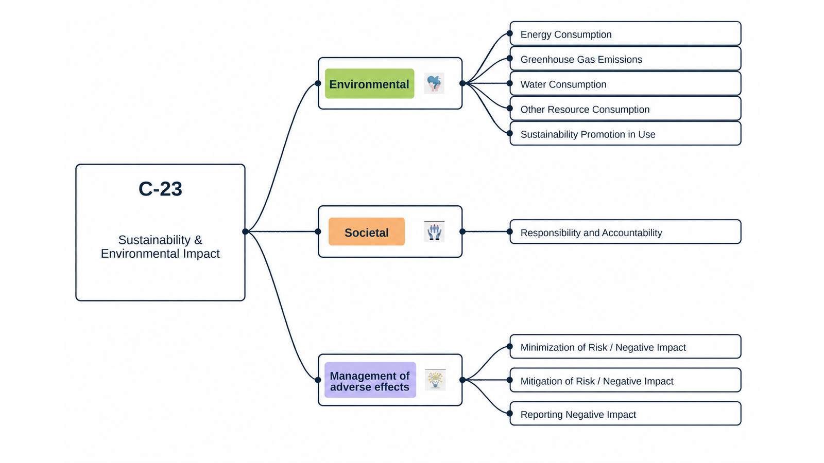
ID | Concern Class | Definition / Scope | Primary Concerns | Question ID | Question | Validation Status | Expert additional comments
C-23 | Sustainability & Environmental Impact | Environmental and long-horizon concerns about the energy, greenhouse-gas, water and other resource burdens of digital systems across their lifecycle, as well as whether system use promotes or undermines more sustainable behaviour and outcomes. | Sustainability; Environmental Impact | QC1 | The definition and scope appropriately delimit this concern cluster. | Pending expert validation
 |  |  |  | QC2 | The mapping to the selected ethics-label card(s) and characteristic(s) is semantically appropriate. | Pending expert validation
 |  |  |  | QC3 | Using the ethics-label cards and characteristics as a classification mechanism provides a coherent way to organize the concern clusters. | Pending expert validation
 |  |  |  | QC4 | The concerns included in this cluster are conceptually coherent and appropriately grouped together. | Pending expert validation

C-23 — Simplified Operational Catalogue
It is presented six minimum necessary and sufficient recommendation actions. Each action states the outcome to achieve; artifacts are possible evidence, not mandatory formats. Likewise, the SDLC phases and roles are merely suggestions; nothing is set in stone—they serve simply as a guide to be adapted to the company's context.
Know → Protect → Inform → Assess → Verify → Respond |  |  |  |  |  |  | Practical Applicability

Action ID | Cycle | Practical Action | Concerns Covered | Possible Evidence / Artifact | SDLC Phase(s) | Possible Responsible Role(s) | Question ID | Question | Validation Status | Expert observations
C23-A1 | Know | Identify material lifecycle energy, emissions, water, hardware and other resource impacts and, where relevant, the sustainability behaviours or outcomes the system is intended or claimed to promote through use; document boundaries, baselines, assumptions, dependencies and owners. | Sustainability; Environmental Impact | Environmental footprint and sustainability-in-use scope | Discovery; Requirements; Architecture; Procurement | Product; Sustainability; Domain Experts; Architecture; Operations; Procurement | QC5 | Taken together, the proposed actions adequately cover the main concerns represented by this cluster. | Pending expert validation
C23-A2 | Protect | Implement proportionate design, infrastructure, data/model and operational measures to reduce the system's environmental burden and, where applicable, enable the intended sustainable behaviour or outcome through use. | Sustainability; Environmental Impact | Environmental reduction and sustainability-in-use design record | Requirements; Design; Implementation; Deployment | Product; Sustainability; Domain Experts; Architecture; Engineering; Data/ML; Operations | QC6 | The proposed possible evidence/artifacts are plausible and sufficiently flexible for use across different organizations. | Pending expert validation
C23-A3 | Inform | Communicate material environmental impacts and any claimed sustainability-in-use benefits, including methods, baselines, assumptions, limitations and improvement commitments, to relevant stakeholders. | Sustainability; Environmental Impact | Environmental impact and sustainability-in-use disclosure | Design; Release; Reporting | Product; Sustainability; Domain Experts; Communications; Governance | QC7 | The proposed possible SDLC phases are plausible and sufficiently flexible for use across different organizations. | Pending expert validation
C23-A4 | Assess | Assess environmental risks and alternatives before major decisions and, where sustainability benefits through use are intended or claimed, evaluate the relevant baseline, causal assumptions, trade-offs, rebound or displacement effects and expected outcomes. | Sustainability; Environmental Impact | Environmental and sustainability-in-use impact assessment | Discovery; Requirements; Architecture; Pre-release; Change | Product; Sustainability; Domain Experts; Risk; Architecture | QC8 | The proposed possible responsible roles are plausible and sufficiently flexible for use across different organizations. | Pending expert validation
C23-A5 | Verify | Measure and review material environmental indicators using a documented method and, where applicable, verify whether sustainability outcomes promoted through use occur against an appropriate baseline or documented proxy. | Sustainability; Environmental Impact | Environmental measurement and sustainability-in-use outcome verification record | Verification; Deployment; Operations; Periodic Review | Sustainability; Product Analytics; Domain Experts; Operations; QA/Internal Audit
C23-A6 | Respond | Monitor material environmental deviations, scale or rebound effects and unrealised or adverse sustainability-in-use outcomes; investigate causes, update targets or controls and correct misleading claims. | Sustainability; Environmental Impact | Environmental and sustainability-in-use corrective-action record | Operations; Maintenance | Product; Sustainability; Domain Experts; Operations; Governance

C24 Mapping
C-24 — Concern-to-Label Mapping
C-24 interprets Awareness, Informed Consent, Self-Conception, Communication & Participation as concerns about understandable communication, meaningful awareness and consent, participation in decisions, and safeguards where digital systems may affect identity or self-conception. Practical implementation is consolidated. |  |  |  | Relevance / Semantic fit and Clarity

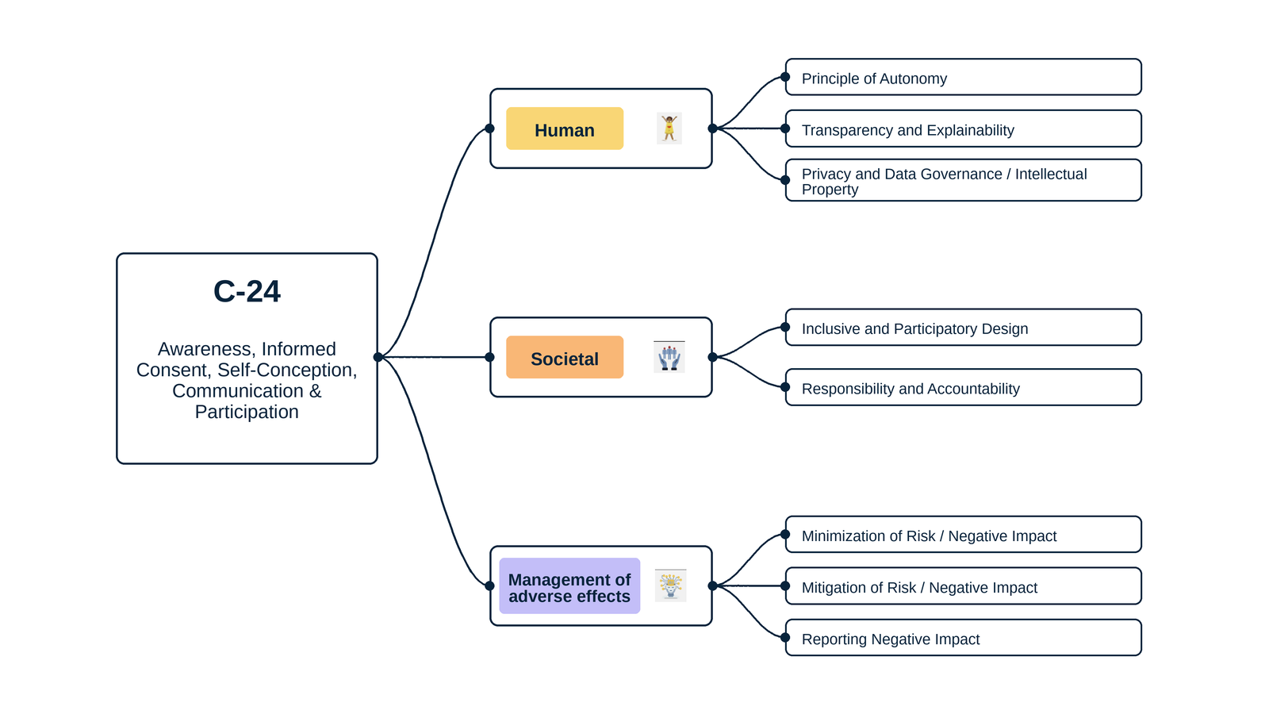
ID | Concern Class | Definition / Scope | Primary Concerns | Question ID | Question | Validation Status | Expert additional comments
C-24 | Awareness & Communication | Concerns about whether people are aware of material system practices and consequences, receive understandable communication, can give genuinely informed and voluntary consent where consent is relevant, can participate in decisions affecting them, and are not subjected to system interactions that materially distort self-conception or identity without appropriate safeguards. | Awareness; Informed Consent; Self-Conception; Communication; Participation | QC1 | The definition and scope appropriately delimit this concern cluster. | Pending expert validation
 |  |  |  | QC2 | The mapping to the selected ethics-label card(s) and characteristic(s) is semantically appropriate. | Pending expert validation
 |  |  |  | QC3 | Using the ethics-label cards and characteristics as a classification mechanism provides a coherent way to organize the concern clusters. | Pending expert validation
 |  |  |  | QC4 | The concerns included in this cluster are conceptually coherent and appropriately grouped together. | Pending expert validation

C-24 — Simplified Operational Catalogue
It is presented six minimum necessary and sufficient recommendation actions. Each action states the outcome to achieve; artifacts are possible evidence, not mandatory formats. Likewise, the SDLC phases and roles are merely suggestions; nothing is set in stone—they serve simply as a guide to be adapted to the company's context.
Know → Protect → Inform → Assess → Verify → Respond |  |  |  |  |  |  | Practical Applicability

Action ID | Cycle | Practical Action | Concerns Covered | Possible Evidence / Artifact | SDLC Phase(s) | Possible Responsible Role(s) | Question ID | Question | Validation Status | Expert observations
C24-A1 | Know | Identify material practices and consequences people must understand, where consent is relevant, whose participation is needed and possible effects on identity or self-conception. | Awareness; Informed Consent; Self-Conception; Communication; Participation | Awareness/consent and participation requirements map | Discovery; Requirements | Product; UX/Research; Privacy/Legal; Responsible Technology | QC5 | Taken together, the proposed actions adequately cover the main concerns represented by this cluster. | Pending expert validation
C24-A2 | Protect | Implement clear choice and consent controls, safeguards against manipulation or identity harm, and participation mechanisms that can influence material decisions. | Informed Consent; Self-Conception; Participation | Consent/choice and participation controls | Design; Implementation | UX; Engineering; Privacy/Legal; Product | QC6 | The proposed possible evidence/artifacts are plausible and sufficiently flexible for use across different organizations. | Pending expert validation
C24-A3 | Inform | Provide timely, contextual and understandable information before relevant choices or system interactions, linking disclosures to controls and responsible contacts. | Awareness; Informed Consent; Communication | Contextual notice/consent and communication interface | Design; Implementation; Release | UX/Content; Product; Privacy/Legal | QC7 | The proposed possible SDLC phases are plausible and sufficiently flexible for use across different organizations. | Pending expert validation
C24-A4 | Assess | Assess awareness, voluntariness, participation and self-conception risks with affected people before release and after material changes to practices or interactions. | Awareness; Informed Consent; Self-Conception; Communication; Participation | Awareness/consent and participation impact assessment | Requirements; Design; Change | UX/Research; Risk; Privacy/Legal; Responsible Technology | QC8 | The proposed possible responsible roles are plausible and sufficiently flexible for use across different organizations. | Pending expert validation
C24-A5 | Verify | Verify comprehension and task success for material notices, choices and participation routes, and reconcile disclosures with actual system and data behavior. | Awareness; Informed Consent; Communication; Participation | Comprehension/choice and disclosure verification record | Verification; Release; Change | QA; UX/Research; Product; Privacy
C24-A6 | Respond | Provide routes to withdraw or change choices where applicable, raise concerns and receive feedback on participation outcomes, correcting misleading communication or failed controls. | Awareness; Informed Consent; Self-Conception; Communication; Participation | Choice/participation concern and remediation record | Operations; Maintenance | Support; Product; Privacy/Legal; UX

