legend
Sheet | Description
reference | Reference values used across spreasheet: - Fix type list = how and by who an issue will be fixed - Mapping between legacy language and category = categorize legacy types - Impact table cross category / issue type and default fix type = represent the severity of an issue
transform | List of all files w/ transform status and all transform issues
transform-ba-utils-fail | List of all transform issues which produces BluAgeUtils::fail
refactor | List of all files w/ refactor status and all refactor issues
generate | List of all files w/ generate status and all generate issues
generate-ba-utils-fail | List of all generate issues which produces BluAgeUtils::fail
statistics | Pivot tables for each sheets transform/refactor/generate to illustrate occurrence of an issue accros multiple files of same type
summary | List of all files w/ transform/refactor/generate statuses and issues counts
metrics | Metrics based file type and statuses (includes #files, #LOC, #issues, …)
evaluation | Transform issues group by issue message and artefact type. In this sheet, you can modify the evaluation fix type column to compute the effort automatically.
effort | Resolver repartition effort between project and product teams.
weather | Weather representation of the current status - One square is created per artefact type - The size of the square depends on the total number of LOC of all artefacts of the type - The square contains 2 levels of region (on 2nd level is inside the 1st level) - The 1st level is the percentage of LOC all artefacts of the type with a status (status color can be found in reference sheet) - The 2nd level is a percentage on the average of how many artefacts of the 1st level region an issue fix (fix color can be found in reference sheet)
weather | 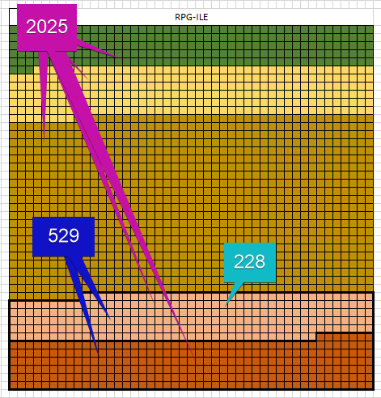 Example: - Report configuration -- Basis size of square side: 5 (5 rows x 5 columns = 25 squares) -- Maximum scale: 40 (until square side size: 45 = 5 + 40) - Artefact type: RPG-ILE -- Number of artefacts: 983 -- Number of LOC: 1 016 355 -- Scale: 40 / biggest number of LOC between all other artefact types -- Square side size = 45 (5 + 40) -- Number of squares assigned: 2 025 (45 rows * 45 columns) - Status ERROR -- Number of artefacts: 163 -- Number of LOC: 265 984 -- Number of issues: 71 -- Sum of number of artefacts impacted by issues: 149 - 1st level -- Percentage impacted LOC: 26,17% (265 984 / 1 016 355) -- Number of squares: 529 (26,17% of 2025 / color red) - 2nd level -- Average impacted artefacts by issue: 2,09 (149 / 71) -- Percentage impacted files by issue: 47,65% ((163 / 2,09) / 163) -- Number of squares: 228 (47,65% of 529 / color light red over red squares)

