Gunther
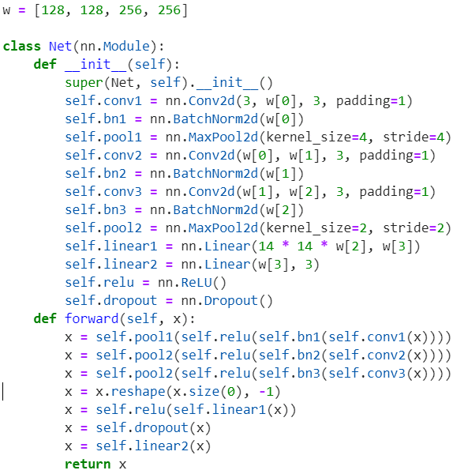
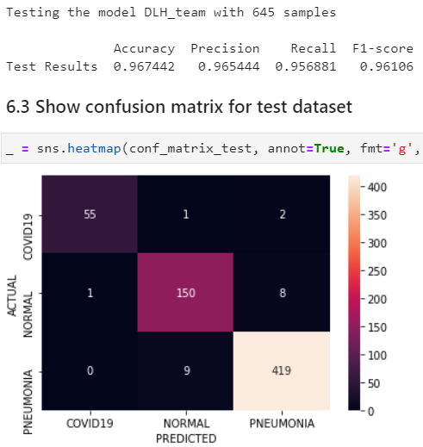
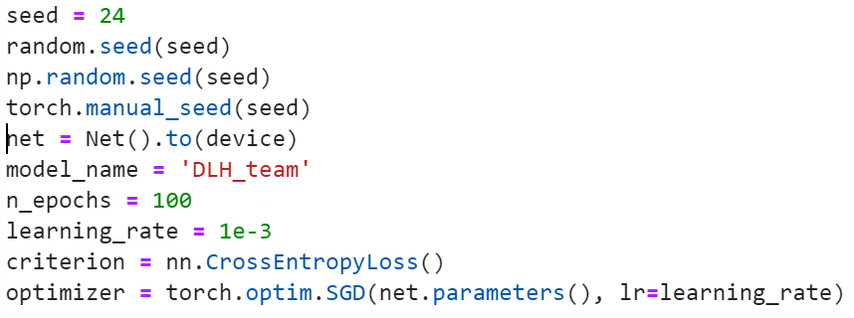
Model | Dataset |  |  | Parameters |  |  |  |  |  | Validation Measures |  |  |  | Arquitecture
 | Train | Validation | Test | Imagesize | Centercrop | normalization | Optimizer | Learning Rate | Epoch | Accuracy | Precision | Recall | F1-score
Our model (Best 5) | 80 | 10 | 10 | 224 | 224 | No | SGD | 0.001 | 100 | 0.967442 | 0.965444 | 0.957881 | 0.961060 | 128x128x256x256
Our model (Best 4) | 80 | 10 | 10 | 250 | 250 | No | SGD | 0.01 | 45 | 0.965890 | 0.963755 | 0.955931 | 0.958920 | 64x128x256x256
Ou rmodel (Best 2) | 70 | 15 | 15 | 224 | 224 | No | SGD | 0.001 | 65 | 0.961240 | 0.958033 | 0.955021 | 0.957910 | 64x128x256x512
Our model (Best 3) | 70 | 15 | 15 | 224 | 224 | No | SGD | 0.01 | 25 | 0.961180 | 0.955759 | 0.956178 | 0.955870 | 128x32x512

Best model 5 Architecture:

