Cluster_output
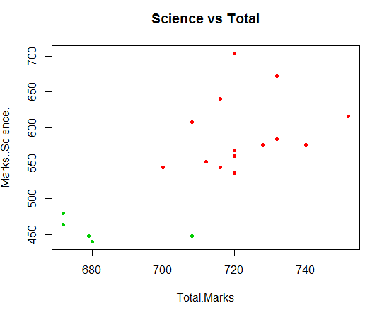
Total.Marks | Marks.(Science) | C1 or C2?
680 | 440 | 1 | Cluster1
679 | 448 | 1
708 | 448 | 1
672 | 464 | 1
672 | 480 | 1
720 | 536 | 2 | Cluster 2
700 | 544 | 2
716 | 544 | 2
712 | 552 | 2
720 | 560 | 2
720 | 568 | 2
728 | 576 | 2
740 | 576 | 2
732 | 584 | 2
732 | 584 | 2
708 | 608 | 2
752 | 616 | 2
716 | 640 | 2
732 | 672 | 2
720 | 704 | 2

