Requirements
Basic Philosophy

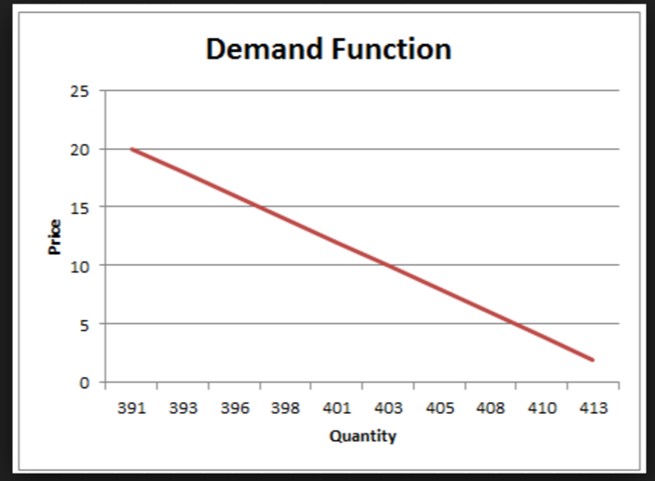
1 | Subscription provides long term association between the merchant(online shopping portal and subscriber
2 | When a subscriber subscribes for a product (say toothpaste ,2 per month,for one year) for a subscription duration, he will be offered discounted price on that product. The discounted price( price less than MRP) should be calculated based on performance of that product over a period and the available margin on that product.
3 | Each product may have different price sensitivity. Price sensitivity is impact of small change in product price on the overall demand of that product. Some products are very sensetive to price changes;i.e. very small change in offered price can create large change in demand. Some products are relatively less price sensitive ( example: Colgate toothpaste is a reputed brand.So even if its price is increased by some amount it will not make any significant change in its demand).
4 | Relationship between price change and demand change is inverse;i.e. When price decreases typically demand of the product increases. This relationship is called as "demand function" in economics. Product's sensitivity is defined as "price elasticity of demand" in economics.
5 | Depending on price sensitivity of the product ,we have categorized products as 1. Price committed product: Offered price to a subscriber will remain same throughout subscription period( even if original price changes). These product are selected by merchant based on price volatility of that product. A merchant may not mark "Toor Dal" as "price commited" product as its price may vary by 200%( 50 to 100 Rs,100 to 200 Rs),but may mark colgate toothpaste as"price committed" 2. Percentage Discount committed products: Some product which are medium volatile in terms of price may be committed as "percentage discount committed" product. Here the discount percentage (on MRP) is committed to the subscriber for the complete subscription period. So if MRP changes frequently ,the offer price also changes,but the discount percentage will be maintained constant. 3. No Commitment Product: Products like Toor Dal may fall in this category.A subscriber has to pay latest price thourhgout subscription period and this price may vary every now and then. Merchant is not committing any price for the whole subscription perid.
6 | Every day system compute new offered price of every subscriptionable product for that day.So all subscribers subscribing to the same product on the same day will be offered same offer price for it. But the subscribers who subscribes for the same product but on a different days may get different price.
7 | At the start of the business merchant has to forecast(predict) the incoming subscriptions and outgoing subscriptions for every product. When business is new this forecasting will be manual and merely based on expereince of the merchant. So may not be accurate.
8 | After few months/week the forecast should be "corrected" based on historical performance of a product. Example: For colgate toothpaste merchant has predicted 2000,3000,4000 subscriptions in Jan,Feb,Mar respectively. So his next forecast will be calculated as 5000,6000,7000 for Apr,May,June and so on. But in reality he could get 2400,4800,7200 subscriptions for Jan,feb,Mar. Then his forecast should be corrected to 9600,12000 for Apr,May and so on.

 | How the price of a product is determined (consider ABC Toothpaste)
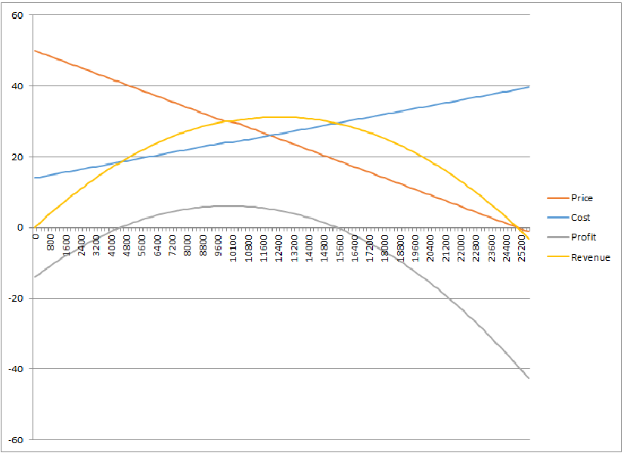
1 | A merchant forecasts for ABC product for few months/year.Forecast should include number of new subscritiptions per month and number of chruned(cancelld) subscriptions per month(refer to ForecastingPlan_reference).
2 | Merchant enters a opening offered price of ABC. Offered price should always follow the rule: Breakeven Pirce <= Offered price <= MRP.
3 | Breakeven price = purchase price per unit + fixed operating expenses per unit + variable operating expenses per unit + others (merchant's profit % per unit)
4 | Some merchants may start with lowest offered price( breakeven price) and then gradually increase it. Some merchants may start with highest price(slightly less than or equal to MRP) and then gradually decrease it.
5 | For that opening price he will get some subscriptions.When he will reallize steady flow(from expontntial flow) of subscription he may quote a new price(more or less than current offered price).
6 | Thus price will start following the "deamdn curve" as shown in the demand function graph.When system gets two readings of price vs demand it can calculate slope of demnd curve as (y2-y1)/(x2-x1).
7 | Based on actual demands associated with earier offered prices new demand should be "forecasted" using some time series/regression methods.
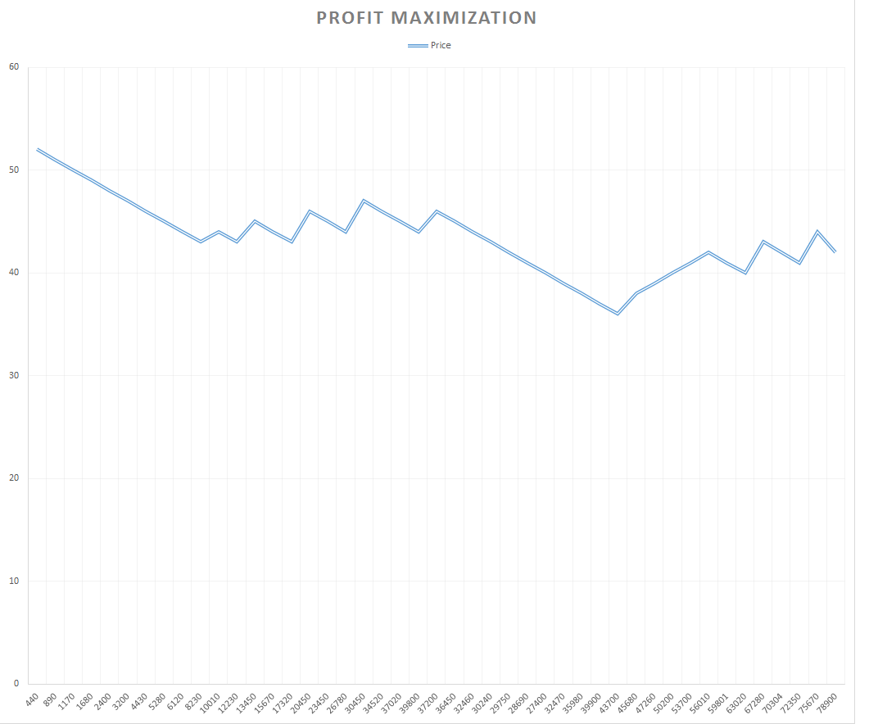
8 | Using the demand function: Price= Intercept +((-slope)*demand), new offered price is calculated for the forecasted demand.
9 | for every price,its actual demand the revenue is calculated. Also for the same actual demand,purchase price per unit,operating costs per unit its total cost is also calculated. So profit = total revenue-total cost is calculated. System should be checking if the profit is growing or not. Profit curve is shown beside this column.
10 | As shown is the profit graph, profit starts from negative, increases to some level and starts decreasing again. This is because when we decrease price,demand increases so reveneue will increase. But at the same time cost will also increase. So only for few combinations of offer price and demanded quantity merchant will expereince increase in profit(for the given demand curve slope). When profit starts decreasing again, system will need to change the "slope" in order to start increasing the profiit again ( refer to demand function price =Intercept - slope*demand). Refer to "Profit maximization" illustration.
11 | One of the challenge to determine, how much change should be done to slope,so that offered price will not exhorbitently change?

 | Requirements from statistical modeling
1 | First couple of prices are manully decided by the merchant and these prices will attract some subscriptions( demand). Next price should be determined by forecasting new demandsbased earlier two demands. Which forecasting model should be applied for forecasting new demand based on earlier two records of demands? Is it possible?
2 | When we will have of number of records for subscriptions( 10,20,30,100,500,2000,5000 etc), how the forecastig models should be changed to get most accurate forecasting? Should time series based forecasting to be used or regression based models hould be used?
3 | Subscription count( demand) is closely associated with offered price. In case of time series based prediction the forecast will always be based on time OR can it be based on price( demand vs price) as shown in demand function?
4 | One of the requirement is to use the earlier real records to correct future forecasting. So when merchant starts business,he does not have any past history.So he will do manual demand forecasting for each product( which is error prone). But against this when real subscriptions are registered month on month,they should correct his manual forecasts for coming months. Example: Merchant has forecasted for ABC toothpaste from Jan to Dec 2016 as 540,690,790,1160 ...etc. Infirst three /four months the actual subscriptions registered per month are Jan =670,Feb =790, March= 1180,April=1450 etc. So based on this real data forecasts for May,June..Dec should be modified. This modification should keep correcting futrure forecasts every 15 days/1 month.
5 | Currentl I have tried to use weighted average to change the slope( slope will get changed when profit start decreasing) as slope = slope - (slope*weighted average/100). Is there a better method to change the slope so that price will not abruptly change? (Refer to "final2" sheet.It is not working for all scenarios,only illustration of attributes used to calculate revenue,slope,cost etc)

 |  | 0

MaxProfit
Price Function: P=50-0.002*Q
Cost Function: C=140000+10*Q

quantity | Price | Cost | cost/10000 | Price Elasticisty | Avg price Elasticity | marginal cost | marginal revenue | revenue=P*Q | revenue/10000 | Profit | Profit/10000
0 | 50 | 140000 | 14 |  | #DIV/0! |  |  | 0 | 0 | -140000 | -14
200 | 49.6 | 142000 | 14.2 | -124 | -124 | 10 | 49.6 | 9920 | 0.992 | -132080 | -13.208
400 | 49.2 | 144000 | 14.4 | -61.5 | -61.5 | 10 | 48.8 | 19680 | 1.968 | -124320 | -12.432
600 | 48.8 | 146000 | 14.6 | -40.666666667 | -40.666666667 | 10 | 48 | 29280 | 2.928 | -116720 | -11.672
800 | 48.4 | 148000 | 14.8 | -30.25 | -30.25 | 10 | 47.2 | 38720 | 3.872 | -109280 | -10.928
1000 | 48 | 150000 | 15 | -24 | -24 | 10 | 46.4 | 48000 | 4.8 | -102000 | -10.2
1200 | 47.6 | 152000 | 15.2 | -19.833333333 | -19.833333333 | 10 | 45.6 | 57120 | 5.712 | -94880 | -9.488
1400 | 47.2 | 154000 | 15.4 | -16.857142857 | -16.857142857 | 10 | 44.8 | 66080 | 6.608 | -87920 | -8.792
1600 | 46.8 | 156000 | 15.6 | -14.625 | -14.625 | 10 | 44 | 74880 | 7.488 | -81120 | -8.112
1800 | 46.4 | 158000 | 15.8 | -12.888888889 | -12.888888889 | 10 | 43.2 | 83520 | 8.352 | -74480 | -7.448
2000 | 46 | 160000 | 16 | -11.5 | -11.5 | 10 | 42.4 | 92000 | 9.2 | -68000 | -6.8
2200 | 45.6 | 162000 | 16.2 | -10.363636364 | -10.363636364 | 10 | 41.6 | 100320 | 10.032 | -61680 | -6.168
2400 | 45.2 | 164000 | 16.4 | -9.4166666667 | -9.4166666667 | 10 | 40.8 | 108480 | 10.848 | -55520 | -5.552
2600 | 44.8 | 166000 | 16.6 | -8.6153846154 | -8.6153846154 | 10 | 40 | 116480 | 11.648 | -49520 | -4.952
2800 | 44.4 | 168000 | 16.8 | -7.9285714286 | -7.9285714286 | 10 | 39.2 | 124320 | 12.432 | -43680 | -4.368
3000 | 44 | 170000 | 17 | -7.3333333333 | -7.3333333333 | 10 | 38.4 | 132000 | 13.2 | -38000 | -3.8
3200 | 43.6 | 172000 | 17.2 | -6.8125 | -6.8125 | 10 | 37.6 | 139520 | 13.952 | -32480 | -3.248
3400 | 43.2 | 174000 | 17.4 | -6.3529411765 | -6.3529411765 | 10 | 36.8 | 146880 | 14.688 | -27120 | -2.712
3600 | 42.8 | 176000 | 17.6 | -5.9444444444 | -5.9444444444 | 10 | 36 | 154080 | 15.408 | -21920 | -2.192
3800 | 42.4 | 178000 | 17.8 | -5.5789473684 | -5.5789473684 | 10 | 35.2 | 161120 | 16.112 | -16880 | -1.688
4000 | 42 | 180000 | 18 | -5.25 | -5.25 | 10 | 34.4 | 168000 | 16.8 | -12000 | -1.2
4200 | 41.6 | 182000 | 18.2 | -4.9523809524 | -4.9523809524 | 10 | 33.6 | 174720 | 17.472 | -7280 | -0.728
4400 | 41.2 | 184000 | 18.4 | -4.6818181818 | -4.6818181818 | 10 | 32.8 | 181280 | 18.128 | -2720 | -0.272
4600 | 40.8 | 186000 | 18.6 | -4.4347826087 | -4.4347826087 | 10 | 32 | 187680 | 18.768 | 1680 | 0.168
4800 | 40.4 | 188000 | 18.8 | -4.2083333333 | -4.2083333333 | 10 | 31.2 | 193920 | 19.392 | 5920 | 0.592
5000 | 40 | 190000 | 19 | -4 | -4 | 10 | 30.4 | 200000 | 20 | 10000 | 1
5200 | 39.6 | 192000 | 19.2 | -3.8076923077 | -3.8076923077 | 10 | 29.6 | 205920 | 20.592 | 13920 | 1.392
5400 | 39.2 | 194000 | 19.4 | -3.6296296296 | -3.6296296296 | 10 | 28.8 | 211680 | 21.168 | 17680 | 1.768
5600 | 38.8 | 196000 | 19.6 | -3.4642857143 | -3.4642857143 | 10 | 28 | 217280 | 21.728 | 21280 | 2.128
5800 | 38.4 | 198000 | 19.8 | -3.3103448276 | -3.3103448276 | 10 | 27.2 | 222720 | 22.272 | 24720 | 2.472
6000 | 38 | 200000 | 20 | -3.1666666667 | -3.1666666667 | 10 | 26.4 | 228000 | 22.8 | 28000 | 2.8
6200 | 37.6 | 202000 | 20.2 | -3.0322580645 | -3.0322580645 | 10 | 25.6 | 233120 | 23.312 | 31120 | 3.112
6400 | 37.2 | 204000 | 20.4 | -2.90625 | -2.90625 | 10 | 24.8 | 238080 | 23.808 | 34080 | 3.408
6600 | 36.8 | 206000 | 20.6 | -2.7878787879 | -2.7878787879 | 10 | 24 | 242880 | 24.288 | 36880 | 3.688
6800 | 36.4 | 208000 | 20.8 | -2.6764705882 | -2.6764705882 | 10 | 23.2 | 247520 | 24.752 | 39520 | 3.952
7000 | 36 | 210000 | 21 | -2.5714285714 | -2.5714285714 | 10 | 22.4 | 252000 | 25.2 | 42000 | 4.2
7200 | 35.6 | 212000 | 21.2 | -2.4722222222 | -2.4722222222 | 10 | 21.6 | 256320 | 25.632 | 44320 | 4.432
7400 | 35.2 | 214000 | 21.4 | -2.3783783784 | -2.3783783784 | 10 | 20.8 | 260480 | 26.048 | 46480 | 4.648
7600 | 34.8 | 216000 | 21.6 | -2.2894736842 | -2.2894736842 | 10 | 20 | 264480 | 26.448 | 48480 | 4.848
7800 | 34.4 | 218000 | 21.8 | -2.2051282051 | -2.2051282051 | 10 | 19.2 | 268320 | 26.832 | 50320 | 5.032
8000 | 34 | 220000 | 22 | -2.125 | -2.125 | 10 | 18.4 | 272000 | 27.2 | 52000 | 5.2
8200 | 33.6 | 222000 | 22.2 | -2.0487804878 | -2.0487804878 | 10 | 17.6 | 275520 | 27.552 | 53520 | 5.352
8400 | 33.2 | 224000 | 22.4 | -1.9761904762 | -1.9761904762 | 10 | 16.8 | 278880 | 27.888 | 54880 | 5.488
8600 | 32.8 | 226000 | 22.6 | -1.9069767442 | -1.9069767442 | 10 | 16 | 282080 | 28.208 | 56080 | 5.608
8800 | 32.4 | 228000 | 22.8 | -1.8409090909 | -1.8409090909 | 10 | 15.2 | 285120 | 28.512 | 57120 | 5.712
9000 | 32 | 230000 | 23 | -1.7777777778 | -1.7777777778 | 10 | 14.4 | 288000 | 28.8 | 58000 | 5.8
9200 | 31.6 | 232000 | 23.2 | -1.7173913043 | -1.7173913043 | 10 | 13.6 | 290720 | 29.072 | 58720 | 5.872
9400 | 31.2 | 234000 | 23.4 | -1.6595744681 | -1.6595744681 | 10 | 12.8 | 293280 | 29.328 | 59280 | 5.928
9600 | 30.8 | 236000 | 23.6 | -1.6041666667 | -1.6041666667 | 10 | 12 | 295680 | 29.568 | 59680 | 5.968
9800 | 30.4 | 238000 | 23.8 | -1.5510204082 | -1.5510204082 | 10 | 11.2 | 297920 | 29.792 | 59920 | 5.992
10000 | 30 | 240000 | 24 | -1.5 | -1.5 | 10 | 10.4 | 300000 | 30 | 60000 | 6
10050 | 29.9 | 240500 | 24.05 | -1.4875621891 | -1.4875621891 | 10 | 9.9 | 300495 | 30.0495 | 59995 | 5.9995
10100 | 29.8 | 241000 | 24.1 | -1.4752475248 | -1.4752475248 | 10 | 9.7 | 300980 | 30.098 | 59980 | 5.998
10200 | 29.6 | 242000 | 24.2 | -1.4509803922 | -1.4509803922 | 10 | 9.6 | 301920 | 30.192 | 59920 | 5.992
10400 | 29.2 | 244000 | 24.4 | -1.4038461538 | -1.4038461538 | 10 | 8.8 | 303680 | 30.368 | 59680 | 5.968
10600 | 28.8 | 246000 | 24.6 | -1.358490566 | -1.358490566 | 10 | 8 | 305280 | 30.528 | 59280 | 5.928
10800 | 28.4 | 248000 | 24.8 | -1.3148148148 | -1.3148148148 | 10 | 7.2 | 306720 | 30.672 | 58720 | 5.872
11000 | 28 | 250000 | 25 | -1.2727272727 | -1.2727272727 | 10 | 6.4 | 308000 | 30.8 | 58000 | 5.8
11200 | 27.6 | 252000 | 25.2 | -1.2321428571 | -1.2321428571 | 10 | 5.6 | 309120 | 30.912 | 57120 | 5.712
11400 | 27.2 | 254000 | 25.4 | -1.1929824561 | -1.1929824561 | 10 | 4.8 | 310080 | 31.008 | 56080 | 5.608
11600 | 26.8 | 256000 | 25.6 | -1.1551724138 | -1.1551724138 | 10 | 4 | 310880 | 31.088 | 54880 | 5.488
11800 | 26.4 | 258000 | 25.8 | -1.1186440678 | -1.1186440678 | 10 | 3.2 | 311520 | 31.152 | 53520 | 5.352
12000 | 26 | 260000 | 26 | -1.0833333333 | -1.0833333333 | 10 | 2.4 | 312000 | 31.2 | 52000 | 5.2
12200 | 25.6 | 262000 | 26.2 | -1.0491803279 | -1.0491803279 | 10 | 1.6 | 312320 | 31.232 | 50320 | 5.032
12400 | 25.2 | 264000 | 26.4 | -1.0161290323 | -1.0161290323 | 10 | 0.8 | 312480 | 31.248 | 48480 | 4.848
12600 | 24.8 | 266000 | 26.6 | -0.98412698413 | -0.98412698413 | 10 | 0 | 312480 | 31.248 | 46480 | 4.648
12800 | 24.4 | 268000 | 26.8 | -0.953125 | -0.953125 | 10 | -0.8 | 312320 | 31.232 | 44320 | 4.432
13000 | 24 | 270000 | 27 | -0.92307692308 | -0.92307692308 | 10 | -1.6 | 312000 | 31.2 | 42000 | 4.2
13200 | 23.6 | 272000 | 27.2 | -0.89393939394 | -0.89393939394 | 10 | -2.4 | 311520 | 31.152 | 39520 | 3.952
13400 | 23.2 | 274000 | 27.4 | -0.86567164179 | -0.86567164179 | 10 | -3.2 | 310880 | 31.088 | 36880 | 3.688
13600 | 22.8 | 276000 | 27.6 | -0.83823529412 | -0.83823529412 | 10 | -4 | 310080 | 31.008 | 34080 | 3.408
13800 | 22.4 | 278000 | 27.8 | -0.8115942029 | -0.8115942029 | 10 | -4.8 | 309120 | 30.912 | 31120 | 3.112
14000 | 22 | 280000 | 28 | -0.78571428571 | -0.78571428571 | 10 | -5.6 | 308000 | 30.8 | 28000 | 2.8
14200 | 21.6 | 282000 | 28.2 | -0.76056338028 | -0.76056338028 | 10 | -6.4 | 306720 | 30.672 | 24720 | 2.472
14400 | 21.2 | 284000 | 28.4 | -0.73611111111 | -0.73611111111 | 10 | -7.2 | 305280 | 30.528 | 21280 | 2.128
14600 | 20.8 | 286000 | 28.6 | -0.71232876712 | -0.71232876712 | 10 | -8 | 303680 | 30.368 | 17680 | 1.768
14800 | 20.4 | 288000 | 28.8 | -0.68918918919 | -0.68918918919 | 10 | -8.8 | 301920 | 30.192 | 13920 | 1.392
15000 | 20 | 290000 | 29 | -0.66666666667 | -0.66666666667 | 10 | -9.6 | 300000 | 30 | 10000 | 1
15200 | 19.6 | 292000 | 29.2 | -0.64473684211 | -0.64473684211 | 10 | -10.4 | 297920 | 29.792 | 5920 | 0.592
15400 | 19.2 | 294000 | 29.4 | -0.62337662338 | -0.62337662338 | 10 | -11.2 | 295680 | 29.568 | 1680 | 0.168
15600 | 18.8 | 296000 | 29.6 | -0.60256410256 | -0.60256410256 | 10 | -12 | 293280 | 29.328 | -2720 | -0.272
15800 | 18.4 | 298000 | 29.8 | -0.58227848101 | -0.58227848101 | 10 | -12.8 | 290720 | 29.072 | -7280 | -0.728
16000 | 18 | 300000 | 30 | -0.5625 | -0.5625 | 10 | -13.6 | 288000 | 28.8 | -12000 | -1.2
16200 | 17.6 | 302000 | 30.2 | -0.54320987654 | -0.54320987654 | 10 | -14.4 | 285120 | 28.512 | -16880 | -1.688
16400 | 17.2 | 304000 | 30.4 | -0.5243902439 | -0.5243902439 | 10 | -15.2 | 282080 | 28.208 | -21920 | -2.192
16600 | 16.8 | 306000 | 30.6 | -0.50602409639 | -0.50602409639 | 10 | -16 | 278880 | 27.888 | -27120 | -2.712
16800 | 16.4 | 308000 | 30.8 | -0.4880952381 | -0.4880952381 | 10 | -16.8 | 275520 | 27.552 | -32480 | -3.248
17000 | 16 | 310000 | 31 | -0.47058823529 | -0.47058823529 | 10 | -17.6 | 272000 | 27.2 | -38000 | -3.8
17200 | 15.6 | 312000 | 31.2 | -0.45348837209 | -0.45348837209 | 10 | -18.4 | 268320 | 26.832 | -43680 | -4.368
17400 | 15.2 | 314000 | 31.4 | -0.4367816092 | -0.4367816092 | 10 | -19.2 | 264480 | 26.448 | -49520 | -4.952
17600 | 14.8 | 316000 | 31.6 | -0.42045454545 | -0.42045454545 | 10 | -20 | 260480 | 26.048 | -55520 | -5.552
17800 | 14.4 | 318000 | 31.8 | -0.40449438202 | -0.40449438202 | 10 | -20.8 | 256320 | 25.632 | -61680 | -6.168
18000 | 14 | 320000 | 32 | -0.38888888889 | -0.38888888889 | 10 | -21.6 | 252000 | 25.2 | -68000 | -6.8
18200 | 13.6 | 322000 | 32.2 | -0.37362637363 | -0.37362637363 | 10 | -22.4 | 247520 | 24.752 | -74480 | -7.448
18400 | 13.2 | 324000 | 32.4 | -0.35869565217 | -0.35869565217 | 10 | -23.2 | 242880 | 24.288 | -81120 | -8.112
18600 | 12.8 | 326000 | 32.6 | -0.34408602151 | -0.34408602151 | 10 | -24 | 238080 | 23.808 | -87920 | -8.792
18800 | 12.4 | 328000 | 32.8 | -0.32978723404 | -0.32978723404 | 10 | -24.8 | 233120 | 23.312 | -94880 | -9.488
19000 | 12 | 330000 | 33 | -0.31578947368 | -0.31578947368 | 10 | -25.6 | 228000 | 22.8 | -102000 | -10.2
19200 | 11.6 | 332000 | 33.2 | -0.30208333333 | -0.30208333333 | 10 | -26.4 | 222720 | 22.272 | -109280 | -10.928
19400 | 11.2 | 334000 | 33.4 | -0.28865979381 | -0.28865979381 | 10 | -27.2 | 217280 | 21.728 | -116720 | -11.672
19600 | 10.8 | 336000 | 33.6 | -0.27551020408 | -0.27551020408 | 10 | -28 | 211680 | 21.168 | -124320 | -12.432
19800 | 10.4 | 338000 | 33.8 | -0.26262626263 | -0.26262626263 | 10 | -28.8 | 205920 | 20.592 | -132080 | -13.208
20000 | 10 | 340000 | 34 | -0.25 | -0.25 | 10 | -29.6 | 200000 | 20 | -140000 | -14
20200 | 9.6 | 342000 | 34.2 | -0.23762376238 | -0.23762376238 | 10 | -30.4 | 193920 | 19.392 | -148080 | -14.808
20400 | 9.2 | 344000 | 34.4 | -0.22549019608 | -0.22549019608 | 10 | -31.2 | 187680 | 18.768 | -156320 | -15.632
20600 | 8.8 | 346000 | 34.6 | -0.21359223301 | -0.21359223301 | 10 | -32 | 181280 | 18.128 | -164720 | -16.472
20800 | 8.4 | 348000 | 34.8 | -0.20192307692 | -0.20192307692 | 10 | -32.8 | 174720 | 17.472 | -173280 | -17.328
21000 | 8 | 350000 | 35 | -0.19047619048 | -0.19047619048 | 10 | -33.6 | 168000 | 16.8 | -182000 | -18.2
21200 | 7.6 | 352000 | 35.2 | -0.17924528302 | -0.17924528302 | 10 | -34.4 | 161120 | 16.112 | -190880 | -19.088
21400 | 7.2 | 354000 | 35.4 | -0.16822429907 | -0.16822429907 | 10 | -35.2 | 154080 | 15.408 | -199920 | -19.992
21600 | 6.8 | 356000 | 35.6 | -0.15740740741 | -0.15740740741 | 10 | -36 | 146880 | 14.688 | -209120 | -20.912
21800 | 6.4 | 358000 | 35.8 | -0.14678899083 | -0.14678899083 | 10 | -36.8 | 139520 | 13.952 | -218480 | -21.848
22000 | 6 | 360000 | 36 | -0.13636363636 | -0.13636363636 | 10 | -37.6 | 132000 | 13.2 | -228000 | -22.8
22200 | 5.6 | 362000 | 36.2 | -0.12612612613 | -0.12612612613 | 10 | -38.4 | 124320 | 12.432 | -237680 | -23.768
22400 | 5.2 | 364000 | 36.4 | -0.11607142857 | -0.11607142857 | 10 | -39.2 | 116480 | 11.648 | -247520 | -24.752
22600 | 4.8 | 366000 | 36.6 | -0.10619469027 | -0.10619469027 | 10 | -40 | 108480 | 10.848 | -257520 | -25.752
22800 | 4.4 | 368000 | 36.8 | -0.09649122807 | -0.09649122807 | 10 | -40.8 | 100320 | 10.032 | -267680 | -26.768
23000 | 4 | 370000 | 37 | -0.086956521739 | -0.086956521739 | 10 | -41.6 | 92000 | 9.2 | -278000 | -27.8
23200 | 3.6 | 372000 | 37.2 | -0.077586206897 | -0.077586206897 | 10 | -42.4 | 83520 | 8.352 | -288480 | -28.848
23400 | 3.2 | 374000 | 37.4 | -0.068376068376 | -0.068376068376 | 10 | -43.2 | 74880 | 7.488 | -299120 | -29.912
23600 | 2.8 | 376000 | 37.6 | -0.059322033898 | -0.059322033898 | 10 | -44 | 66080 | 6.608 | -309920 | -30.992
23800 | 2.4 | 378000 | 37.8 | -0.050420168067 | -0.050420168067 | 10 | -44.8 | 57120 | 5.712 | -320880 | -32.088
24000 | 2 | 380000 | 38 | -0.041666666667 | -0.041666666667 | 10 | -45.6 | 48000 | 4.8 | -332000 | -33.2
24200 | 1.6 | 382000 | 38.2 | -0.03305785124 | -0.03305785124 | 10 | -46.4 | 38720 | 3.872 | -343280 | -34.328
24400 | 1.2 | 384000 | 38.4 | -0.024590163934 | -0.024590163934 | 10 | -47.2 | 29280 | 2.928 | -354720 | -35.472
24600 | 0.8 | 386000 | 38.6 | -0.016260162602 | -0.016260162602 | 10 | -48 | 19680 | 1.968 | -366320 | -36.632
24800 | 0.4 | 388000 | 38.8 | -0.008064516129 | -0.008064516129 | 10 | -48.8 | 9920 | 0.992 | -378080 | -37.808
25000 | 0 | 390000 | 39 | 0 | 0 | 10 | -49.6 | 0 | 0 | -390000 | -39
25200 | -0.4 | 392000 | 39.2 | 0.0079365079365 | 0.0079365079365 | 10 | -50.4 | -10080 | -1.008 | -402080 | -40.208
25400 | -0.8 | 394000 | 39.4 | 0.015748031496 | 0.015748031496 | 10 | -51.2 | -20320 | -2.032 | -414320 | -41.432
25600 | -1.2 | 396000 | 39.6 | 0.0234375 | 0.0234375 | 10 | -52 | -30720 | -3.072 | -426720 | -42.672

