Details
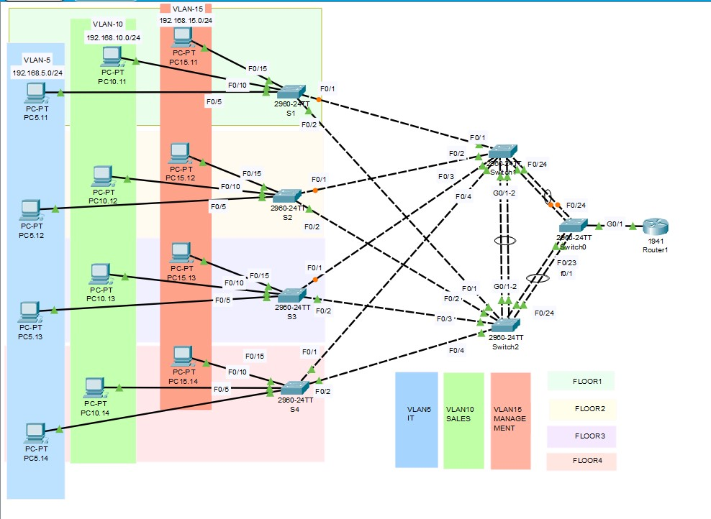
LAN with VLAN's

In this project I have designed and configured the network for a Building with 4 floor and
3 department. IT(VLAN 5), Sales(VLAN10) and Management(VLAN15) .
This network is Designed as a Hierarchical Network which allows for both flexibility and growth.

My main focus for the network was to have:

Scalability: Network designs can grow to include new user groups without impacting the level
of service delivered to existing users
 | ​
Availability: This network designed to have consistent network, reliable performance, 24 hours a day,
7 days a week. In addition, the failure of a single link or piece of equipment will not significantly
impact network performance.

Security: I have followed the security measure to secure the network.

Manageability: The network details, port details and VLANs are well listed in MS Excel which will
make it easier for network staff to be able to manage and support the network.

