Sheet1
Assume each word has a 3-dimensional vector representation
 |  | A |  | Man |  | has |  | kept |  | money |  | in |  | the |  | bank | Explaintion

 |  | -0.03 |  | -0.024 |  | -0.148 |  | -0.447 |  | -0.207 |  | -0.133 |  | -0.013 |  | 0.02 | Take each word's embedding
 |  | -0.78 |  | -0.259 |  | -0.049 |  | -0.265 |  | -0.336 |  | 0.546 |  | 0.833 |  | -0.286
 |  | 0.006 |  | -0.002 |  | -0.242 |  | -0.469 |  | -0.411 |  | 0.076 |  | -0.044 |  | 0.524
 |  | (A)dot(Bank) |  |  |  |  |  |  |  | (money)dot(Bank)

 |  | 0.02 |  | 0.02 |  | 0.02 |  | 0.02 |  | 0.02 |  | 0.02 |  | 0.02 |  | 0.02 | Attention quantifies how similar a word is to other words.In this case we are checking how similar the word "bank' is to other words
 | 'Bank' | -0.286 |  | -0.286 |  | -0.286 |  | -0.286 |  | -0.286 |  | -0.286 |  | -0.286 |  | -0.286
 |  | 0.524 |  | 0.524 |  | 0.524 |  | 0.524 |  | 0.524 |  | 0.524 |  | 0.524 |  | 0.524

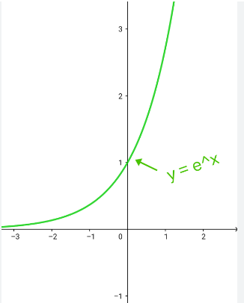
Inner Product |  | 0.225624 |  | 0.072546 |  | -0.115754 |  | -0.178906 |  | -0.123408 |  | -0.118992 |  | -0.261554 |  | 0.356772 | We do that by taking inner product of ''Bank" with rest of the words.If two words are similar the inner product tends to be a positive number,if dissimilar the inner product is negative

Exponential | exp(inner product) | 1.2531044094 |  | 1.0752422661 |  | 0.89069430715 |  | 0.83618449705 |  | 0.88390295658 |  | 0.88781490325 |  | 0.76985430217 |  | 1.4287100868 | Now it is kind of inconvenient to deal with both positive and negative numbers. So we pass them through the exponential number to make them all positive

Normalization | r | 0.15614020344 |  | 0.13397809864 |  | 0.11098292311 |  | 0.10419085313 |  | 0.11013670243 |  | 0.11062414158 |  | 0.095925931195 |  | 0.17802114647 | Normalize the exponential by dividing the sum of all exponential.It represents the relative similarity and adds to 1. If the value is more towards 1 , then the word "bank" is strongly related to that particular word and vice versa as it is a number between 0 & 1

 |  | -0.0046842061032 |  | -0.0032154743674 |  | -0.01642547262 |  | -0.04657331135 |  | -0.022798297404 |  | -0.014713010831 |  | -0.0012470371055 |  | 0.0035604229293 | r' is then multiplied with each word vector.'r' acts as a weight of the word vector.If 'r' is very strong , when it multiplies with the corresponding word it is given more weightage than other words.
 | (r) x( each word) | -0.12178935868 | + | -0.034700327548 | + | -0.0054381632324 | + | -0.02761057608 | + | -0.037005932018 | + | 0.060400781305 | + | 0.079906300685 | + | -0.05091404789
 |  | 0.00093684122063 |  | -0.00026795619728 |  | -0.026857867392 |  | -0.048865510118 |  | -0.0452661847 |  | 0.0084074347605 |  | -0.0042207409726 |  | 0.093283080749

 | Modified 'Bank' vector |  |  | -0.10609638685 |  |  |  |  |  |  |  |  |  |  |  |  | All the vectors are added together to get the final modified vector.Now this modified vector contains the context from all other words. If a word is highly related to the word 'Bank', that will contribute significantly to the final modified word vector of 'Bank' or in other words the word 'bank' will contain more information from the highly related word 'money'
 |  |  |  | -0.13715132346
 |  |  |  | -0.022850902651

