SYRUP_HOLLOW_ROI
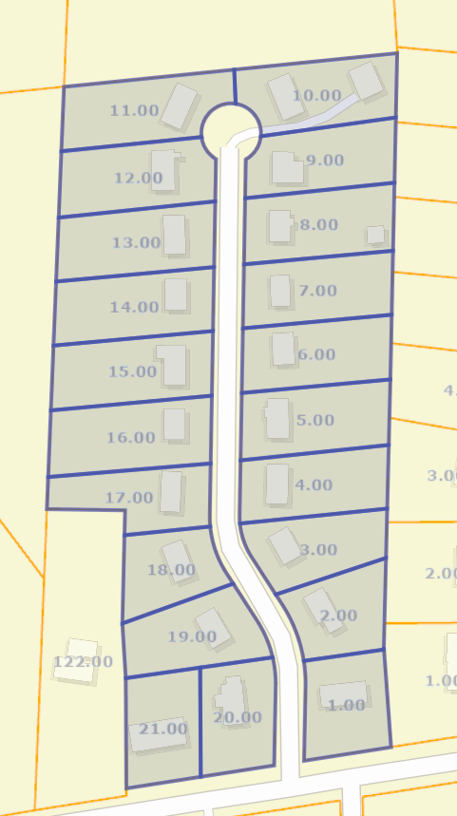
SYRUP HOLLOW
Parcel | Owner | Property Address | Parcel ID | Lot | Last Sale Date | Last Sale Price | Current Appraisal | Potential ROI
1 | Nicole Gardner | 2005 Tapper Rd | 052P Q 00100 000 | 21 | 1977-09-26 | $154,533 | $178,533 | $24,000
2 | Cassidy Ramirez | 1010 Maple Street | 052P Q 00200 000 | 20 | 2000-09-10 | $266,578 | $382,904 | $116,326
3 | Jillian Ramirez | 1032 Maple Street | 052P Q 00300 000 | 19 | 2006-01-30 | $39,187 | $301,374 | $262,187
4 | Samuel Schwartz | 1052 Maple Street | 052P Q 00400 000 | 18 | 1986-04-05 | $195,975 | $182,825 | $(13,150)
5 | John Delgado | 1070 Maple Street | 052P Q 00500 000 | 17 | 2002-01-28 | $332,094 | $341,700 | $9,606
6 | Michelle Reyes | 1092 Maple Street | 052P Q 00600 000 | 16 | 2007-10-27 | $152,080 | $245,096 | $93,016
7 | Jamie Benson | 1114 Maple Street | 052P Q 00700 000 | 15 | 1989-06-25 | $187,717 | $281,326 | $93,609
8 | Jacqueline Kirk | 1125 Maple Street | 052P Q 00800 000 | 14 | 1981-07-13 | $311,268 | $173,679 | $(137,589)
9 | Randy Wiggins | 1136 Maple Street | 052P Q 00900 000 | 13 | 2002-04-17 | $343,130 | $375,425 | $32,295
10 | Sylvia Serrano | 1148 Maple Street | 052P Q 01000 000 | 12 | 2001-12-01 | $242,285 | $336,133 | $93,848
11 | Robert Bentley | 1173 Maple Street | 052P Q 01100 000 | 11 | 1999-09-14 | $307,821 | $155,827 | $(151,994)
12 | Mary Edwards | 1160 Maple Street | 052P Q 01200 000 | 10 | 2012-12-27 | $220,372 | $206,728 | $(13,644)
13 | Kelly Buchanan | 1175 Maple Street | 052P Q 01300 000 | 9 | 2012-06-11 | $276,038 | $214,233 | $(61,805)
14 | Diana Dalton | 1192 Maple Street | 052P Q 01400 000 | 8 | 1999-11-24 | $298,859 | $294,506 | $(4,353)
15 | Haley James | 1107 Maple Street | 052P Q 01500 000 | 7 | 1977-07-26 | $66,861 | $242,404 | $175,543
16 | Amy Brown | 1085 Maple Street | 052P Q 01600 000 | 6 | 1986-02-24 | $132,680 | $308,168 | $175,488
17 | Kristina Thompson DDS | 1061 Maple Street | 052P Q 01700 000 | 5 | 1985-09-13 | $122,019 | $192,873 | $70,854
18 | Robert Aguirre | 1045 Maple Street | 052P Q 01800 000 | 4 | 1984-10-22 | $211,619 | $361,596 | $149,977
19 | Roger Conway | 1021 Maple Street | 052P Q 01900 000 | 3 | 2006-12-08 | $221,204 | $167,125 | $(54,079)
20 | Natalie Thornton | 1001 Maple Street | 052P Q 02000 000 | 2 | 1981-05-07 | $212,555 | $382,548 | $169,993
21 | Robert Collins | 2001 Tapper Rd | 052P Q 02100 000 | 1 | 1972-05-20 | $38,555 | $349,839 | $311,284
Totals |  |  |  |  |  | $4,333,430 | $5,674,842 | $1,341,412

