Stockton
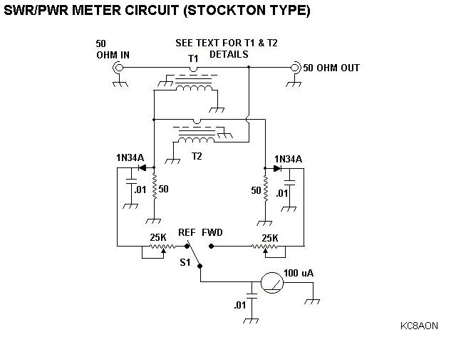
 | Step Up | Step Down | General
R | 50 | 50 | R=E/I
E | 10 | 10 | E
I | 0.2 | 0.2 | I
Primary | 1 | 10 | 1
Secondary | 10 | 1 | N
E' | 100 | 1 | E' = NE
I' | 0.02 | 2 | I' = I/N
R' | 5000 | 0.5 | R' = R*N*N

A HIGH impedance source acts as a CURRENT source
A LOW impedance source acts as a VOLTAGE source

T1: | Current source |  | I' = (IF - IR) /N
T2: | Voltage source |  | V' = (VF + VR) /N

R1 = R2 = Zo = 50

R1 = LEFT | Each gets 1/2 the current |  |  | V' R1 = (IF - IR) * 50 / 2N |  | VF = IF * Zo = 50*IF | V' R1 = (VF - VR) / 2N
R2 = RIGHT |  |  |  | V' R2 = (IF - IR) * 50 / 2N |  | VR = IR * Zo = 50*IR | V' R2 = (VF - VR) / 2N

R1 = LEFT | Voltage is split across them |  |  | V" R1 = -(VF + VR) / 2N
R2 = RIGHT |  |  |  | V" R2 = (VF + VR) / 2N

V R1: |  |  |  | (VF - VR - VF - VR) / 2N | V R1 = -VR / N
V R2: |  |  |  | (VF - VR + VF + VR) / 2N | V R2 = VF / N

swr_schematic
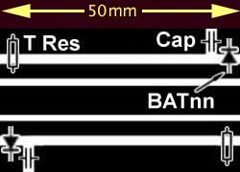
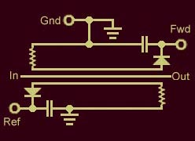
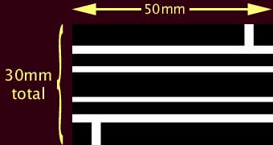
 |  |  |  |  |  |  |  |  |  |  | mm | mil | x 0.127
 |  |  |  |  |  |  |  |  | GND |  | 6.000 | 236.2 |  | 47.244094488
 |  |  |  |  |  |  |  |  | Gap |  | 1.143 | 45.0 | 15 | 9
 |  |  |  |  |  |  |  |  | Trace2 |  | 2.1590 | 85.0 |  | 17
 |  |  |  |  |  |  |  |  | Gap |  | 0.508 | 20.0 | 5 | 4
 |  |  |  |  |  |  |  |  | Signal |  | 2.1590 | 85.0 |  | 17
 |  |  |  |  |  |  |  |  | Gap |  | 0.508 | 20.0 | 5 | 4
 |  |  |  |  |  |  |  |  | Trace1 |  | 2.1590 | 85.0 |  | 17
 |  |  |  |  |  |  |  |  | Gap |  | 1.143 | 45.0 | 15 | 9
 |  |  |  |  |  |  |  |  | GND |  | 12.700 | 500.0 |  | 100
 |  |  |  |  |  |  |  |  |  |  | 28.48 | 1121.2204724

 |  | Fibreglass PCB: |  | Er | 4.5
 |  |  |  | Trace | 0.035 | mm
 |  | Height | Width | W |  | Zo | track spacing: |  | Gap to top Gnd Plane
 |  | mm | mm | mil
 |  | 0.4 | 0.7 | 27.56 |  | 49.791 | 0.635 | mm | 1.905 | mm
 |  | 0.6 | 1.05 | 41.34 |  | 50.500 | 25.00 | mil | 75.00 | mil
 |  | 0.8 | 1.435 | 56.50 |  | 50.002
 |  | 1 | 1.8034 | 71.00 |  | 50.027
 |  | 1 | 1.805 | 71.06 |  | 49.996 | Crosstalk:
 |  | 1.2 | 2.1590 | 85.00 |  | 50.251 | -2.14 | dB
 |  | 1.2 | 2.1844 | 86.00 |  | 49.841
 |  | 1.6 | 2.913 | 114.69 |  | 50.012
 |  | 1.6 | 2.921 | 115.00 |  | 49.915
 |  | 2 | 3.653 | 143.82 |  | 50.004
 |  | 2 | 3.6576 | 144.00 |  | 49.959

 |  |  |  |  |  | Zo = Ln( 5.98*H / 0.8*W + t ) * 87 / sqrt (Er + 1.41)

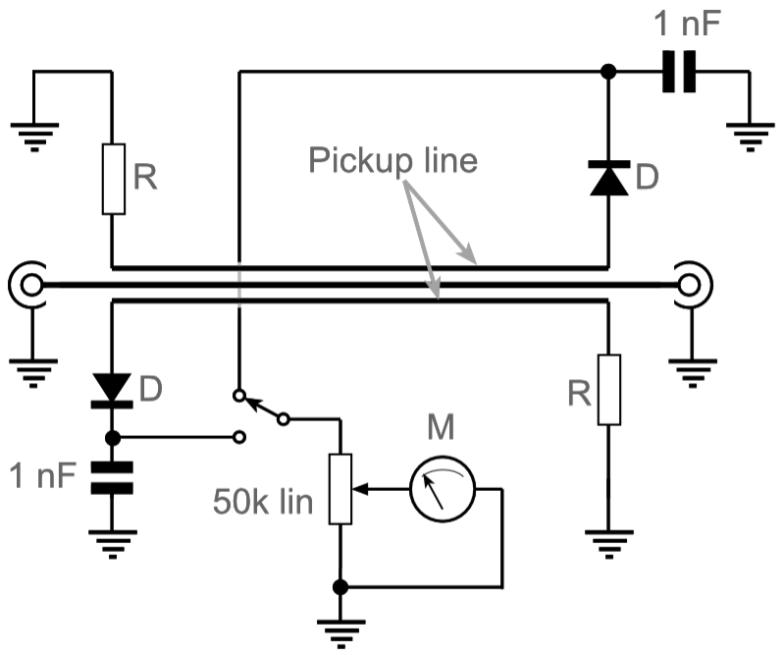

"Tandem Match" AKA "Stockton"

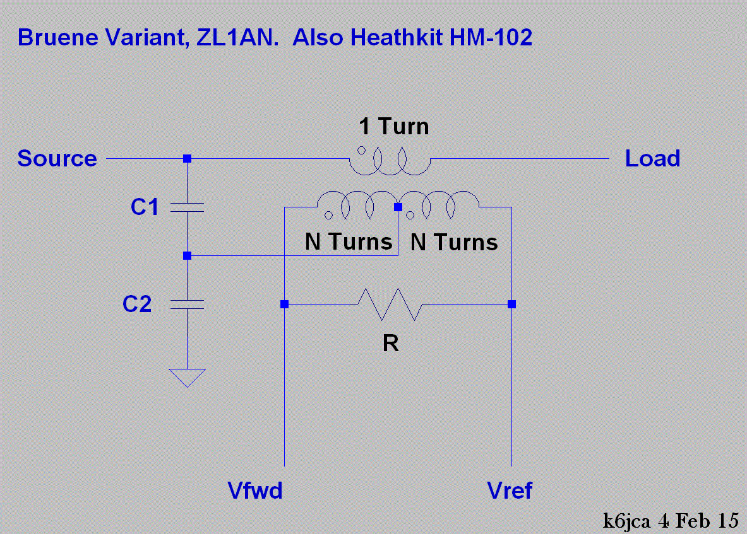

 |  |  |  | "Monimatch"

 | As freq increases, effective strip length goes up. Cct becomes more sensitive

"Bruene" (variant)

SWR_Label
2.5
1.92
3.01
4
1.5
5.85
1.22
1.4
-6 dB
W | Vrms | dBm | SWR | Angle | Diff | |Γ|
0.001 | 0.224 | 0 | 1.07 |  |  | 0.031622776602
0.01 | 0.707 | 10 | 1.22 |  |  | 0.1 | SWR | 1+T / 1-T
1.1
-10 dB
-3 dB
0.032 | 1.257 | 15 | 1.4326 |  |  | 0.178 | SWR (1-T) = 1+T
-20 dB
0 dB REF
CAL
0.100 | 2.236 | 20 | 1.92 |  |  | 0.316 | SWR - SWR*T - 1 = T
0.251 | 3.544 | 24 | 3.00952 |  |  | 0.501 | SWR - 1 = T + SWR * T
0.501 | 5.006 | 27 | 5.848 |  |  | 0.708 | SWR - 1 = T (SWR+1)
1 | 7.071 | 30 |  |  |  |  | T = (SWR-1) / (SWR+1)
0.000594884 | 0.1725 | -2.2556771344 | 1.05 |  |  | 0.02
0.0022675737 | 0.3367 | 3.5556141053 | 1.1 | 4.29 | 4.29 | 0.05
0.00999982 | 0.7071 | 9.9999218266 | 1.22 | 9.00 | 4.71 | 0.10
0.028 | 1.1785 | 14.436974992 | 1.4 | 15.00 | 6.00 | 0.17
0.040 | 1.4142 | 16.020599913 | 1.5 | 18.00 | 3.00 | 0.20
0.100 | 2.2361 | 19.999996204 | 1.92 | 28.46 | 10.46 | 0.32
0.184 | 3.0305 | 22.640464294 | 2.5 | 38.57 | 10.11 | 0.43
0.25118858391 | 3.5439 | 23.999998976 | 3.01 | 45.11 | 6.54 | 0.50
0.36 | 4.2426 | 25.563025008 | 4 | 54.00 | 8.89 | 0.6
0.501 | 5.0059 | 26.99997719 | 5.85 | 63.71 | 9.71 | 0.71
1 | 7.071 | 30 | CAL | 90.00 | 26.29 | 1.00
 |  |  | B/G |  | 270.00
 | s = (Vf+Vr) / (Vf-Vr)

 | Vr = Vf (s - 1) / (s + 1)
 | Vf = Vr (s + 1) / (s - 1)

0 | 0.0000 | -30.00 | 1 |  |  | 0
0.01 | 0.7071 | -20.00 | 1.2222222222 |  |  | 0.1
0.04 | 1.4142 | -13.98 | 1.5 |  |  | 0.2
0.09 | 2.1213 | -10.46 | 1.8571428571 |  |  | 0.3
0.16 | 2.8284 | -7.96 | 2.3333333333 |  |  | 0.4
0.25 | 3.5355 | -6.02 | 3 |  |  | 0.5
0.36 | 4.2426 | -4.44 | 4 |  |  | 0.6
0.49 | 4.9497 | -3.10 | 5.6666666667 |  |  | 0.7
0.64 | 5.6569 | -1.94 | 9 |  |  | 0.8
0.81 | 6.3640 | -0.92 | 19 |  |  | 0.9
#DIV/0! | #DIV/0! | 0.00 | #DIV/0! |  |  | 1

