Interface Design Document
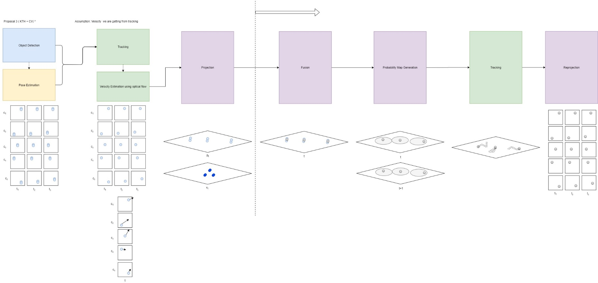
Design Project in Systems, Control and Mechatronics Object Detection and Tracking With Multiple Cameras Interface Design Document

# | Input Module | Output Module | Interface Name | Interface Details | Any other specific requirement? | Requested By? | Status | Reviewed By?

1

2

3

4

5

6

7

Overall Design

