Instructions
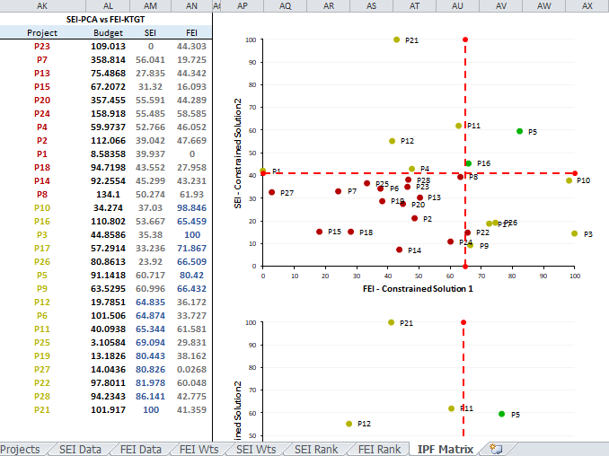
INSTRUCTIONS

A. PREREQUISITES
1. System Requirements: This application requires Windows Vista+. It will NOT run on Windows XP.
2. This application relies on WBLAddin.dll which needs to reside in the same directory as this workbook

B. USAGE INSTRUCTIONS

B1 Set up Projects and Budgets

1. This is done on the "Projects" sheet. The Project Name are put in Column A and Project Budgets in million USD in Column B.
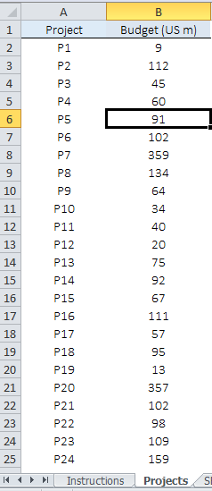

B2 Set up SE Data and FE Data

1. Activate the [data] Workheet. This is either the "FEI Data" sheet or the "SEI Data" sheet.

Steps 2 through 6 are to be done for both the above mentioned selections.

2. Setup FEI Data and SEI Data sheets. The Project Names and budgets are automatically pulled in from the "Projects" sheet.
The various indicators for each of the projects is entered in Column C and onwards in both FEI Data and SEI Data sheets respectively.

B3 Select Indicators and Calculate Correlations for FEI Data and SEI Data

The following 4 steps are to be done for both FEI Data SEI Data separately.

1. Activate WB IPF tab on Excel's Ribbon and click on [Add Indicators]
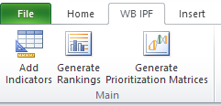

2. The [Select Indicators] form that shows up allows selection of indicators that are part of correlation calculations
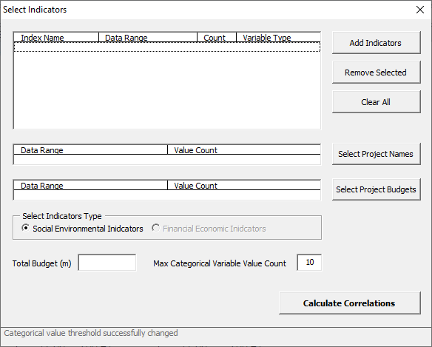

a. [Add Indicators] -> Allows adding one or more indicators from the [data] worksheet. See 3. below for further instructions.
b. [Remove Selected] -> Removes all selected indicators from the form's list
c. [Clear All] -> Clears all indicators from the form
d. [Select Project Names] -> Required to select the cells containing the Project names including the header cell.
e. [Select Project Budgets] -> Required to select the cells containing the Project budgets including the header cell.
f. [Total Budget (m)] -> Required to enter the total budget in millions of dollars.
g. [Max Categorical Variable Value Count] -> Required to enter the Max categorical variable value count. Any indicator with distinct values less than equal to this value is classified as Categorical.
h. [Calculate Correlations] -> Calculates the correlations matrix and adds a new correlations worksheet to this workbook

3. Selecting indicators ([Add Indicators] button on [Select Indicators] form)

a. One or more indicators can be selected and added to the list, either by selecting the whole indicators range, or by selecting the respective columns
b. All indicators must be in single columns and of equal length
c. Indicator columns must include a variable name followed by the indicator numbers
d. After selecting the desired indicators and clicking the [OK] button the selected indicators are added to the list
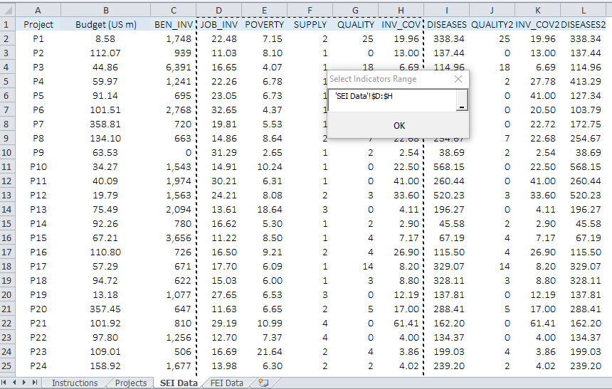

This is how the form looks like after selecting all required options for SEI Data.
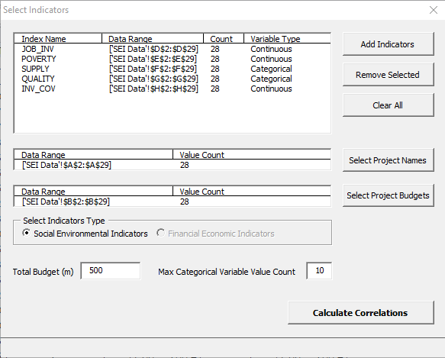

4. On Click of "Calculate Correlations" in the above form for both FEI Data and SEI Data, we get the sheets FEI Wts and SEI Wts respectively.

B4 Calculate Loadings for FEI Data and SEI Data

1. On completion for Step 4 of B4, we get the FEI Wts and SEI Wts sheet.
Each of the sheets selected will look like the following depending on the Indicators selected.
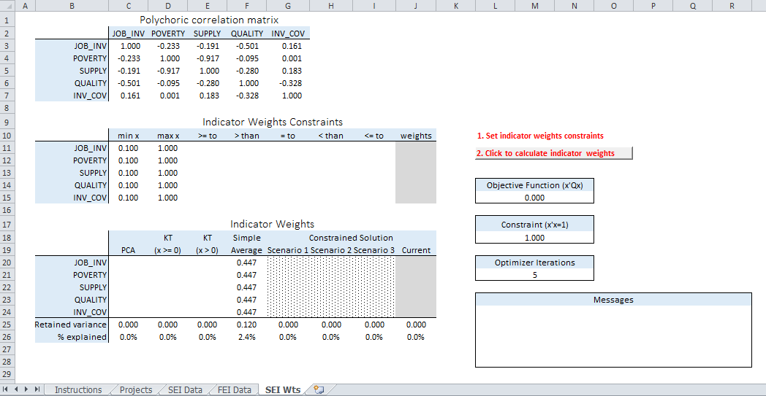
1
2
3
4
5
6
7
8

(1) -> Correlation Matrix. This is created by step B3-4 above. This is not visible in the Client version.
(2) -> Factor loadings constraints and results
a. [min x], [max x] columns -> Minimum and maximum values for the calculated loadings. Must be in [-1, 1]
b. [>= to] -> The respective variable's loading will be [greater than or equal to] the loading of the variable selected from the dropdown
c. [> than] -> The respective variable's loading will be [greater than] the loading of the variable selected from the dropdown
d. [= to] -> The respective variable's loading will be [equal to] the loading of the variable selected from the dropdown
e. [< than] -> The respective variable's loading will be [smaller than] the loading of the variable selected from the dropdown
f. [<= to] -> The respective variable's loading will be [smaller than or equal to] the loading of the variable selected from the dropdown
(3) -> Loadings calculation results
a. [Current solution] column -> Factor loadings calculated based on the specified loadings restrictions (see (2))
b. [PCA] column -> Factor loadings calculated using Principal Components Analysis (without taking into account any specified loadings restrictions)
c. [KT (x >= 0)] column -> Factor loadings calculated by using loadings restrictions [min x] = 0, [max x] = 1 for all variables
d. [KT (x > 0)] column -> Factor loadings calculated by using loadings restrictions [min x] = 0.001, [max x] = 1 for all variables
e. [Simple Average] -> Factor loadings calculated by using a simple average calculation
(4) -> Calculates indicator weights based on specified constraints (see (2)).
(5) -> Objective Function of factor loadings optimization. Not visible in the Client version.
(6) -> x'x = 1 constraint. Not visible in the Client version.
(7) -> Number of times the optimizer runs. Best result of all iterations is returned. Not visible in the Client version.
(8) -> Error/success messages regarding optimization calculations

2. Calculate Indicator Weights -> Calculation is time consuming and Excel may appear hang during the required time.
Apart from the standard results [PCA, KT (x>=0), KT (x>0) and Simple Average], upto three scenarios can be calculated for both SE Data and FE Data.
Any additional scenarios beyond the third, overwrites the third calculated scenario.

B5 Generate Rankings for FEI Data and SEI Data

1. Activate the [Wts] Workheet. This is either the "FEI Wts" sheet or the "SEI Wts" sheet.

Steps 1, 2 and 3 are to be done for both the above mentioned selections

2. Activate the WBLAddin tab on Excel's Ribbon and click on [Generate Rankings]. The Generate Rankings form comes up.
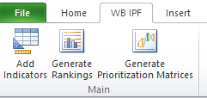

3. Select indictor weights types that are to be ranked and click on [Generate].
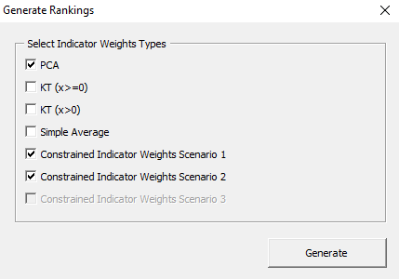

All generated indicator weights that have been generated will be available to select. The others will be disabled.
A click on the [Generate] button creates a [Rankings] sheet containing the rankings in table and chart form for the selectedt indicator weights types.
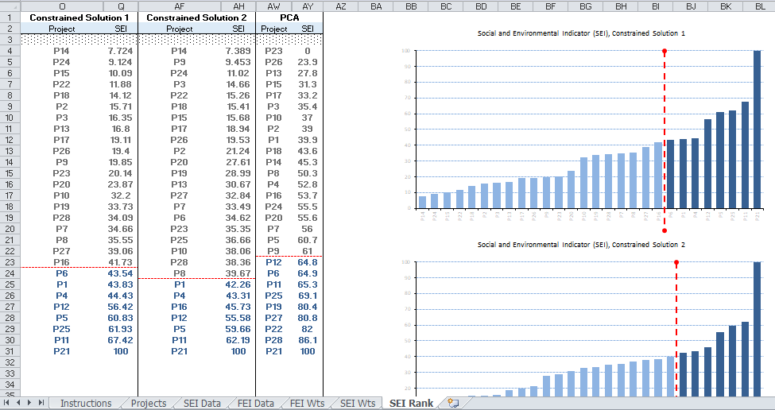

B6 Generate Prioritization Matrices

1. Once both the SE Rankings and FE Rankings have been created, activate WB IPF tab on Exel's Ribbon and click [Generate Prioritization Matrices].

2. On the form that comes up select the FEI Rank and the SEI rank from the generated ones that are to be combined.
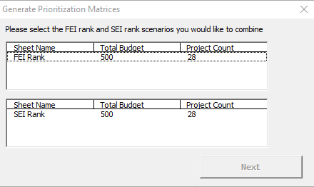

Multiple FEI Rank and SEI Ranks may have been created. Select one of each on the form and click on [Next] to go to the next step.
The [Next] button is enabled only if the selected FEI Rank sheet and the SEI Rank sheet are such that they have the same Total budget and Projects being evaluated.

3. On the form that comes up select the FEI Scenarios and the SEI Scenarios from the respective Rank sheets that are to be combined and clcik on the Add button
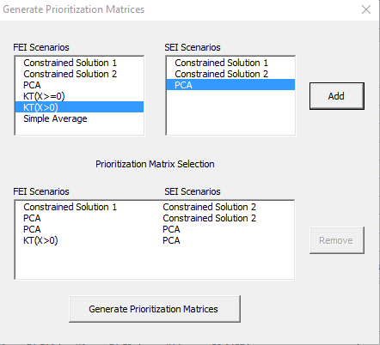

4. Once the selection is completed click on [Generate Prioritization Matrices] to generate the [IPF Matrix] sheet.
The generated [IPF Matrix] sheet contains the prioritization information in both Table and Chart form based on the indictor ranking combinations seleted in the above form.
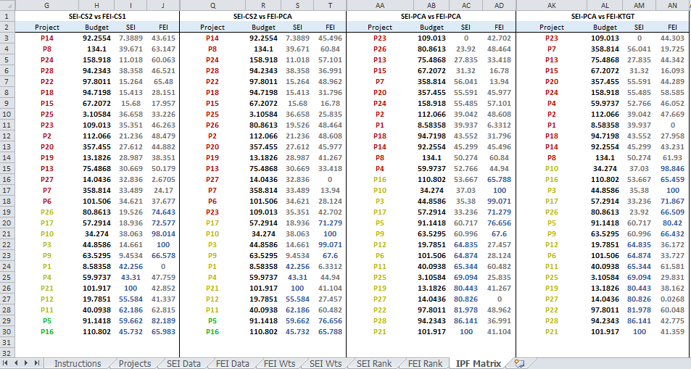

The Charts come up to the right of the Tables. Depending on the number of combinations being generated, it may be required to scroll to the right and down to view the charts.

SEI Rank
Social and Environmental Indicator (SEI), Constrained Solution 1
Constrained Solution 1 |  | Constrained Solution 2 |  | PCA |  | KT(X>=0) |  | KT(X>0) |  | Simple Average
Project | SEI | Project | SEI | Project | SEI | Project | SEI | Project | SEI | Project | SEI

P9 | 1.5317193902 | P9 | 0.74471647617 | P25 | 0 | P9 | 1.5318348204 | P9 | 1.5309752929 | P14 | 11.843516439
P14 | 3.2387863893 | P14 | 3.1876835749 | P21 | 23.976070203 | P14 | 3.2387953745 | P14 | 3.2471370024 | P9 | 14.379943493
P15 | 11.948642667 | P15 | 12.181525801 | P27 | 30.78029612 | P15 | 11.948592821 | P15 | 11.962889545 | P15 | 23.41128986
P3 | 15.929018705 | P3 | 14.456308072 | P6 | 33.669847346 | P3 | 15.929025652 | P3 | 16.123113325 | P2 | 26.114598495
P22 | 16.658829796 | P25 | 22.4127695 | P5 | 34.798016095 | P22 | 16.658929131 | P22 | 16.542282556 | P22 | 35.319589562
P27 | 20.155892641 | P22 | 25.74742486 | P28 | 36.019055477 | P27 | 20.156069943 | P27 | 19.999302158 | P24 | 35.375421727
P28 | 24.765875888 | P2 | 26.406748299 | P9 | 39.461248256 | P28 | 24.765998002 | P28 | 24.507271266 | P6 | 35.796431729
P25 | 26.141320011 | P27 | 26.427641433 | P19 | 39.791207382 | P25 | 26.141593276 | P25 | 26.282907017 | P7 | 37.856912934
P19 | 26.930243521 | P24 | 28.954451376 | P11 | 40.007257279 | P19 | 26.930389092 | P19 | 26.802340633 | P28 | 42.203007132
P2 | 27.463834443 | P6 | 30.163248678 | P7 | 45.621751771 | P2 | 27.463775288 | P2 | 27.434471421 | P18 | 42.591845153
P13 | 28.081556129 | P26 | 30.727707203 | P16 | 48.138518266 | P13 | 28.08151247 | P13 | 27.991413576 | P19 | 43.191719782
P24 | 28.889978158 | P23 | 31.982849914 | P14 | 48.180211925 | P24 | 28.889976515 | P24 | 28.933294282 | P27 | 43.324783205
P23 | 29.039388057 | P19 | 31.985499271 | P22 | 49.11630804 | P23 | 29.039289689 | P23 | 29.017364798 | P3 | 46.943172198
P6 | 31.765375848 | P13 | 34.189962457 | P2 | 51.664438058 | P6 | 31.76547921 | P6 | 31.675145777 | P16 | 52.355249567
P26 | 34.431884877 | P28 | 36.026342819 | P15 | 54.561743441 | P26 | 34.431849476 | P26 | 34.734040904 | P13 | 52.526243307
P16 | 42.219076072 | P17 | 39.687562308 | P13 | 56.962720211 | P16 | 42.219096778 | P16 | 42.089197069 | P5 | 52.60886137
P7 | 42.910084413 | P18 | 40.270775933 | P24 | 61.683457592 | P7 | 42.91009243 | P7 | 42.844306058 | P20 | 54.127309157
Social and Environmental Indicator (SEI), Constrained Solution 2
P17 | 44.836772337 | P7 | 40.642035587 | P4 | 63.334858784 | P17 | 44.836729717 | P17 | 45.055824295 | P23 | 58.862363318
P18 | 45.323034859 | P16 | 45.138662727 | P23 | 64.860199588 | P18 | 45.322977952 | P18 | 45.432849485 | P17 | 61.526868373
P20 | 50.593193181 | P20 | 50.007480251 | P8 | 65.29990212 | P20 | 50.593170142 | P20 | 50.61797491 | P8 | 63.849870168
P8 | 54.045133193 | P8 | 54.323693927 | P20 | 67.519453834 | P8 | 54.045121413 | P8 | 54.032776817 | P11 | 67.489688127
P5 | 59.798972157 | P5 | 58.62323221 | P12 | 68.49607812 | P5 | 59.799003852 | P5 | 59.6071946 | P4 | 69.090800819
P1 | 60.828799762 | P1 | 59.072644236 | P18 | 69.157066104 | P1 | 60.828826953 | P1 | 61.045554751 | P26 | 70.435352896
P11 | 76.286098049 | P11 | 72.361271776 | P3 | 76.869183887 | P11 | 76.28614924 | P11 | 76.148929863 | P10 | 76.106473059
P4 | 79.123649941 | P4 | 72.569768982 | P10 | 77.5542134 | P4 | 79.123618646 | P4 | 79.149749145 | P25 | 81.461785758
P21 | 90.854474042 | P10 | 84.076202765 | P17 | 86.460620528 | P21 | 90.85465328 | P21 | 90.409703241 | P12 | 93.392228041
P10 | 92.800464241 | P12 | 95.103901756 | P1 | 97.633297648 | P10 | 92.800332708 | P10 | 92.898007385 | P21 | 99.088646317
P12 | 100 | P21 | 100 | P26 | 100 | P12 | 100 | P12 | 100 | P1 | 100

Social and Environmental Indicator (SEI), PCA

Social and Environmental Indicator (SEI), KT(X>=0)

Social and Environmental Indicator (SEI), KT(X>0)

Social and Environmental Indicator (SEI), Simple Average

FEI Rank
Financial and Economic Indicator (FEI), Constrained Solution 1
Constrained Solution 1 |  | Constrained Solution 2 |  | PCA |  | KT(X>=0) |  | KT(X>0) |  | Simple Average
Project | FEI | Project | FEI | Project | FEI | Project | FEI | Project | FEI | Project | FEI

P1 | 0 | P1 | 0 | P27 | 0 | P1 | 0 | P1 | 0 | P1 | 0
P27 | 2.0235259037 | P27 | 2.0418163072 | P1 | 6.3312749764 | P27 | 0 | P27 | 0.037927215375 | P27 | 14.786895737
P15 | 17.500936897 | P15 | 20.075126882 | P7 | 13.940305537 | P15 | 16.074149332 | P15 | 16.100877519 | P15 | 23.483403978
P7 | 23.082117378 | P7 | 25.139122578 | P15 | 16.77987469 | P7 | 19.679523219 | P7 | 19.743287195 | P18 | 24.141334551
P18 | 28.103409908 | P18 | 28.902821557 | P25 | 25.834988596 | P18 | 27.955533455 | P18 | 27.958300673 | P19 | 32.707845821
P25 | 32.395610137 | P25 | 32.943910863 | P12 | 27.456831762 | P25 | 29.79691053 | P25 | 29.845615376 | P14 | 38.068350046
P6 | 36.710777621 | P19 | 37.589674551 | P6 | 28.12382205 | P6 | 33.687348498 | P6 | 33.743989741 | P20 | 40.121558561
P19 | 38.304700059 | P12 | 39.695293799 | P18 | 31.796137255 | P12 | 36.119348381 | P12 | 36.193454632 | P7 | 40.957144869
P12 | 40.073006724 | P6 | 41.632295165 | P13 | 33.41765196 | P19 | 38.160302113 | P19 | 38.163012578 | P21 | 42.211810743
P21 | 42.487273927 | P14 | 42.055446157 | P28 | 36.99118221 | P21 | 41.343896621 | P21 | 41.365306138 | P2 | 43.232345407
P14 | 43.52099158 | P20 | 43.115759896 | P21 | 41.104274613 | P28 | 42.736986239 | P28 | 42.790734019 | P25 | 43.601052784
P20 | 44.736635151 | P23 | 44.171718141 | P19 | 41.267459844 | P14 | 43.22677863 | P14 | 43.232301289 | P4 | 47.358814022
P28 | 45.604169541 | P28 | 44.23456694 | P23 | 42.702361531 | P13 | 44.283163308 | P20 | 44.291671853 | P23 | 47.768840259
P23 | 45.783134219 | P21 | 46.255552631 | P4 | 44.9397619 | P20 | 44.283163308 | P23 | 44.311286524 | P6 | 49.503821199
P4 | 47.341677549 | P13 | 47.166007835 | P14 | 45.495644429 | P23 | 44.283163308 | P13 | 44.366906155 | P9 | 55.319040236
P2 | 48.281284287 | P4 | 50.415361722 | P20 | 45.976682532 | P4 | 46.034381001 | P4 | 46.05886676 | P28 | 56.457923783
P13 | 48.75060134 | P24 | 55.965997422 | P26 | 48.463711208 | P2 | 47.66087114 | P2 | 47.672456314 | P16 | 56.613144777
Financial and Economic Indicator (FEI), Constrained Solution 2
P24 | 59.700915893 | P2 | 56.054111406 | P2 | 48.607829899 | P24 | 58.56983943 | P24 | 58.591060231 | P24 | 57.101850294
P11 | 62.513819813 | P8 | 63.562466894 | P22 | 48.962226758 | P22 | 59.992974373 | P22 | 60.07089454 | P11 | 57.31964307
P8 | 62.849274437 | P22 | 65.178501206 | P24 | 57.101185204 | P11 | 61.567961365 | P11 | 61.585657912 | P8 | 57.986927284
P22 | 64.150533796 | P11 | 68.225751809 | P11 | 60.482281204 | P8 | 61.917591911 | P8 | 61.935050631 | P12 | 58.825592803
P16 | 65.855281784 | P16 | 70.98562394 | P8 | 60.839694493 | P16 | 65.453825162 | P16 | 65.461321128 | P17 | 63.05176913
P9 | 66.542453095 | P9 | 71.525216904 | P16 | 65.788054904 | P26 | 66.426610769 | P9 | 66.432703241 | P13 | 69.4535772
P17 | 72.403756309 | P17 | 76.584820621 | P9 | 67.599848275 | P9 | 66.430635204 | P26 | 66.543290614 | P5 | 76.633277398
P26 | 72.653298041 | P26 | 77.69193064 | P17 | 71.278551031 | P17 | 71.85921493 | P17 | 71.869398054 | P10 | 77.149757104
P5 | 81.756079939 | P5 | 79.729890985 | P5 | 76.656325203 | P5 | 80.40251169 | P5 | 80.427893166 | P22 | 79.9395546
P10 | 98.217798759 | P10 | 98.382066149 | P3 | 99.070543158 | P10 | 98.854320703 | P10 | 98.84238934 | P3 | 82.765742522
P3 | 100 | P3 | 100 | P10 | 100 | P3 | 100 | P3 | 100 | P26 | 100

Financial and Economic Indicator (FEI), PCA

Financial and Economic Indicator (FEI), KT(X>=0)

Financial and Economic Indicator (FEI), KT(X>0)

Financial and Economic Indicator (FEI), Simple Average

IPF Matrix
SEI-CS2 vs FEI-CS1 |  |  |  | SEI-CS2 vs FEI-PCA |  |  |  | SEI-KTGET vs FEI-PCA |  |  |  | SEI-KTGET vs FEI-KTGT
Project | Budget | SEI | FEI | Project | Budget | SEI | FEI | Project | Budget | SEI | FEI | Project | Budget | SEI | FEI
P20 | 357.45486313 | 50.007480251 | 44.736635151 | P20 | 357.45486313 | 50.007480251 | 45.976682532 | P20 | 357.45486313 | 50.593170142 | 45.976682532 | P20 | 357.45486313 | 50.593170142 | 44.291671853
P14 | 92.255436221 | 3.1876835749 | 43.52099158 | P14 | 92.255436221 | 3.1876835749 | 45.495644429 | P14 | 92.255436221 | 3.2387953745 | 45.495644429 | P14 | 92.255436221 | 3.2387953745 | 43.232301289
P15 | 67.207208002 | 12.181525801 | 17.500936897 | P15 | 67.207208002 | 12.181525801 | 16.77987469 | P15 | 67.207208002 | 11.948592821 | 16.77987469 | P15 | 67.207208002 | 11.948592821 | 16.100877519
P7 | 358.81422114 | 40.642035587 | 23.082117378 | P7 | 358.81422114 | 40.642035587 | 13.940305537 | P18 | 94.719790963 | 45.322977952 | 31.796137255 | P18 | 94.719790963 | 45.322977952 | 27.958300673
P25 | 3.1058388311 | 22.4127695 | 32.395610137 | P25 | 3.1058388311 | 22.4127695 | 25.834988596 | P22 | 97.801123065 | 16.658929131 | 48.962226758 | P22 | 97.801123065 | 16.658929131 | 60.07089454
P22 | 97.801123065 | 25.74742486 | 64.150533796 | P22 | 97.801123065 | 25.74742486 | 48.962226758 | P27 | 14.043552326 | 20.156069943 | 0 | P27 | 14.043552326 | 20.156069943 | 0.037927215375
P2 | 112.06602027 | 26.406748299 | 48.281284287 | P2 | 112.06602027 | 26.406748299 | 48.607829899 | P28 | 94.234282592 | 24.765998002 | 36.99118221 | P28 | 94.234282592 | 24.765998002 | 42.790734019
P27 | 14.043552326 | 26.427641433 | 2.0235259037 | P27 | 14.043552326 | 26.427641433 | 0 | P25 | 3.1058388311 | 26.141593276 | 25.834988596 | P25 | 3.1058388311 | 26.141593276 | 29.845615376
P24 | 158.91826997 | 28.954451376 | 59.700915893 | P24 | 158.91826997 | 28.954451376 | 57.101185204 | P19 | 13.182567719 | 26.930389092 | 41.267459844 | P19 | 13.182567719 | 26.930389092 | 38.163012578
P6 | 101.50560236 | 30.163248678 | 36.710777621 | P6 | 101.50560236 | 30.163248678 | 28.12382205 | P2 | 112.06602027 | 27.463775288 | 48.607829899 | P2 | 112.06602027 | 27.463775288 | 47.672456314
P18 | 94.719790963 | 40.270775933 | 28.103409908 | P26 | 80.861343708 | 30.727707203 | 48.463711208 | P13 | 75.486788906 | 28.08151247 | 33.41765196 | P13 | 75.486788906 | 28.08151247 | 44.366906155
P23 | 109.01309275 | 31.982849914 | 45.783134219 | P23 | 109.01309275 | 31.982849914 | 42.702361531 | P24 | 158.91826997 | 28.889976515 | 57.101185204 | P24 | 158.91826997 | 28.889976515 | 58.591060231
P19 | 13.182567719 | 31.985499271 | 38.304700059 | P19 | 13.182567719 | 31.985499271 | 41.267459844 | P23 | 109.01309275 | 29.039289689 | 42.702361531 | P23 | 109.01309275 | 29.039289689 | 44.311286524
P13 | 75.486788906 | 34.189962457 | 48.75060134 | P13 | 75.486788906 | 34.189962457 | 33.41765196 | P6 | 101.50560236 | 31.76547921 | 28.12382205 | P6 | 101.50560236 | 31.76547921 | 33.743989741
P28 | 94.234282592 | 36.026342819 | 45.604169541 | P28 | 94.234282592 | 36.026342819 | 36.99118221 | P26 | 80.861343708 | 34.431849476 | 48.463711208 | P7 | 358.81422114 | 42.91009243 | 19.743287195
P17 | 57.291403379 | 39.687562308 | 72.403756309 | P18 | 94.719790963 | 40.270775933 | 31.796137255 | P7 | 358.81422114 | 42.91009243 | 13.940305537 | P16 | 110.80232603 | 42.219096778 | 65.461321128
P26 | 80.861343708 | 30.727707203 | 72.653298041 | P17 | 57.291403379 | 39.687562308 | 71.278551031 | P16 | 110.80232603 | 42.219096778 | 65.788054904 | P26 | 80.861343708 | 34.431849476 | 66.543290614
P3 | 44.858635866 | 14.456308072 | 100 | P3 | 44.858635866 | 14.456308072 | 99.070543158 | P17 | 57.291403379 | 44.836729717 | 71.278551031 | P17 | 57.291403379 | 44.836729717 | 71.869398054
P16 | 110.80232603 | 45.138662727 | 65.855281784 | P16 | 110.80232603 | 45.138662727 | 65.788054904 | P3 | 44.858635866 | 15.929025652 | 99.070543158 | P3 | 44.858635866 | 15.929025652 | 100
P9 | 63.529505721 | 0.74471647617 | 66.542453095 | P9 | 63.529505721 | 0.74471647617 | 67.599848275 | P9 | 63.529505721 | 1.5318348204 | 67.599848275 | P9 | 63.529505721 | 1.5318348204 | 66.432703241
P8 | 134.10032848 | 54.323693927 | 62.849274437 | P8 | 134.10032848 | 54.323693927 | 60.839694493 | P8 | 134.10032848 | 54.045121413 | 60.839694493 | P8 | 134.10032848 | 54.045121413 | 61.935050631
P21 | 101.91738416 | 100 | 42.487273927 | P21 | 101.91738416 | 100 | 41.104274613 | P12 | 19.785132701 | 100 | 27.456831762 | P12 | 19.785132701 | 100 | 36.193454632
P1 | 8.5835812635 | 59.072644236 | 0 | P1 | 8.5835812635 | 59.072644236 | 6.3312749764 | P1 | 8.5835812635 | 60.828826953 | 6.3312749764 | P1 | 8.5835812635 | 60.828826953 | 0
P11 | 40.093755528 | 72.361271776 | 62.513819813 | P11 | 40.093755528 | 72.361271776 | 60.482281204 | P11 | 40.093755528 | 76.28614924 | 60.482281204 | P11 | 40.093755528 | 76.28614924 | 61.585657912
P4 | 59.973659899 | 72.569768982 | 47.341677549 | P4 | 59.973659899 | 72.569768982 | 44.9397619 | P4 | 59.973659899 | 79.123618646 | 44.9397619 | P4 | 59.973659899 | 79.123618646 | 46.05886676
P12 | 19.785132701 | 95.103901756 | 40.073006724 | P12 | 19.785132701 | 95.103901756 | 27.456831762 | P21 | 101.91738416 | 90.85465328 | 41.104274613 | P21 | 101.91738416 | 90.85465328 | 41.365306138
P10 | 34.273958838 | 84.076202765 | 98.217798759 | P10 | 34.273958838 | 84.076202765 | 100 | P10 | 34.273958838 | 92.800332708 | 100 | P10 | 34.273958838 | 92.800332708 | 98.84238934
P5 | 91.141772084 | 58.62323221 | 81.756079939 | P5 | 91.141772084 | 58.62323221 | 76.656325203 | P5 | 91.141772084 | 59.799003852 | 76.656325203 | P5 | 91.141772084 | 59.799003852 | 80.427893166

