data-analysis_raw
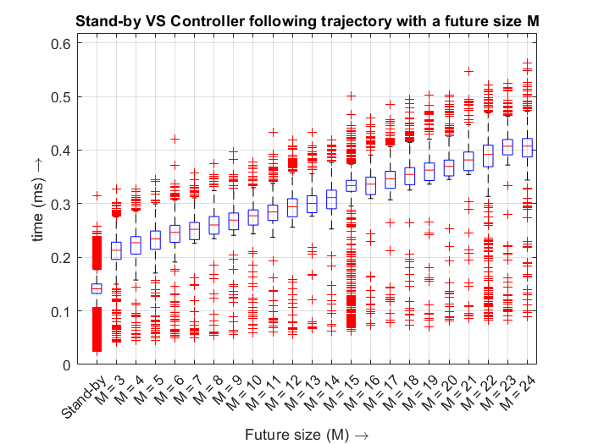
 | M | #samples | Mean (ms) | Std (ms) | Median (ms)
Stand-by |  | 24044 | 0.137461475 | 0.028779313802 | 0.1412755
M = 3 | 3 | 1071 | 0.21141230626 | 0.034662828683 | 0.213163
M = 4 | 4 | 1071 | 0.2248674211 | 0.028735442418 | 0.227217
M = 5 | 5 | 1071 | 0.23181526424 | 0.032541184644 | 0.2343
M = 6 | 6 | 1071 | 0.24379213819 | 0.032582897152 | 0.246592
M = 7 | 7 | 1071 | 0.2494529057 | 0.030614404198 | 0.252275
M = 8 | 8 | 1071 | 0.26061626797 | 0.028534648904 | 0.260331
M = 9 | 9 | 1071 | 0.26838349393 | 0.028363624114 | 0.269469
M = 10 | 10 | 1071 | 0.27459724183 | 0.029183062895 | 0.27741
M = 11 | 11 | 1071 | 0.28379373109 | 0.030386240815 | 0.284553
M = 12 | 12 | 1071 | 0.29419543978 | 0.035493099879 | 0.294563
M = 13 | 13 | 1071 | 0.30026503081 | 0.029559055375 | 0.300657
M = 14 | 14 | 1071 | 0.31033920822 | 0.030254326821 | 0.311445
M = 15 | 15 | 1071 | 0.31257812512 | 0.077286518235 | 0.333959
M = 16 | 16 | 1071 | 0.33484605696 | 0.031743983995 | 0.336397
M = 17 | 17 | 1071 | 0.34648901961 | 0.032391543272 | 0.346506
M = 18 | 18 | 1071 | 0.35268676751 | 0.035957266364 | 0.354717
M = 19 | 19 | 1071 | 0.36108087208 | 0.035217905022 | 0.362663
M = 20 | 20 | 1071 | 0.36764997012 | 0.039248536089 | 0.369655
M = 21 | 21 | 1071 | 0.38048821755 | 0.035817737054 | 0.381709
M = 22 | 22 | 1071 | 0.38182529972 | 0.063774943498 | 0.39198
M = 23 | 23 | 1071 | 0.40170112325 | 0.04875881691 | 0.407286
M = 24 | 24 | 1071 | 0.40452793744 | 0.04321785043 | 0.4074

