Summary
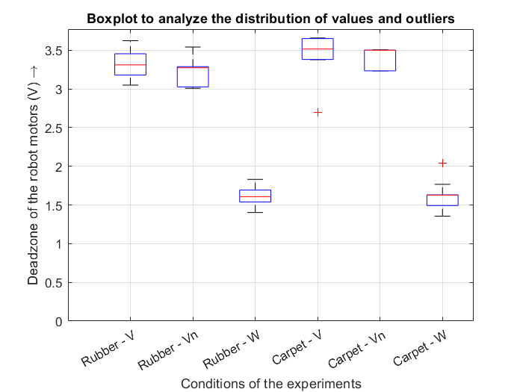
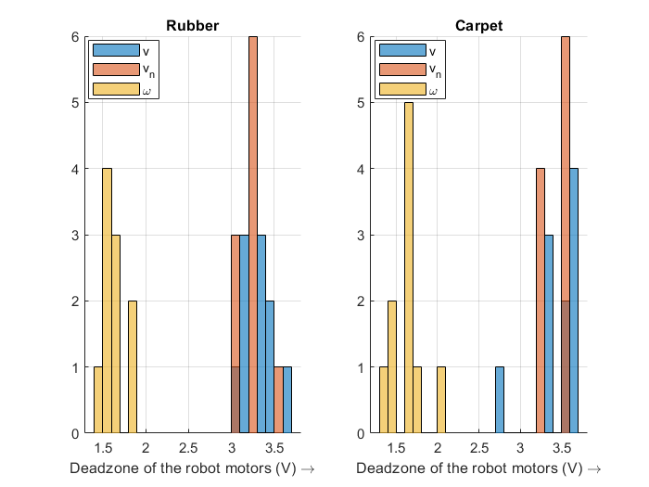
Deadzone of the robot's motors
Rubber |  |  |  | Carpet |  |  |  | Hammerstein

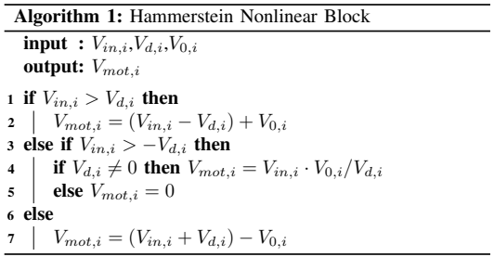
VDEAD | V | Vn | W | VDEAD | V | Vn | W
1 | 3.623 | 3.0269 | 1.6938 | 1 | 3.6581 | 3.5061 | 2.0418 | V0: | 1.465875
2 | 3.1982 | 3.0247 | 1.8312 | 2 | 3.52 | 3.5061 | 1.6317 | Vd (new): | 0.58635
3 | 3.3302 | 3.2915 | 1.82801 | 3 | 3.3847 | 3.2364 | 1.767
4 | 3.0495 | 3.288 | 1.40323 | 4 | 3.6528 | 3.234 | 1.6305
5 | 3.4616 | 3.0086 | 1.5419 | 5 | 3.6502 | 3.234 | 1.6299
6 | 3.1802 | 3.2786 | 1.5403 | 6 | 3.6515 | 3.5035 | 1.4936
7 | 3.4543 | 3.2727 | 1.5393 | 7 | 3.381 | 3.501 | 1.4925
8 | 3.3126 | 3.2751 | 1.5376 | 8 | 3.5124 | 3.501 | 1.6276
9 | 3.1712 | 3.5416 | 1.6751 | 9 | 2.7019 | 3.501 | 1.6276
10 | 3.3091 | 3.2657 | 1.6739 | 10 | 3.3773 | 3.2317 | 1.3563

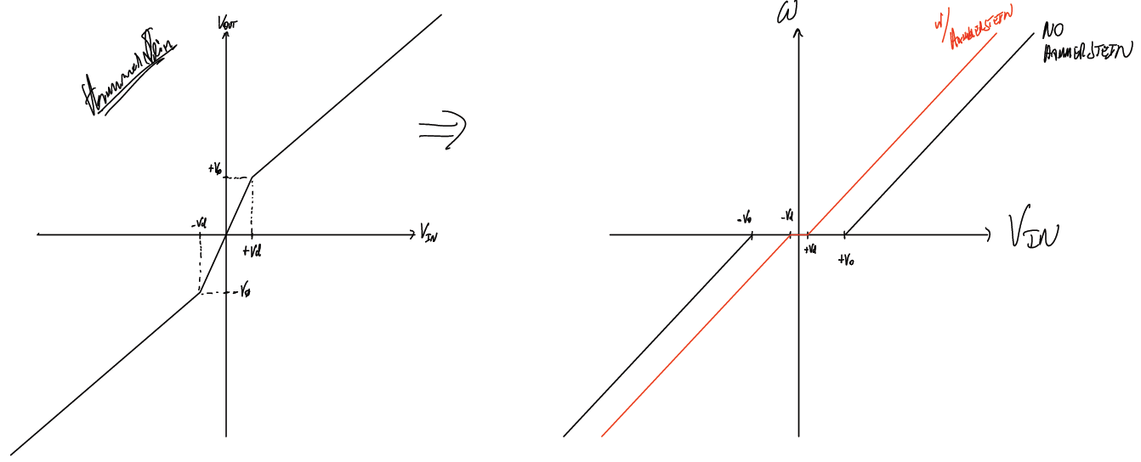
μ (avg) | 3.30899 | 3.22734 | 1.626434 | μ (avg) | 3.44899 | 3.39548 | 1.62985
σ (stdev) | 0.16952627754 | 0.16468132998 | 0.13807827065 | σ (stdev) | 0.28826363107 | 0.13897530396 | 0.18281307545
median | 3.31085 | 3.2739 | 1.6079 | median | 3.5162 | 3.501 | 1.62875

