Summary
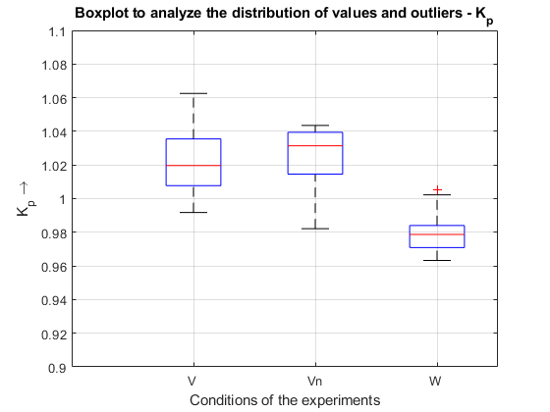
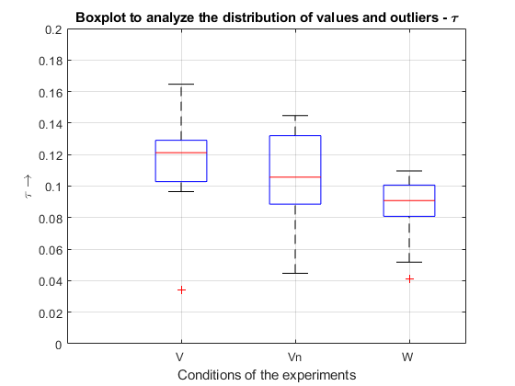
Robot Model
Kp |  |  |  | Tau

 | V | Vn | W |  | V | Vn | W
 | 1.0196497228 | 1.0364794339 | 0.96408315742 |  | 0.12714855577 | 0.1031683043 | 0.074280552213
 | 0.99174978104 | 1.0189408564 | 0.98444041502 |  | 0.12638673726 | 0.055893969089 | 0.10217906397
 | 0.99742388003 | 1.0402172849 | 0.98356861887 |  | 0.034088428682 | 0.11403919208 | 0.081049460568
 | 1.023573645 | 1.0154388126 | 0.96323295719 |  | 0.10289278598 | 0.12947032757 | 0.090112514623
 | 1.0364468481 | 1.0263564711 | 0.98348267658 |  | 0.13490613264 | 0.10087886891 | 0.098982899117
 | 1.0063687285 | 1.0435326427 | 0.9715402394 |  | 0.10568623515 | 0.14475894425 | 0.090970423023
 | 1.0189030151 | 1.0137305626 | 0.96956963112 |  | 0.13785767173 | 0.10813570125 | 0.051717735008
 | 1.0351461029 | 1.0365974611 | 0.97840347803 |  | 0.12165051848 | 0.084243615541 | 0.10035552548
 | 1.0576591436 | 0.98211214011 | 0.98363244839 |  | 0.096520771844 | 0.14055751937 | 0.10961846658
 | 1.0081491269 | 1.0074019315 | 0.97906631593 |  | 0.10261473125 | 0.092888782242 | 0.080558834366
 | 1.0095569827 | 1.0385761608 | 1.0022630924 |  | 0.11628501577 | 0.13448605214 | 0.090682554602
 | 1.062505037 | 1.0422979764 | 0.97621479583 |  | 0.12120279783 | 0.044684360852 | 0.062834690069
 | 1.0328993694 |  | 0.97030732169 |  | 0.16462651311 |  | 0.041057221491
 |  |  | 1.0054887304 |  |  |  | 0.099883973437
 |  |  | 0.97004838373 |  |  |  | 0.091530799845
 |  |  | 0.97685320218 |  |  |  | 0.10167167915
 |  |  | 0.99935511856 |  |  |  | 0.087035161316
 |  |  | 0.97488442305 |  |  |  | 0.087982458249
 |  |  | 0.98247082292 |  |  |  | 0.10272827643
 |  |  | 0.98982988119 |  |  |  | 0.10091394136

μ (avg) | 1.0230793371 | 1.0251401445 | 0.98043678549 | μ (avg) | 0.11475899196 | 0.10443380313 | 0.087307311544
σ (stdev) | 0.021457478407 | 0.018415975908 | 0.011783743313 | σ (stdev) | 0.030300238592 | 0.031692061269 | 0.017951734346
median | 1.0196497228 | 1.0314179525 | 0.97873489698 | median | 0.12120279783 | 0.10565200277 | 0.090826488812

