01时态
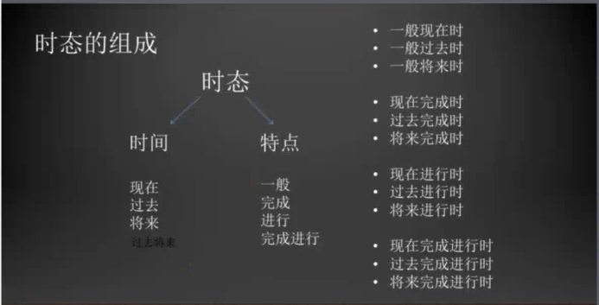

一般现在时：do/does | 疑问词
一般过去时：did | who | what | whose | which
一般将来时：be going to do
现在进行时：be doing | when | where | why | how

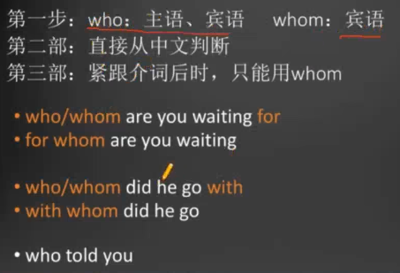
 |  |  | who | 主语是动作的发生者
 |  |  | whom | 宾语是动作的承受者

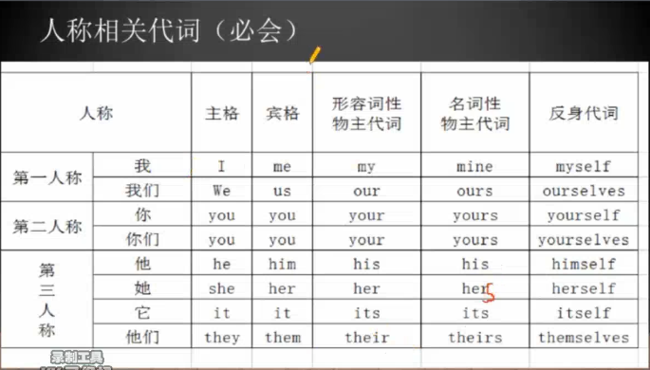

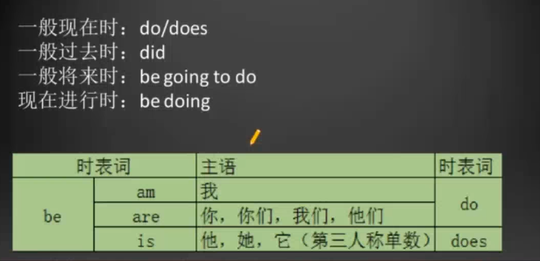
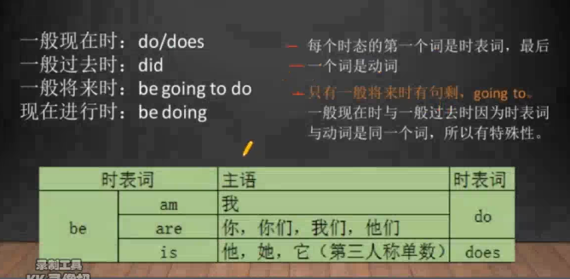

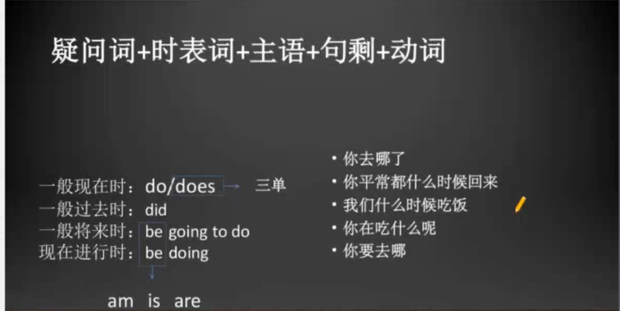

 |  |  |  |  | Where did you go
 |  |  |  |  | When do you come back
 |  |  |  |  | When are we going to eat
 |  |  |  |  | What are you eating
 |  |  |  |  | Where are you going to go

02时态
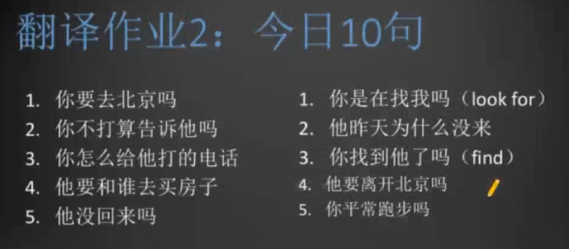
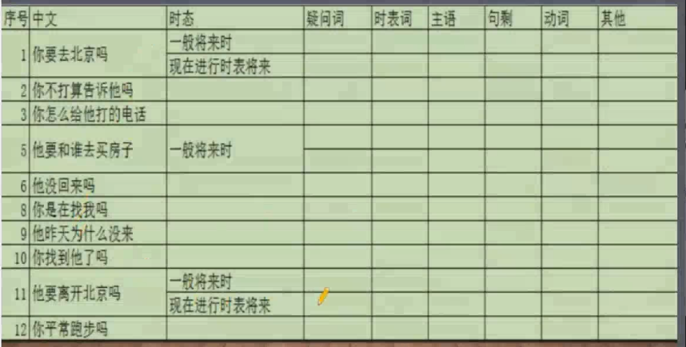
 | 学会判断时态
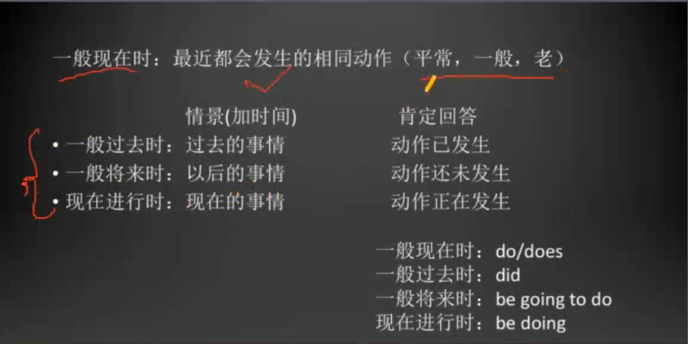

 | 练习时态用的句子
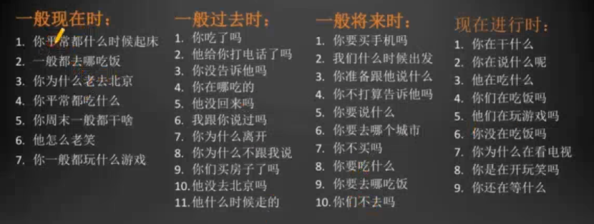

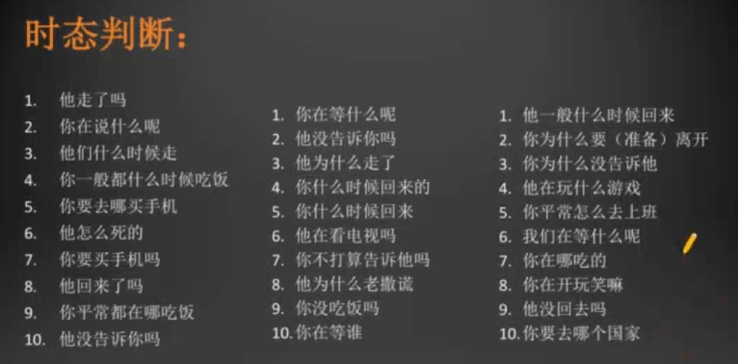
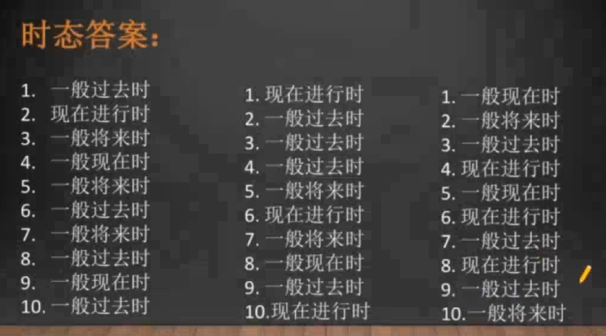

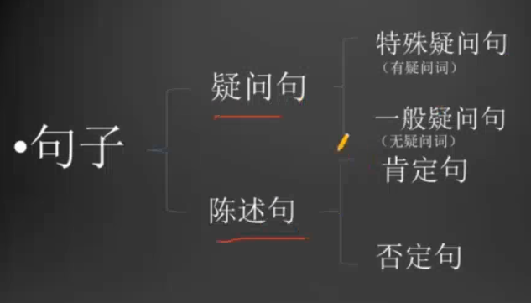

 |  |  | 有疑问词，那八个。
 |  |  | 有多种回答 |  | 例：你吃什么了？ 我吃饭，吃面，吃饺子等

 |  |  | 有两种回答，是或否
 |  |  | 例：你吃了吗？ 吃了， 或没吃。

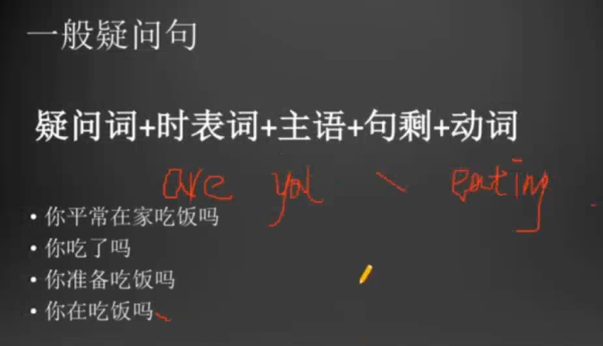

 |  |  |  | Do you eat at home?

 |  |  |  | Did you eat?

 |  |  |  | Are you going to eat?

 |  |  |  | Are you eating?

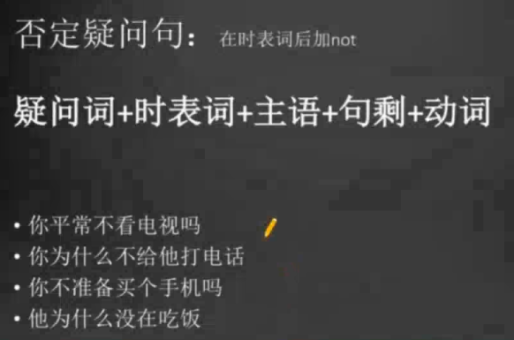

 |  |  | Do you watch TV?
 |  |  | Do not you watch TV? |  |  | Don't you watch TV?

 |  |  | Why did you call him?
 |  |  | Why didn't you call him?

 |  |  | Are you going to buy a phone?
 |  |  | Aren't you going to buy a phone?

 |  |  | Why is he eating?
 |  |  | Why isn't he eating?

 | 一个动词造40句话
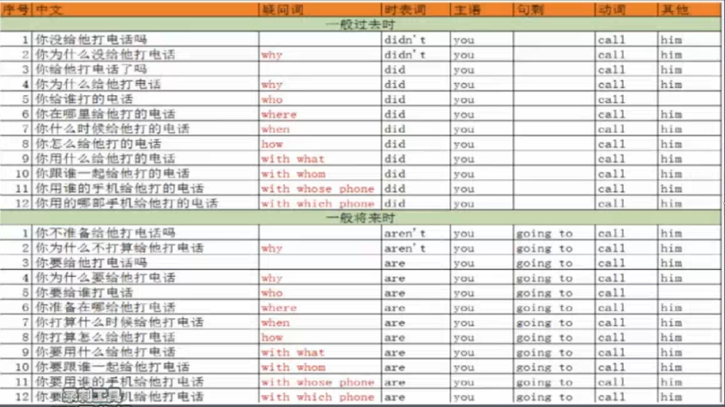
 |  |  |  |  |  |  | didn't you call him
 |  |  |  |  |  |  | why didn't you call him
 |  |  |  |  |  |  | did you call him
 |  |  |  |  |  |  | why did you call him
 |  |  |  |  |  |  | who did you call
 |  |  |  |  |  |  | where did you call him
 |  |  |  |  |  |  | when did you call him
 |  |  |  |  |  |  | how did you call him
 |  |  |  |  |  |  | with what did you call him
 |  |  |  |  |  |  | with whom did you call him
 |  |  |  |  |  |  | whit whose phone did you call him
 |  |  |  |  |  |  | with which phone did you call him

 |  |  |  |  |  |  | aren't you going to call hin
 |  |  |  |  |  |  | why aren't you going to call him
 |  |  |  |  |  |  | are you going to call him
 |  |  |  |  |  |  | why are you going to call him
 |  |  |  |  |  |  | who are you going to call
 |  |  |  |  |  |  | where are you ging to call him
 |  |  |  |  |  |  | when are you going to call him
 |  |  |  |  |  |  | how are you going to call him
 |  |  |  |  |  |  | with what are you going to call him
 |  |  |  |  |  |  | with whom are you going to call him
 |  |  |  |  |  |  | with whose phone are you going to call him

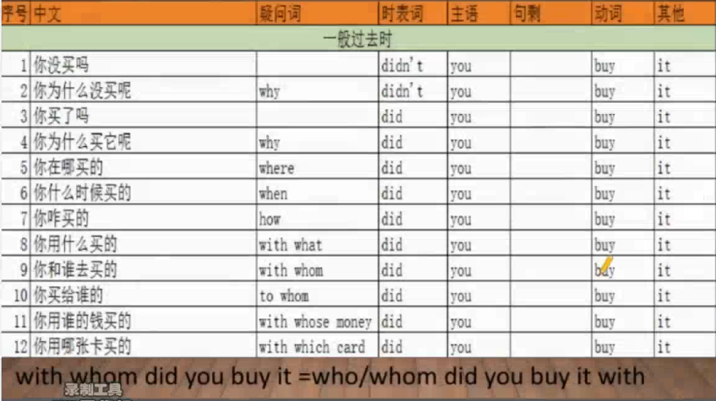

 | who did you buy it with? 一般说法。
 | With whom did you buy it? 强调和谁。

 | 判断句字是否对

* | 不可以延续的词：现在进行时表将来。
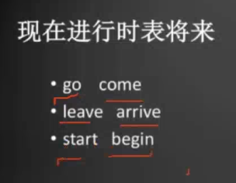

 |  | I'm coming 不是我正在来，是我马上就来的意思。

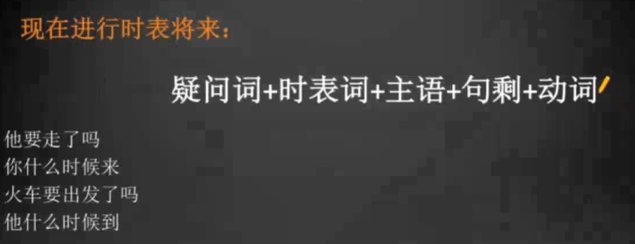

 |  |  |  |  |  | Is he going to leave?
 |  |  |  |  |  | Is he leaving?

