5
 | # | Name | dash | var | LN | serial | hours | cycles | reg | US | basic | door P/N | door S/N | 8100
------------------------------- 757 -------------------------------
PED
A | NDT -> Part 06 -> chapter 51 -> 51-00-16 -> 3C (f.hole) |
 | 82 | DAL-DAL-16-1393 | L1 | NU034 | 982 | 26500 | 41,854 | 18,620 | N553NW | US | N8105 | 141N6100-2008 | 00155 | A | is.corner: compression
 | 102 | FED-FED-18-0168 | L4 | NB201 | 226 | 29369 | 95,808 | 29,969 | N928FD | US | N0154 | 146N6100-3 | 182 | A | is.b3: compression
 | 108 | FED-FED-18-0759 | R4 | NA028 | 155 | 22691 | 73,740 | 30,582 | N941FD | US | N0112 | 146N6160-12 | 34 | A | is.window: compression
 | 36 | AAL-AAL-14-0687 | R2 | ND174 | 410 | 24616 | 70,042 | 24,266 | N658AA | US | N3187 | 143N6100-448 | N/A | A | Int.angle.sub | FT(prod) -> NX(rep) = >factors(0.9->0.922) | CE(prod) -> NW(rep) = >factors(0.751->0.8) || Book3, 16-12 -> Srating not affected
 | 60 | CPZ-UAL-15-0014 | L1 | NE068 | 498 | 26674 | 72,134 | 25,660 | N568UA | US | N3246 | 141N6100-2 | 000434 | A | Beam7.web.blend | fmax= (8.6/18.2)*1,044/(0.14*0.905)=3.9 ksi | Y=52.01 | Dtcycles=382t -> low likehood of crack initiation |
 | 74 | AAL-AAL-16-0842 | R2 | ND195 | 664 | 27053 | 65,061 | 22,691 | N602AN | US | N3323 | 143N6100-4 | 000077 | A | HandlePan.blend | fmax=11.2(ABAQUS) | DFRcut=20 | KnockFactor=0.9 | DFR=18 | fat=372t > 50t || handle pan size < max.allowable(66in^2) = OK |
52-10-01 Repair 7 | max 5" | 1g+ | skin:30L3 | chord:30H7 |
 | 45 | FED-FED-14-0964 | R2 | NA304 |  | 25059 | 33,581 | 30,265 | N948FD | US |  | 146N6100-4 | 306 | srm | os:exist.sem: 4D(prod) -> 3.8D(rep) => book2, 5-36: factor sp/d=1 (BAC5004) -> OK
 | 8 | FED-FED-13-0207 | L4 | NA302 |  | 24371 | 51,819 | 22,004 | N958FD |  |  | 146N6100-3 | 181 | L3 | os.edge: 4 sides(SRM) - 3 sides(rep) => no load beyond the skin edge.
52-10-02 Repair 1 | max depth:0.9" | FWD Frame of the number 2 Left and Right side PED | 15-5PH CRES: 50H5.8 | Boeing Spares: 50H1.9 |
 | FWD Frame:143N6158-6 sh.1 (2024-T42 sheet t=0.08" ) | f:143N6100 sh.6 |
 | 65 | AAL-AAL-15-0719 | L2 | ND041 | 350 | 24598 | 74,090 | 26,357 | N640A | US | N3144 | 146N6100-3 | 000424 | srm | ffr:hinge_cutout.SEM: 0.375(prod) -> 0.25(rep) => covered by AAL-AAL-12-0015 (SEM=0.185)
 | 63 | AAL-AAL-15-0515 | R2 | NT750 | 979 | 32386 | 51,497 | 13,141 | N192AN | US | N8103 | 146N6100-2006 | 000158 | srm | ffr:hinge_cutout.SEM: 0.375(prod) -> 0.30(rep) => covered by AAL-AAL-12-0015 (SEM=0.185)
 | 11 | DHI-DHH-13-0020 | L2 | NA209 | 25 | 22180 | 43,934 | 36,560 | G-BIKI | UK | N0025 | 146N6100-3 | 75 | H1.9 | ffr:hinge_cutout.mat: 15-5PH(SRM) -> 17-7PH(rep) => covered by SRM Repair 1 (201011190019)
 | 61 | DAL-DAL-14-2614 | R2 | NA212 |  | 22183 |  |  | D-ALEE |  |  |  | 00018 | H1.9 | ffr:hinge_cutout.mat: 15-5PH(SRM) -> 17-7PH(rep) => covered by SRM Repair 1 (201011190019)
 | 42 | DAL-DAL-14-2614 | R2 | NA572 |  | 25977 | 73,333 | 32,666 | N672DL |  |  | 143N6100-4 | 00367 | H1.9 | ffr:hinge_cutout.mat: ?(SRM) -> blend=0.128(rep) =>
51-70-12 - Typical Extruded Section Repair
 | 16 | CAL-CAL-14-0566 | L1 | NT751 |  | 28966 | 61,960 | 16,053 | N26123 | US | N8003 | 141N6100-2001 | 000648 | 50 | OS chrod - Beam 3-4: shim > t chord/3 => shim is structula; stepped - critical f. not hide; Dfactor not affected
Stage II
 | 43 | FED-FED-14-1795 | R1 | NA394 | 174 | 24120 | 54,027 | 24,581 | N915FD | US | N0125 | 141N6200-2 | 135 | +50 | Beam5.oc.exist: fmax=3.55 | R1P=0.329 | DFRb=13.48 | A=0.90(nw6) | C=0.76 | E=0.90 | DFR=08.27 | fat=1,109t > 50 | thr(gr.2) = min(0.75*1,109;1.00*50) |
 | 27 | WJE-WJE-13-0166 | L4 | NB422 |  | 26963 | 70,309 | 23,353 | N901NV |  |  | 146N6100-3 | 389 | 50 | b1:web+stop.elong.hole-frez.plug: fmax=13.5 | R1P=0.24 | DFRb=13.48 | A=0.89 | C=1 | D=0.95 | E=0.87 | DFR=14.34 | fat=71t > 50 | thr(gr.2) = min(0.75*71;1.00*50) |
 | 35 | FED-FED-14-1794 | R4 | NA394 |  | 24120 | 54,027 | 24,581 | N915FD |  |  | 146N6100-4 | 140 | 11.3 | b4:os.exist: 0.056d(7075) ce6 0.040s 0.387 | 14.00*0.95*0.8*0.76*1.00*0.90=7.26 | fmax=10.33 | fat=15t | thr(gr.2) = min(0.75*15;1.00*50) |
Stage III | Srat m p Linit-> Lfinal |
 | 68 | DAL-DAL-15-1849 | R2 | NA558 | 287 | 24420 |  |  | N658DL | US | N3095 | 143N6158-6 | 237 | H1.5 | hinge_cutout.mat: 15-5PH(SRM) -> 4130(rep) => J10(s=64.3; m=55; p=2.7; Li=0.04; Lf=0.327") -> H1.45
 | 35 | FED-FED-14-1794 | see Stage II |  |  |  |  |  |  |  |  |  |  | H7.8 | b4:os.exist: Y12(10.33 22,9 3.5 0.1->0.81)=> 55t => H7.8
FCD & ACD
 | 64 | AAL-AAL-15-0650 | ACD | ND041 | 350 | 24598 | 74,090 | 26,357 | N640A | US | N3144 | 146N6603-97 | - | A | os.corner.dent: no load beyond the skin edge.
 | 78 | DAL-DAL-16-1617 | ACD | NT719 | 921 | 30422 | 53,558 | 19,929 | N6706Q | US | N8072 | 146N6603-1002 | SAC000256 | A | os.seal_dep.osz: area < allowable -> OK || book3-16

 | 95 | FED-FED-17-0137 | FCD | NE085 | 563 | 26709 | 70,191 | 24,585 | N774FD | US | N3283 | 143N6603-1 | 000566 | 37,5 | 52-30-01 R4 | OS | exist
 | 88 | DAL-DAL-17-0369 | ACD | NT728 | 953 | 30486 | 51,523 | 18,717 | N6715 | US | N8089 | 146N6603-1003 | 00278 | A | no | OS | cr | crack size=0.25 (0.1) // SEM>2D | No load beyond skin edge.
 | 75 | XIA-XIA-16-0351 | ACD | NN052 | 1009 | 32942 | 38,020 | 24,115 | B-2869 | No | N8121 |  |  | A | #REF! | FI | cor | corrosion at side frame //f(SCN 262004A)=(8.6/18.2)*4.1=1.94 - stress is low (OK)
 | 38 | XIA-XIA-14-0299 | ACD | NJ032 |  | 34009 | 28,338 | 18,853 | B-2866 |  |  | 146N6603-2004 | 000338 | A | 51-70-11 | OS |  |  |  |  | Corrosion at rear frame web
 | 44 | UPS-UPS-14-0656 | ACD | NS611 |  | 28265 | 30,030 | 14,239 | N461UP |  |  | 146N6603-1 | SAC0139 | S | 52-30-02 | B |  |  |  |  | Damage at stop beam web
MDCD
 | 73 | MOE-UPS-15-0022 |  | NT003 | 776 | 25485 | 24,451 | 14,943 | N469UP | US | N9003 | 65-25326-701 | 074 | A | no | IS | osz | nutplate hole //SN(DFR=10.63; f_GETDATA=3,8ksi; R= -0.13)*(GAG=0.75;FRF=1.5)=1,135t > 50t // DTA > 3m(OK)
 | 105 | CPZ-UPS-17-0032 |  | NC945 | 646 | 27390 | 22,962 | 15,226 | N445UP | US | N2750 | 65-25326-18 | 050 | A | 52-30-02, f101 | FI STA487.1 | blend | depth > 10% ||
 | 33 | CPZ-UPS-14-0025 |  | NT007 |  | 28846 | 15,655 | 10,535 | N473UP |  |  | 65-25326-703 | 000078 | 37,5 | - | FI STA580 | dam | wrong drill || f(GETDATA)=9.19 | DFR=10 | R=-0.03 => 67t > 50t (OK)
 | 26 | EAZ-EAZ-13-0115 |  | NA212 |  | 22183 | 47,317 | 35,205 | D-ALEE |  |  | 65-25326-708 | 000009 | A | Stage 2 | D |  |  |  |  | Gouges at pan fitting aft
 | 81 | ATK-DHH-14-0120 |  | NA216 | 52 | 22187 | 44,407 | 35,830 | G-BIKO | No | N0042 | 65-25326-710 | 000025 | A | - | BW | dam | repair=2 f.row | production=1 f.row => OK
------------------------------- 777 -------------------------------
BCD | Not FCBS -> No DTA |
52-30-01 Repair 12 - External Repair At A Beam or Intercostal with Solid Fasteners |
 | 56 | BAB-BAB-15-0455 | 200 | WB002 | 49 | 27484 | 49,683 | 7,046 | G-VIIB | BR | - | 135W3100-1 | 000052 | 30 | OS.low_corner.trim | #1.misdrill.hole => OS in compression | #2.drain loc => stress is lower in repair(t=0.08>0.071) |
 | s1 | BAB-BAB-19-0034 | 200 | WB014 | 157 | 29319 | 42,561 | 6,443 | G-VIIN | BR | - | 135W3100-1 | 000160 | +30D4 | OS.low_corner.trim | #1.drain loc => stress is lower in repair(t=0.08>0.071) | #2.4D(SRM)-6D(rep) = mat.the same & 1g+ = AreaOK;
 |  | Plost=7.44*0.071*13ksi=7.2kip/1,050=6.9 riv < 10 installed || fatigue=fmax=6.81 | DFRb=11.18 | A=1.05(bb6) | E=0.9 | DFR=10.57 | fat279t>40 ||
 | 53 | SVS-AMX-14-0009 | 200 | WB341 |  | 28689 | 53,028 | 7,756 | N774AM |  |  | 135W3100-1 | 000589 | 30 | OS(Beam6).edge.trim | fmax=7.73 | DFR=12.55 | R1P=0.159 | A=1(bb6) | C=0.868 | E=0.9 | biax=0.8 | DFR=7.85 | fat=58t>40 |
 | 79 | EAD-EAD-16-0290 | 300ER | WE212 |  | 41362 | 10,416 | 1,864 | A6-ENP |  |  | 135W3100-1 | 001202 | + | OS(Beam5-6).edge.trim | Pgain=62ksi*0.08*7.246=35t > Plost=8,653/910 = 10f. < 12 installed |

 | 767 - mil problem |  |  |  |  |  |  |  |  |  |  |  |  |  | 777-200
 | 6 | EAC-ANG-13-0002 | R2 PED | WC547 |  | 34566 | 15,025 | 2,400 | D2-TEE |  |  | 131W1001-2164 | 000589 | S | - | OS |  |  |  |  | Crack at OC StopBeam1 and Damage at OS
 |  |  |  |  |  |  |  |  |  |  |  |  |  |  | 777-200ER
 | 94 | BAB-BAB-17-0683 | L4 PED | WB015 | 206 | 29323 | 77,981 | 11,591 | G-VIIS | No | - | 135W1001-4161 | 000210 | A | 52-10-01-AD | OS | blend | within zone A fig.103
 | 89 | UAL-UAL-16-0899 | L4 PED | WC223 | 858 | 39776 | 32,619 | 2,905 | N76021 | US | - | 135W1001-4179 | 000838 | 30 |  | OS | imp | doub=0.09(0.08 in SRM) || R1P=0.41 | DFR=11.8 | Fmax=11.1 | R=0 | Life=70.8t> 40 || 3-16: post45 gr2 75%DSO=30t
 | 69 | CAL-UAL-15-0041 | FWD LCD | WB055 | 69 | 26951 | 80,639 | 10,970 | N784UA | US | - | 135W1001-3 | 000072 | A |  | OS | dam | 1+ fastener //load: bend in OS due int.pressure. Still in SRM area and not affected fat & DT characteristics of SRM repair
 | 99 | AAL-AAL-17-1037 | FWD LCD | WB423 | 218 | 29585 | 73,987 | 8,796 | N777AN | US | - | 135W1001-7 | 000221 | A |  | FO | cr | f(2640209A)=2.4 | DFR=10.54 | R=-0.29 => 4m > 40t(OK) || J11,12 > 2m cycles
 |  |  |  |  |  |  |  |  |  |  |  |  |  |  | 777-200LR
 | 51 | QTR-QTR-14-0866 | AFT LCD | WD082 |  | 36013 | 32,211 | 4,212 | A7-BBB |  |  | 135W1001-10 | 000445 | S | 51-70-13 R1 | BI |  |  |  |  | Dent&Crack at upper beam web b/w LF2_3
 | 90 | QTR-QTR-16-1515 | AFT LCD | WD082 |  | 36013 | 44,528 | 5,697 | A7-BBB | No | - | 135W1001-10 | 000445 | A | 51-70-13 R1 | BI | cr | f(2640209A, p.68)=1.3 -> low
 |  |  |  |  |  |  |  |  |  |  |  |  |  |  | 777-300ER
 | 18 | AFA-AFA-13-0473 | AFT LCD | WD522 |  | 32724 | 42,026 | 4,574 | F-GSQB |  |  | 135W1001-10 | 000238 | A | - | B |  |  |  |  | Dent&Crack at upper beam ACD

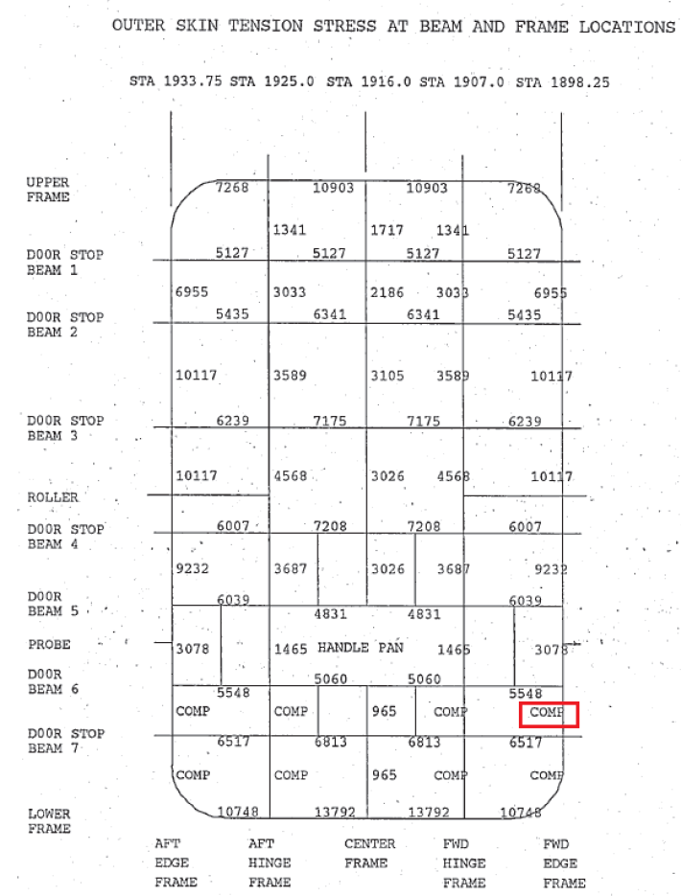

 |  |  |  |  |  |  |  |  |  |  |  |  |  |  |  |  |  | 0.00023835616438 | 0.23835616438 | 238.35616438
 |  |  |  |  |  |  |  |  |  |  |  |  |  |  |  |  |  | 0.003

