92.06
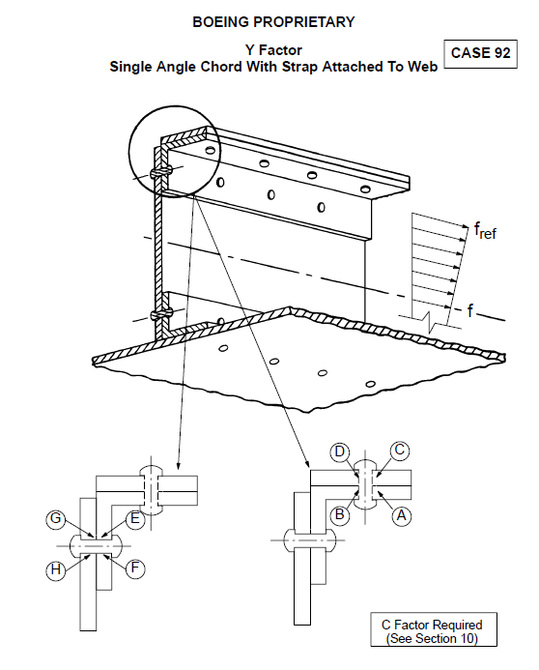
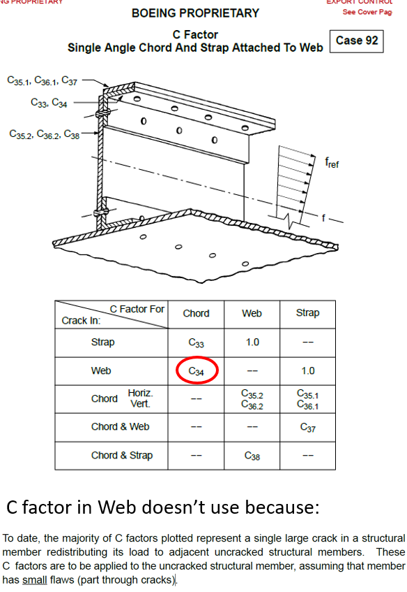

 |  |  |  |  |  |  |  |  |  |  |  |  |  |  |  | 146N6619, Outer Skin
 |  |  |  |  |  |  |  |  |  |  |  |  |  |  |  | t= | 0.063
 |  |  |  |  |  |  |  |  |  |  |  |  |  |  |  | 2024-T3 Clad Sheet

Lead Crack A

Crack D

 |  |  |  |  |  |  |  |  |  |  |  |  |  |  |  | 0.380
 |  |  |  |  |  |  |  |  |  |  |  |  |  |  |  |  |  |  |  |  | BACB30MY6K +
 |  |  |  |  |  |  |  |  |  |  |  |  |  |  |  |  |  |  |  |  | BACC30M6

Crack B
 |  |  |  |  |  |  |  |  |  |  |  |  |  |  |  |  |  |  | 0.380

Crack C
 |  |  |  |  |  |  |  |  |  |  |  |  |  |  |  | 1.000

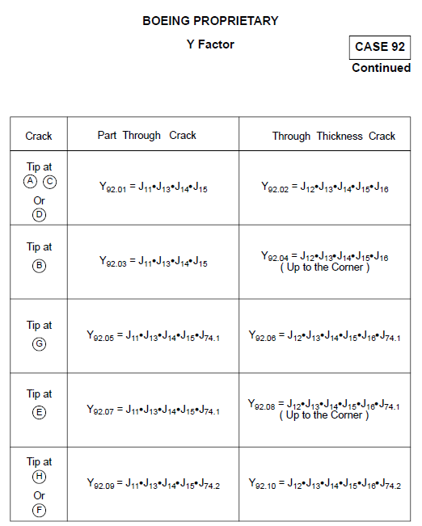
 |  |  |  |  |  |  |  |  |  |  |  |  |  |  |  |  |  |  |  | Outer Chord, 146N6603-175
 |  |  |  |  |  |  |  |  |  |  |  |  |  |  |  |  |  |  |  | BAC1490-2816
 |  |  |  |  |  |  |  |  |  |  |  |  |  |  |  |  |  |  |  | t= | 0.080
 |  |  |  |  |  |  |  |  |  |  |  |  |  |  |  |  |  |  |  | #REF!

 |  |  |  |  |  |  |  |  |  |  |  |  |  | Repair Doubler |  |  |  | 146N6603-173
 |  |  |  |  |  |  |  |  |  |  |  |  |  | t= | 0.080 |  |  | t= | 0.071
 |  |  |  |  |  |  |  |  |  |  |  |  |  | 7075-T6 Clad Sheet |  |  |  | 2024-T3 Clad Sheet

 |  |  |  |  |  |  |  |  |  | A
 |  |  |  | D

 |  |  |  | B & C

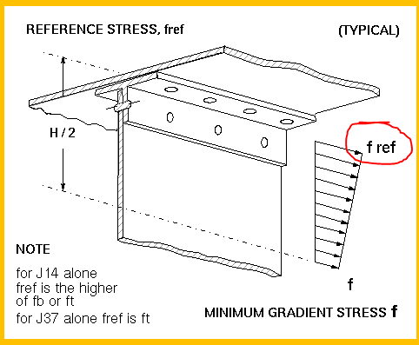
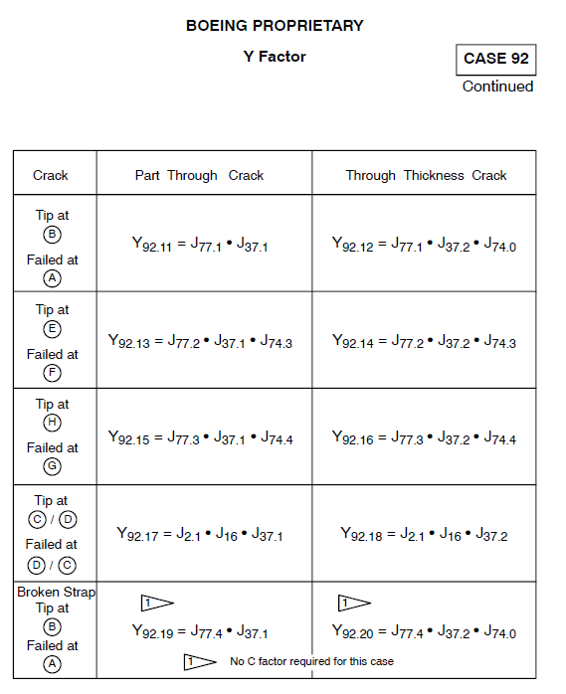
C factor became effective when crack in
Web reached edge crack:
A | 92.06 | J12 | J13 | J14 | J15@A | J16 | J74.1
B | 92.09 | 11 | 13 | 14 | J15@B | 74.2 |  |  |  |  | S= | 11.18 | ksi (see fatigue analysis)
C | 92.09 | 11 | 13 | 14 | J15@A | 74.1 |  |  |  |  | SEF | 1.00 | constant
D | 92.07 | 11 | 13 | 14 | J15@B | 74.1 |  |  |  |  | Mweb= | 22.9 | 2024-T3 Clad Sheet, C airplane environment
E |  |  |  |  |  |  |  |  |  |  | Mchord= | 29.2 | 7075-T6 Clad Sheet, C airplane environment
F |  |  |  |  |  |  |  |  |  |  | Fty= | 73.912 | 2024-T3 Clad Sheet, Fty=2.228*B-1.228*A
G |  |  |  |  |  |  |  |  |  |  | E= | 0.380 | 2*D
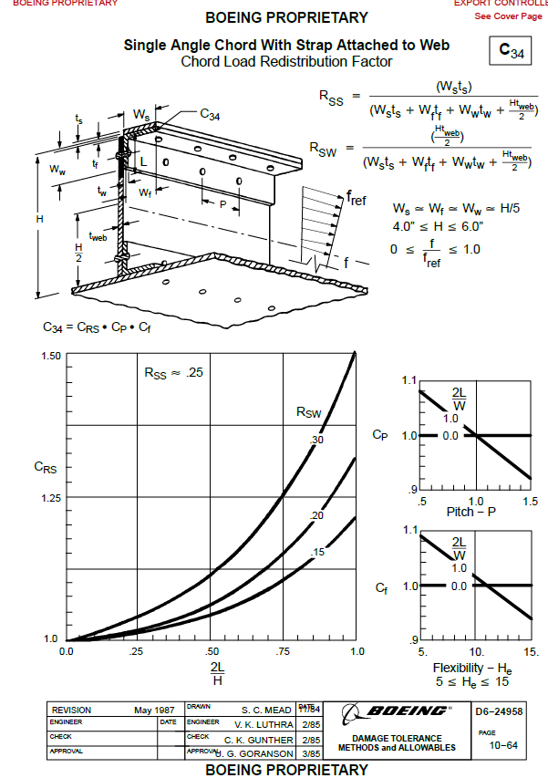
H |  |  |  |  |  |  |  |  |  |  | Eopp= | 1.000 | ~ spacing
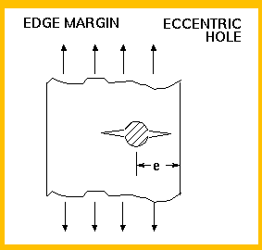
 |  |  |  |  |  |  |  |  |  |  | fmin= | -24.31 | ksi (=-51.4*0.473 - see fatigue analysis)
 |  | S | SEF | n | M | p | code | Ftyp | thk |  | f= | 0.00 | =MAX((S+fmin)/2,0)
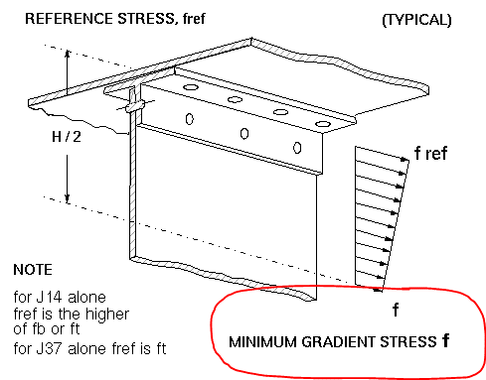
A | WEB | 11.18 | 1.00 | 1 | 22.9 | 3.5 | AL7 | 73.91 | 0.071
J12 | 0.190
J13 | 0.190 | 0.071 | 0.000 | 0.000 | B
J14 | 0.190 | 1.40 | 1.00 | 0.071 | 2
J15@A | 0.190 | 0.380 | 0.071 | 4.500 | 0.000 | 0.000 | B
J16 | 0.190 | 8.30 | 0.950 | 0.071 | 4.500 | 0.000 | 0.000 | B
J74.1 | 0.190 | 1.000 | 4.500 | 0.00 | 0.380 | B | *WEOF
B | WEB | 11.18 | -1.00 | 1 | 22.9 | 3.5 | AL7
J11 | 0.190 | 2 | 0.071
J13 | 0.190 | 0.071 | 0.000 | 0.000 | A
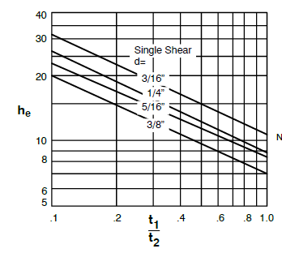
J14 | 0.190 | 1.40 | 1.00 | 0.071 | 1
J15@B | 0.190 | 0.380 | 0.071 | 4.500 | 0.000 | 0.000 | A |  |  |  | fbrg= | 1.40 | ksi (see fatigue analysis)
J74.2 | 0.190 | 1.00 | 4.500 | 0.00 | 0.380 | A | *WEOF
C | CHORD | 11.18 | -1.00 | 1 | 29.2 | 3.9 | AL2
J11 | 0.190 | 2 | 0.080
J13 | 0.190 | 0.080 | 0.000 | 0.000 | D
J14 | 0.190 | 1.40 | 1.00 | 0.080 | 1
J15@A | 0.190 | 0.380 | 0.080 | 2.700 | 0.000 | 0.000 | D |  |  |  | t1/t2= | 0.89
J74.2 | 0.190 | 1.00 | 2.700 | 0.00 | 0.380 | D | *WEOF |  |  |  | he= | 12.00 | from chart
D | CHORD | 11.18 | -1.00 | 1 | 29.2 | 3.9 | AL2 |  |  |  | HE= | 8.30
J11 | 0.190 | 2 | 0.080
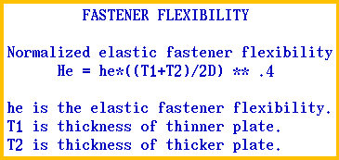
J13 | 0.190 | 0.080 | 0.000 | 0.000 | C
J14 | 0.190 | 0.00 | 1.00 | 0.080 | 1
J15@B | 0.190 | 0.380 | 0.080 | 2.700 | 0.000 | 0.000 | C
J74.1 | 0.190 | 1.00 | 2.700 | 0.00 | 0.380 | C
*WEOF | *WEOF
0.0710 | 0.3800 | 0.0193 | 0.9500 | 0.0122 | 0.3800 | 0.0122 | 2.3200 | 20 | *WEOF
 |  |  |  |  |  |  |  |  |  |  | P= | 0.950 | =5*D

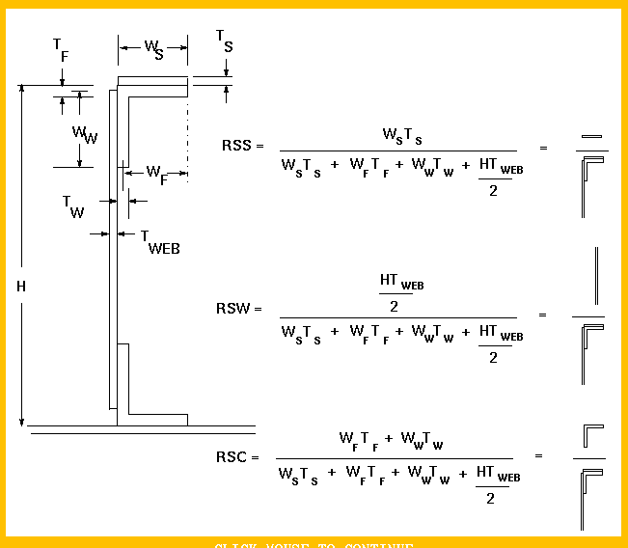
 |  |  |  |  |  |  |  |  |  |  | RSW= | 0.238 | web stiffening ratio
 |  |  |  |  |  |  |  |  |  |  | H*tweb/2= | 0.160
 |  |  |  |  |  |  |  |  |  |  | Ws*ts= | 0.085
 |  |  |  |  |  |  |  |  |  |  | Wf*tf= | 0.108
 |  |  |  |  |  |  |  |  |  |  | Ww*tw= | 0.319

mat
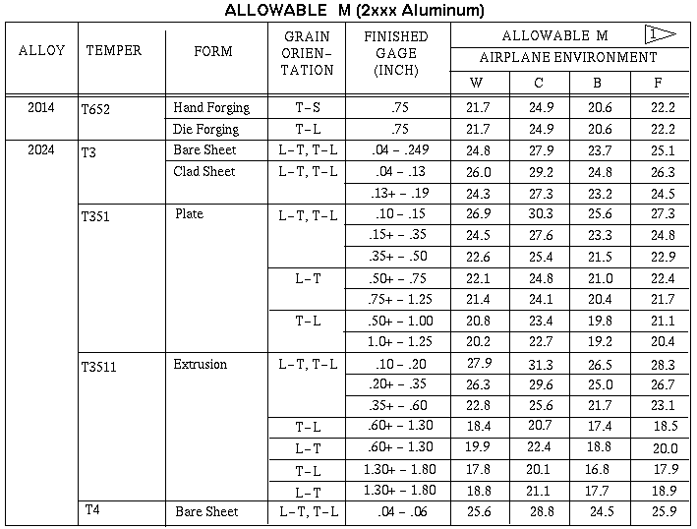
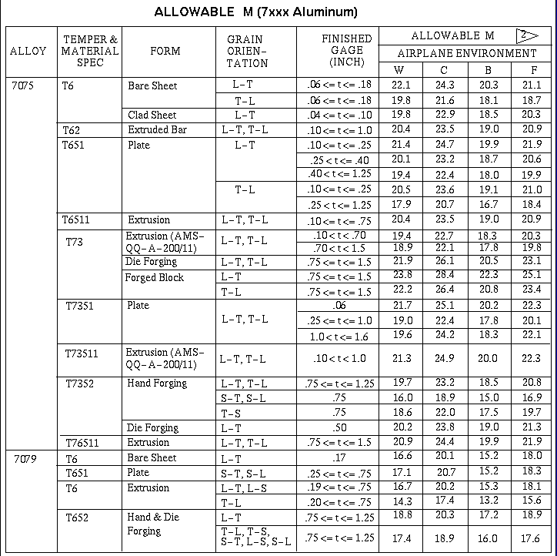
m1 | 7075-T6 Clad Sheet | 0.071 |  | AL7 | 22.9 | 3.5 |  |  | 73.91
m2 | 2024-T3 Clad Sheet | 0.080 |  | AL2 | 29.2 | 3.9 |  |  | 49.46

 | mat | t_min | t_max | code | M | p | FtyA | FtyB | Ftyp
1 | 2024-T3 Bare Sheet | 0.000 | 0.128 | AL2 | 27.9 | 3.9 | 47 | 48 | 49.23
2 | 2024-T3 Clad Sheet | 0.062 | 0.128 | AL2 | 29.2 | 3.9 | 45 | 47 | 49.46
3 | 7075-T6 Bare Sheet | 0.039 | 0.125 | AL7 | 24.3 | 3.5 | 70 | 72 | 74.46
4 | 7075-T6 Clad Sheet | 0.040 | 0.063 | AL7 | 22.9 | 3.5 | 63 | 66 | 69.68
5 | 7075-T6 Clad Sheet | 0.063 | 0.187 | AL7 | 22.9 | 3.5 | 65 | 69 | 73.91

