Global Statistics
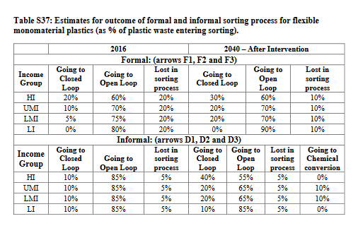
Estimated proportion of wastepickers in 2016, based on Lizner and Lange (2013)
Urban population | Proportion of waste pickers in urban population | Number of waste pickers
1195989000 | 0.41% | 4922319

Estimated annual mass of plastic waste collected per waste picker in urban archetypes, Lau et al. (2020)
Plastic collected by dumpsites | Plastic collected on streets | Total plastic collected | Unit
2.9 | 2.1 | 2.5 | tons/year
241.66666667 | 175 | 208.33333333 | kg/month

