Title
VinFast

CAN Matrix
VFDSAAEEP00xx

Specification Book

Scope
Applicable Document of Part 1
Common Electrical Specification for OEM
VFe32 CAN Matrix

Range of validity
Vinfast

Document Administrator: JiangXuan
The reproduction, distribution and utilization of this document as well as the communication of its contents to others withou t express authorization is prohibited. Offenders will be held liable for the payment of damages. All rights reserved in the event of the grant of a patent, utility model or design. Nothing in this standard supersedes applicable laws and regulations.

Version: V1.2.0 Print date
Uncontrolled copy when printed Status

Architecture
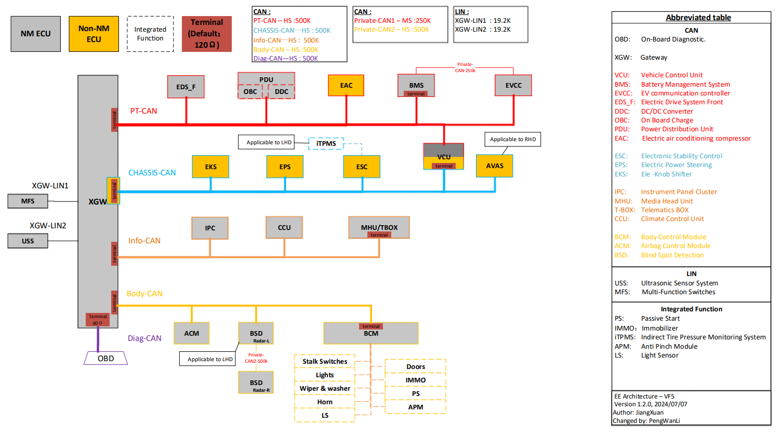

OBDII
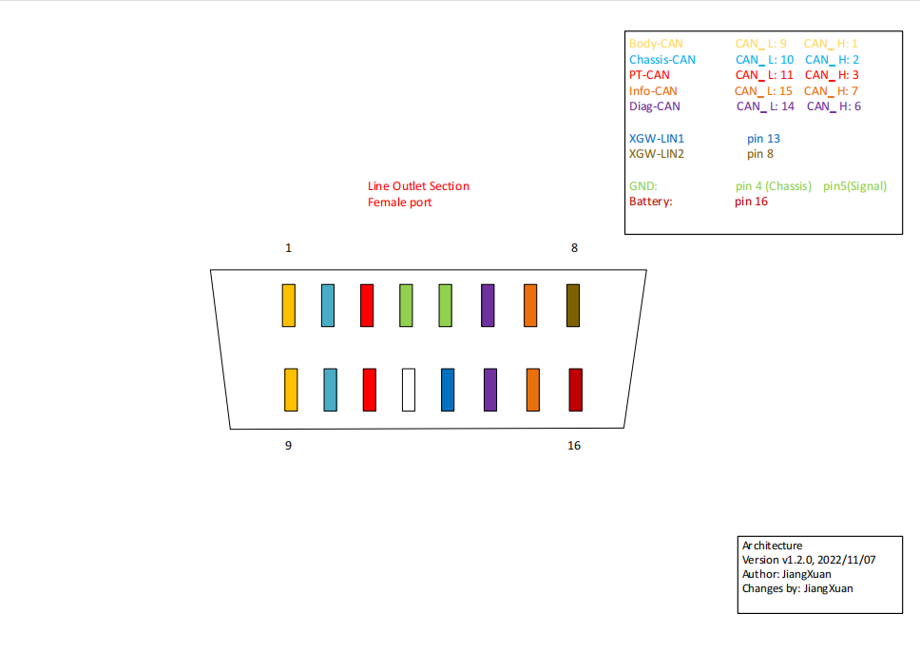

Lgend
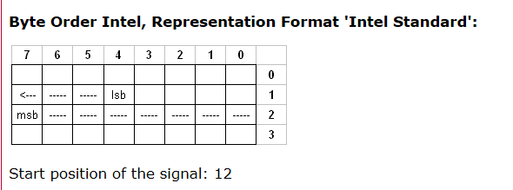
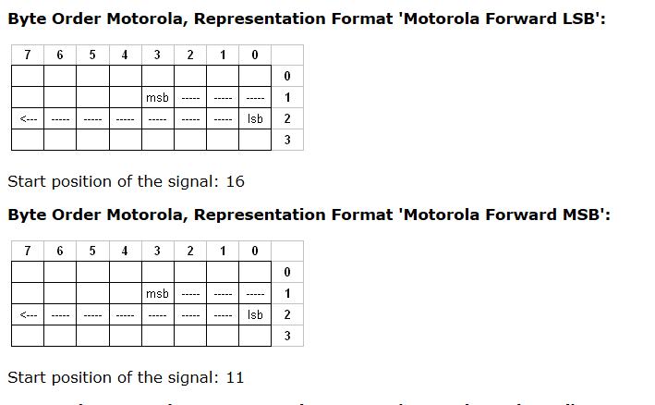
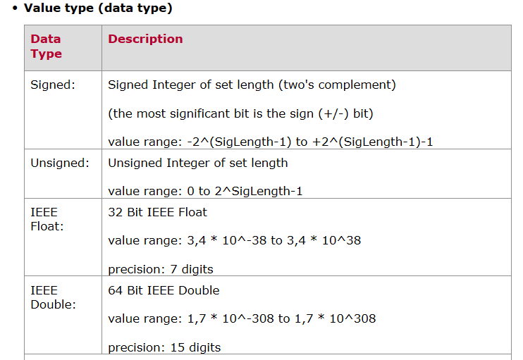
Legend - CAN 参数说明 - CAN
Property | Description | Remarks
Msg Name | Message name | Message format： 1. ECU name _ description _ Message ID BCM_PowerMode_0x123 2. ECU name _source node_description _ Message ID GW_BCM_PowerMode_0x123
Msg Type | Msg Type: Normal, NM, Diag | Normal: Normal Communication message NM：Network Mangment message Diag: Diagnostic message
Msg ID | Message identifier
Msg Send Type | Send type for the message. Send type:"Cycle", "Event", "IfActive", "CE" and "CA" | “ CE - Cycle and Event ” , " CA - Cycle if Active "
Msg Cycle Time (ms) | Cycle time of the message if it should be sent cyclically （） | Unit: ms
Msg Length (Byte) | Byte length of the message
Signal Name | Signal Name | Signal format : 1. ECU name_signal description BCM_REQ_CCU_PTC_Limitation 2. Alive_Message ID Alive_0x123 3. CRC_ Message ID CRC_0x123
Signal Description | Comment for the signal
Byte Order | Description the byte order, intel or mortoral | Intel 、Motorola LSB 、Motorola MSB more detail as figure below
Start Byte
Start Bit
Signal Send Type | Send type for the signal | Cycle OnWrite OnWriteWithRepetition OnChange OnChangeWithRepetition IfActive IfActiveWithRepetition.
Bit Length (Bit) | Bit length of the signal
Date Type | Date type of the signal | Date type: Unsigned, Signed，IEEE Float，IEEE Double more detail as figure below
Resolution | Resolution value is to calculate the physical value of the signal. 。 | The signal's conversion formula (Rasolution, Offset) is used to transform the hex value to a physical value or in the reverse direction. [Physical value] = ( [Hex value] * [Resolution] ) + [Offset]
Offset | Offset value is to calculate the physical value of the signal. 。
Signal Min. Value (phys) | Physical minimum value of the signal in physical value | The "physical value" of a signal is the value of the physical quantity (e.g. speed, rpm, temperature, etc.) that represents the signal.
Signal Max. Value(phys) | Physical maximum value of the signal in physical value
Timeout Value (Hex) | Timeout Value of the signal in Hex value | Only used for XGW signal routing. If not defined，last value will be used.
Timeout Time（ms） | Timeout time | 10*cyclic
Initial Value(Hex) | If no valid signal is available after network startup, the predefined value (refer to the functional requirement) shall be sent. The valid value shall be available within this time from the startup. ，（）。。 | If this value is 0, always valid signal value will be sent in the normal operating condition.
Invalid Value(Hex) | Invalid value in hex value | When error occur，Invalid Value will be used. If not defined，last value will be used.
Inactive Value(Hex) | Inactive value in hex value if the message sent type is ifActive and PA ,
Unit | Unit of the signal physical value
Signal Value Description | Hex-physics representation of the signal value
Msg Cycle Time Fast(ms) | The fast cycle time of message if the Msg Send Type of message is not "Cycle" ，。
Msg Nr. Of Reption | The reption number of message if the Msg Send Type of message is not "Cycle" ，。
Msg Delay Time(ms) | The min time between the same ID message if the Msg Send Type of message is not "Cycle" ，ID。

