Index


 | GroceryOrder

Mapping Document eRUMS to EDIS

Version | Date | Description | Author
1.0 | 2020-07-14 | Updated Grocery Delivery mapping document V1.3 as per New XSD for Grocery Order | Nitika Dhingra
1.1 | 2020-07-16 | Update mapping Document with json feed from Erum. Also addded new Target Field 'PromotionTriggerCd' | Nitika Dhingra
1.1.1 | 2020-07-21 | Changed mapping for OrderStatus/StatusTypeCd,SubOrderActionStatus/StatusTypeCd,OrderActionStatus/StatusTypeCd | Nitika Dhingra
1.1.2 | 2020-07-24 | Removed CustomerId From PII List (GetGroceryOrder/GroceryOrderData/GroceryOrderHeader/RetailCustomer/CustomerId), | Nitika Dhingra
1.1.3 | 2020-07-27 | Changed data Type GetGroceryOrder/GroceryOrderData/GroceryOrderHeader/RetailCustomer/ClubCardNbr to String (Max len = 50) | Nitika Dhingra
1.1.3 | 2020-07-28 | 1> Removed PhoneStatuses, GetGroceryOrder/GroceryOrderData/GroceryOrderHeader/RetailCustomer/Contact/PhoneFaxContact/PhoneStatuses GetGroceryOrder/GroceryOrderData/GrocerySubOrder/CustomerService/PhoneFaxContact/PhoneStatuses 2> Removed GetGroceryOrder/GroceryOrderData/GroceryOrderHeader/CustomerPayment/Tender/Status/StatusCode 3> Mapped subOrders[*]/customerService/contact[*]/subType to GetGroceryOrder/GroceryOrderData/GrocerySubOrder/CustomerService/PhoneFaxContact/PhonePurposes/PurposeDsc | Nitika Dhingra
1.2 | 2020-07-30 | Update mapping Document with json feed from Echo. Added Target Fields under ReturnedItem to accommodate source fields | Nitika Dhingra
1.2.1 | 2020-07-31 | Update mapping Document with json feed from Echo. Added Target Fields under DeliveryItem,cancellation to accommodate source fields. Updated mapping for Erum | Nitika Dhingra
1.2.1 | 2020-08-03 | Changed GetGroceryOrder/GroceryOrderData/GrocerySubOrder/ReturnedItem/ReturnedItem to GetGroceryOrder/GroceryOrderData/GrocerySubOrder/ReturnedItem/Item | Nitika Dhingra
1.3 | 2020-08-28 | Added CustomerSubscription GetGroceryOrder/GroceryOrderData/GroceryOrderHeader/RetailCustomer/CustomerSubscription. Updated Mapping for GetGroceryOrder/GroceryOrderData/GroceryOrderHeader/RetailCustomer/CustomerPreference/PreferenceType | Nitika Dhingra
1.4 | 2020-09-11 | Added Changes for WYSIWYG | Nitika Dhingra
1.5.1 | 2020-10-06 | Added new Mapping for Source OMS 'Mapping OMS to Canonical' | Nitika Dhingra
1.5.2 | 2020-10-26 | Updated Mapping for StartDate and CustomerReward 'Mapping OMS to Canonical' | Nitika Dhingra
1.5.3 | 2020-10-29 | Updated CodeBook for AuthDt | Nitika Dhingra
1.6.1 | 2020-11-13 | Updated mapping with new Fields and removed AuthDT as PCI | Nitika Dhingra
1.6.2 | 2020-11-23 | Updated mapping for Jira issues by EDM | Nitika Dhingra
1.6.3 | 2020-12-02 | Updated mapping for Jira issues by EDM | Nitika Dhingra
1.7.1 | 2020-12-15 | Updated mapping for exceptions fileds | Nitika Dhingra
1.7.2 | 2021-02-02 | Updated mapping for modifiedDate | Nitika Dhingra
1.7.3 | 2021-02-24 | Updated mapping for SavingsCategoryType at item level and Fulfilled level | Nitika Dhingra
1.8.1 | 2021-03-03 | Updated mapping for earn/burn at txnlevel and for jira 5137(refundid, referenceOrderId, itemId) | Nitika Dhingra
1.9.1 | 2021-03-21 | Updated mapping sheet with sellByWeight at item level and Fulfilled level | Nitika Dhingra
1.10.1 | 2021-03-26 | Updated mapping sheet for AR Fields | Nitika Dhingra
1.11.1 | 2021-04-13 | Updated mapping with cancelledDate”/"cancelledBy", “refundReason"/"refundedBy" and BaseProductNbr at return level | Nitika Dhingra
1.12.1 | 2021-05-17 | Updated Mpaping for OfferId, Price fields under Savings[*] | Nitika Dhingra
1.12.2 | 2021-05-20 | Updated Mpaping for Substituteitem, stateOfOrigin, AR, Chnaged length for UserID | Nitika Dhingra
1.12.3 | 2021-07-01 | Updated Mpaping for rename "linkplunumberforARSavings" to linkPluNumberForARSavings | Nitika Dhingra
1.13.1 | 2021-07-28 | Updated Mpaping for MTO, SNAP 2.0, PromisePlateform,MFC | Nitika Dhingra
1.13.2 | 2021-08-22 | Updates datatype for weightDebitAmount , Updated mapping path for SNAP Attributes | Nitika Dhingra
1.14.1 | 2021-10-24 | Updated mapping for CustomerRefund , RefundCancelltion , taxAndFees, CustomerUUID | Nitika Dhingra

OMS_to_edis_sample_payload
https://confluence.safeway.com/display/EOM/SNAP_DataModel
Sample Payload: ( NEWLY ADDED FIELD ARE IN BLUE)
{
"audit": {
"createDate": "2021-03-12T01:47:36.404Z",
"modifiedDate": "2021-03-12T01:47:36.404Z",
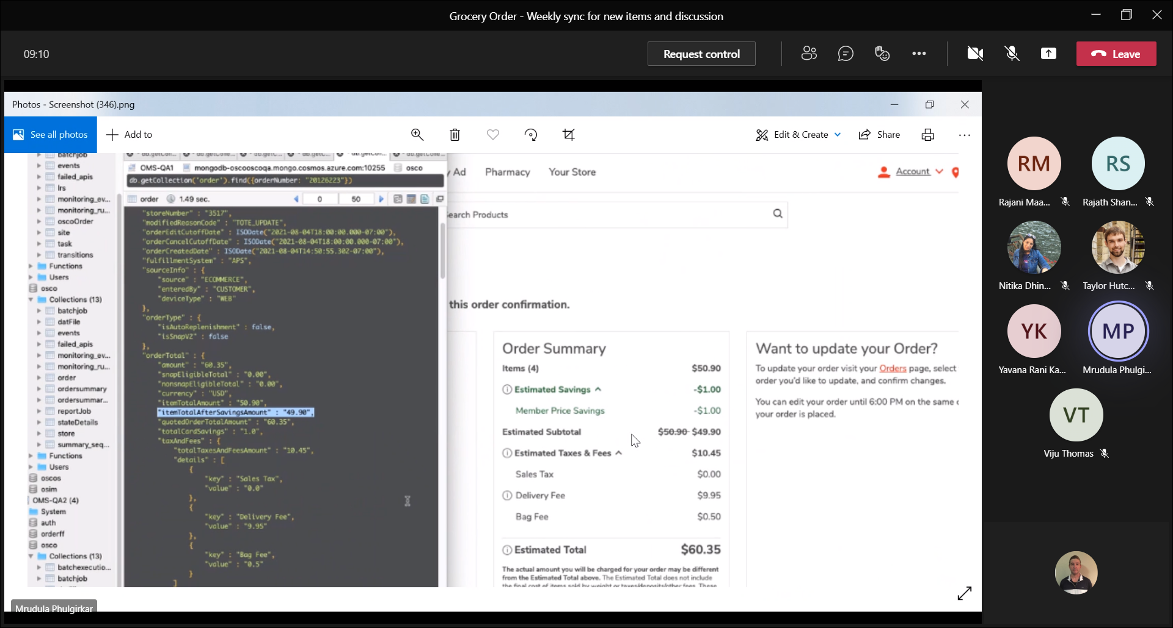
"createdBy": "created",
"modifiedBy": "modified"
},
"orderNumber": "18182589",
"versionNumber": 1,
"orderStatus": "PAYMENT_REQUESTED",
"companyId": "companyId",
"banner": "JewelOsco",
"isActive": true,
"storeNumber": "12563",
"orderStatusReasonCode": "FFO_CREATED",
"messageAction": "CREATE",
"messageActionReason": "RESCHEDULE_SLOT",
"modifiedReasonCode": "FFO_CREATED",
"orderEditCutoffDate": "2021-03-13T01:47:36.371Z",
"orderCancelCutoffDate": "2021-03-13T01:47:36.371Z",
"orderCreatedDate": "2021-03-12T01:47:36.371Z",
"rescheduledTimestamp": {
"FFO_CREATED": "2021-03-14T01:47:36.329"
},
"requestedBy": "ECHO"
"fulfillmentSystem": "APS",
"sourceInfo": {
"source": "ECOMMERCE",
"enteredBy": "CUSTOMER",
"deviceType": "MOBILE",
"affiliate": {
"affiliateName": "IBOTTA",
"affiliateOrderRef": "affiliateOrderRef"
},
"sourceProgram": "sourceProgram",
"appName": "Filled by c and c, with one of the value. If the DeviceType is MOBILE"
},
"orderType": {
"isAutoReplenishment": true,
"isTestOrder": truetrue
},

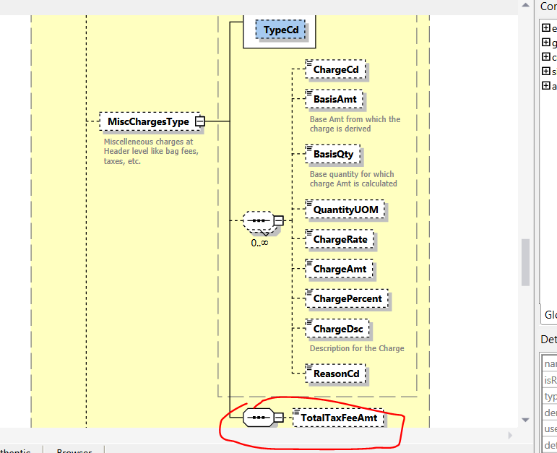
JSON | UI | GO XSD
"orderTotal": {
"amount": "60.35", | Estimated Total | TotalAmt (total includes savings, taxes, fees) - ex: $60.35
"snapEligibleTotal": "0.00",
"nonsnapEligibleTotal": "0.00",
"currency": "USD",
"itemTotalAmount": "50.90", | Items (4) | TotalBasePriceAmt (total amount before savings) - ex: $50.90
"itemTotalAfterSavingsAmount": "49.90", | Estimated Subtotal | EstimatedTotalPriceAmt (total amount after savings) - ex: $49.90
"quotedOrderTotalAmount": "60.35", | N/A | Out of scope per Mrudula Phulgirkar
"totalCardSavings": "1.0", | Estimated Savings | TotalCustomerSavingsAmt - ex: $1.00
"taxAndFees": {
"totalTaxesAndFeesAmount": "10.45", | Estimated Taxes and Fees | TotalTaxFeeAmt - ex: $10.45
"details": [
{
"key": "Sales Tax", | Sales Tax | MiscChargesType.TypeCd
"value": "0.0" |  | MiscChargesType.ChargeAmt
}
{
"key": "Delivery Fee", | Delivery Fee | MiscChargesType.TypeCd
"value": "9.95" |  | MiscChargesType.ChargeAmt - ex: $9.95
}
{
"key": "Bag Fee", | Bag fee | MiscChargesType.TypeCd
"value": "0.5" |  | MiscChargesType.ChargeAmt
}
]
},
"taxes": [ |  | Is this out of scope? We also have TotalTaxAmt if this is a total
{
"type": "type",
"amount": "2.2"
}
],

"cardSavings": [
{
"savingsCategoryId": 3,
"savingsCategoryName": "categoryName",
"savingsAmount": "213"
}
],
"txnLevelSavings": [
{
"offerId": "offerId",
"externalOfferId": "externalOfferId",
"calculateUsage": true,
"categoryId": 123,
"categoryName": "categoryName",
"source": "source",
"linkPluNumber": "linkPluNumber",
"programCode": "programCode",
"startDate": "2021-03-12T01:47:36.394Z",
"endDate": "2021-03-13T01:47:36.394Z",
"discountAmount": "120.23",
"discountType": "discountType",
"description": "description",
"discountMessage": "discountMessage",
"discountLevel": "discountLevel",
"netPromotionAmount": "2.23",
"discountQty": 2,
"points": [
{
"programName": "programName",
"earn": 23,
"burn": 12
}
]
}
],
"usageLimit": {
"offersAdded": [
{
"offerId": "offerId",
"externalOfferId": "externalOfferId"
}
],
"offersRemoved": [
{
"offerId": "offerId",
"externalOfferId": "externalOfferId"
}
]
}
},
"customer": {
"customerId": "556-020-1586122641346",
"clubCardNumber": "49130429968",
"customerUUID": "customerUUID",
"orderCount": 2,
"isSubscription": false,
"name": {
"firstName": "John",
"middleName": "roger",
"lastName": "Hopkins"
},
"address": [
{
"addressType": "BILL-TO",
"addressLine1": "addressLine1",
"addressLine2": "addressLine2",
"addressLine3": "addressLine3",
"city": "city",
"state": "state",
"zipCode": "12300321",
"country": "country"
}
],
"contact": [
{
"number": "4088577000",
"type": "MOBILE",
"subType": "CUST_SERV_PHONE"
}
],
"email": [
{
"id": "gressholdings@abc.com",
"type": "PERSONAL"
}
],
"preference": {
"termsCheckedVersionId": "termsCheckedVersionId",
"optIn": [
{
"type": "type",
"id": "1",
"isOptin": true
}
]
},
"tax": {
"taxExempt": {
"type": "IT"
}
},
"memberId": "1234567",
"paymentDetails": [
{
"paymentType": "EWALLET",
"paymentSubType": "MASTERCARD",
"tokenNumber": "321123456765",
"cardExpiryMonth": "cardExpiryMonth",
"cardExpiryYear": "cardExpiryYear",
"zipCode": "95070",
"securityCode": "securityCode",
"reqAuthorizationAmount": "reqAuthorizationAmount",
"carHolderName": "cardHolderName",
"address": {
"addressType": "BILL-TO",
"addressLine1": "addressLine1",
"addressLine2": "addressLine2",
"addressLine3": "addressLine3",
"city": "city",
"state": "state",
"zipCode": "12300321",
"country": "country"
},
"paymentStatus": {
"status": "AUTHORIZED",
"authorizationCode": "authCode",
"authorizationDate": "authDate"
}
}
]
},
"paymentDetails": [
{
"paymentType": "EWALLET",
"paymentSubType": "MASTERCARD",
"tokenNumber": "321123456765",
"cardExpiryMonth": "cardExpiryMonth",
"cardExpiryYear": "cardExpiryYear",
"zipcode": "100001",
"securityCode": "securityCode",
"reqAuthorizationAmount": "reqAuthorizationAmount",
"cardHolderName": "cardHolderName",
"address": {
"addressType": "BILL-TO",
"addressLine1": "addressLine1",
"addressLine2": "addressLine2",
"addressLine3": "addressLine3",
"city": "city",
"state": "state",
"zipCode": "12300321",
"country": "country"
},
"paymentStatus": {
"status": "AUTHORIZED",
"authorizationCode": "authCode",
"authorizationDate": "authDate"
}
}
],
"subOrders": [
{
"fulfillmentOrderNumber": "1234001",
"subOrderNumber": 1,
"itemCount": 2,
"fulfillmentType": "DELIVERY",
"subOrderType": {
"serviceLevel": "EXPRESS",
"isRescheduled": true,
"isMto": true
},
"customerService": {
"contact": [
{
"number": "91+20224355",
"type": "PHONE",
"subType": "CUST_SERV_PHONE"
}
],
"email": [
{
"id": "123@abc.com",
"type": "emailType"
}
]
},
"deliveryInfo": {
"deliverySubType": "BUSINESS",
"slotInfo": {
"slotPlan": "PREMIUM",
"slotType": "SlotType",
"slotId": "123ID",
"timeZone": "America/LosAngeles",
"startTime": "2021-03-13T01:47:36.337Z",
"endTime": "2021-03-14T01:47:36.337Z",
"shiftNumber": "08",
"editingCutoffDate": "2021-03-14T01:47:36.337Z",
"lastPickupTime": "2021-03-12T01:47:36.336Z"
"slotTillByTime":"2021-03-12T01:47:36.336Z",
"slotAvailabilityTime":"2021-03-12T01:47:36.336Z",
"fulfillmentVendor":"ABS-Grocery",
"pickerOption":"ABS-Grocery"
},
"deliveryServiceType": "ATTENDED",
"instructions": "instructions",
"pickupInfo": {
"locationType": "COUNTER-INSIDE",
"locationId": "123ed",
"shortOrderNumber": 12
},
"stageByDateTime": "2021-03-14T04:47:36.334Z"
},
"charges": [
{
"id": "id1",
"name": "name",
"category": "category",
"chargeAmount": {
"amount": "1900",
"currency": "USD"
}
}
],
"promoCodes": [
{
"code": "code",
"description": "description",
"pluCode": "pluCode",
"amount": "1900"
}
],
"routeInfo": {
"vanNumber": "1we34r",
"vanDepartureDate": "2021-03-14T01:47:36.366Z",
"vanArrivalDate": "2021-03-13T01:47:36.366Z",
"stopId": "123d",
"stopNumber": "Id2"
},
"tote": {
"toteEstimate": {
"chilled": 2,
"frozen": 3,
"ambient": 1,
"hot": 3
},
"toteDetails": [
{
"toteId": "1234",
"toteTempZone": "BCH",
"item": [
{
"itemId": "123",
"quantity": 12,
"fulfilledUpc": [
{
"upcId": "upcId",
"upcQuantity": 23,
"fulfilledQuantity": 2,
"upcWeight": 12.2,
"scannedUpc": "scannedUpc",
"pickedBy": "pickedBy",
"isSubstituted": true,
"pickedDate": "2021-03-12T01:47:36.356",
"pickType": "REGULAR",
"upcDescription": "upcDescription",
"itemPrice": {
"itemCode": "itemCode",
"scanCode": "scanCode",
"entryId": 2,
"department": 1,
"unitPrice": "67",
"basePrice": "34",
"basePricePer": "78",
"price": "23",
"pricePer": "89",
"sellByWeight": "sellByWeight",
"averageWeight": "90",
"clubCardSaving": "1",
"extendedPrice": "45",
"scanPrice": "56",
"scanWeight": "56",
"quantityType": "quantityType",
"quantityValue": "234",
"discountAllowed": true,
"linkPluNumber": "234",
"itemPluNumber": "itemPluNumber",
"pointsApplyItem": true,
"wic": true,
"startDate": "2021-03-12T01:47:36.356Z",
"endDate": "2021-03-13T01:47:36.356Z",
"substituted": true,
"netPromotionAmount": "123",
"savings": [
{
"offerId": "434",
"externalOfferId": "externalOfferId",
"categoryId": 12,
"categoryName": "categoryName",
"source": "source",
"linkPluNumber": "12345",
"netPromotionAmount": "12000",
"programCode": "programCode",
"startDate": "2021-03-12T01:47:36.356Z",
"endDate": "2021-03-13T01:47:36.356Z",
"discountAmount": "321",
"discountType": "discountType",
"description": "description",
"discountMessage": "discountMessage",
"discountLevel": "discountLevel",
"promotionPrice": "345",
"calculateUsage": true,
"discountQty": 2,
"points": [
{
"programName": "programName",
"earn": 23,
"burn": 12
}
]
}
],
"exceptions": [
{
"exceptionType": "exceptionType",
"exceptionCode": "exceptionCode",
"exceptionDesc": "exceptionDesc",
"exceptionTime": "2021-03-12T01:47:36.356Z"
}
]
},
"entryId": 1,
"scanPrice": "12",
"scanWeight": "23",
"itemCode": "itemCode"
}
]
}
]
}
],
"totalPickedToteCount": 13,
"totalNumberOfBagsUsed": 12
},
"orderLines": [
{
"itemId": "1",
"itemDescription": "itemDescription",
"orderedQuantity": 2,
"shortedQuantity": 2,
"fulfilledQuantity": 12,
"unitOfMeasure": "unitOfMeasure",
"unitPrice": {
"amount": "1900",
"currency": "USD"
},
"totalItemPrice": 10.99,
"substitutionCode": "2", // When OMS receives V1 or V2, it will map the final value to this field. If V2 is present, ignore V1. This will be sent to FFM
"substitutionValue": "Same size different Brand", // When OMS receives V1 or V2, it will map the final value to this field. If V2 is present, ignore V1. This will be sent to FFM
"substitutionCodeV2": "4", //Only in the contract between CnC and OMS
"substitutionValueV2": "Substitute With", //Only in the contract between CnC and OMS
"isRegulatedItem": true,
"isReplenishItem": true,
"isMtoProduct": true,
"preparationTime": "",
"comments": "comments",
"substituteItem": [
{
"itemId": "186930241",
"itemDescription": "SeaPak Shrimp Butterfly Oven Crispy Family Size - 10 Oz",
"itemPrice": {
"itemCode": "",
"entryId": "",
"department": "",
"basePrice": "",
"basePricePer": "",
"price": 10.99,
"pricePer": 10.99,
"sellByWeight": 10.99,
"averageWeight": 10.99,
"discountAllowed": true,
"itemPluNumber": "1234567",
"pointsApplyItem": true,
"wic": true,
"netPromotionAmount": 9.5
}
}
],
"fulfilledUpc": [
{
"upcId": "upcId",
"upcQuantity": 23,
"fulfilledQuantity": 2,
"upcWeight": 12.2,
"scannedUpc": "scannedUpc",
"pickedBy": "pickedBy",
"isSubstituted": true,
"isSmartSubItem":true,
"pickedDate": "2021-03-12T01:47:36.348",
"pickType": "REGULAR",
"upcDescription": "upcDescription",
"itemPrice": {
"itemCode": "itemCode",
"scanCode": "scanCode",
"entryId": 2,
"department": 1,
"isReplenishItem": true,
"isArProduct": true,
"arPrice": "BigDecimal",
"arSavings": 10.5,
"linkplunumberforARSavings": 10.5,
"unitPrice": "67",
"basePrice": "34",
"basePricePer": "78",
"price": "23",
"pricePer": "89",
"sellByWeight": "sellByWeight",
"averageWeight": "90",
"clubCardSaving": "1",
"extendedPrice": "45",
"scanPrice": "56",
"scanWeight": "56",
"quantityType": "quantityType",
"quantityValue": "234",
"discountAllowed": true,
"linkPluNumber": "234",
"itemPluNumber": "itemPluNumber",
"pointsApplyItem": true,
"wic": true,
"startDate": "2021-03-12T01:47:36.354Z",
"endDate": "2021-03-13T01:47:36.354Z",
"substituted": true,
"netPromotionAmount": "123",
"savings": [
{
"offerId": "434",
"externalOfferId": "externalOfferId",
"categoryId": 12,
"categoryName": "categoryName",
"source": "source",
"linkPluNumber": "12345",
"netPromotionAmount": "12000",
"programCode": "programCode",
"startDate": "2021-03-12T01:47:36.351Z",
"endDate": "2021-03-13T01:47:36.351Z",
"discountAmount": "321",
"discountType": "discountType",
"description": "description",
"discountMessage": "discountMessage",
"discountLevel": "discountLevel",
"promotionPrice": "345",
"calculateUsage": true,
"discountQty": 2,
"points": [
{
"programName": "programName",
"earn": 23,
"burn": 12
}
]
}
],
"exceptions": [
{
"exceptionType": "exceptionType",
"exceptionCode": "exceptionCode",
"exceptionDesc": "exceptionDesc",
"exceptionTime": "2021-03-12T01:47:36.352Z"
}
]
},
"entryId": 1,
"scanPrice": "12",
"scanWeight": "23",
"itemCode": "itemCode"
}
],
"exceptions": [
{
"exceptionType": "exceptionType",
"exceptionCode": "exceptionCode",
"exceptionDesc": "exeptionDesc",
"exceptionTime": "2021-03-12T01:47:36.346Z"
}
],
"department": {
"id": "id",
"name": "deptname"
},
"aisle": {
"id": "id",
"name": "name"
},
"shelf": {
"id": "1",
"name": "name"
},
"itemPrice": {
"itemCode": "itemCode",
"scanCode": "scanCode",
"entryId": 2,
"isReplenishItem": true,
"isArProduct": true,
"arPrice": "BigDecimal",
"arSavings": 10.50,
"linkplunumberforARSavings": 10.50,
"department": 1,
"unitPrice": "67",
"basePrice": "34",
"basePricePer": "78",
"price": "23",
"pricePer": "89",
"sellByWeight": "sellByWeight",
"averageWeight": "90",
"clubCardSaving": "1",
"extendedPrice": "45",
"scanPrice": "56",
"scanWeight": "56",
"quantityType": "quantityType",
"quantityValue": "234",
"discountAllowed": true,
"linkPluNumber": "234",
"itemPluNumber": "itemPluNumber",
"pointsApplyItem": true,
"wic": true,
"startDate": "2021-03-12T01:47:36.355Z",
"endDate": "2021-03-13T01:47:36.355Z",
"substituted": true,
"netPromotionAmount": "123",
"savings": [
{
"offerId": "434",
"externalOfferId": "externalOfferId",
"categoryId": 12,
"categoryName": "categoryName",
"source": "source",
"linkPluNumber": "12345",
"netPromotionAmount": "12000",
"programCode": "programCode",
"startDate": "2021-03-12T01:47:36.354Z",
"endDate": "2021-03-13T01:47:36.354Z",
"discountAmount": "321",
"discountType": "discountType",
"description": "description",
"discountMessage": "discountMessage",
"discountLevel": "discountLevel",
"promotionPrice": "345",
"calculateUsage": true,
"discountQty": 2,
"points": [
{
"programName": "programName",
"earn": 23,
"burn": 12
}
]
}
],
"exceptions": [
{
"exceptionType": "exceptionType",
"exceptionCode": "exceptionCode",
"exceptionDesc": "exceptionDesc",
"exceptionTime": "2021-03-12T01:47:36.355Z"
}
]
}
}
],
"subOrderStatus": "CREATED",
"subOrderStatusReasonCode": "FFO_CREATED",
"messageAction": "CREATE",
"messageActionReason": "FFO_CREATED",
"modifiedReasonCode": "FFO_CREATED",
"cancelByDate": "2021-03-14T01:47:36.367Z",
"exceptions": [
{
"exceptionType": "exceptionType",
"exceptionCode": "exceptionCode",
"exceptionDesc": "exeptionDesc",
"exceptionTime": "2021-03-12T01:47:36.367Z"
}
]
}
],
"storeInfo": [
{
"key":"isPromisePlatform",
"value":"true"
}
],
"orderInfo": {
"stageByDateTime": "2021-03-13T22:47:36.375Z",
"mfcPricingCallStatus": "Success",
"data": [
{
"key": "value"
}
],
"receiptMessage": [
{
"messageNumber": "messageNumber",
"printLine": "printline"
}
]
},
"exceptions": [
{
"exceptionType": "exceptionType",
"exceptionCode": "exceptionCode",
"exceptionDesc": "exceptionDesc",
"exceptionTime": "2021-03-12T01:47:36.404Z"
}
],
"id": "id",
"version": 2,
"createdBy": "OMS",
"createdDate": "2021-03-14T01:47:36.404",
"modifiedBy": "OMS",
"modifiedDate": "2021-03-12T01:47:36.404",
"ttl": null
}

