Sheet1
Level 3

M/O | Location | Content EN-US | yellowhead SEO comment | Creative input | Design
Mandatory | 3rd Level - Categorie 1 |  | yellowhead SEO comment |  | Mobile | Desktop
 | Level Title | Sitemap |  |  |  | 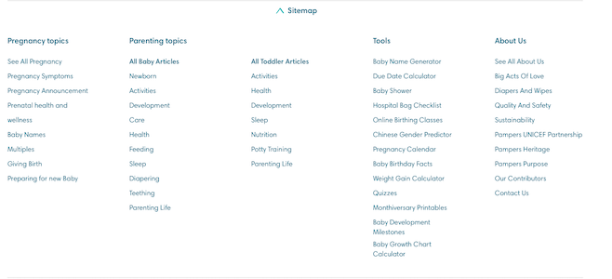
 | Arrow Icon Alt tag |  | arrow icon
 | Categorie 1 | Pregnancy Topics
 | Topic 1 | See All Pregnancy
 | Links to : | https://www.pampers.com/en-us/pregnancy
 | Topic 2 | Pregnancy Symptoms
 | Links to : | https://www.pampers.com/en-us/pregnancy/pregnancy-symptoms
 | Topic 3 | Pregnancy Announcement
 | Links to : | https://www.pampers.com/en-us/pregnancy/pregnancy-announcement
 | Topic 4 | Prenatal health and wellness
 | Links to : | https://www.pampers.com/en-us/pregnancy/prenatal-health-and-wellness
 | Topic 5 | Baby Names
 | Links to : | https://www.pampers.com/en-us/pregnancy/baby-names
 | Topic 6 | Baby shower
 | Links to : | https://www.pampers.com/en-us/pregnancy/baby-shower
 | Topic 7 | Multiples
 | Links to : | https://www.pampers.com/en-us/pregnancy/multiple-pregnancy
 | Topic 8 | Giving Birth
 | Links to : | https://www.pampers.com/en-us/pregnancy/giving-birth
 | Topic 9 | Preparing for new Baby
 | Links to : | https://www.pampers.com/en-us/pregnancy/preparing-for-your-new-baby

