Low
patient_id | biomarker_a | biomarker_group | pfs_days
4 | 0.1642 | Low | 162
5 | 0.2917 | Low | 183 | Low Biomarker_A Group | Actual | Expected
11 | 0.2553 | Low | 172 | Mean | 181.99 | 180.00
15 | 0.2197 | Low | 175 | Standard Deviation | 47.21 | 45.00
17 | 0.2788 | Low | 96
20 | 0.3309 | Low | 204 | Total Number of patients | 244
26 | 0.3673 | Low | 152
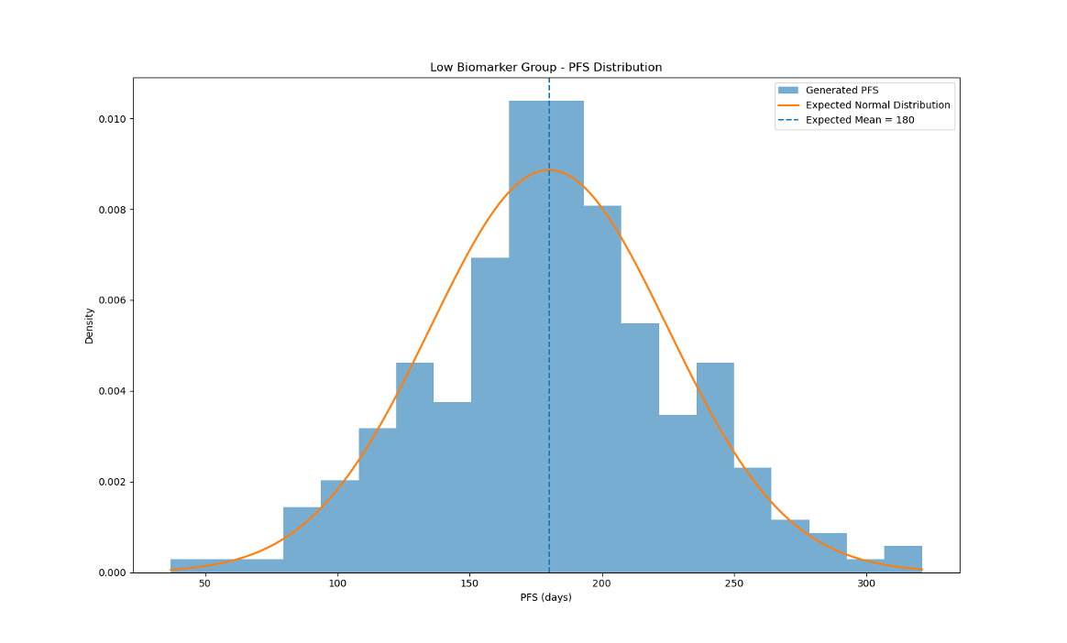
30 | 0.3661 | Low | 140
34 | 0.2372 | Low | 202
37 | 0.2588 | Low | 224
50 | 0.3535 | Low | 196
52 | 0.2713 | Low | 257
54 | 0.3655 | Low | 208
55 | 0.2572 | Low | 201
66 | 0.2647 | Low | 177
72 | 0.3374 | Low | 155
73 | 0.2236 | Low | 220
85 | 0.3058 | Low | 185
90 | 0.3048 | Low | 81
93 | 0.311 | Low | 178
98 | 0.277 | Low | 217
99 | 0.2778 | Low | 136
100 | 0.1109 | Low | 220
103 | 0.3359 | Low | 228
104 | 0.1577 | Low | 240
105 | 0.3748 | Low | 151
106 | 0.3911 | Low | 168
115 | 0.1091 | Low | 167
119 | 0.3266 | Low | 288
120 | 0.1757 | Low | 119
122 | 0.1015 | Low | 228
137 | 0.3544 | Low | 154
145 | 0.3305 | Low | 155
156 | 0.3398 | Low | 219
163 | 0.3085 | Low | 247
170 | 0.1852 | Low | 256
178 | 0.3511 | Low | 178
181 | 0.2007 | Low | 201
182 | 0.2422 | Low | 199
186 | 0.2993 | Low | 270
187 | 0.3566 | Low | 223
188 | 0.2981 | Low | 215
196 | 0.3786 | Low | 251
197 | 0.3966 | Low | 240
202 | 0.2764 | Low | 154
208 | 0.3423 | Low | 168
223 | 0.1821 | Low | 188
224 | 0.2613 | Low | 164
226 | 0.3921 | Low | 204
228 | 0.3497 | Low | 228
231 | 0.3548 | Low | 124
250 | 0.207 | Low | 119
252 | 0.2206 | Low | 179
259 | 0.3467 | Low | 127
265 | 0.3515 | Low | 171
272 | 0.3831 | Low | 198
275 | 0.397 | Low | 160
283 | 0.3968 | Low | 175
285 | 0.1326 | Low | 176
287 | 0.346 | Low | 229
295 | 0.1403 | Low | 244
300 | 0.2967 | Low | 112
304 | 0.1632 | Low | 184
305 | 0.2358 | Low | 189
306 | 0.3912 | Low | 180
310 | 0.2593 | Low | 179
316 | 0.2198 | Low | 207
318 | 0.2885 | Low | 202
328 | 0.2936 | Low | 218
331 | 0.2655 | Low | 166
334 | 0.3868 | Low | 154
337 | 0.2844 | Low | 283
340 | 0.2069 | Low | 253
343 | 0.1548 | Low | 179
344 | 0.3187 | Low | 135
357 | 0.3322 | Low | 191
361 | 0.392 | Low | 274
362 | 0.2871 | Low | 242
363 | 0.3483 | Low | 164
367 | 0.3006 | Low | 179
371 | 0.2784 | Low | 181
383 | 0.2908 | Low | 89
388 | 0.1475 | Low | 170
392 | 0.2436 | Low | 179
393 | 0.3261 | Low | 206
398 | 0.2001 | Low | 181
402 | 0.3858 | Low | 216
406 | 0.3244 | Low | 235
409 | 0.1789 | Low | 104
416 | 0.334 | Low | 175
417 | 0.1233 | Low | 227
418 | 0.1355 | Low | 172
419 | 0.3605 | Low | 147
420 | 0.1041 | Low | 180
421 | 0.2186 | Low | 171
425 | 0.2613 | Low | 206
433 | 0.3473 | Low | 195
441 | 0.1118 | Low | 191
445 | 0.2138 | Low | 156
447 | 0.144 | Low | 237
448 | 0.3272 | Low | 161
450 | 0.1902 | Low | 245
451 | 0.3232 | Low | 61
452 | 0.2834 | Low | 263
458 | 0.3581 | Low | 160
464 | 0.312 | Low | 140
467 | 0.3765 | Low | 100
469 | 0.3595 | Low | 303
476 | 0.1415 | Low | 179
483 | 0.3781 | Low | 200
488 | 0.3774 | Low | 278
492 | 0.1756 | Low | 133
496 | 0.3515 | Low | 136
498 | 0.1766 | Low | 186
504 | 0.3049 | Low | 149
506 | 0.1131 | Low | 150
510 | 0.3946 | Low | 252
514 | 0.1252 | Low | 132
515 | 0.1452 | Low | 166
516 | 0.2104 | Low | 156
519 | 0.2874 | Low | 91
525 | 0.3373 | Low | 202
528 | 0.1169 | Low | 209
529 | 0.3262 | Low | 199
531 | 0.2343 | Low | 163
536 | 0.3017 | Low | 166
545 | 0.1547 | Low | 245
547 | 0.2151 | Low | 133
552 | 0.3689 | Low | 205
559 | 0.3892 | Low | 208
565 | 0.3864 | Low | 241
568 | 0.3881 | Low | 127
572 | 0.1012 | Low | 241
577 | 0.3904 | Low | 185
579 | 0.3074 | Low | 183
583 | 0.2835 | Low | 247
588 | 0.3038 | Low | 175
590 | 0.3536 | Low | 146
591 | 0.2159 | Low | 232
598 | 0.3473 | Low | 165
604 | 0.2995 | Low | 193
608 | 0.2239 | Low | 180
609 | 0.3428 | Low | 124
612 | 0.1833 | Low | 135
615 | 0.153 | Low | 196
617 | 0.1011 | Low | 204
619 | 0.2113 | Low | 138
620 | 0.3753 | Low | 74
622 | 0.2402 | Low | 192
625 | 0.333 | Low | 182
630 | 0.2427 | Low | 122
632 | 0.2574 | Low | 188
635 | 0.2386 | Low | 104
636 | 0.1919 | Low | 239
640 | 0.3076 | Low | 173
642 | 0.3582 | Low | 155
646 | 0.1254 | Low | 312
658 | 0.3411 | Low | 210
669 | 0.2963 | Low | 213
670 | 0.2302 | Low | 213
675 | 0.3679 | Low | 168
679 | 0.209 | Low | 190
681 | 0.3463 | Low | 130
682 | 0.3785 | Low | 177
690 | 0.198 | Low | 244
696 | 0.3722 | Low | 168
697 | 0.3127 | Low | 209
699 | 0.3413 | Low | 100
701 | 0.1535 | Low | 142
702 | 0.2889 | Low | 138
707 | 0.306 | Low | 232
710 | 0.2634 | Low | 193
711 | 0.2142 | Low | 154
713 | 0.1378 | Low | 162
718 | 0.1664 | Low | 182
720 | 0.2011 | Low | 123
723 | 0.3318 | Low | 211
727 | 0.3965 | Low | 204
735 | 0.2733 | Low | 132
736 | 0.2474 | Low | 241
740 | 0.1092 | Low | 157
743 | 0.2638 | Low | 149
744 | 0.373 | Low | 150
745 | 0.2918 | Low | 117
750 | 0.2088 | Low | 173
757 | 0.3353 | Low | 120
762 | 0.3036 | Low | 135
764 | 0.2578 | Low | 198
765 | 0.1584 | Low | 181
766 | 0.327 | Low | 183
768 | 0.3662 | Low | 81
774 | 0.3189 | Low | 173
775 | 0.3789 | Low | 187
779 | 0.3042 | Low | 214
787 | 0.306 | Low | 216
789 | 0.2139 | Low | 197
793 | 0.2469 | Low | 248
795 | 0.3105 | Low | 169
799 | 0.209 | Low | 173
800 | 0.2206 | Low | 181
801 | 0.3768 | Low | 122
810 | 0.2634 | Low | 182
813 | 0.3242 | Low | 119
814 | 0.1884 | Low | 182
824 | 0.2914 | Low | 206
826 | 0.3849 | Low | 191
828 | 0.3996 | Low | 223
831 | 0.3854 | Low | 288
834 | 0.3222 | Low | 321
836 | 0.2032 | Low | 207
844 | 0.2999 | Low | 174
848 | 0.3845 | Low | 212
852 | 0.3167 | Low | 177
854 | 0.2245 | Low | 250
856 | 0.3782 | Low | 200
861 | 0.3038 | Low | 196
862 | 0.2636 | Low | 115
864 | 0.23 | Low | 117
865 | 0.391 | Low | 155
870 | 0.3246 | Low | 154
875 | 0.3173 | Low | 255
876 | 0.3584 | Low | 37
890 | 0.3197 | Low | 235
894 | 0.1769 | Low | 173
896 | 0.2551 | Low | 101
915 | 0.2837 | Low | 173
916 | 0.3638 | Low | 239
926 | 0.1018 | Low | 125
936 | 0.303 | Low | 165
938 | 0.1135 | Low | 144
940 | 0.3167 | Low | 159
942 | 0.2217 | Low | 169
943 | 0.2977 | Low | 104
945 | 0.1212 | Low | 92
947 | 0.2524 | Low | 166
948 | 0.1672 | Low | 200
952 | 0.1332 | Low | 278
953 | 0.1855 | Low | 139
954 | 0.2879 | Low | 151
959 | 0.2914 | Low | 202
969 | 0.3963 | Low | 186
974 | 0.2362 | Low | 209
980 | 0.2189 | Low | 178
996 | 0.2398 | Low | 118

Medium
patient_id | biomarker_a | biomarker_group | pfs_days
2 | 0.635 | Medium | 124
3 | 0.5431 | Medium | 393
8 | 0.4327 | Medium | 155 | Medium Biomarker_A Group | Actual | Expected
10 | 0.6344 | Medium | 185 | Mean | 272.77 | 270.00
12 | 0.4077 | Medium | 212 | Standard Deviation | 91.57 | 90.00
13 | 0.6303 | Medium | 309
14 | 0.4127 | Medium | 202 | Total Number of patients | 512
16 | 0.6416 | Medium | 359
18 | 0.4961 | Medium | 298
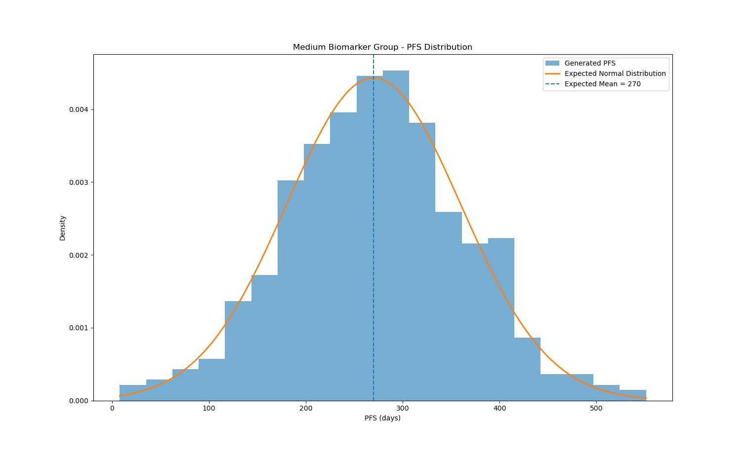
19 | 0.4455 | Medium | 343
21 | 0.5498 | Medium | 391
23 | 0.4888 | Medium | 126
29 | 0.6233 | Medium | 126
31 | 0.495 | Medium | 137
32 | 0.6766 | Medium | 394
33 | 0.5327 | Medium | 360
35 | 0.5883 | Medium | 281
36 | 0.578 | Medium | 219
38 | 0.4981 | Medium | 282
40 | 0.4187 | Medium | 276
41 | 0.5369 | Medium | 283
42 | 0.552 | Medium | 551
43 | 0.4906 | Medium | 392
44 | 0.5503 | Medium | 119
45 | 0.544 | Medium | 332
48 | 0.5373 | Medium | 215
49 | 0.4743 | Medium | 398
51 | 0.5859 | Medium | 146
56 | 0.6763 | Medium | 85
58 | 0.5814 | Medium | 275
59 | 0.5388 | Medium | 301
61 | 0.418 | Medium | 193
63 | 0.4802 | Medium | 280
64 | 0.4292 | Medium | 360
65 | 0.5975 | Medium | 333
67 | 0.5513 | Medium | 406
69 | 0.4999 | Medium | 106
74 | 0.4625 | Medium | 301
77 | 0.5339 | Medium | 211
78 | 0.6575 | Medium | 284
79 | 0.4617 | Medium | 246
82 | 0.5208 | Medium | 205
83 | 0.4531 | Medium | 213
86 | 0.4004 | Medium | 270
87 | 0.5719 | Medium | 343
88 | 0.5121 | Medium | 166
89 | 0.4402 | Medium | 376
92 | 0.5429 | Medium | 248
94 | 0.6993 | Medium | 301
101 | 0.6108 | Medium | 208
102 | 0.5942 | Medium | 250
109 | 0.6035 | Medium | 212
110 | 0.5163 | Medium | 350
111 | 0.4994 | Medium | 166
112 | 0.462 | Medium | 336
113 | 0.6925 | Medium | 281
114 | 0.4141 | Medium | 179
116 | 0.6756 | Medium | 281
117 | 0.5031 | Medium | 155
118 | 0.6973 | Medium | 469
121 | 0.6696 | Medium | 343
123 | 0.6609 | Medium | 302
126 | 0.695 | Medium | 333
127 | 0.5681 | Medium | 369
128 | 0.454 | Medium | 208
129 | 0.6599 | Medium | 212
131 | 0.6427 | Medium | 254
133 | 0.4337 | Medium | 196
134 | 0.4279 | Medium | 340
136 | 0.5671 | Medium | 341
140 | 0.438 | Medium | 292
141 | 0.4116 | Medium | 248
143 | 0.6201 | Medium | 185
147 | 0.4521 | Medium | 79
148 | 0.6577 | Medium | 363
149 | 0.4682 | Medium | 17
151 | 0.5183 | Medium | 336
152 | 0.6358 | Medium | 285
153 | 0.5864 | Medium | 420
154 | 0.5747 | Medium | 303
155 | 0.5305 | Medium | 271
158 | 0.5491 | Medium | 188
159 | 0.457 | Medium | 166
160 | 0.4298 | Medium | 276
161 | 0.5258 | Medium | 283
162 | 0.4512 | Medium | 410
164 | 0.4888 | Medium | 188
166 | 0.5681 | Medium | 326
167 | 0.6435 | Medium | 144
168 | 0.5827 | Medium | 160
169 | 0.6836 | Medium | 351
171 | 0.5096 | Medium | 204
172 | 0.6177 | Medium | 270
173 | 0.6209 | Medium | 365
174 | 0.4393 | Medium | 261
176 | 0.5717 | Medium | 369
177 | 0.5073 | Medium | 325
179 | 0.5023 | Medium | 384
180 | 0.6931 | Medium | 227
184 | 0.488 | Medium | 293
189 | 0.4926 | Medium | 308
191 | 0.4324 | Medium | 323
193 | 0.5831 | Medium | 256
195 | 0.4902 | Medium | 255
200 | 0.5138 | Medium | 377
203 | 0.688 | Medium | 144
205 | 0.5186 | Medium | 303
207 | 0.6348 | Medium | 226
209 | 0.6196 | Medium | 391
210 | 0.6876 | Medium | 120
211 | 0.514 | Medium | 416
213 | 0.6062 | Medium | 385
215 | 0.4527 | Medium | 220
216 | 0.6178 | Medium | 230
217 | 0.5492 | Medium | 299
218 | 0.4815 | Medium | 274
221 | 0.4455 | Medium | 331
222 | 0.6771 | Medium | 344
225 | 0.4327 | Medium | 246
227 | 0.624 | Medium | 394
230 | 0.5492 | Medium | 219
233 | 0.6216 | Medium | 193
234 | 0.4785 | Medium | 277
235 | 0.6999 | Medium | 321
236 | 0.5966 | Medium | 276
238 | 0.6287 | Medium | 394
239 | 0.4953 | Medium | 335
240 | 0.5113 | Medium | 177
242 | 0.4631 | Medium | 240
243 | 0.4694 | Medium | 458
244 | 0.6869 | Medium | 111
245 | 0.6047 | Medium | 367
246 | 0.569 | Medium | 342
247 | 0.4712 | Medium | 321
251 | 0.6702 | Medium | 400
256 | 0.4657 | Medium | 286
257 | 0.6412 | Medium | 402
258 | 0.5146 | Medium | 246
260 | 0.6796 | Medium | 295
261 | 0.4155 | Medium | 413
264 | 0.4713 | Medium | 260
266 | 0.4036 | Medium | 206
267 | 0.5038 | Medium | 382
270 | 0.6148 | Medium | 379
271 | 0.4128 | Medium | 248
273 | 0.6926 | Medium | 269
274 | 0.5178 | Medium | 368
276 | 0.5003 | Medium | 103
277 | 0.6171 | Medium | 286
278 | 0.523 | Medium | 322
279 | 0.5836 | Medium | 339
280 | 0.5609 | Medium | 407
281 | 0.6162 | Medium | 277
286 | 0.5706 | Medium | 227
289 | 0.4597 | Medium | 238
292 | 0.4186 | Medium | 238
293 | 0.539 | Medium | 292
294 | 0.6995 | Medium | 186
297 | 0.5755 | Medium | 145
299 | 0.6652 | Medium | 338
301 | 0.4923 | Medium | 440
302 | 0.5561 | Medium | 353
303 | 0.5777 | Medium | 329
307 | 0.4008 | Medium | 298
308 | 0.6281 | Medium | 273
309 | 0.482 | Medium | 324
311 | 0.6369 | Medium | 391
312 | 0.6289 | Medium | 259
314 | 0.4251 | Medium | 278
315 | 0.5273 | Medium | 139
317 | 0.516 | Medium | 245
319 | 0.5656 | Medium | 291
321 | 0.409 | Medium | 219
322 | 0.6407 | Medium | 309
323 | 0.5798 | Medium | 311
325 | 0.5732 | Medium | 293
327 | 0.4015 | Medium | 254
329 | 0.4163 | Medium | 260
330 | 0.4404 | Medium | 278
332 | 0.4343 | Medium | 293
333 | 0.5453 | Medium | 286
338 | 0.4904 | Medium | 210
339 | 0.4974 | Medium | 274
341 | 0.4934 | Medium | 304
342 | 0.6445 | Medium | 305
345 | 0.5476 | Medium | 282
346 | 0.6996 | Medium | 230
348 | 0.5736 | Medium | 294
351 | 0.5103 | Medium | 269
353 | 0.6424 | Medium | 174
354 | 0.4248 | Medium | 216
355 | 0.5088 | Medium | 423
358 | 0.5726 | Medium | 286
359 | 0.5124 | Medium | 287
360 | 0.5238 | Medium | 328
369 | 0.5314 | Medium | 274
370 | 0.5215 | Medium | 367
372 | 0.4658 | Medium | 516
373 | 0.6256 | Medium | 147
374 | 0.5475 | Medium | 301
375 | 0.5663 | Medium | 251
376 | 0.4728 | Medium | 229
381 | 0.5482 | Medium | 197
382 | 0.528 | Medium | 209
385 | 0.5007 | Medium | 233
387 | 0.525 | Medium | 392
389 | 0.6253 | Medium | 393
394 | 0.5233 | Medium | 198
396 | 0.4326 | Medium | 361
397 | 0.5096 | Medium | 291
399 | 0.5447 | Medium | 328
401 | 0.4998 | Medium | 187
405 | 0.6696 | Medium | 187
407 | 0.4359 | Medium | 387
408 | 0.4421 | Medium | 147
410 | 0.5618 | Medium | 264
413 | 0.4902 | Medium | 332
414 | 0.6921 | Medium | 328
424 | 0.6967 | Medium | 332
426 | 0.523 | Medium | 227
427 | 0.4863 | Medium | 113
429 | 0.5773 | Medium | 316
430 | 0.5917 | Medium | 205
431 | 0.4161 | Medium | 206
432 | 0.6646 | Medium | 273
434 | 0.4267 | Medium | 258
435 | 0.4033 | Medium | 200
436 | 0.5715 | Medium | 202
438 | 0.5805 | Medium | 483
439 | 0.542 | Medium | 287
440 | 0.6415 | Medium | 319
442 | 0.5803 | Medium | 57
443 | 0.4689 | Medium | 194
444 | 0.4792 | Medium | 294
446 | 0.4274 | Medium | 184
453 | 0.4177 | Medium | 351
454 | 0.5594 | Medium | 332
455 | 0.6736 | Medium | 321
457 | 0.4419 | Medium | 346
460 | 0.4547 | Medium | 136
461 | 0.5082 | Medium | 8
462 | 0.6422 | Medium | 460
463 | 0.46 | Medium | 178
465 | 0.5458 | Medium | 171
466 | 0.644 | Medium | 266
468 | 0.5629 | Medium | 219
470 | 0.6693 | Medium | 126
471 | 0.6977 | Medium | 416
477 | 0.4411 | Medium | 308
478 | 0.6859 | Medium | 314
479 | 0.5036 | Medium | 243
481 | 0.4316 | Medium | 408
485 | 0.4215 | Medium | 349
491 | 0.5814 | Medium | 268
493 | 0.5056 | Medium | 313
494 | 0.6413 | Medium | 384
495 | 0.5397 | Medium | 214
499 | 0.558 | Medium | 143
500 | 0.6105 | Medium | 195
501 | 0.4515 | Medium | 333
502 | 0.6848 | Medium | 398
505 | 0.5621 | Medium | 259
507 | 0.4265 | Medium | 247
508 | 0.5128 | Medium | 300
509 | 0.4026 | Medium | 139
511 | 0.4986 | Medium | 164
512 | 0.509 | Medium | 157
518 | 0.6515 | Medium | 396
520 | 0.4951 | Medium | 193
521 | 0.6858 | Medium | 272
522 | 0.4567 | Medium | 141
523 | 0.5599 | Medium | 231
526 | 0.6213 | Medium | 237
527 | 0.4845 | Medium | 320
532 | 0.5806 | Medium | 209
534 | 0.4448 | Medium | 149
535 | 0.4213 | Medium | 438
537 | 0.5132 | Medium | 212
538 | 0.6029 | Medium | 149
539 | 0.6549 | Medium | 226
542 | 0.6887 | Medium | 218
543 | 0.6161 | Medium | 85
549 | 0.5917 | Medium | 38
550 | 0.5262 | Medium | 198
551 | 0.6732 | Medium | 291
554 | 0.6845 | Medium | 264
555 | 0.587 | Medium | 287
557 | 0.5153 | Medium | 241
558 | 0.6587 | Medium | 209
560 | 0.5439 | Medium | 342
561 | 0.6497 | Medium | 275
562 | 0.5868 | Medium | 381
563 | 0.4036 | Medium | 274
564 | 0.693 | Medium | 232
567 | 0.6731 | Medium | 224
569 | 0.6237 | Medium | 374
570 | 0.5674 | Medium | 376
571 | 0.4444 | Medium | 297
573 | 0.47 | Medium | 260
574 | 0.6652 | Medium | 376
578 | 0.4914 | Medium | 339
580 | 0.5312 | Medium | 190
581 | 0.4759 | Medium | 298
582 | 0.6526 | Medium | 392
584 | 0.6422 | Medium | 267
585 | 0.6677 | Medium | 217
586 | 0.6 | Medium | 169
587 | 0.4743 | Medium | 299
592 | 0.4511 | Medium | 182
594 | 0.6032 | Medium | 168
595 | 0.6079 | Medium | 263
596 | 0.6717 | Medium | 229
599 | 0.4292 | Medium | 148
601 | 0.49 | Medium | 313
602 | 0.6922 | Medium | 134
603 | 0.4116 | Medium | 239
605 | 0.6558 | Medium | 279
606 | 0.4816 | Medium | 295
607 | 0.4701 | Medium | 313
611 | 0.558 | Medium | 271
613 | 0.6796 | Medium | 295
614 | 0.6662 | Medium | 286
618 | 0.5995 | Medium | 386
621 | 0.681 | Medium | 166
623 | 0.6154 | Medium | 324
626 | 0.6168 | Medium | 338
627 | 0.6308 | Medium | 291
633 | 0.4916 | Medium | 216
634 | 0.5144 | Medium | 309
637 | 0.5289 | Medium | 320
639 | 0.4651 | Medium | 324
641 | 0.6897 | Medium | 244
643 | 0.675 | Medium | 330
644 | 0.5428 | Medium | 234
645 | 0.5646 | Medium | 201
648 | 0.5896 | Medium | 123
649 | 0.566 | Medium | 258
654 | 0.5729 | Medium | 216
655 | 0.5763 | Medium | 437
656 | 0.4857 | Medium | 115
659 | 0.4367 | Medium | 220
661 | 0.4115 | Medium | 304
664 | 0.6275 | Medium | 361
665 | 0.5149 | Medium | 115
667 | 0.6741 | Medium | 205
668 | 0.6875 | Medium | 392
671 | 0.5515 | Medium | 127
676 | 0.5962 | Medium | 309
677 | 0.6456 | Medium | 164
678 | 0.4704 | Medium | 99
683 | 0.5236 | Medium | 312
684 | 0.6302 | Medium | 255
685 | 0.5494 | Medium | 314
686 | 0.4412 | Medium | 329
687 | 0.4814 | Medium | 393
691 | 0.5699 | Medium | 399
692 | 0.6097 | Medium | 295
693 | 0.6105 | Medium | 478
695 | 0.4536 | Medium | 414
700 | 0.5907 | Medium | 306
704 | 0.672 | Medium | 252
705 | 0.4838 | Medium | 244
706 | 0.5658 | Medium | 231
709 | 0.637 | Medium | 249
712 | 0.4889 | Medium | 291
715 | 0.5395 | Medium | 294
717 | 0.5227 | Medium | 297
721 | 0.5201 | Medium | 264
722 | 0.4241 | Medium | 385
724 | 0.6385 | Medium | 247
725 | 0.5369 | Medium | 280
726 | 0.615 | Medium | 314
729 | 0.4844 | Medium | 233
730 | 0.6282 | Medium | 347
731 | 0.4748 | Medium | 133
732 | 0.6496 | Medium | 264
733 | 0.5824 | Medium | 340
737 | 0.4779 | Medium | 317
738 | 0.6836 | Medium | 233
739 | 0.4632 | Medium | 345
741 | 0.5225 | Medium | 385
742 | 0.6472 | Medium | 247
746 | 0.6603 | Medium | 276
747 | 0.5192 | Medium | 247
748 | 0.5882 | Medium | 254
749 | 0.4348 | Medium | 501
751 | 0.6326 | Medium | 189
752 | 0.6065 | Medium | 399
753 | 0.4918 | Medium | 207
754 | 0.4893 | Medium | 260
755 | 0.5144 | Medium | 181
758 | 0.6066 | Medium | 352
761 | 0.4521 | Medium | 241
767 | 0.5843 | Medium | 369
770 | 0.6493 | Medium | 252
772 | 0.6863 | Medium | 346
773 | 0.5112 | Medium | 336
777 | 0.4514 | Medium | 370
778 | 0.4397 | Medium | 300
781 | 0.6025 | Medium | 188
782 | 0.6322 | Medium | 199
784 | 0.4738 | Medium | 189
785 | 0.6066 | Medium | 243
786 | 0.4272 | Medium | 474
790 | 0.6432 | Medium | 273
791 | 0.6662 | Medium | 290
796 | 0.565 | Medium | 276
798 | 0.4606 | Medium | 172
804 | 0.6913 | Medium | 202
805 | 0.6946 | Medium | 199
806 | 0.4785 | Medium | 282
807 | 0.555 | Medium | 203
811 | 0.5524 | Medium | 516
815 | 0.4327 | Medium | 232
816 | 0.5838 | Medium | 250
817 | 0.4906 | Medium | 470
819 | 0.4771 | Medium | 275
820 | 0.5773 | Medium | 279
821 | 0.6753 | Medium | 323
822 | 0.6913 | Medium | 274
823 | 0.6783 | Medium | 186
827 | 0.6197 | Medium | 257
829 | 0.5717 | Medium | 389
832 | 0.6462 | Medium | 221
833 | 0.6253 | Medium | 74
835 | 0.4112 | Medium | 240
837 | 0.5183 | Medium | 49
838 | 0.5193 | Medium | 74
839 | 0.4301 | Medium | 234
840 | 0.4635 | Medium | 424
842 | 0.5103 | Medium | 220
846 | 0.4071 | Medium | 200
847 | 0.5417 | Medium | 163
849 | 0.4084 | Medium | 240
855 | 0.6265 | Medium | 267
857 | 0.4422 | Medium | 180
858 | 0.477 | Medium | 316
859 | 0.5696 | Medium | 429
860 | 0.6161 | Medium | 339
866 | 0.4789 | Medium | 183
867 | 0.5957 | Medium | 276
868 | 0.4842 | Medium | 288
871 | 0.5184 | Medium | 262
878 | 0.6338 | Medium | 272
879 | 0.5299 | Medium | 282
880 | 0.4798 | Medium | 240
881 | 0.581 | Medium | 413
882 | 0.5074 | Medium | 194
883 | 0.4648 | Medium | 252
884 | 0.6636 | Medium | 241
885 | 0.6618 | Medium | 435
886 | 0.6873 | Medium | 343
889 | 0.558 | Medium | 75
891 | 0.6135 | Medium | 301
892 | 0.6868 | Medium | 174
893 | 0.4738 | Medium | 305
895 | 0.4589 | Medium | 390
897 | 0.5796 | Medium | 197
898 | 0.4173 | Medium | 176
899 | 0.5049 | Medium | 381
902 | 0.6015 | Medium | 185
903 | 0.462 | Medium | 317
904 | 0.4369 | Medium | 354
905 | 0.6419 | Medium | 464
907 | 0.4963 | Medium | 234
909 | 0.6777 | Medium | 352
910 | 0.432 | Medium | 234
911 | 0.4309 | Medium | 318
912 | 0.4454 | Medium | 331
913 | 0.5784 | Medium | 459
914 | 0.5606 | Medium | 237
917 | 0.6411 | Medium | 199
918 | 0.4813 | Medium | 369
920 | 0.6078 | Medium | 548
924 | 0.6921 | Medium | 141
927 | 0.5348 | Medium | 305
928 | 0.6301 | Medium | 320
929 | 0.5279 | Medium | 259
930 | 0.4826 | Medium | 365
932 | 0.6683 | Medium | 383
935 | 0.4212 | Medium | 307
941 | 0.4961 | Medium | 171
946 | 0.439 | Medium | 175
949 | 0.5939 | Medium | 324
950 | 0.6187 | Medium | 225
951 | 0.637 | Medium | 426
956 | 0.54 | Medium | 279
957 | 0.5169 | Medium | 56
958 | 0.5741 | Medium | 337
962 | 0.6546 | Medium | 106
963 | 0.5643 | Medium | 233
964 | 0.5746 | Medium | 12
965 | 0.594 | Medium | 212
967 | 0.5606 | Medium | 405
968 | 0.4071 | Medium | 216
970 | 0.4924 | Medium | 487
971 | 0.5038 | Medium | 311
972 | 0.5999 | Medium | 193
976 | 0.6494 | Medium | 405
977 | 0.4773 | Medium | 189
978 | 0.6378 | Medium | 119
981 | 0.5253 | Medium | 275
982 | 0.5445 | Medium | 186
983 | 0.5033 | Medium | 260
984 | 0.5142 | Medium | 430
987 | 0.589 | Medium | 253
989 | 0.5105 | Medium | 154
992 | 0.4493 | Medium | 309
994 | 0.6082 | Medium | 219
995 | 0.5952 | Medium | 143
997 | 0.5611 | Medium | 360
998 | 0.5046 | Medium | 170

High
patient_id | biomarker_a | biomarker_group | pfs_days
1 | 0.9481 | High | 391
6 | 0.702 | High | 254 | High Biomarker_A Group | Actual | Expected
7 | 0.7981 | High | 359 | Mean | 359.90 | 360.00
9 | 0.8552 | High | 414 | Standard Deviation | 118.67 | 120.00
22 | 0.7779 | High | 227
24 | 0.7044 | High | 536 | Total Number of patients | 244
25 | 0.7972 | High | 356
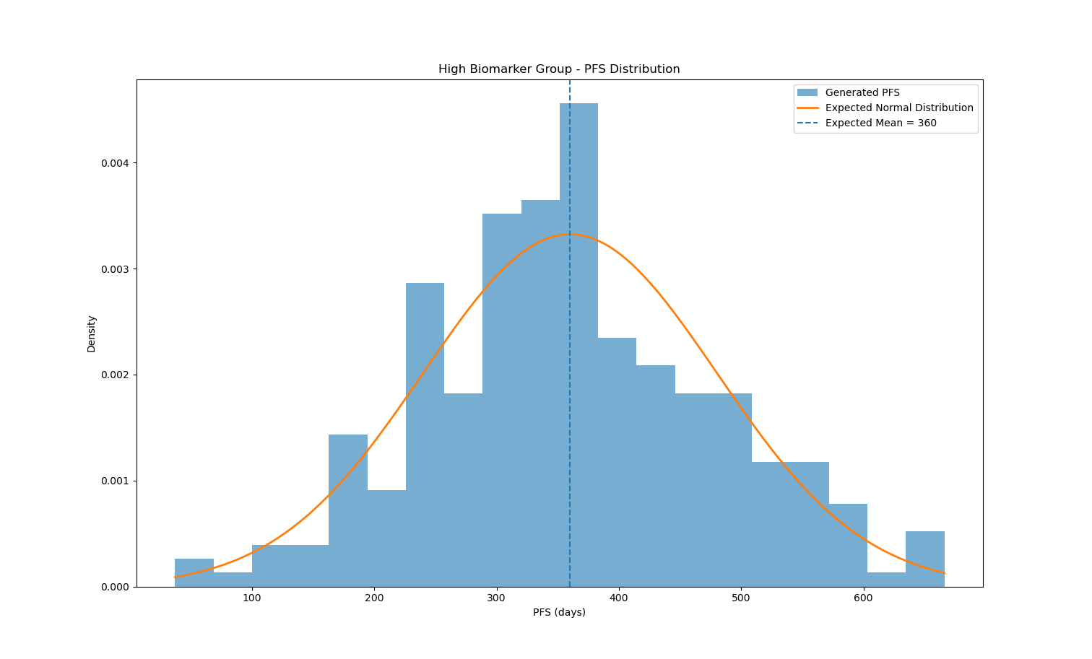
27 | 0.816 | High | 334
28 | 0.8223 | High | 368
39 | 0.8956 | High | 588
46 | 0.8804 | High | 246
47 | 0.743 | High | 224
53 | 0.7814 | High | 504
57 | 0.7231 | High | 322
60 | 0.8922 | High | 230
62 | 0.7002 | High | 357
68 | 0.7924 | High | 417
70 | 0.7145 | High | 279
71 | 0.7124 | High | 276
75 | 0.7893 | High | 490
76 | 0.7233 | High | 241
80 | 0.7136 | High | 369
81 | 0.7206 | High | 356
84 | 0.7097 | High | 361
91 | 0.7467 | High | 39
95 | 0.8073 | High | 192
96 | 0.8467 | High | 181
97 | 0.8052 | High | 434
107 | 0.7135 | High | 377
108 | 0.7838 | High | 275
124 | 0.8938 | High | 542
125 | 0.8763 | High | 389
130 | 0.9097 | High | 442
132 | 0.8377 | High | 366
135 | 0.7624 | High | 377
138 | 0.7792 | High | 560
139 | 0.7524 | High | 413
142 | 0.7373 | High | 548
144 | 0.7103 | High | 304
146 | 0.933 | High | 342
150 | 0.7011 | High | 371
157 | 0.7479 | High | 495
165 | 0.8137 | High | 421
175 | 0.7656 | High | 284
183 | 0.7742 | High | 486
185 | 0.8883 | High | 270
190 | 0.7006 | High | 183
192 | 0.9275 | High | 94
194 | 0.7583 | High | 373
198 | 0.8944 | High | 362
199 | 0.8754 | High | 300
201 | 0.8455 | High | 601
204 | 0.722 | High | 214
206 | 0.722 | High | 381
212 | 0.7766 | High | 412
214 | 0.7299 | High | 523
219 | 0.7328 | High | 317
220 | 0.7727 | High | 366
229 | 0.9327 | High | 304
232 | 0.9305 | High | 347
237 | 0.8942 | High | 209
241 | 0.8844 | High | 37
248 | 0.771 | High | 474
249 | 0.7036 | High | 346
253 | 0.7589 | High | 325
254 | 0.7234 | High | 329
255 | 0.9282 | High | 255
262 | 0.751 | High | 258
263 | 0.7186 | High | 506
268 | 0.7543 | High | 184
269 | 0.8018 | High | 439
282 | 0.7301 | High | 327
284 | 0.8215 | High | 239
288 | 0.9341 | High | 313
290 | 0.7675 | High | 125
291 | 0.891 | High | 363
296 | 0.9369 | High | 348
298 | 0.9111 | High | 304
313 | 0.8031 | High | 384
320 | 0.7217 | High | 323
324 | 0.9362 | High | 328
326 | 0.8564 | High | 257
335 | 0.8723 | High | 468
336 | 0.9927 | High | 367
347 | 0.7631 | High | 409
349 | 0.7357 | High | 491
350 | 0.7109 | High | 323
352 | 0.9681 | High | 332
356 | 0.7904 | High | 157
364 | 0.7203 | High | 192
365 | 0.7996 | High | 236
366 | 0.739 | High | 315
368 | 0.7493 | High | 433
377 | 0.8161 | High | 448
378 | 0.7407 | High | 454
379 | 0.7341 | High | 338
380 | 0.7454 | High | 499
384 | 0.821 | High | 425
386 | 0.969 | High | 424
390 | 0.801 | High | 481
391 | 0.7031 | High | 344
395 | 0.7428 | High | 225
400 | 0.9609 | High | 664
403 | 0.7196 | High | 355
404 | 0.7799 | High | 376
411 | 0.9381 | High | 484
412 | 0.858 | High | 259
415 | 0.71 | High | 422
422 | 0.8356 | High | 306
423 | 0.9125 | High | 203
428 | 0.8121 | High | 117
437 | 0.7818 | High | 238
449 | 0.7491 | High | 290
456 | 0.7226 | High | 369
459 | 0.7643 | High | 587
472 | 0.9702 | High | 296
473 | 0.835 | High | 241
474 | 0.7334 | High | 340
475 | 0.8858 | High | 293
480 | 0.8636 | High | 298
482 | 0.8264 | High | 287
484 | 0.7039 | High | 155
486 | 0.9991 | High | 512
487 | 0.8185 | High | 542
489 | 0.7168 | High | 243
490 | 0.7296 | High | 405
497 | 0.7668 | High | 435
503 | 0.7435 | High | 299
513 | 0.7504 | High | 376
517 | 0.7033 | High | 555
524 | 0.8152 | High | 414
530 | 0.9229 | High | 519
533 | 0.8175 | High | 360
540 | 0.8881 | High | 400
541 | 0.7746 | High | 399
544 | 0.8354 | High | 286
546 | 0.8064 | High | 544
548 | 0.8891 | High | 382
553 | 0.7434 | High | 346
556 | 0.7835 | High | 435
566 | 0.7231 | High | 255
575 | 0.8801 | High | 301
576 | 0.9897 | High | 544
589 | 0.758 | High | 289
593 | 0.7308 | High | 142
597 | 0.949 | High | 292
600 | 0.7866 | High | 261
610 | 0.794 | High | 547
616 | 0.9838 | High | 179
624 | 0.8271 | High | 325
628 | 0.9779 | High | 294
629 | 0.9769 | High | 233
631 | 0.8529 | High | 325
638 | 0.701 | High | 374
647 | 0.7146 | High | 519
650 | 0.7896 | High | 666
651 | 0.826 | High | 328
652 | 0.7473 | High | 428
653 | 0.7939 | High | 391
657 | 0.7872 | High | 243
660 | 0.7776 | High | 413
662 | 0.7053 | High | 187
663 | 0.8716 | High | 368
666 | 0.7271 | High | 341
672 | 0.9711 | High | 315
673 | 0.7187 | High | 658
674 | 0.9895 | High | 386
680 | 0.9497 | High | 486
688 | 0.79 | High | 228
689 | 0.7788 | High | 380
694 | 0.839 | High | 297
698 | 0.7941 | High | 474
703 | 0.774 | High | 476
708 | 0.8773 | High | 283
714 | 0.7072 | High | 458
716 | 0.9622 | High | 287
719 | 0.7218 | High | 330
728 | 0.7896 | High | 243
734 | 0.7682 | High | 234
756 | 0.7559 | High | 525
759 | 0.9825 | High | 447
760 | 0.7945 | High | 459
763 | 0.7205 | High | 368
769 | 0.9484 | High | 533
771 | 0.8608 | High | 250
776 | 0.8756 | High | 268
780 | 0.7953 | High | 434
783 | 0.734 | High | 316
788 | 0.7033 | High | 251
792 | 0.7074 | High | 509
794 | 0.7707 | High | 575
797 | 0.8424 | High | 445
802 | 0.7746 | High | 227
803 | 0.7145 | High | 565
808 | 0.9338 | High | 356
809 | 0.7835 | High | 609
812 | 0.741 | High | 164
818 | 0.7938 | High | 306
825 | 0.7139 | High | 429
830 | 0.7464 | High | 335
841 | 0.7915 | High | 600
843 | 0.8547 | High | 373
845 | 0.8294 | High | 165
850 | 0.7438 | High | 299
851 | 0.83 | High | 378
853 | 0.9773 | High | 356
863 | 0.8034 | High | 294
869 | 0.7874 | High | 400
872 | 0.8966 | High | 483
873 | 0.7537 | High | 424
874 | 0.9406 | High | 247
877 | 0.8386 | High | 356
887 | 0.7374 | High | 522
888 | 0.8085 | High | 350
900 | 0.8403 | High | 202
901 | 0.7509 | High | 343
906 | 0.8512 | High | 336
908 | 0.7156 | High | 471
919 | 0.7957 | High | 587
921 | 0.8171 | High | 385
922 | 0.7631 | High | 458
923 | 0.7524 | High | 325
925 | 0.7732 | High | 186
931 | 0.822 | High | 186
933 | 0.7183 | High | 392
934 | 0.9462 | High | 496
937 | 0.861 | High | 299
939 | 0.8485 | High | 346
944 | 0.7734 | High | 499
955 | 0.8883 | High | 353
960 | 0.7936 | High | 293
961 | 0.8003 | High | 458
966 | 0.7623 | High | 449
973 | 0.7308 | High | 298
975 | 0.7063 | High | 382
979 | 0.8526 | High | 636
985 | 0.7087 | High | 258
986 | 0.7644 | High | 496
988 | 0.7122 | High | 106
990 | 0.7353 | High | 403
991 | 0.8282 | High | 317
993 | 0.7153 | High | 458
999 | 0.703 | High | 355
1000 | 0.7964 | High | 195

