Sheet1
 | 8 Core Alarm | White | Orange | Red | Blue | Yellow | Green | Black | Brown
 | RJ45 as TypeB | w/o | o/w | w/g | bl/w | w/bl | g/w | w/br | br/w | Common Use | Note
 | ESP8266 Layout A | GND | 5V | GPIO_A | I2C_Data | I2C_Clock | 3V3 | UART_RX | UART_TX | UART_TX will be dominant colour, as its important to identify output from esp pin (note this is transmit out of esp, thus RX from peripherials connect to this)
 | ESP8266 Layout B | GND | 5V | GPIO_A | I2C_Data | I2C_Clock | 3V3 | GPIO_B | GPIO_C
 | ESP8266 Layout C | GND | 5V | GPIO_A | 1W_Data | GPIO_B | 3V3 | GPIO_C | GPIO_D |  | If pins are unused, then GPIO are labelled from left to right

 |  |  |  |  |  |  |  |  |  |  |  | Gnd | 5V | w/g | 3V3
 |  |  |  |  |  |  |  |  |  |  | 4 Core | Black | Red | White | Green
 |  |  |  |  |  |  |  |  |  |  | 6 Core | Black | Red | White | Green | Blue | Yellow
 |  |  |  |  |  |  |  |  |  |  | 8 Core | Black | Red | White | Green | Blue | Yellow | Orange | Brown
 |  |  |  |  |  |  |  |  |  |  |  |  |  | USB D- | USB D+

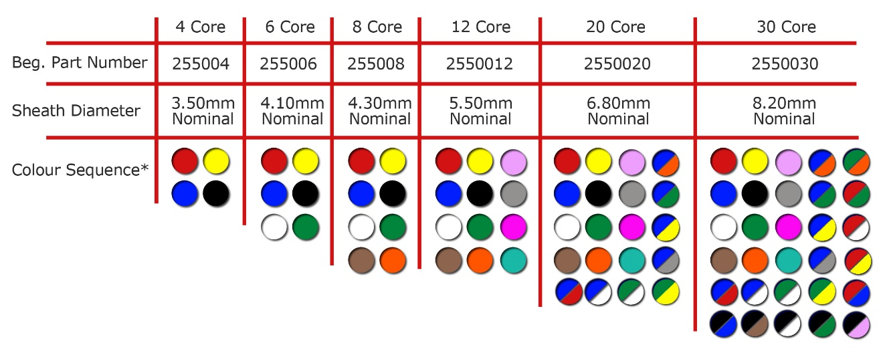

 | INSTALLED HARDWARE
 | RJ45 as TypeB | w/o | o/w | w/g | bl/w | w/bl | g/w | w/br | br/w | Example Devices
 | ESP8266 Layout A | GND | 5V | PIR | I2C_Data | I2C_Clock | 3V3 | N/C | N/C | Room Sensors (kitchen/utility/livingroom)
bedroomsensor | 8Core_Alarm | Gnd | 5v | RGB | N/A | N/A | N/A | Door | Lock
 | OilTank | GND | 5V |  |  |  |  | SR04_TX | SR04_RX
 | ESP32 Type A | GND | 5V | PIR | I2C_Data | I2C_Clock | 3V3

 | 6P | Green | Orange | Yellow | White | Red | Black | For Room Sensors
 |  | I2D | I2C | PIR | 3V3 | 5V | GND
 | cat5e | bl/w | w/bl | w/g | g/w | o/w | w/o

 |  |  |  |  |  |  |  |  |  |  | Bathroom Sensor
 |  |  |  |  |  |  |  |  |  |  | 6 Core | Black | Red | White | Blue | Yellow | Green
 |  |  |  |  |  |  |  |  |  |  |  | Gnd | 5V | PIR | I2C_D | I2C_C | 3V3
 |  |  |  |  |  |  |  |  |  |  | cat5 eq. | w/o | o/w | w/g | b/w | w/b | g/w

 |  |  |  |  |  |  |  |  |  |  | w/o | o/w | w/g | b/w | w/b | g/w
 |  |  |  |  |  |  |  |  |  |  | Gnd | 5v | PIR | I2C_D | I2C_C | 3v3
 |  |  |  |  |  |  |  |  |  |  | Black | Red | Yellow | Blue | White | Green

