Basics
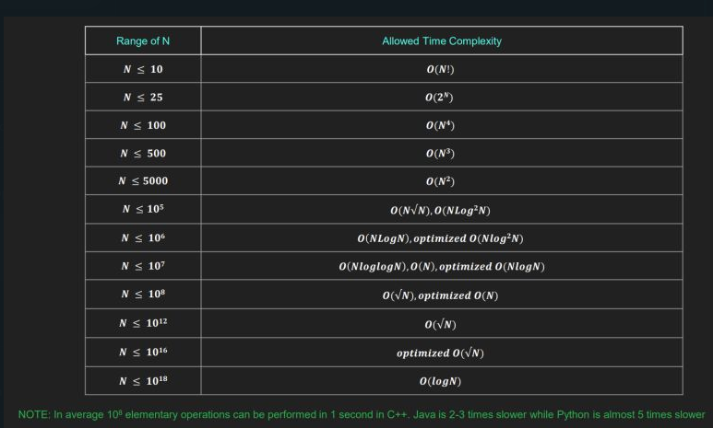
upper case to lower case | x-a = X-A | Ascii |  | tips and tricks
char to number | if char is '5' then '5' -'0' will give you number 5 | 0 | 48 | Java tricks for competitive programming (for Java 8) - GeeksforGeeks
number to char(number) | 5+'0' =="5"
number to char(letter) | if number =5, then 5+'a'-1, it will convert 5 to e | a | 97 | Fast I/O in Java in Competitive Programming - GeeksforGeeks
sb.insert(0, "one"); --it will append at front -will be used in stack |  | A | 65
 |  | space | 32
Arrays.sort(words, (a, b) ->a.length() - b.length()); --sorting in asc

