Basics
 | upper case to lower case | x-a = X-A | Ascii |  | tips and tricks
 | char to number | if char is '5' then '5' -'0' will give you number 5 | 0 | 48 | Java tricks for competitive programming (for Java 8) - GeeksforGeeks
 | number to char(number) | 5+'0' =="5"
 | number to char(letter) mapping | if number =5, then 5+'a'-1, it will convert 5 to e | a | 97 | Fast I/O in Java in Competitive Programming - GeeksforGeeks
 | sb.insert(0, "one"); --it will append at front -will be used in stack |  | A | 65
 |  |  | space | 32
 | Arrays.sort(words, (a, b) ->a.length() - b.length()); --sorting in asc
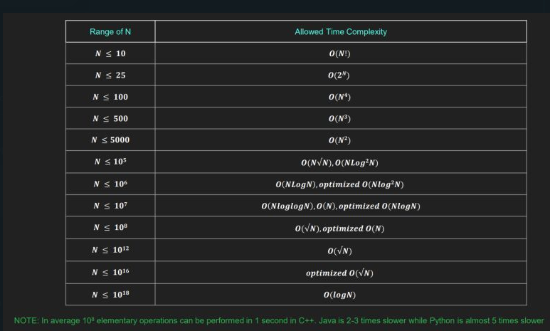

max | 2^31-1 = 2147483647
min | -2^31 = -2147483648

 | stack size max =10000
 | if we get the problem with stack >10000 which can be presnt in graph problems
 | then use the sstack using linked list | CP/Linklist_To_Stack_Adapter.java at main · spartan4cs/CP (github.com)
 | Linked List To Stack Adapter

 |  | linked lis.remove
 | circular trver in maze
 | ll x1 = ((x % n) + n) % n;
 | ll y1 = ((y % m) + m) % m; |  |  |  |  | todos
 |  |  |  |  |  | resume creation
 |  |  |  |  |  | react projects
 |  |  |  |  |  | microservices
 |  |  |  |  |  | aws
 |  |  |  |  |  | docker & kubernetes

