wheel1
18 | slots-wheel | Sample & scan |  |  |  |  |  |  | EXAFS scan settings |  |  |  | Auto gain setting |  | Motors [mm], absolute values
Slot number | Ring | Sample name | Measure this slot? | Number of repetitions | Element symbol | Absorption edge | Is standard? | Note | Energy ranges | Energy steps | kweight | Integration times | Auto gain energy | Auto gain mode | Detector X | Sample X | Sample y | Slit width | Slit height
 | Outer | X2O3 | Yes | 1 | Cu | K | Yes | anything you want to comment on this scan | -200 -30 -10 25 15k | 10 2 0.3 0.05k | 0 | 0.5 0.5 0.5 0.5 | -50 | upper
0 | Outer | MnO | Yes | 1 | Mn | K | No |  | -200 -30 -10 25 15k | 10 2 0.3 0.05k | 0 | 0.5 0.5 0.5 0.5 | -50 | upper
1 | Outer | NiMnO | Yes | 1 | Mn | K | No |  | -200 -30 -10 25 15k | 11 2 0.3 0.05k | 0 | 0.5 0.5 0.5 0.5 | -50 | upper
2 | Outer | NiMnO | Yes | 1 | Mn | K | No |  | -200 -30 -10 25 15k | 12 2 0.3 0.05k | 0 | 0.5 0.5 0.5 0.5 | -50 | upper
3 | Outer | NiMnO | Yes | 1 | Mn | K | No |  | -200 -30 -10 25 15k | 13 2 0.3 0.05k | 0 | 0.5 0.5 0.5 0.5 | -50 | upper
4 | Outer | NiMnO | Yes | 1 | Mn | K | No |  | -200 -30 -10 25 15k | 14 2 0.3 0.05k | 0 | 0.5 0.5 0.5 0.5 | -50 | upper
5 | Outer | NiMnO | Yes | 1 | Mn | K | No |  | -200 -30 -10 25 15k | 15 2 0.3 0.05k | 0 | 0.5 0.5 0.5 0.5 | -50 | upper
6 | Outer | NiMnO | Yes | 1 | Mn | K | No |  | -200 -30 -10 25 15k | 16 2 0.3 0.05k | 0 | 0.5 0.5 0.5 0.5 | -50 | upper
7 | Outer | NiMnO | Yes | 1 | Mn | K | No |  | -200 -30 -10 25 15k | 17 2 0.3 0.05k | 0 | 0.5 0.5 0.5 0.5 | -50 | upper
8 | Outer | NiMnO | Yes | 1 | Mn | K | No |  | -200 -30 -10 25 15k | 18 2 0.3 0.05k | 0 | 0.5 0.5 0.5 0.5 | -50 | upper
9 | Outer | NiMnO | Yes | 1 | Mn | K | No |  | -200 -30 -10 25 15k | 19 2 0.3 0.05k | 0 | 0.5 0.5 0.5 0.5 | -50 | upper
10 | Outer | NiMnO | Yes | 1 | Mn | K | No |  | -200 -30 -10 25 15k | 20 2 0.3 0.05k | 0 | 0.5 0.5 0.5 0.5 | -50 | upper
11 | Outer | NiMnO | Yes | 1 | Mn | K | No |  | -200 -30 -10 25 15k | 21 2 0.3 0.05k | 0 | 0.5 0.5 0.5 0.5 | -50 | upper
12 | Outer | NiMnO | Yes | 1 | Mn | K | No |  | -200 -30 -10 25 15k | 22 2 0.3 0.05k | 0 | 0.5 0.5 0.5 0.5 | -50 | upper
13 | Outer | NiMnO | Yes | 1 | Mn | K | No |  | -200 -30 -10 25 15k | 23 2 0.3 0.05k | 0 | 0.5 0.5 0.5 0.5 | -50 | upper
14 | Outer | NiMnO | Yes | 1 | Mn | K | No |  | -200 -30 -10 25 15k | 24 2 0.3 0.05k | 0 | 0.5 0.5 0.5 0.5 | -50 | upper
15 | Outer | NiMnO | Yes | 1 | Mn | K | No |  | -200 -30 -10 25 15k | 25 2 0.3 0.05k | 0 | 0.5 0.5 0.5 0.5 | -50 | upper
16 | Outer | NiMnO | Yes | 1 | Mn | K | No |  | -200 -30 -10 25 15k | 26 2 0.3 0.05k | 0 | 0.5 0.5 0.5 0.5 | -50 | upper
17 | Outer | NiMnO | Yes | 1 | Mn | K | No |  | -200 -30 -10 25 15k | 27 2 0.3 0.05k | 0 | 0.5 0.5 0.5 0.5 | -50 | upper
 | No entries here

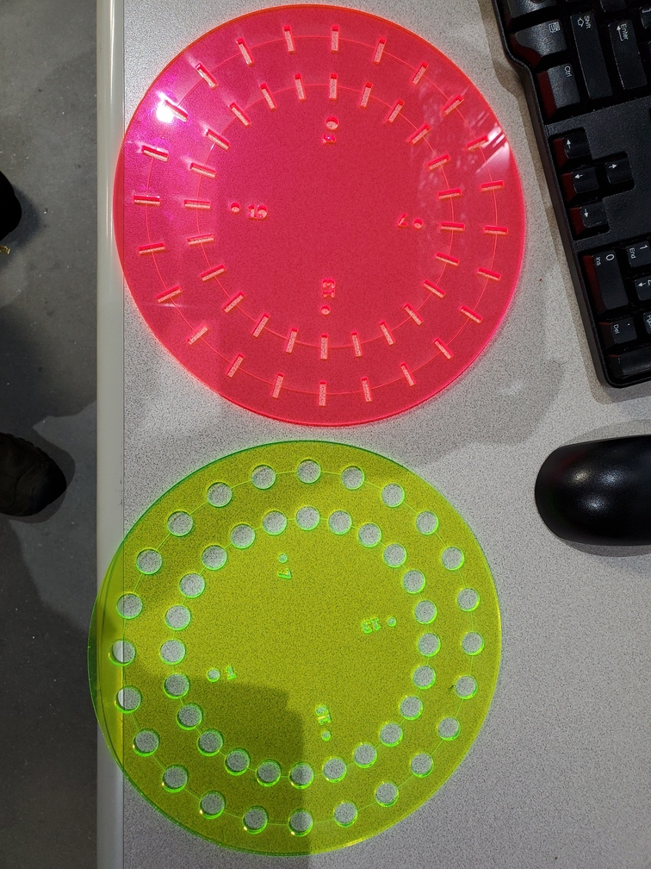

2

Instructions:
1. Add the names of all team members to the green box in row 1
2. Default values for all parameters go in line 6
3. Sample-specific parameters are entered in rows 7+
4. Default values from line 6 will be used for all cells left blank in rows 7+
5. Specify motor/slit positions in columns S,T,U,V; leave blank for no motion
6. Specify detector position in column R, blank means to not move the detector
6. Do not add rows above row 7
7. Do not add columns before column AF
8. The wheel is correctly mounted if the numbers can be read when facing the wheel

