Results
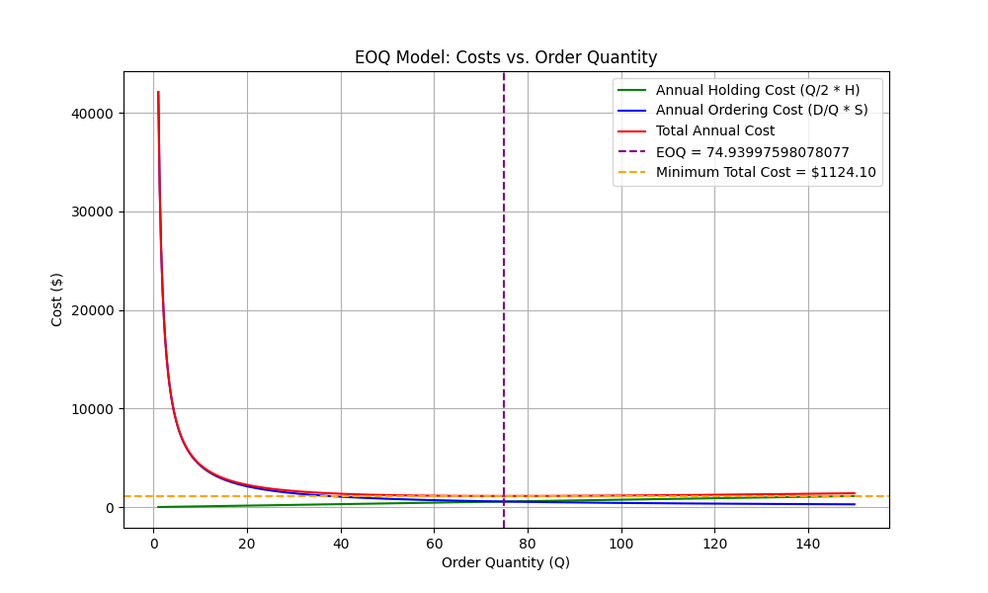
Parameter | Value | Calculation
Demand Rate (units/week) | 18 | Given
Demand Yearly (units/year) | 936 | Demand Rate * Weeks per Year
Purchase Cost (dollars/unit) | 60 | Given
Holding Cost Rate (annual %) | 0.25 | Given
Ordering Cost (dollars/order) | 45 | Given
Weeks per Year | 52 | Given
EOQ (units) | 74.939975981 | sqrt((2 * Demand Yearly * Ordering Cost) / Annual Holding Cost)
Annual Holding Cost (dollars) | 562 | (EOQ / 2) * Annual Holding Cost
Annual Ordering Cost (dollars) | 562 | (Demand Yearly / EOQ) * Ordering Cost
Annual Safety Stock Cost (dollars) | 135 | Safety Stock * Annual Holding Cost
Total Annual Cost (dollars) | 1259 | Annual Holding Cost + Annual Ordering Cost + Annual Safety Stock Cost
Safety Stock (units) | 9 | z * sigma_dLT
Time Between Orders (weeks) | 4 | EOQ / Demand Rate
Reorder Point (ROP) | 45 | Demand Rate * Lead Time + Safety Stock

