Results
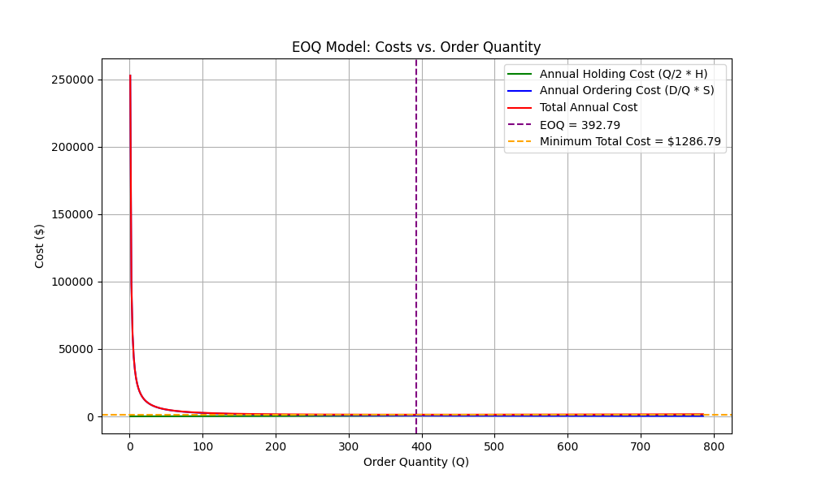
Parameter | Value | Calculation
Demand Rate (units/day) | 15.00 | Given
Demand Yearly (units/year) |  | Demand Rate * Days per Year
Purchase Cost (dollars/unit) | 11.70 | Given
Holding Cost Rate (annual %) | 0.28 | Given
Holding Cost per Unit (dollars/unit/year) |  | Holding Cost Rate * Purchase Cost
Ordering Cost (dollars/order) | 54.00 | Given
Weeks per Year | 44.57 | Given
Days per Year | 312.00 | Given
EOQ (units) | 392.79 | sqrt((2 * Demand Yearly * Ordering Cost) / (Holding Cost per Unit))
Annual Holding Cost (dollars) | 643.40 | (EOQ / 2) * Holding Cost per Unit
Annual Ordering Cost (dollars) | 643.40 | (Demand Yearly / EOQ) * Ordering Cost
Annual Safety Stock Cost (dollars) | 27.20 | Safety Stock * Holding Cost per Unit
Total Annual Cost (dollars) | 1314.00 | Annual Holding Cost + Annual Ordering Cost + (Annual Safety Stock Cost if applicable)
Safety Stock (units) | 8.30 | z * sigma_dLT
Time Between Orders (days) | 26.20 | EOQ / Demand Rate
Reorder Point (ROP) | 278.30 | Demand Rate * Lead Time + Safety Stock
Number of Orders per Year | 11.90 | Demand Yearly / EOQ

