Trial Balance
To balance the total Debits and Credits MCP ignores the P&L Items Here I filitered those out When You add them back you get the TB per Xero
Trial Balance
Rirratjingu Mining Pty Ltd
As at 12 August 2025

Account Code | Account | Account Type | Debit - Year to date | Credit - Year to date | 30 June 2025 | Net | Row Labels | Sum of Debit - Year to date | Sum of Credit - Year to date | Sum of Net
41000 | Rental Income - Commercial | Revenue |  | 0.00 | (60,000.00) | 0.00 | Bank | 574024.98 |  | 574,024.98
41010 | Rental Income - Residential | Revenue | 6,321.19 |  | (160,089.45) | 6,321.19 | Current Asset | 5475902.65 |  | 5,475,902.65
41055 | Recovery of RF Material Costs | Revenue |  | 0.00 | (3,051.30) | 0.00 | Current Liability | 704097.05 | 53637.51 | 650,459.54
42010 | Sales - Contracts & Labour | Revenue |  | 0.00 | (13,065.50) | 0.00 | Equity | 1497927 | 8862857.2 | -7,364,930.20
42040 | Sales - Other | Revenue |  | 0.00 | (288,643.18) | 0.00 | Fixed Asset | 1284625.74 | 321682.66 | 962,943.08
42050 | Sales - Parts & Labour | Revenue |  | 0.00 | (1,616.07) | 0.00 | Liability |  | 298837.05 | -298,837.05
42070 | Sales - Sand and Gravel | Revenue |  | 0.00 | (2,871.00) | 0.00 | Non-current Asset | 118092.09 |  | 118,092.09
42090 | Sales - Quarry | Revenue |  | 218,341.75 | (5,730,972.31) | -218,341.75 | Grand Total | 9654669.51 | 9537014.42 | 117,655.09
43010 | Interest Received | Revenue |  | 622.81 | (30,741.26) | -622.81
43030 | Fuel Tax Credits | Revenue |  | 0.00 | (112,500.00) | 0.00
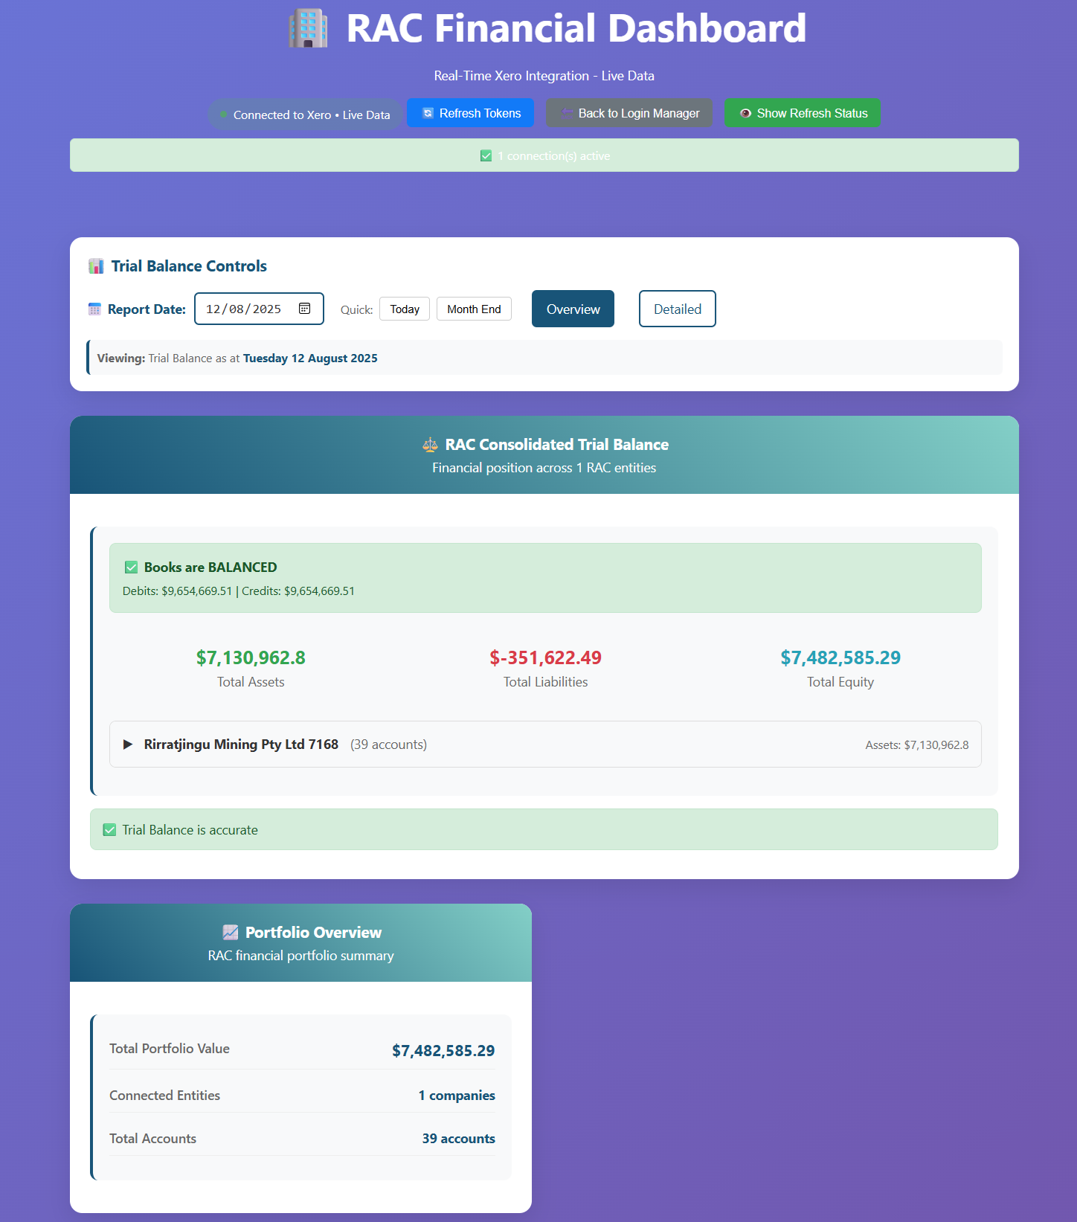
43070 | Haulage Revenue | Revenue |  | 1,091.10 | (568,109.15) | -1,091.10
43080 | Weighbridge Revenue | Revenue |  | 0.00 | (134,836.27) | 0.00
49200 | Sundry Income | Revenue |  | 0.00 | (27,963.29) | 0.00
49300 | Fuel Cost recovery | Other Income |  | 408.98 | (9,057.33) | -408.98
50010 | Costs of Goods Sold - Rock Products | Direct Costs | 0.00 |  | 1,950,400.33 | 0.00
50030 | Costs of Goods Sold - Sand | Direct Costs | 0.00 |  | 218,762.93 | 0.00
51040 | Cost - Fuel | Direct Costs | 57,216.00 |  | 29,042.40 | 57,216.00
51055 | Cost of RF Materials | Direct Costs | 3,850.00 |  | 18,949.86 | 3,850.00
51060 | Cost - Parts & Labour | Direct Costs | 2,330.20 |  | 3,013.36 | 2,330.20
51130 | Haulage expenses | Direct Costs | 9,440.00 |  | 553,289.40 | 9,440.00
63000 | Accountancy Fees | Expense | 0.00 |  | 3,900.00 | 0.00
63010 | Audit Fees | Expense | 0.00 |  | 25,300.00 | 0.00
63020 | Advertising | Expense | 0.00 |  | 3,735.49 | 0.00
63090 | Bank Charges | Expense | 15.00 |  | 3,643.30 | 15.00
63100 | Outsoured Bookkeeping and Accounting | Expense | 42.39 |  | 10,158.55 | 42.39
63140 | Cleaning | Expense | 0.00 |  | 18,322.87 | 0.00
63150 | Consultancy - Company Secretarial | Expense | 0.00 |  | 909.50 | 0.00
63160 | Management Fee - RAC | Expense | 0.00 |  | 169,544.24 | 0.00
63170 | Consultancy Fees | Expense | 1,645.00 |  | 71,328.59 | 1,645.00
63180 | Contractors Fees | Expense | 6,500.00 |  | 0.00 | 6,500.00
63300 | Depreciation | Expense | 0.00 |  | 109,211.25 | 0.00
63301 | Cost of Sales - Depreciation Inventory | Expense | 0.00 |  | 4,682.00 | 0.00
63310 | Quarry MMP Amortisation | Expense | 0.00 |  | 958.60 | 0.00
63540 | Electricity & Water | Expense | 2,266.87 |  | 13,848.66 | 2,266.87
63550 | Survey and Volume Calculation | Expense | 0.00 |  | 28,000.00 | 0.00
63680 | Freight & Cartage | Expense | 0.00 |  | 30,489.79 | 0.00
63770 | Hire of Plant & Equipment | Expense | 3,749.00 |  | 0.00 | 3,749.00
63810 | Insurance | Expense | 0.00 |  | 109,986.36 | 0.00
63815 | Quarry Restoration Provsion | Expense | 0.00 |  | 47,368.00 | 0.00
63830 | Interest Expense | Expense | 499.42 |  | 17,201.04 | 499.42
63910 | Licences Fees & Permits | Expense | 0.00 |  | 13,753.45 | 0.00
63925 | Loss on Disposal of Assets | Expense | 2,668.52 |  | 4,777.25 | 2,668.52
63930 | Materials & Supplies | Expense | 1,433.80 |  | 1,418.61 | 1,433.80
63950 | Meeting Expenses | Expense | 0.00 |  | 236.82 | 0.00
63980 | Sitting Fees | Expense | 0.00 |  | 113.00 | 0.00
64000 | Motor Vehicle Expenses | Expense | 0.00 |  | 34,478.66 | 0.00
64010 | Fuel | Expense | 58.71 |  | 770.81 | 58.71
64140 | Printing, Postage & Stationery | Expense | 0.00 |  | 2,357.88 | 0.00
64170 | Safety Equipment & Uniforms | Expense | 1,404.36 |  | 48,964.18 | 1,404.36
64220 | Rates & Taxes | Expense | 2,390.00 |  | 26,380.63 | 2,390.00
64275 | Property Management Fees | Expense |  | 625.80 | 15,849.21 | -625.80
64280 | Quarry Lawn Maintenance | Expense | 1,350.00 |  | 6,570.00 | 1,350.00
64281 | Repairs - Buildings | Expense |  | 4,828.46 | 5,762.76 | -4,828.46
64282 | Repairs - Office Equipment | Expense | 0.00 |  | 3,604.22 | 0.00
64283 | Repairs - Other | Expense | 578.50 |  | 38,140.10 | 578.50
64284 | Repairs - Plant & Equipment | Expense | 3,678.99 |  | 9,359.95 | 3,678.99
64480 | Office Supplies | Expense | 0.00 |  | 4,087.98 | 0.00
64481 | Staff - Recruit & Relocation | Expense | 0.00 |  | 435.00 | 0.00
64500 | RE - Cost Recovery | Expense | 0.00 |  | 385,145.63 | 0.00
64540 | Subscriptions | Expense | 542.04 |  | 2,482.45 | 542.04
64580 | Cost - Travel & Accommodation | Expense | 0.00 |  | 14,538.19 | 0.00
64600 | Telephone Internet &IT | Expense | 0.00 |  | 8,600.75 | 0.00
64710 | Waste Disposal | Expense | 283.82 |  | 49,274.99 | 283.82
11050 | Commonwealth- 11041633 | Bank | 370,037.06 |  | 276,373.26 | 370,037.06
11060 | Quarry Security Deposit | Bank | 203,987.92 |  | 203,987.92 | 203,987.92
11700 | Accrued Income | Current Asset | 638,695.63 |  | 645,016.82 | 638,695.63
12016 | Prepaid Expense | Current Asset | 0.00 |  | 542.04 | 0.00
12100 | Trade Debtors | Current Asset | 104,828.21 |  | 159,738.23 | 104,828.21
12600 | Sand Quarry Security Deposit | Non-current Asset | 25,916.00 |  | 25,916.00 | 25,916.00
12700 | Additional Quarry Deposit | Non-current Asset | 47,627.00 |  | 47,627.00 | 47,627.00
12820 | Work in Progress - Blasting | Current Asset | 636,392.58 |  | 636,392.58 | 636,392.58
12840 | Finished Goods - Rock Products | Current Asset | 3,443,353.67 |  | 3,443,353.67 | 3,443,353.67
12860 | Finished Goods - Sand | Current Asset | 344,165.91 |  | 344,165.91 | 344,165.91
12870 | Quarry Building/Shed Improvements | Fixed Asset | 587,497.96 |  | 587,497.96 | 587,497.96
12890 | Sand Quarry Rehab | Current Asset | 20,260.00 |  | 20,260.00 | 20,260.00
12900 | Quarry Mobilisation Costs | Current Asset | 129,439.89 |  | 129,439.89 | 129,439.89
12905 | Quarry MMP | Current Asset | 3,658.48 |  | 3,658.48 | 3,658.48
13000 | Prepaid Insurance & Rates | Current Asset | 109,037.60 |  | 0.01 | 109,037.60
13250 | Loan - Rirratjingu Investments | Current Asset | 35.66 |  | 35.66 | 35.66
13251 | Loan - Rirratjingu Enterprises | Current Asset | 4,261.47 |  | 4,261.47 | 4,261.47
13252 | Loan - RPMMS | Current Asset | 41,773.55 |  | 41,773.55 | 41,773.55
14000 | Deferred Tax Asset | Non-current Asset | 44,549.09 |  | 44,420.09 | 44,549.09
16100 | Office Equipment | Fixed Asset | 13,562.28 |  | 13,562.28 | 13,562.28
16110 | Office Equipment Depreciation | Fixed Asset |  | 3,484.83 | (3,484.83) | -3,484.83
16200 | Land & Buildings at Cost | Fixed Asset | 26,402.71 |  | 26,402.71 | 26,402.71
16300 | Land & Buildings Depreciation | Fixed Asset |  | 16,347.04 | (16,347.04) | -16,347.04
16400 | Plant & Equipment at Cost | Fixed Asset | 657,162.79 |  | 669,614.64 | 657,162.79
16500 | Plant & Equipment Depreciation | Fixed Asset |  | 301,850.79 | (311,634.12) | -301,850.79
20100 | GST | Current Liability | 27,710.44 |  | 27,291.56 | 27,710.44
20510 | Security Bonds | Liability |  | 2,383.33 | (2,383.33) | -2,383.33
21099 | Trade Creditors | Current Liability |  | 40,736.39 | (233,876.46) | -40,736.39
22600 | Accrued Expenses | Current Liability |  | 12,397.36 | (18,380.42) | -12,397.36
24500 | Income Tax liability | Current Liability |  | 0.03 | (0.03) | -0.03
25610 | Loan LiuGong Loader | Liability |  | 57,362.72 | (68,571.67) | -57,362.72
26500 | Provision Quarry Restoration | Liability |  | 213,175.00 | (213,175.00) | -213,175.00
26510 | Provision Sand Quarry Restoration | Liability |  | 25,916.00 | (25,916.00) | -25,916.00
26560 | PAYG Income Tax Instalment (paid in advance) | Current Liability | 642,279.00 |  | 642,279.00 | 642,279.00
26600 | Loan - RAC | Current Liability | 34,107.61 |  | 265,592.09 | 34,107.61
860 | Rounding | Current Liability |  | 503.73 | (503.72) | -503.73
31000 | Share Capital | Equity |  | 2,000,001.00 | (2,000,001.00) | -2,000,001.00
38000 | Retained Earnings | Equity |  | 6,862,856.20 | (3,838,489.13) | -6,862,856.20
39000 | Dividend paid | Equity | 1,497,927.00 |  | 1,497,927.00 | 1,497,927.00
Total |  |  | 9,762,933.32 | 9,762,933.32 | 0.00

Total |  |  | 9,762,933.32 | 9,762,933.32 | 0.00
 |  |  |  | 108,263.81

