Report
OST Project
Earned Value Analysis Report

 | Prepared By: | James Dumitru
 | Date: | 04/22/2020
 |  | [42]
 | For Period: | 04/29/2020

Summary:
 | This Planned Value is for providing a cost towards buyers who would like to invest in our cost of work towards a web crawler.

 |  |  |  |  |  |  |  |  |  |  |  |  |  |  | This is for each person
 |  |  |  |  |  |  |  |  |  |  |  |  |  |  | Roles: | Price per hour:
Planned Value (PV) or Budgeted Cost of Work Scheduled (BCWS) |  |  |  |  |  |  | WEEKS |  |  |  |  |  |  |  | Project Manager | $80.00
WBS | Task Name | TBC | 1 | 2 | 3 | 4 | 5 | 6 | 7 | 8 | 9 | 10 | 11 | 12 | Software Developer | $50.00
1 | OSINT |  |  |  |  |  |  |  |  |  |  |  |  |  | Software Developer | $50.00
1.1 | Planning Phase |  |  |  |  |  |  |  |  |  |  |  |  |  | Software Developer | $50.00
1.1.1 | Process Requirements | 700 | 350 | 350 |  |  |  |  |  |  |  |  |  |  | Data Analyst | $40.00
1.1.2 | Data Requirements | 1000 | 500 | 500 |  |  |  |  |  |  |  |  |  |  | Data Analyst | $40.00
1.1.2.1 | Identifying Roles | 500 | 500
1.1.3 | Design Requirements | 1000 | 500 | 500
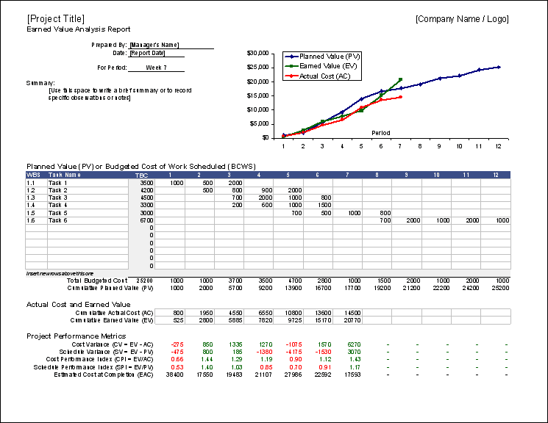
1.2 | Execution Phase
1.2.1 | Begin Software Development | 4500 |  |  | 1500 | 1500 | 1500
1.2.2 | Begin Code Development | 3000 |  |  |  | 1500 | 1500
1.2.3 | Test Code | 2000 |  |  |  |  |  | 1000 | 1000
1.2.4 | Debug | 6400 |  |  |  |  |  |  | 1400 | 1000 | 1000 | 1000 | 1000 | 1000
1.3 | Monitoring and Controlling Phase
1.3.1 | Review Requirements for UI | 1000 |  |  |  |  |  |  |  | 500 |  |  | 500
1.3.2 | Draft Design | 800 |  |  |  |  |  |  |  | 800
1.3.3 | Begin UI Development | 2000 |  |  |  |  |  |  |  | 1000 | 1000
1.3.4 | Test UI | 2400 |  |  |  |  |  |  |  |  | 800 | 800 | 800
1.4 | Project Closeout Phase
1.4.1 | Integrate with code | 6000 |  |  |  |  |  |  |  |  |  | 2000 | 2000 | 2000
1.4.2 | Data Analysis | 2600 |  |  |  |  |  |  |  |  |  |  | 1500 | 1100
1.4.3 | Requirements Checklist | 600 |  |  |  |  |  |  |  |  |  |  | 300 | 300
1.4.4 | Final Deliverables | 1000 |  |  |  |  |  |  |  |  |  |  | 500 | 500
1.4.5 | Final Review | 2000 |  |  |  |  |  |  |  |  |  |  | 1000 | 1000
1.4.6 | Complete report/Presentation | 2000 |  |  |  |  |  |  |  |  |  |  | 1000 | 1000
Insert new rows above this one
 | Total Budgeted Cost | 25300 | 1850 | 1350 | 1500 | 3000 | 3000 | 1000 | 2400 | 3300 | 2800 | 3800 | 8600 | 6900
 |  | Cumulative Planned Value (PV) | 1850 | 3200 | 4700 | 7700 | 10700 | 11700 | 14100 | 17400 | 20200 | 24000 | 32600 | 39500

Actual Cost and Earned Value
 |  | Cumulative Actual Cost (AC) | 3550 | 5150 | 9950 | 14750 | 19550 | 21950 | 26750 | 29150 | 35230 | 37630 | 47350 | 64760
 |  | Cumulative Earned Value (EV) | 2500 | 6375 | 6750 | 7125 | 9500 | 2640 | 9200 | 6400 | 7260 | 7560 | 8670 | 16230

Project Performance Metrics
 |  | Cost Variance (CV = EV - AC) | -1050 | 1225 | -3200 | -7625 | -10050 | -19310 | -17550 | -22750 | -27970 | -30070 | -38680 | -48530
 |  | Schedule Variance (SV = EV - PV) | 650 | 3175 | 2050 | -575 | -1200 | -9060 | -4900 | -11000 | -12940 | -16440 | -23930 | -23270
 |  | Cost Performance Index (CPI = EV/AC) | 0.70 | 1.24 | 0.68 | 0.48 | 0.49 | 0.12 | 0.34 | 0.22 | 0.21 | 0.20 | 0.18 | 0.25
 |  | Schedule Performance Index (SPI = EV/PV) | 1.35 | 1.99 | 1.44 | 0.93 | 0.89 | 0.23 | 0.65 | 0.37 | 0.36 | 0.32 | 0.27 | 0.41
 |  | Estimated Cost at Completion (EAC) | 35926 | 20438 | 37294 | 52375 | 52065 | 210354 | 73563 | 115234 | 122771 | 125931 | 138172 | 100951

