Res
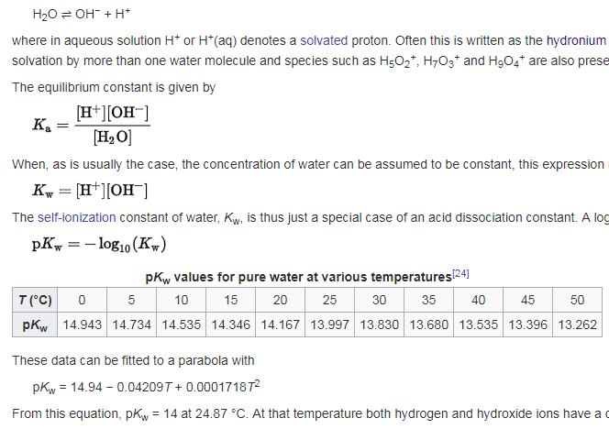

https://en.wikipedia.org/wiki/Acid_dissociation_constant#Water_self-ionization
https://en.wikipedia.org/wiki/Self-ionization_of_water

