HotDogStand
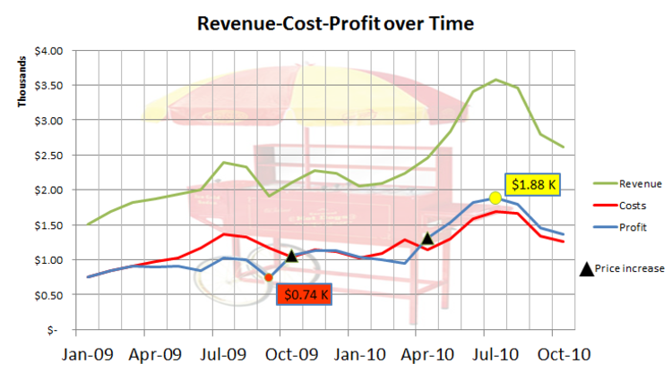
Month | Price | Costs/Unit | # Sold | Revenue | Costs | Profit
Jan-09 | $1.00 | $0.50 | 1503 | $1,503.00 | $751.50 | $751.50
Feb-09 | $1.00 | $0.50 | 1689 | $1,689.00 | $844.50 | $844.50
Mar-09 | $1.00 | $0.50 | 1814 | $1,814.00 | $907.00 | $907.00
Apr-09 | $1.00 | $0.52 | 1867 | $1,867.00 | $970.84 | $896.16
May-09 | $1.00 | $0.53 | 1934 | $1,934.00 | $1,025.02 | $908.98
Jun-09 | $1.00 | $0.58 | 2008 | $2,008.00 | $1,164.64 | $843.36
Jul-09 | $1.00 | $0.57 | 2390 | $2,390.00 | $1,362.30 | $1,027.70
Aug-09 | $1.00 | $0.57 | 2332 | $2,332.00 | $1,329.24 | $1,002.76
Sep-09 | $1.00 | $0.61 | 1910 | $1,910.00 | $1,165.10 | $744.90
Oct-09 | $1.25 | $0.62 | 1683 | $2,103.75 | $1,043.46 | $1,060.29
Nov-09 | $1.25 | $0.63 | 1823 | $2,278.75 | $1,148.49 | $1,130.26
Dec-09 | $1.25 | $0.62 | 1794 | $2,242.50 | $1,112.28 | $1,130.22
Jan-10 | $1.25 | $0.62 | 1648 | $2,060.00 | $1,021.76 | $1,038.24
Feb-10 | $1.25 | $0.65 | 1674 | $2,092.50 | $1,088.10 | $1,004.40
Mar-10 | $1.25 | $0.72 | 1789 | $2,236.25 | $1,288.08 | $948.17
Apr-10 | $1.50 | $0.70 | 1639 | $2,458.50 | $1,147.30 | $1,311.20
May-10 | $1.50 | $0.69 | 1890 | $2,835.00 | $1,304.10 | $1,530.90
Jun-10 | $1.50 | $0.70 | 2270 | $3,405.00 | $1,589.00 | $1,816.00
Jul-10 | $1.50 | $0.71 | 2386 | $3,579.00 | $1,694.06 | $1,884.94
Aug-10 | $1.50 | $0.72 | 2303 | $3,454.50 | $1,658.16 | $1,796.34
Sep-10 | $1.50 | $0.72 | 1864 | $2,796.00 | $1,342.08 | $1,453.92
Oct-10 | $1.50 | $0.72 | 1745 | $2,617.50 | $1,256.40 | $1,361.10

Revenue-Cost-Profit over Time

Pareto Chart
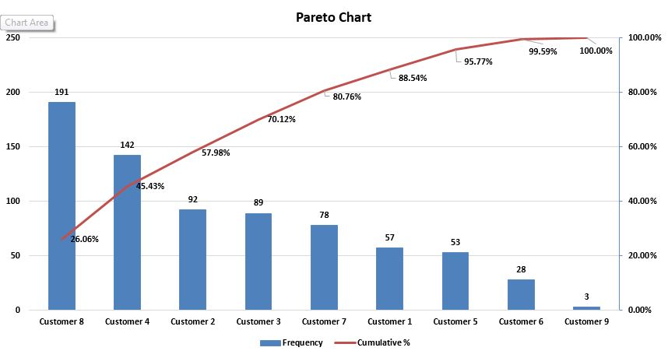
Customer | Frequency | Cumulative %
Customer 8 | 191 | 26.06%
Customer 4 | 142 | 45.43%
Customer 2 | 92 | 57.98%
Customer 3 | 89 | 70.12%
Customer 7 | 78 | 80.76%
Customer 1 | 57 | 88.54%
Customer 5 | 53 | 95.77%
Customer 6 | 28 | 99.59%
Customer 9 | 3 | 100.00%
Total | 733

Pareto Chart

Sparkline1
1951 Pennant Race |  | 130 | 131 | 132 | 133 | 134 | 135 | 136 | 137 | 138 | 139 | 140 | 141 | 142 | 143 | 144 | 145 | 146 | 147 | 148 | 149 | 150 | 151 | 152 | 153 | 154 | 155 | 156 | 157
Brooklyn Dodgers |  | 1 | 1 | 1 | 1 | 1 | -1 | 1 | -1 | 1 | -1 | 1 | -1 | -1 | 1 | 1 | -1 | -1 | 1 | -1 | -1 | 1 | -1 | -1 | 1 | 1 | -1 | 1 | -1
NY Giants |  | 1 | 1 | -1 | 1 | 1 | 1 | 1 | -1 | 1 | 1 | -1 | -1 | 1 | 1 | 1 | 1 | 1 | -1 | 1 | 1 | 1 | 1 | 1 | 1 | 1 | 1 | -1 | 1

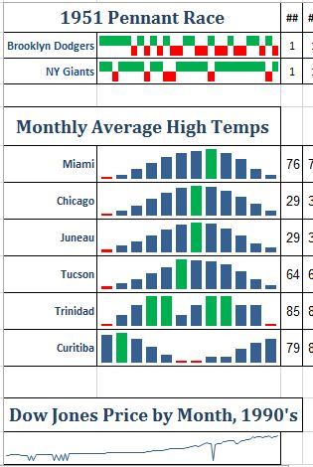
Monthly Average High Temps
Miami |  | 76 | 77 | 80 | 83 | 86 | 88 | 89 | 90 | 88 | 85 | 80 | 77
Chicago |  | 29 | 34 | 45 | 58 | 70 | 80 | 84 | 82 | 75 | 63 | 48 | 35
Juneau |  | 29 | 34 | 39 | 47 | 55 | 61 | 64 | 63 | 56 | 47 | 37 | 32
Tucson |  | 64 | 68 | 73 | 81 | 90 | 100 | 99 | 97 | 94 | 84 | 73 | 65
Trinidad |  | 85 | 86 | 87 | 88 | 88 | 86 | 87 | 88 | 88 | 87 | 87 | 85
Curitiba |  | 79 | 80 | 77 | 73 | 69 | 66 | 66 | 68 | 68 | 72 | 75 | 77

Dow Jones Price by Month, 1990's

Date | Dow Jones Average
1990-01-31 | 2590.54
1990-02-28 | 2627.25
1990-03-30 | 2707.21
1990-04-30 | 2656.76
1990-05-31 | 2876.66
1990-06-29 | 2880.70
1990-07-31 | 2905.20
1990-08-31 | 2614.36
1990-09-28 | 2452.48
1990-10-31 | 2442.34
1990-11-30 | 2559.66
1990-12-21 | 0.50
1990-12-31 | 2633.66
1991-01-10 | 0.19
1991-01-31 | 2736.40
1991-02-28 | 2882.18
1991-03-28 | 2913.86
1991-04-30 | 2887.88
1991-05-31 | 3027.50
1991-06-28 | 2906.80
1991-07-31 | 3024.82
1991-08-30 | 3043.60
1991-09-30 | 3016.77
1991-10-31 | 0.23
1991-10-31 | 3069.10
1991-11-10 | 0.44
1991-11-29 | 2894.70
1991-12-01 | 0.02
1991-12-31 | 3168.80
1992-01-30 | 0.53
1992-01-31 | 3223.40
1992-02-28 | 3267.70
1992-03-31 | 3235.50
1992-04-30 | 3359.10
1992-05-29 | 3396.90
1992-06-30 | 3318.50
1992-07-31 | 3393.80
1992-08-31 | 3257.40
1992-09-30 | 3271.70
1992-10-30 | 3226.30
1992-11-30 | 3305.16
1992-12-31 | 3301.12
1993-01-29 | 3310.04
1993-02-26 | 3370.82
1993-03-31 | 3435.10
1993-04-30 | 3427.60
1993-05-28 | 3527.44
1993-06-30 | 3516.08
1993-07-30 | 3539.47
1993-08-31 | 3651.25
1993-09-30 | 3555.12
1993-10-29 | 3680.59
1993-11-30 | 3683.95
1993-12-31 | 3754.09
1994-01-31 | 3978.36
1994-02-28 | 3832.02
1994-03-31 | 3635.96
1994-04-29 | 3681.69
1994-05-27 | 3757.14
1994-06-30 | 3624.96
1994-07-28 | 3730.83
1994-08-31 | 3913.42
1994-09-30 | 3843.19
1994-10-31 | 3908.12
1994-11-30 | 3739.23
1994-12-30 | 3834.44
1995-01-31 | 3843.86
1995-02-28 | 4011.05
1995-03-31 | 4157.69
1995-04-28 | 4321.27
1995-05-31 | 4465.14
1995-06-30 | 4556.10
1995-07-31 | 4708.47
1995-08-31 | 4610.56
1995-09-29 | 4789.08
1995-10-31 | 4755.48
1995-11-30 | 5074.49
1995-12-29 | 5117.12
1996-01-31 | 5394.94
1996-02-29 | 5485.62
1996-03-29 | 5587.14
1996-04-30 | 5569.08
1996-05-31 | 5643.18
1996-06-28 | 5654.63
1996-07-31 | 5528.91
1996-08-30 | 5616.21
1996-09-30 | 5882.17
1996-10-31 | 6029.38
1996-11-29 | 6521.70
1996-12-31 | 6448.27
1997-01-31 | 6813.09
1997-02-28 | 6877.74
1997-03-31 | 6583.48
1997-04-30 | 7008.99
1997-05-30 | 7331.04
1997-06-30 | 7672.79
1997-07-31 | 8222.61
1997-08-29 | 7622.42
1997-09-30 | 7945.26
1997-10-20 | 0.12
1997-10-31 | 7442.08
1997-11-28 | 7823.13
1997-12-31 | 7908.25
1998-01-30 | 7906.50
1998-02-27 | 8545.72
1998-03-31 | 8799.81
1998-04-30 | 9063.37
1998-05-29 | 8899.95
1998-06-30 | 8952.02
1998-07-31 | 8883.29
1998-08-31 | 7539.07
1998-09-30 | 7842.62
1998-10-30 | 8592.10
1998-11-30 | 9116.55
1998-12-31 | 9181.43
1999-01-29 | 9358.83
1999-02-26 | 9306.58
1999-03-31 | 9786.16
1999-04-30 | 10789.04
1999-05-31 | 10559.74
1999-06-30 | 10970.80
1999-07-30 | 10655.15
1999-08-31 | 10829.28
1999-09-30 | 10336.95
1999-10-29 | 10729.86
1999-11-30 | 10877.81
1999-12-31 | 11497.12
1999-09-30 | 10336.95
1999-10-29 | 10729.86
1999-11-30 | 10877.81
1999-12-31 | 11497.12

Sparkline2
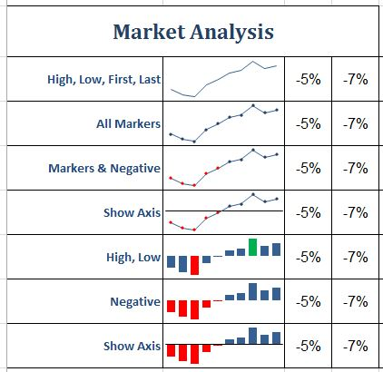
Market Analysis
High, Low, First, Last | -5% | -7% | -8% | -3% | -0.5% | 2% | 3% | 7% | 4% | 5%
All Markers | -5% | -7% | -8% | -3% | -0.5% | 2% | 3% | 7% | 4% | 5%
Markers & Negative | -5% | -7% | -8% | -3% | -0.5% | 2% | 3% | 7% | 4% | 5%
Show Axis | -5% | -7% | -8% | -3% | -0.5% | 2% | 3% | 7% | 4% | 5%
High, Low | -5% | -7% | -8% | -3% | -0.5% | 2% | 3% | 7% | 4% | 5%
Negative | -5% | -7% | -8% | -3% | -0.5% | 2% | 3% | 7% | 4% | 5%
Show Axis | -5% | -7% | -8% | -3% | -0.5% | 2% | 3% | 7% | 4% | 5%

3Types
Stacked
 | Jan-11 | Feb-11 | Mar-11 | Apr-11 | May-11 | Jun-11
East | 11043 | 11264 | 15350 | 12037 | 10933 | 14687
Central | 19448 | 18670 | 25477 | 20226 | 20420 | 25477
West | 18406 | 19510 | 25216 | 18958 | 19326 | 26689

Clustered
100% Stacked

What is the message of each of the stacked chart above? What questions does it help you answer?
The stacked chart shows the sales by the numbers for each time period from 0 to 80000 showing the numerical values and their breakdown per region.

What is the message of each of the clustered chart above? What questions does it help you answer?
It shows a side by side comparison of profits per each region. It tells you side by side their numerical comparison. It is clearer on which numbers are bigger vs. smaller.

What is the message of each of the 100% stacked chart above? What questions does it help you answer?
The 100% stacked chart shows the numbers for each time period as a percentage break down of the whole with each region having a percentage of the total.

What 2 misconceptions did you address on a chart above or what conditional formatting did you do?
I addressed the misconception that defaults are good enough and charts are interchangeable. I thought the bar charts used in the example above were not a good choice for the data, though what the data even represents is unclear. I also put in a few things to highlight the data points, added the legend and made the axes easier to read.

Numbers by the region

