List_new
Item | Description |  | 2023-04-11 | 2023-04-12 | 2023-04-13 | 2023-04-14 | 2023-04-15 | 2023-04-16 | 2023-04-17 | 2023-04-18 | 2023-04-19
Jlogic regression, specially SRSZ |  | Done
Jlogic FPGA debug |  | Done
MT MCM DVP handshake |  | Done
Lenovo HDR modification/VEND shd of dmc |  | Done
Lenovo VB gating, changing with JLogic |  | Done but hdr
Jlogic debug |  | Todo |  |  |  |  |  | 1
MCM wrt and ISP online backpressure at same time |  | done
AI_ISP | SBI producer |  |  | Todo | done
 | SBI consumer design |  |  | todo | done
 | packing by two line |  |  |  | done

Projects | 1. status record 2.for DV, FPGA, BM, FM, SW
701 | power too large
GNPU | wait for BM case 2. regression for udpate chips
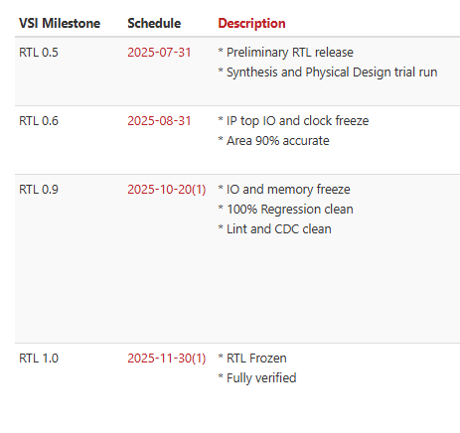
Yongtek Qianqian | 1. nn pre cfg rdata, on-off frame end of NPU 2. hdr frame_st clock， stitch clk cg issue in marvin_ctrl 3. bayer_mode for frame_end 4. pr_end issue() 5. couple enable bit | 2688： BM： NPU remap debug signal with MI_RT
Beken Ziyin | wait for rls report
GW Ziyin | 0.6 RLS: 08/31 * IP top IO and clock freeze * Area 90% accurate Area version NN Pre SRAM, Lint pass
AIv910 | 1. AE integration 2. NNDRC/CCM/ 3. 64bit axi address 4. rls bitfile
MCM_HW

aimin for synchronizer

RAW compression estimation |  |  | Todo | Todo | todo | todo
YUV define for horizon |  |  | Done
8210 debug for DPF |  |  | Doing | Done
Jlogic JIRA Vsync |  |  | Done
Lenovo hierachy |  |  |  | Done
SBI PR & PU udpate for new timing
SBI CR & CU new for timing, multiplex PR&PU
dma read by entry
PA
AHB CFG |  |  | done
Bayer2NHWC |  |  | done
sythesis |  |  | doing
lint |  |  | done
segment register bit for mcm raw |  |  | done
makefile by npu link |  |  | done | done（no use）
run_dir flow |  |  | doing
SDC for NPU and ISP |  |  | todo | doing
NN bypass using PPR for read |  |  | todo | done
RLS team synthesis |  |  | todo | doing
height divide 2 for SBI when nn enable |  |  | todo | done
blacklevel four value |  |  | done | done
JIRA259 & 467 for Lenovo |  |  | done
synthesis partition for 9000 |  |  | todo | done
synth
nn_preprocess need to ouput continuously(by Xingbo) |  |  | done
debug env |  |  | done
doc review for glenfy |  |  | todo | doing | done |  | 1 | 1
MI unit for interleaving id |  |  | doing | doing | done |  | 2
bring up the bitfile |  |  |  |  | doing |  | 3
Lenovo pipe line bit width confirm for YUV domain |  |  | todo | doing | done(20-12-10)
MI unit for interleaving id |  |  | todo | doing
system top for interleaving id |  |  | todo | doing | done
AREA estimation confirm for ISP9000AI |  |  | todo | done
Project based on TDNRV30, Estimation for Logic and SRAM |  |  | todo | done
Jlogic release again |  |  | doing
Jlogic pp select register update |  |  |  |  | done
OT standarize |  |  | doing | Done
Jlogic WDR5 update again for backpress |  |  | done
AXI Wrapper OT exactly and length split
Subsystem
Jlogic bitfile in FPGA | 1. WDR5 1.1 damping reg read 1.2 WDR backpressure (300->384) 1.3 overthrow for value 2. ISP_Reg(reg read) 3. TDNR backpress(not update) |  | doing | tracing(to David) | tracing(FPGA-Xianfeng for previous case)
CDC check(for 8200) |  |  | done
9000AI to WeCom |  |  | todo | done
top update for 9000 |  |  | done
9000 debug for vsize not enough |  |  | done
Lenovo Jira PPstream |  |  | todo | done
Jlogic CDC JIRA
spec for subsys |  |  | todo | doing
YUV compression
Area estimation introduction for Algorithm
XP offs_en usage(0 or 1)
backpressure for 9000 at sensor
Lenovo New Project by Oct |  |  | todo
FE redesign | ？
Halio FE&MCM debug |  |  | doing
reset_offs_y_mp/frame_start_mp clock issue | should use m_hclk |  | TBD | done
lenovo doc |  |  |  | done
NPU new version up

9000 debug |  |  | done
compression
sensor interface backpressure by congying
raw compression for FLEXA SBI issue
user guide check |  |  | todo | done
mcm inform cropping function

9000 NPU update for round trip IO |  |  | done
9000 case for new RTL |  |  | done
9000 synthesis for ISP |  |  | doing | done
DMSC v2 change |  |  | done
Current project with DEC |  |  | todo | Done
pvci_sync_wrapper B2B |  |  | todo | doing (wait arch) | done
fmt table filling for frame buffer() |  |  | todo | done
PID for v620 |  |  | todo | done
sync with Qingyan about PSI |  |  | todo | done
weeklystatus |  |  | done
pluto ecc1bit debug |  |  | done
dmscv3 area estimation |  |  | todo | doing
v620 critical path for filt and mp_ctrl |  |  | todo | doing
guide review for SW(V1) |  |  | todo | doing | before Dec 25
FE link check |  |  | todo | doing
MCM_HW FE case check |  |  | todo
check why need 11 cycles |  |  | todo | post | nearly-done | done
mp_ctrl_ctrl debug |  |  | todo | doing
PSI with NPU, mail sync with Bruce |  |  | doing
FE register whether readable |  |  | doing | not, but may update
batch mode training |  |  | todo | doing
ISP9000 Lego integration |  |  | todo
nanoV70 debug for DPF |  |  | todo
mi unused register changing to reserved? |  |  | todo
FE LINK debug signal |  |  | todo | done
Retiming write backpressure
nn -> nn_inv async clock
lego synthesis

synthesis for 9000AI | 1. FLOP power is more optimalthan SRAM 2.
Configure bus for sinulation of 9000 |  |  | done

mp ctrl coverage |  |  | todo | done
RDYX |  |  | doing
Yugan MI change |  |  | todo
VCMD for DW400 | 1. Design&integration 2. RTL 3. DV
JIRA support for houmo(reg_fe_debug_signals.xlxs) |  |  | doing | done
HDR_RT backpressure |  |  | todo | done
ROI WDR sync with Yilong |  |  |  | done
hdr_RT L to VS switch |  |  |  | doing | cmt:RTL updated
Filt debug for 620 |  |  |  | done
Cmodel Golden by jianyuan |  |  | cmt: synced
sync with Qingyan for jianyuan's issue | ISP9000 release ISP part
TDNR updated to V23
RYDX spec
Synthesis for 2K RTL |  |  | todo | done
9000AI raw dump function confirm |  |  | todo
8200 hdr retiming dma read support bypass |  |  | todo | done
9000AI bitfile release to david |  |  | todo | done
MCM hw frame status |  |  | todo

FE pid |  |  | done
line count pid |  |  | todo
 |  |  | done
701 |  |  | todo
9000 to 8000L/8000
CDC
beken confirm one AINR and 3 normal sensor |  |  | todo
sdc constraint |  |  | todo | done for 701
701 document |  |  | todo
yongtek bandwidth
mcm wr with chengkai, congying |  |  | todo
psi interface | 1 |  | cmt: only port | done
RYDX line cnt port |  |  | done
deepx for N7 area, if ? |  |  | done
it is right version? |  |  | done
sram by 2688 |  |  | done
RDCD Fusa |  |  | done
PSI timing diagram for xiaochen |  |  | done
PSI agent of model |  |  | done | cmt(xiaochen)
thermal register bus |  |  | done
ZHC case |  |  | done
fe start shadow |  |  | done |  |  | ABC
dehaze module? 701 |  |  | done |  |  |  |  |  | 0.635
MCM WR for bandwidth limiter, Checking |  |  | todo |  | todo
PDAF soft_rst & UT
RYDX synthesis for new fix |  |  | done
RYDX coverage
RYDX TDNR SW issue |  |  | todo
FLEXA backpressure
debug cnt |  |  | done
PSI start signal |  |  | done
20bit thermal |  |  | done
sbi configuration setting for FLEXA
FLEXA not hang under out-of-sync
ZHC FLEXA out-of-sync
ZHC 3DNR |  |  | cmt(cause: offs is odds) |  | done
PSI wrapper vend update |  |  | done
701 bitfile by single core |  |  | done
9000AI to 8000MP2
raw channel update for 701 |  |  | no need
pvci_sync_wrapper@wait DV replay |  |  | doing | done
701 FPGA by Baoming
ZHC resize issue by menghua/aimin |  |  | doing | done
coloring |  |  | doing | done
FLEXA for 701, ISP with DW
New Colleague, Tang haodi |  |  | doing
HDR RT read & MCM read merge |  |  | todo
MI soft reset |  |  | todo by Congying
NPU debug for 3X clock |  |  | doing by minyu | timescale
FLEXA ack for
RYDX RDATA for using when not reading |  |  | TODO | done
ZHC max bandwidth |  |  | done
ZHC JIRA61 wptr_graySync |  |  | done
ZHC JIRA61: ISP8000寄存器手册中没有mcm_hsync_preample_ext寄存器描述
9000-sram sharing |  |  | doing/ aimin | done(no use)
701-reset 打拍for RTL1.1 |  |  | done
signoff for flexa
701 dual core bitfile? |  |  | done，not work
9000 area and sram |  |  | doing | done
701 JIRA240: [ISP][Block diagram] 框图中的pipe流水级与实际ISP有很大不同 |  |  |  | done
701 IG register map |  |  | done
ZHC max path |  |  | done
2DNR backpressure
Halim request 701 top overview |  |  | done
i-machine POF and schedule confirm |  |  | todo | done
RYDX case/CAC case |  |  | doing(to chaofan)
9000 area
9000 bitfile |  |  | done
NPU latency buffer confirm |  |  | TODO | doing
NPU unsigned->signed |  |  | done
NPU schedule |  |  | done
MI unified channel(raw, yuv, hdr)
ai-isp integration as one module, have seperately |  |  | doing(Xingbo)
yongtek/beken whether has dwe? |  |  | todo
project status update
mi overview
NPU bitfile third for update |  | Xianfeng | doing | doing(xianfeng， hdr rt wr&rd)
SW test |  | Steve | doing | doing(steve， hdr rt wr&rd)
beken bitfile for hdr rt read |  |  | done
yongtek kickoff(spec) |  |  | TODO
rydx ack debug signal |  |  | TODO | done
duyuan npu doc |  |  | done
imachine & 701 PID |  |  | done
701 dual core bitfile
701 coverage |  |  | todo
mp ctrl bypass |  |  | doing
latency buffer for output
9000AI spec review
hdr rt read&write auto mode for single frame
ppr read for multiple sensors |  | tianzhi/xianfeng
2688/2560 |  | xianfeng
latency buffer for output/ input buffer
accurate 1/3(0.33)
use 1/3(0.28)version NPU |  |  | done
yongatek require diagram |  |  | done
1/3 new version synthesis |  |  | doing | done
FLEXA SBI for 9000 |  |  | doing(Congying)
safty reset for npu soft reset
clk gating for NPU
vblank gating for
backpressure

control register for different modes |  |  | done
fe version PID |  |  | done
techcom doc for 9000AI
xiaoxue for ainr diagram |  |  | doing
new biffile for new version |  |  | done
send NPU clk reset isssue to PZ |  |  | done
DV update |  |  | done
skip rmv register |  |  | todo
& flexa sbi |  |  | done
delay buffer
/* VS_RESIZE_YUV2RGB_COEFF */ `define ISP_USE_DPCC_V23 /* VS_USE_SBI_END_TRIG */ for beken `define VS_USE_DFT_MODE_CTRL |  |  | TODO | doing(cmpl)
hdr rt setting for l/s
EE update to latest for 9000
reset register bit for NPU
debug signal for 9000 beken |  |  | todo
test case review from xianfeng |  |  | todo
debug for RYDX |  |  | done
axprot update for 701 |  |  | done
xiaoxue coverage
yonga flexa sbi update
yonga top ai sync and axi port |  |  | todo
yongateck register tabel
9000
sync nntop to beken at marvin top a， by Xingbo
reset unknow for 9000 beken |  |  | done
new biffile for new version(0.33, bug fix) |  |  | todo
lenovo case |  |  | doing
Lenovo shadow for enable ctrl |  |  | todo | doing
MCM digram by congying |  |  | done
yongtek schedule
; assign vs_isnt_sensor_sram_stored = regs_rt_ctrl[16]&regs_combine_en; for 701 |  |  | done
mcm wr hang PID representation |  |  | done
awid 8bit updating
ISP_EXP_MEAN_14/hdr mcm sel/mi_segment_2/cur_offs of segment/MP_SYNC_CTRL_CTRL |  |  | 是否是AEV1， yongatek not use
9000 tianzhi case |  |  | todo
好的，bug tracing的jira里也一并记录了这个问题，[ISPBUGT-44] [TDNR_V40] sp2 rd路极限反压后3dnr出x态 - VeriSilicon JIRA
congying for flexa 2.0
701 bitfile for new
客户violation for data
701 dual core |  |  | done
read gray code sync by 2DFF
Lenovo size error jira
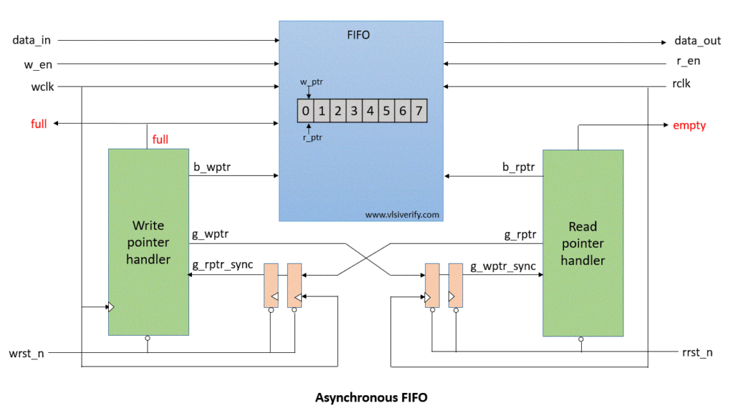
Data storing
701 bitfile for new file |  |  | done
write gray code sync by 2DFF
frame discard for 9000ai |  |  | doing( yongteck) | checking
/workspace/IPDHW01/cn9598/vsISP_9000_AI_V830/project.isp/arch/XAQ2/bench/vicap/sim/rundir/tc_vi_clk_gating_0020_9036220760 |  |  | doing( yongteck) | done
subsystem document review |  |  | done
debug for yongtek |  |  | done
patent
beken npu doc
GNPU version to fangbin |  |  | done
GNPU Env Integration、spec |  |  | todo | Beken confirm
shadow for lenovo confirm
NPU new version， update BURSTLEN |  |  | done
clock gating and Reset, nn interrupt for NPU
parameter control existence for nn and nn_inv
yongtek schedule
definn
beken bitfile
yongtek bitfile
sync with chongyang for mcm wr bit
bug summary from xiaochen
701 area
ca/pdaf/mp_ctrl/hdr_rt/filt
701 hou bvalid backpressure issue safty reset
mp ctrl reset |  |  |  |  |  |  |  | MP_CTRL
safty reset |  |  |  |  |  |  |  | 必须有整数行才会读
chongyang raw input data flow |  |  | done |  |  |  |  | ‘33：2 | ’69：38
CDC for hdr retiming/ pix loss/ size_erro
CDC for fe irq error tied to isp_irq
3dnr must prefetch one line issue
shadow register
3DLut reg？
0.7 version yong |  |  | doing 2025/3/21
coverage for beken
beken: header file put in top file, whether can put in harden_npu?
01.22 NPU verification |  |  | done
pp_backpressure ?
yong FPGA
beken FPGA
beken shadow for gammaout
yongtek sram size
NPU safty reset case？
ainr1000 for release
MI response connection? |  |  |  |  | jobcancellation_reset
GEN7 CSI controller
 |  |  |  |  | hw_select
all frame done
raw backpressure for fifo ppstream |  |  | RTL don doing
batch mode whether retain?

live sensor configuration: hdr rt dma read |  |  | xianfeng
mp_raw line cnt 256 alignment/
power case for yongtek
NPU FPGA configuration base addr mapping(JinYu)
NPU flexa 2.0 update for Yongatek
Yongtek update for backpressure issue

tdnr raw compression module remove?
condition not scalar？
bitfile for yongtek
bitfile for beken

CDM(camera data mover) | Q 有 两个CDM (camera data mover) 一个是为OPE(ISP) 专用的，一个是为peripheral专用的。

 | u_marvin_top_x_0/u_marvin_top_a_0/u_isp/u_isp_filt | 29140.3841
 | u_marvin_top_x_0/u_marvin_top_a_0/u_hdr0_top/u_hdr_retiming | 2684.358
 | u_marvin_top_x_0/u_marvin_top_a_0/u_mcm_top | 843.5225
 | u_marvin_top_x_0/u_marvin_top_a_0/u_isp/u_isp_ee/u_isp_ca_top | 3283.4189
frame loss case
GNPU bitfile | done
remove ram1 for single core for MP ctrl and mp sync |  |  | done
dmsc filt version sync | done
frame buffer udpate for yong teck | done
jinyu sram cover check | done
cdc lint diff
bitfile to david
undef for GNPU for FE |  |  | done
701 case for 3DNR |  |  | done
power window |  |  | done
xianfeng bitfile mail |  |  | done
PID for GNPU |  |  | done
MCMV3 spec |  |  | done
Eswin MP ctrl |  |  | done
flexa rst |  |  | done
congying eval |  |  | done
demosaic debug for V8x |  |  | done
冗余SRAM：[0x500000EA] isp9000-ai_8_5_0_rc0b SRAM 冗余的问题 for Yongatek | done: 8000l_12mp_v810/vs_marvin_ramshell.v also done |  | done
yongtek coverage |  |  | doing
xiaoxue PID to up |  |  | done
RDC check
Beken rlease again | done to guangtao |  | done
GNPU bitfile fix | done |  | done
pp_stream doc update ,only 0 is 2ppc | doc done， need send to doc team |  | doing
yongtek design update diff with last rls(1.0) for next release | FLEXA2.0/sychronizer/NN preprocess/nn pre sram define out/ mpctrl and mp sync sram define out |  | done
xiaoxue GTM |  |  | done
yongtek timeout case by jinyu |  |  | done
yongtek NPU reply |  |  | done
Registers number of Neurobric by configuration | 132(0x4780)+9356(0x4784)=9488 |  | done
case of anytime cfg NB parameters
701 power too big for second frame |  |  | done
MCM_HW spec/sw sync |  |  | done
yong release for 1.01 | give to rls, lint/cdc checking |  | done
discard frame test on FPGA
yuze with PR_ENR_IN |  |  | Done
performace filling |  |  | done
nn PRE cdc UT(Xingbo)
GNPU Flexa asynchronizer process |  |  | done
marvin_ctrl.v stitch1 clk issue(image)/reset_stitch_clk_n |  |  | done
GW arch |  |  | done
duplicated for 8200 for mp_ctrl |  |  | done
GW SRAM |  |  | done
Yongtek | CNR last frame for RESIZE crop cause
Beken cdc check |  |  | done
GW define for PSI |  |  | done
GW SRAM update |  |  | done
yan for yongtek subs
GNPU case | Yi Penghui(GNPU/6617)
3D and 2D version change? For songrui&shenghu |  |  | done
CPD udpate for XP code is same? |  |  | done
wdr v53 ECC
dpcc to V25/update CPD version
GW doc update for three-suit |  |  | doing wait approve
collect logic level for ISP8000 |  |  | Xingbo doing
GW design spec |  |  | done
bitfile of GW
MCM HW review?
sbi2.0 up yongatek if need sync with 8000UL
buserror issue if need fix again with jiaxue & Congying |  |  | done
/SSMECAI-12 JIRA 接口 |  |  | done
dsicard diagram doc |  |  | done
3d/2D status |  |  | doing
GW rls handoff |  |  | done
GW bitfile test |  |  | done
Yongtek rls compile for bug fix |  |  | done
NPU/ISP AXI support bits / MSB or LSB |  |  | done(MSB)
three nnpre bit meaning
gnpu bitfile
AHB issue or 3DNR version
project status rearrange order for self project |  |  | done
GW spec, including all changes
flexa producer register doc to PM(GW) |  |  | done
timeo_int_i not hang for axi wrapper |  |  | done
RGB888 128bit align for interleave |  |  | done
PP STREAM define out |  |  | Done
add debug for 2688
MP ctrl opt for 1.2G |  |  | done
vpi fifodepth rls again？
yong lint and cdc | /workspace/HWRLS_HOME01/STAGING/HW/ISP9000/rtldiff_isp9000_9030b_vs_9030a /workspace/HWRLS_TMP01/home/cn9523/04.spyglass/isp9000/isp9000_9_0_3_rc0b_renamed/lint/RPT/lint_rtl_violations.rpt /workspace/HWRLS_TMP01/home/cn9523/04.spyglass/isp9000/isp9000_9_0_3_rc0b_renamed/cdc/RPT/ |  | done
AEV2 back pressure sync
case | /workspace/IPDHW01/cn9598/vsISP_9000_AI_16MP_V850/project.isp/arch/XAQ2/bench/vicap/sim/rundir/tc_vi_resolution_0010_3645921775
hdr rt read & write backpressure | to congying |  | todo
NNPRE backpressur confirm
NPU fabric bug? Sync in meeting | NPU Sync 1. APB bus 如何使用 2. s_mst0, m_slv0, m_slv1 3. 是否需要使用双口sram 4. Only over 4MB can be used for FE/mcm ddr read, sync to Customer 5. 1to2 BID is 4bit, but NPU is 8bit? 6. s_m0 rid 4bit m_s rid 5bit？ 7. STEVE frame test for SUBSS
SBI timeout, hang? Sync with NPU, timeout value cfg? How recovery? Safty reset ? Resolution?
exception handling
diff configuration for multi-frame
fe cfg what? AHB cfg what?
clock constraint? For normal setting
RGBIR update for GNPU |  |  | done
Yang hong latest syn frequency
2688 BM diff check | check OK after processing |  | done
Yufeng with bypass control bit version |  |  | done

share mem integration |  |  | done
filt v8x error |  |  | done
doc gw
flexa sbi start for GW
NPU source code filename change |  |  | done
xingbo doc |  |  | Done
701 single core |  |  | Done
frame buffer template approve？ |  |  | Done
GW-Subs synthesis |  |  | doing by
yongtek update bitfile for mi
GW GNPU 4O update |  |  | done
GW doc for release
GW debug on FPGA |  |  | done
GW release for ISP 0.9
NPU 2688 debug
2688 bitfile with debug signal

QA for 2688 NPU FPGA， |  |  | doing by fengxiao
Review FPGA synthesis with David
GW SS synthesis with NPU, Yanghong

AI-3DNR diagram
llength check asserting by congying
GW NNPRE clock gating define out by xingbo
aimin filt timing
axi clock for sub-ss
GW vblank timing
subss 0.7 11.15 whether can delay 2 week, sync with Ziyin
GW ISP sync M2M change |  |  | need pengpeng offer the CDC of AXI | done
feng xiao to the rls package |  |  | done
9000AI_V910
ae backpressure sync to GW? |  |  | done
ae M2M sync to GW? |  |  | done
TDNR use V43
PDAF
CNR V23
MI opt
ee_opt
yong tek release again |  |  | doing
GW ss release at 11/15 |  |  | done
Vblank for V910
zhiaot bayer connect issue with xingob |  |  | up
hal lint fix from rls hong |  |  | done
Resize V28 with zhouning
gw sub sys bitfile
gw bitfile |  |  | done
 | 1. mail bug 2. Weixin Group for bug, Friday 3. PM confirm, with module owner
Zhangfan SDC for AAB， | 1，SDC 2. parameter for FIFO depth
hist1024 cfg addr, sta interface |  |  | done
V910 changelist for update
VPI-12MP up PID
 | 1. MRSZ_FORMAT_CONV_CTRL、mrsz_pic_out_size，SRSZ_FORMAT_CONV_CTRL 2. ISP_AWB_PROP Auto white balance properties 0x00000510 remove，isp regs 3 ISP_DEMOSAIC Demosaic parameters 0x000005a4 4. ISP_LSC_STATUS_SHD Lens Shade Status 0x00002268 32 ro radial_en_shd 5. ISP_DPCC_BPT_DATA TABLE DATA Register for Read and Write Access of Table RAM 0x00002968 32 rw bpt_v_addr_h Bad Pixel vertical address (for 8192 in vertical direction) 6 ISP_GAMMA_FE_Y_ADDR / ISP_GAMMA_FE_Y_WRITE_DATA ISP_GAMMA_BE_Y_ADDR / ISP_GAMMA_BE_Y_WRITE_DATA
congying NB for TBD
Xingbo on-off for GW nn-pre |  |  | done
AXI-NOC |  |  | todo | done
910 update axi 64bit address
awb/ccm/bnr |  |  | done
MMU for VPI? ,with Jinbao
AI-3DNR rls update
bitfile for 910 at January End
BM
synthesis for de-nlm only
910 syn timing
920
GW-ss BM
chaofan Case |  |  | no hang
ISP_USE_RAW_OUT mutiple selection
Yiyu new AI-3DNR
yilong timing task issue
xianfeng BM of GW-SS
zhongmao
dehase for X7C |  |  | done
Congying RREADY_FIX, send mail to all |  |  | done
resize frame end |  |  | done
CNRV2 lite add for X7A/X7C
performance check for GW WF
EE2 for X7 robot ??
MI size up for X7C by hsize
2D/3D separate control |  |  | need discssion with yinsheng | todo
submodule shadow enable bit |  |  | todo
vblank, all enable shadow for x7c

AWB use V40 pid
MCM HW version pid |  |  | done
hv sync define/with iir synthesis lvt/
V910 new/X7 add VSM |  |  | done
filt/910 release/
doc / remove resize, sp1/sp2/ mcm wr/, add cpp, RDC
mp raw dump channel? sync with 8200?? Doc update
filt version with no cac for 910
shadow enable for isp modules |  |  | done
x7a timing
x7a - AXI remove WID |  |  | done
enable-shadow，Perf，syn for new rdc
mode3 sync clk gating from 8200
TODO: x7a remove CA, USE CONV only
Filt-register, size, full size register |  |  | done
rdc high addresss
4K--30 == 4096*3072 *30
doc review for x7
DV sync | 1. tile case 2. RDC-AINR 3. ISP CPP
NLM for full size, TODO |  |  | done
AINR Performance check, xiaoxue
new version NPU for X7A for customer data
check int, check
aev2 change for delete logic
npu sdc issue |  |  | doing
wdr pid |  |  | done
reset value for GW , port, 钳位值
full size update
rdc algo
lamp buy 48W
aev2 change |  |  | done
fpga
test case check
up NPU, reg bash
npu sram for X7C new

cpp/sta_dma tile_id/aev2
910 Bitfile/920SS, JIRA from X7C
doc for feature send to docteam， NPU query
jira

TODO&Sys
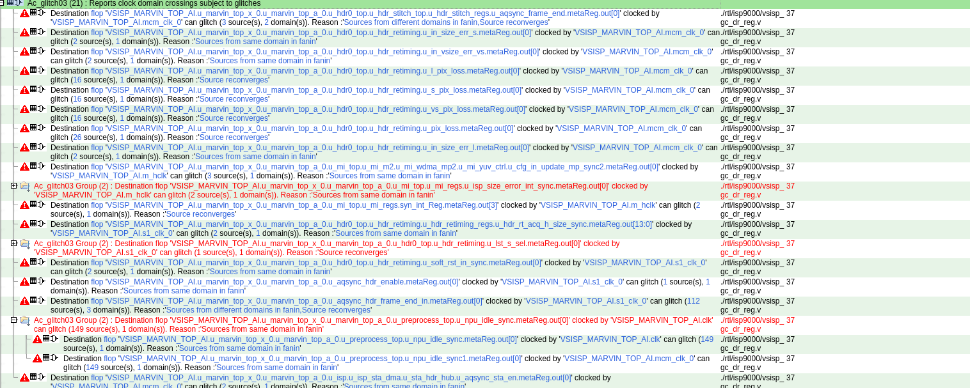
 | sp2 raw3 lite frame end interrupt
 | FE allowing write for AHB while FE working for 8000

 | MI soft reset
 | WDR3 RAW sram add for dma read
 | Bvalid status & reset
 | 701 dpf raw link to dpcc define(need to remove later)
 | separate soft rst or hw rst for each channel, due to small size image bandwidth need can be meet.
 | last_frame_end for cnrv2 / mi path idle

 | hdr rt wr&read for flex, replicate as normal write
 | interleave llength not accurate for, support aligned llength *3
 | clock gating porting
 | when will hang for hardened NPU
 | whether can switch configuration when data is incoming

 | u_jpeg_ctrl | define 掉
 | u_stitch1/2/3_ctrl | define 掉
 | u_fusa_pulse_sync_sta_dma_hdr_frame_end | 拿掉

9000AI | NPU reset register bit
 | 3DNR pre-fetch backpressue issue 2025/1/10
 | nn clock check for xingbo update

 | mp ctrl status wr 1 clear
 | filt data path
 | rdma used depth reporting

 | dispatch code cov
 | CDC
 | dmsc for lenovo to dmsc
 | mp ctrl cdc issue, change RTL | done
 | remove nn pre register in mi for cdc

系统性问题： | 寄存器配置实现方式，reset，soft reset，safty reset， ROI， NPU，PSI，SBI，DMA，MCM，FE，CDC，LINT，PPA, FLOW, sensor Bringup, DMA start issue， 怎么集成，BM，FPGA，综合频率 模型 中断信号与作用 AXI DDR DMA performace, 时钟关系与最低时钟需求

 | design spec, 文档位置，test plan，schedule

GW | support 8bit for one pixel

Ctrlbits
Manually Start Fe
FE_SEL | REGS_AHB_WR_WITH_FE_EN2 | AHB Write ? | FE Can Work?
0 | 0 | Yes | No
0 | 1 | Yes | No
1 | 0 | No | Yes
1 | 1 | Yes | Yes
marvin_top_ai

NPU
axwrite

axread
Mcm_Hw Start Fe
FE_SEL | REGS_AHB_WR_WITH_FE_EN2 | AHB Write ? | FE Can Work?
x | 0 | No(enable fe_sel when start fe) | Yes
x | 1 | Yes | Yes

AINR

sensor
FE(delay 30 lines)
BE(delay 30 lines)
Mcm_Bypass | Nn_Enable | Nn_Inv_Enable | Ppr Dma Start | Data Flow | comment
1 | x | x | x | sensor-> mcm-> pipeline | bypass
0 | 0 | 0 | 1 | Multiple Normal Sensors(3 or 4): sensor -> mcm->mcm_wr->DDR-> PPR -> mcm-> Pipeline | isp only multiple sensor
0 | 1 | 1 | 0 | one AINR sensor: 1 online: sensor-> mcm-> nn_pre->NPU->nn_pre_inv->mcm->pipeline 2 offline(sensor): sensor-> mcm-> nn_pre->NPU->nn_pre_inv->mcm->pipeline 3 offline(DMA): sensor-> mcm-> nn_pre->NPU->nn_pre_inv->mcm->pipeline | ainr

liver sensor clock must be larger than 47M
safty reset
discard
frame end update for switch
sram coverage
max size
backpressure
QOS
burst len
SBI
redundant int
interface for ppstream, fifo1
line cnt mcm
mcm wrt dumping

Share Register
.m4_dma_yuv_pic_width(nnp_inv_width),
.m4_dma_y_pic_height (nnp_inv_height),
.m4_raw_fmt_w0 (nnp_fmt),
.m4_rw0_pic_width (nnp_width),
.m4_rw0_pic_height (nnp_height),
.ppr_fmt (nnp_inv_fmt),

9000ai case | 9001ai case
performace
backpressure
different resolution | 1080p 640 2560
work_mode
FLEXA
mp ctrl bypass
cfg NPU switch when NPU working

9000ai test review
area
reset, clk, vblank
discard done

9000ai improve
on-off ? Shadow

lenovo PDAF
pp_write_path_enable | mi_ctrl bit19

NPU&ISP
clock gating and Reset, nn interrupt for NPU
parameter control existence for nn and nn_inv
NN Preprocess | CMT
clock gating for npu
reset by register bit for npu
nn interrupt(nn, nn_inv, npu)
nn top
parameter control using for nn and nn_inv | for V8x
nn preprocess
nn inv preprocess

new arch whether support NB and general NPU at the same time
clock gating
reset_gen

memomy related

 |  |  | CFG BUS
 | 0 |  | h_end/v_end interface, PSI
 | 1 |  | clk, reset
 | 3 | 384
 | 4 | 768

inform en ->0
inform en ->1

inform en ->1
dma start ->1

frame0 start
frame0 end

NPU CLK

TOP_AI

NPU
ISP

NPU CLK

TOP_AI

ISP
NPU
CG

 |  |  | mi subsys difference

weekly
DEEPX
RYDX
ZHC

doingtodo | doingtodoZHC | 2024-08-25 | 2024-08-25 | 52
 |  |  | ● | 41457 | 41457 | 列1 | 列2 | 列3
 |  |  |  |  |  | RY | sram substitute
 |  |  |  |  |  |  | sram case
 |  |  |  |  |  |  | mcm wr update | 1->1'b1

 |  |  |  |  |  | 701 | reset_sync_n
 |  |  |  |  |  |  | wdr dummy | customer confirm
 |  | wrapper | rams |  |  |  | FPGA | weijun run pass, smoking case pass | •
 |  |  |  |  |  |  | mcm_wr4
 |  |  |  |  |  |  | frame count timestramp
 |  |  |  |  |  | ZHC | mcm wr |  | 7
 |  |  |  |  |  | 9000

 |  |  |  | 12
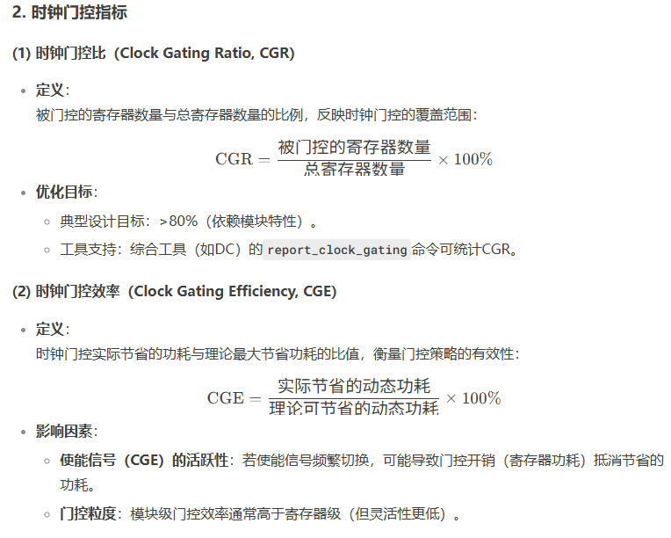

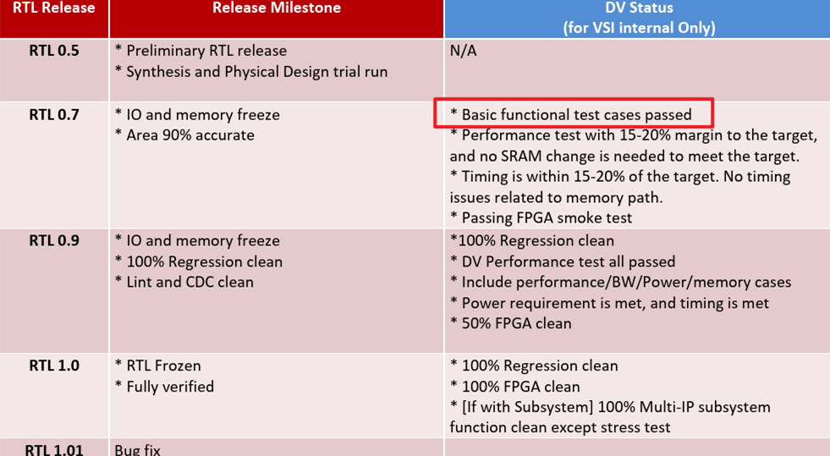

 | bitfile with VI200 yongtek, batch, error, of EE
 | PR_ack of npu not return

2688 dbg
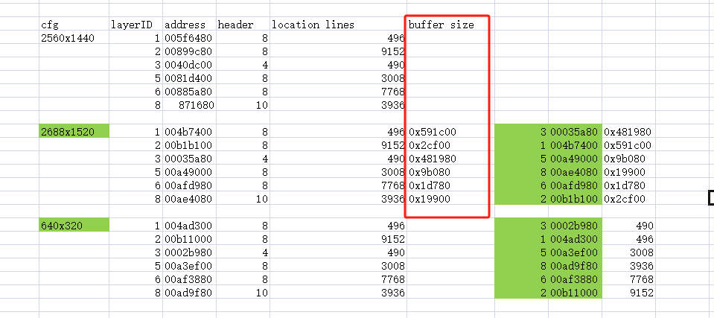

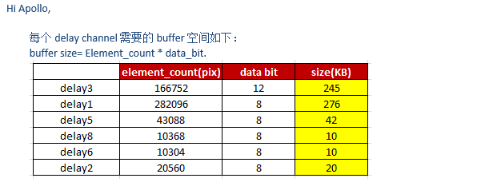

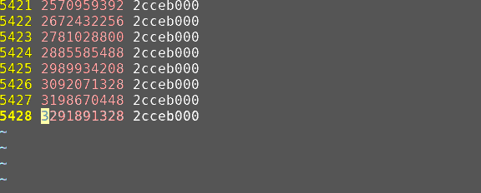

2025-10-16
 | Status | 列2 | 列3 | 列4 | Date | RTL simu | FPGA BM | Bitfile Owner | Frame end | Resolution
 | Normal | Yongatek | 2560 | NPU team release | 1.21.2025 |  |  | david
 | in_debug | 2688 |  | ISP Yao ye use tool generate | newer(07/29) | RTL simu pass | FPGA fail | David | frame end normal, data check error | 640*320

 |  | debug signal: add h_cnt, v_cnt

shareSRAM
AXI 1To2
1. APB bus 如何使用
2. s_mst0, m_slv0, m_slv1
3. 是否需要使用双口sram
R-MEM
NPU AXI W&R
vs_axi_sramc.v
sram_init_done
ecc
/workspace/share/ISP/HW/apolloz/tmp/axi1to2/Version1.3/rtl/ip
W-MEM
OT 多大合适?是否可以小于16

ISP AXI W&R
ISP AXI W&R for DDR

SYSRAM

SRAMC
NPU AXI 800, ISP 400
SRAM_PRE

NPU AXI W&R
SRAM_POST

AXI 1TO2

ISP AXI W&R
ISP AXI W&R for DDR

WKS
1、在vsisp_marvin_top_a中以下例化模块的作用，与IP手册中的IP Block diagram内的模块对应关系？
u_isp: | ISP pipeline
u_mi_top: | *Memery Interface
u_hdr0_top: | Multi-Exposuer Merge
u_self_1_resize: | Crop&Resize+FormatConv
u_self_2_resize: | Crop&Resize+FormatConv
u_main_resize: | Crop&Resize+FormatConv
u_gc_fe_ctrl_top: | CMD Program Unit
u_preprocess_top: | Pre-processing/inv
u_synchronizer: | synchronizer
u_mcm_top: | Multi-Context
u_color_proc: | CPROC
u_sensor_stitch0_fifo: | FIFO
u_sensor1_fifo: | FIFO
u_sensor2_fifo: | FIFO
u_sensor3_fifo: | FIFO
u_sensor4_fifo: | FIFO
u_pvci_sync_wrapper: | ISP Reg Files
u_marvin_ctrl: | ISP Reg Files
u_batch_sta_collector: | will not use
u_vs_marvin_ramshell: | NA

2、ISP子系统中，所有sram分别与之读写交互的对应模块关系？

 | IN(CNR ON) |  | 0 | 1 | 2 | 3 | 4 | 5 | 6 | 7 | 8 | 9 | 10 | 11
 |  |  |  |  |  |  |  |  |  |  |  | 0 | 1 | 2

 | OUT(Max) |  |  | 0 | 1 | 2 | 3 | 4 | 5 | 6 | 7 | 8 | 9 | 10 | 11 | 12 | 13 | 14
 |  |  |  |  |  |  |  |  |  |  |  |  |  |  | 0 |  | 2
 |  |  |  |  |  |  |  |  |  |  |  |  |  | 0 |  | 2

 | IN(CNR OFF) |  | 0 | 1 | 2 | 3
 |  |  | 0 | 1 | 2 | 3

 | OUT(Min) |  |  | 0 | 1 | 2 | 3
 |  |  |  | 0 |  | 2

 | OUT(Max) |  |  | 0 | 1 | 2 | 3 | 4 | 5 | 6 | 7
 |  |  | -1 |  |  | 0 |  | 2 |  | 4 |  | 6
 |  |  | no -1 |  | 0 |  | 2

 |  |  | v: phase_init + v_cnt*(0x1_0000*(v_size_o/v_size_i)) >= 0x1_0000

 | GW-
 | 1. ISP top integration/regressoin debug |  | 30%
 | 2 ISP/Subsys debug
 | 3. CDC/lint check and RTL update.
 | 4. system sram integration, and verification, lint/cdc/coverage check
 | 5. make bitfile and fpga debug.
 | 6. Customer Jira support
 | 7 Carry forward and support NNPRE develop, debug

 | 910 |  | 22%
 | 1. ISP top integration
 | 2. CDC/lint check and RTL update.
 | 3. discussion submodule develop
 | 4. support STA_DMA develop, follow-up nndrc develop
 | 5. release rtl and follow-up bitfile

 | Yongtek2688/Yongtek/GNPU |  | 20%
 | design update and integration
 | ISP debug and subsys debug
 | Neurobric BM debug, with Yufeng
 | regression debug for these prjs

 | FE/MCM-HW/MI |  | 18%
 | Carry forward and support MCM_HW develop
 | FEXA2.0 update(with Congying)
 | FE update for Loading Lut(With Congying)

 | 910
 | GW
 | MCM-HW

 |  | 1 | GW/Subsys customer support, Subsys BM test, regression test
 |  | 2 | 9000AIv910 ISP part continue to push for new changes
 |  |  | MCM-HW/FE follow-up
 |  |  | Implementation of MI channel-seperately ARCH pushing
 |  | 3 | Read some management books, and to combine theory with practice in task distribution, follow-up, team building an so on.
 |  |  | Enhance communication of various format with teammate.
 |  |  | Enhance code review and spec review

 | IDP(Individual Development Plan) Discussion
 |  | IDP by Employee |  | 1. Deep study ISP/NPU architecture, pipeline component, and algorithm principle, background, meaning
 |  |  |  | 2. Enhance requirements aligment with DV, so on
 |  |  |  | 3. Enhance teammate quality management
 |  |  |  | 4. Cowork with teammate, enhance resource alloating, epecially for cross-department communication and cooperation.
 |  |  |  | 5. Study related books of management, enhance thought recognition.
 |  | IDP Manager Comments |  | 增加code review，把控项目风险和质量管理。
 |  | What kind of support/help that you prefer from company/manager to achieve IDP
 |  | Description |  | 1. More reconginition and guide at image processing algorithm background, method, effect, and NPU related detail
 |  |  |  | 2. Reduce RTL engineer direct support for Customer with IP usage
 |  |  |  | 3. Methods for coordinating various resources
 |  | Description Manager Comments |  | NPU内部架构的学习可以与team进行分享，增加与NPU team的交流。

dwe
ISP

DDR_S0

slv

mst

TOP_NOC

DDR

AxADDR[31:0]
ISP
VS_BUS_GEN

DDR_AxADDR[31:0]
VI200
AxADDR[31:0]

 |  |  |  |  |  |  | 0 | =G188+H188-G187

CA-LLM
